Sheet1
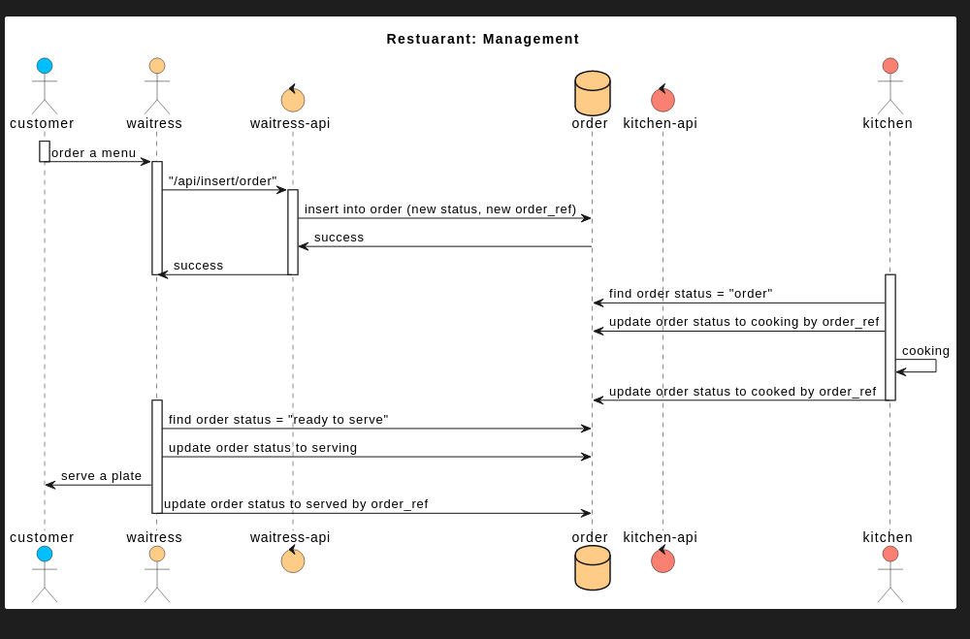

API Spec | insert order
 | description | this api use for receive json from client and generate SQL command to insert data to table in database.
 | url
 | method | POST
 | request header | '-
 | request body | { "menu":{ } }

