regression
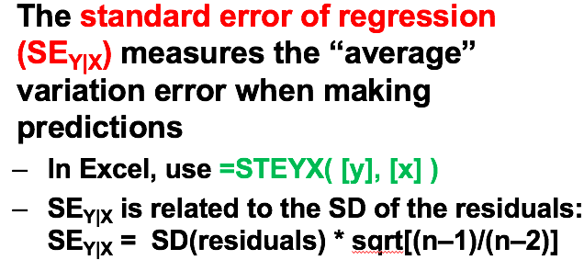
r | 0.6
SY | 16 | slope | 0.53333333333 | ES | 67 | b0 | 23.266666667
SX | 18 | b1 |  | EY | 59
predict with X | 59 | predicted | 54.733333333 | P | 0.83105264979
SEY|X | 12.8 | Z | 0.95833333333

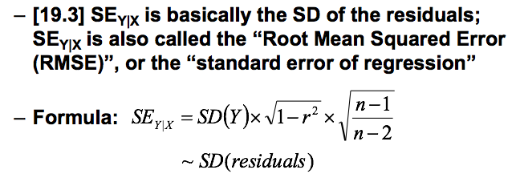
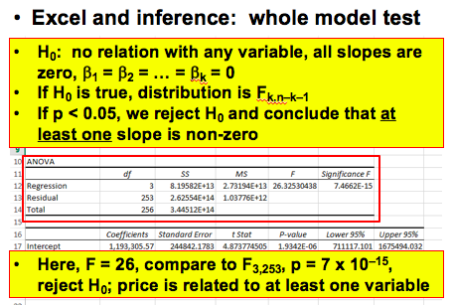
SE (Y|X) | 400476
k | 3
n | 140
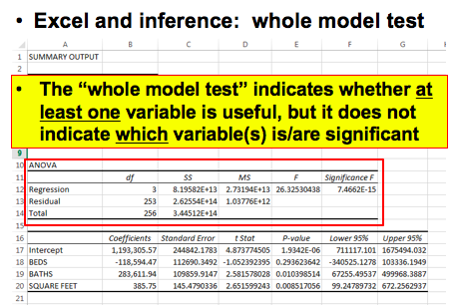
R^2 | 0.631
r | 0.79435508433
adj R^2 | 0.62286029412 | 0.62273098636
df | 136
SSmodel | 3.7286018601E+13 | MS model | 1.2428672867E+13 | F | 79.801264679
SStotal | 59090362283475
SSresidual | 2.1804343683E+13 | MS residual | 1.5574531202E+11
SD(Y) | 652005
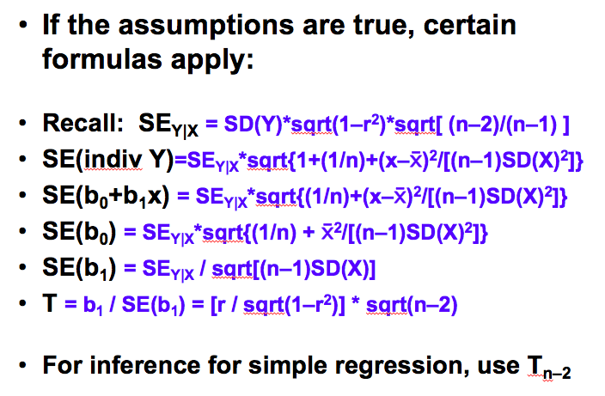
model F

0.038575143878 | remember to use t dist for CI for regression coefficients

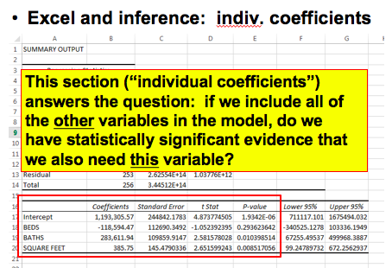
2.7632624555 | 0.005 t level

SE b1 | 0.004931
b1 | 0.01768
 | -2.4984790103
 | 2.467140098 | this is 0.01 t level

chi-sq
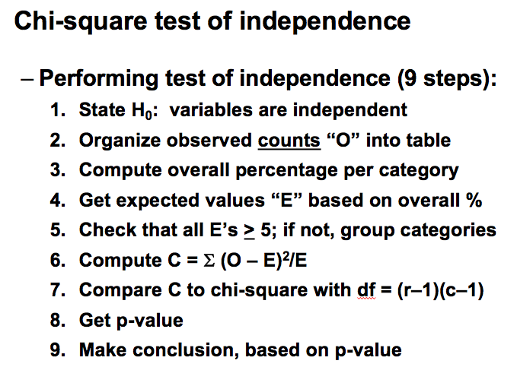
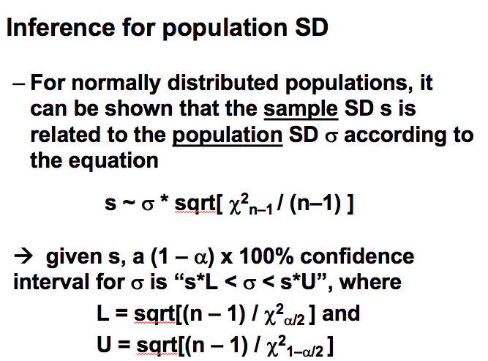
 |  |  |  |  |  | If population SD sigma is known: distribution for sample SD
 |  |  |  |  |  | Given that pop. SD is sigma = | 2
 |  |  |  |  |  | and that sample size is n = | 10

 | Crew | First | Second | Third | tot | The chance that sample SD is | greater than | 3 | is | 1.64%
Alive | 212 | 202 | 118 | 178 | 710
Dead | 673 | 123 | 167 | 528 | 1491 | The | 98% | percentile for sample SD s is |  |  | 2.96
tot | 885 | 325 | 285 | 706 | 2201
dead rate | 0.7604519774 | 0.37846153846 | 0.58596491228 | 0.74787535411 | 0.67741935484
expected dead rate | 599.51612903 | 220.16129032 | 193.06451613 | 478.25806452 | 1491
 |  |  |  |  |  | If population SD sigma is unknown: confidence limits, tests of significance
 |  |  |  |  |  | Given that SAMPLE SD is s = | 1.305
chidist |  |  |  |  |  | and that sample size is n = | 25

 |  |  |  |  |  | then a | 95% | confidence interval for sigma is |  |  | 1.02 | to | 1.82

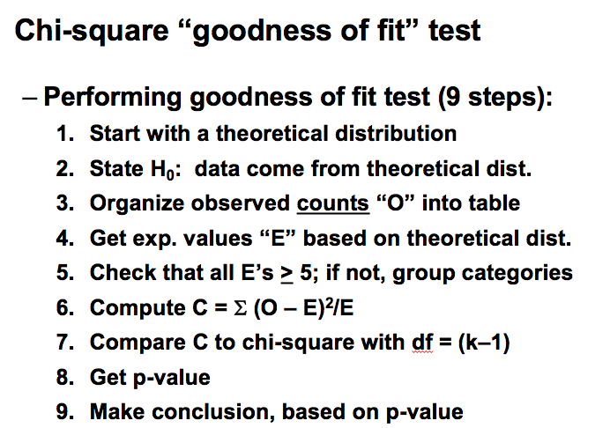
 |  |  |  |  |  | When testing H0: sigma = | 2.706 | , p = | P(such a small SD) = |  | 0.00%

F
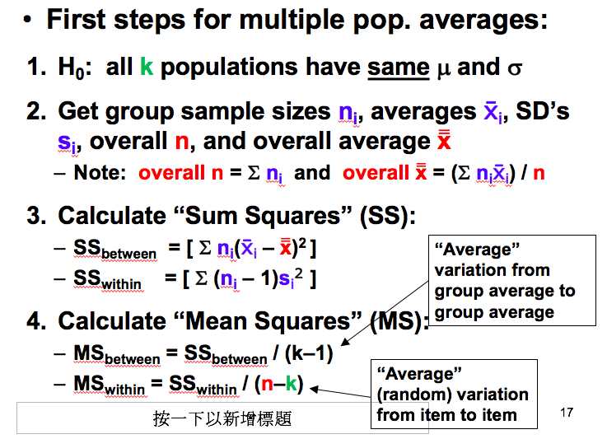
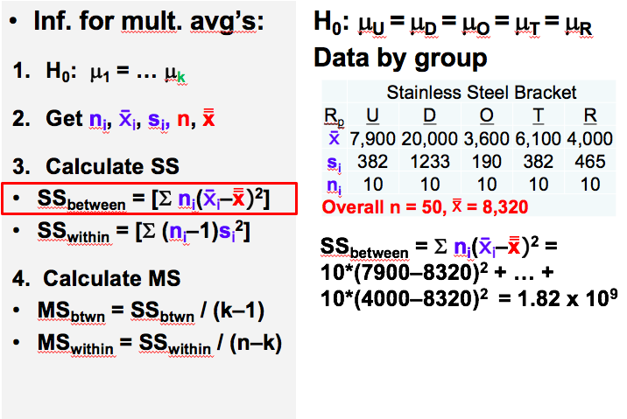
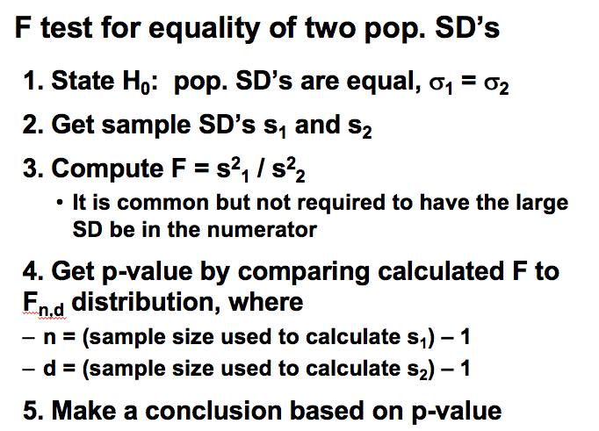

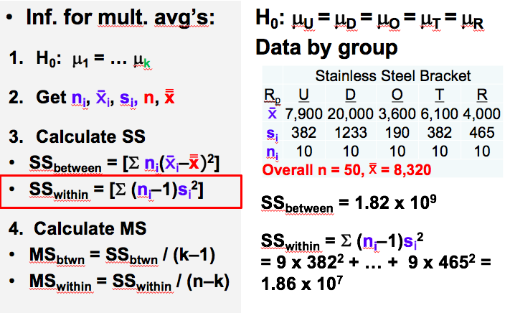

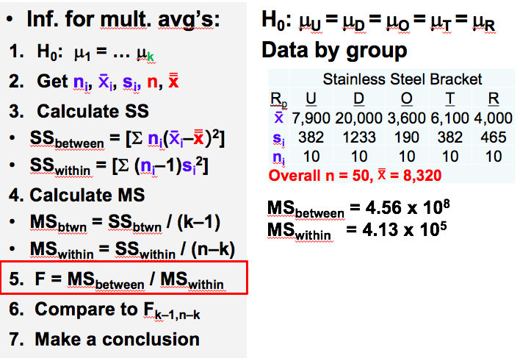

dist
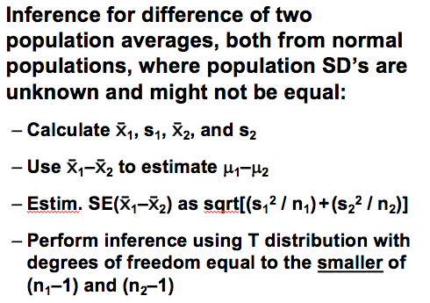
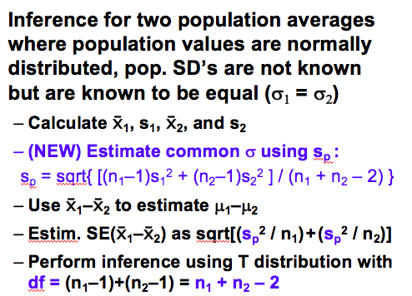
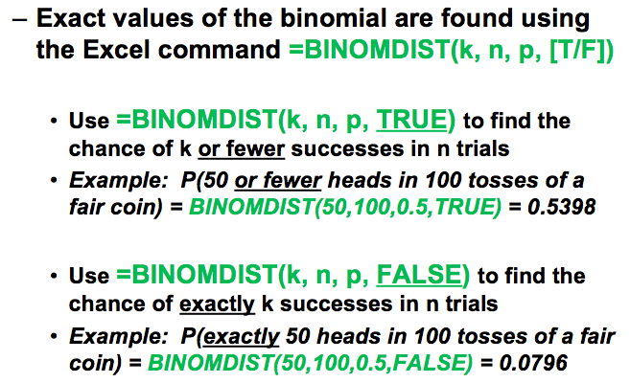

power problem
power(the upper tail) | 0.975 | 1.9599639845
target ci | 0.015
p | 0.5
ci | 0.0076525632344 | 0.014998748329
n | 4269

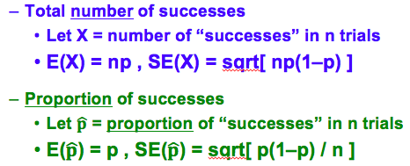
Age at death | 25 | 26 | 27 | 28 | 29
Probability | 0.00039 | 0.00044 | 0.00051 | 0.00057 | 0.0006
1-p | 0.99961 | 0.99956 | 0.99949 | 0.99943 | 0.9994

gain | 175
loss | 100000
exp | 135.93175

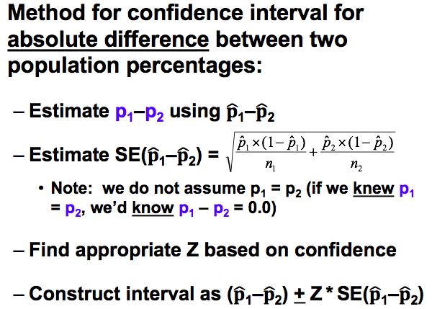
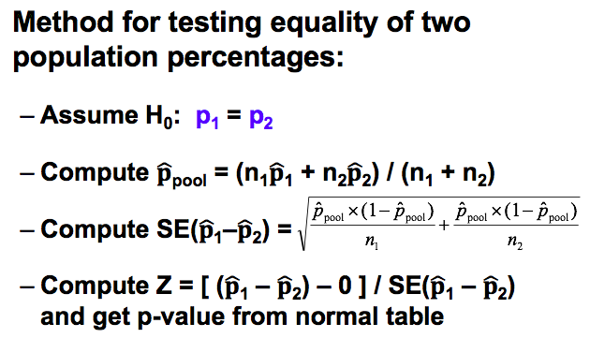
r | 0.4579 | covXY | 0.0037085321
SX | 0.089
EX | 0.862
SY | 0.091
EY | 0.726
E(X-Y) | 0.136
S(X-Y) | 0.093727988349
z | 1.45100735 | percentage | 0.92661109323

mean | 0.03%
 | 3% | 2.969400%
p | 7.78%
1-p | 92.22% | 1.4200263842
 |  | 47.821997179 | 1.898246356
 |  |  | 0.97116818156
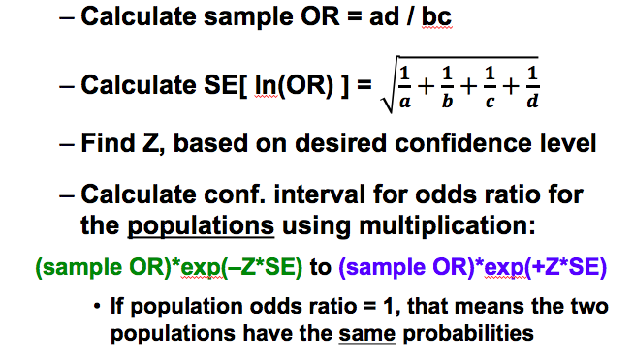

2.20% | 0.97009327663 | 2.80%
5.00% | 1.8807936082 | 0.91070033152 | 0.030745569131

 | -0.7826069899627794%

n | 45
p | 0.33 | 1-p | 0.67
se | 0.070095173395
target | 0.26666666667
 | -0.90353344268
percentage | 0.1831214237

solver
SINGLE POPULATION PERCENTAGE |  |  |  |  |  |  |  |  | SINGLE POPULATION PERCENTAGE |  |  |  |  |  | SINGLE POPULATION PERCENTAGE
Hypothesis Test |  |  |  |  |  |  |  |  | Confidence interval |  |  |  |  |  | Sample size solver
H0: population p = | 0.2500 |  |  |  |  |  |  |  | Data: |  |  |  |  |  | Desired WIDTH of conf. interval (+/-) |  |  |  | 10%
Data: | 294 | successes in | 1600 | trials --> p-hat = |  | 0.18375 |  |  | 294 | successes in | 1600 | trials --> p-hat = | 0.1838 |  | Desired confidence = |  | 95% | --> Z = | 1.960
Observed sample p = | 0.1838
SE(p-hat) = | 0.0108 | { reminder: SE(p-hat) = sqrt[p0*(1-p0) / n] } |  |  |  |  |  |  | So "best guess" is that |  | 18.38% | of pop. has characteristic, |  |  | --> need n > |  | 96.04 | , so | 97
So if H0 were true, we'd expect to get a sample percent of |  |  |  | 25.00% | or so, give or take |  | 1.08% |  | give or take SE(p-hat) = |  | 0.968% | or so
According to H0, the reason we got sample % = |  |  | 18.38% | instead of | 25.00% | is just due to luck
 |  |  |  |  |  |  |  |  | Desired confidence = |  | 95% | --> Z = | 1.960
 |  |  | p-value |  | Conclusion |  |  |  | n is 'large', so using normal curve is probably OK
Z WITHOUT cont corr | -6.1199 | --> | 4.6813273832E-10 | --> | Reject H0 |  |  |  | Approx confidence interval = (p-hat +/- Z*SE_p-hat) -->
Z with cont correction | -6.0910 | --> | 5.6087886207E-10 | --> | Reject H0 |  |  |  | 95% | conf. interval: | 16.48% | to | 20.27%
Actual p-value | P(such low sample %) = |  | 1.5548617506E-10 |  |  |  |  |  | Exact conf. interval |  | #REF! | to | 20.36% |  |  | SINGLE POPULATION AVERAGE, normal population with unknown SD
 |  |  |  |  |  |  |  |  |  |  |  |  |  |  |  | Confidence interval |  |  | Hypothesis Test
 |  |  |  |  |  |  |  |  |  |  |  |  |  |  |  | xbar | 4.22 |  | xbar | 4.22
TWO POPULATION PERCENTAGES |  |  |  |  |  |  |  |  | TWO POPULATION PERCENTAGES |  |  |  |  |  |  | sample SD | 0.848 |  | sample SD | 0.848
Hypothesis Test |  |  |  |  |  |  |  |  | Confidence interval |  |  |  |  |  |  | n | 10 |  | n | 10
H0: difference in population proportions = 0 |  |  |  |  |  |  |  |  | Data: |  |  |  |  |  |  | confidence | 95%
Data: |  |  |  |  |  |  |  |  | Sample 1 | 23 | success in | 44 | trials --> p-hat1 = | 52.273% |  |  |  |  | H0: mu = | 4.8
Sample 1: | 23 | successes in | 44 | trials --> | p-hat1 = | 0.5227 |  |  | Sample 2 | 12 | success in | 43 | trials --> p-hat2 = | 27.907% |  | SE | 0.268 |  | SE = | 0.26816114558
Sample 2: | 12 | successes in | 43 | trials --> | p-hat2 = | 0.2791 |  |  |  |  |  |  |  |  |  | t | 2.2621571628 |  | t or z = | -2.1628785883
Observed diff. in proportions = |  | 0.2437 | , the reason we didn't get exactly 0.0 was due to luck |  |  |  |  |  | The observed diff. in sample % is |  |  | 24.37% | percentage points,
 |  |  |  |  |  |  |  |  |  | give or take SE(diff) = |  | 10.17% | or so |  |  | LCL | 3.61 |  | p-value | 0.029395653384
Calculations: |  |  |  |  |  |  |  |  |  |  |  |  |  |  |  | UCL | 4.83 |  | Reject H0
If H0 is true, two populations have same percentage; best guess for proportion is p_pool = |  |  |  |  |  |  | 0.40229885057 |  |  | Desired confidence = |  | 95% | --> Z = | 1.960
SE_diff (using p_pool) | 0.1051515071 | { SE(diff) = sqrt[p_pool*(1-p_pool) / n1 + p_pool*(1-p_pool)/n2 ] } |  |  |  |  |  |  |  | n is 'large', so using normal curve is probably OK
 |  |  |  |  |  |  |  |  |  | Confidence interval for diff. = ((p-hat1 - p-hat2) +/- Z*SE_diff) -->
Z = | 2.3172041182 | --> p-value = | 0.010246307652 | --> | Reject H0 |  |  |  | 95% | conf. interval for difference: |  | 4.43% | to | 44.30% |  | TWO POPULATION AVERAGES, normal populations with unknown SD's
 |  |  |  |  |  |  |  |  |  |  |  |  |  |  |  | Confidence interval |  |  | Hypothesis Test
 |  |  |  |  |  |  |  |  | Odds ratio calculator |  |  |  |  |  |  | xbar1 | 12.22 |  | xbar1 | 32.55
 |  |  |  |  |  |  |  |  | Data: |  |  |  |  |  |  | SD1 | 12.8160 |  | SD1 | 9.7900
 |  |  |  |  |  |  |  |  | Sample 1 | 23 | success in | 44 | trials --> p-hat1 = | 52.273% |  | n1 | 65 |  | n1 | 38
 |  |  |  |  |  |  |  |  | Sample 2 | 12 | success in | 43 | trials --> p-hat2 = | 27.907%
 |  |  |  |  |  |  |  |  |  |  |  |  |  |  |  | xbar2 | 8.42 |  | xbar2 | 27.21
 |  |  |  |  |  |  |  |  | Sample odds ratio = factor of |  |  | 2.83 |  |  |  | SD2 | 12.8160 |  | SD2 | 6.4500
 |  |  |  |  |  |  |  |  |  | SE[ ln(OR) ] = |  | 0.455 |  |  |  | n2 | 255 |  | n2 | 43

 |  |  |  |  |  |  |  |  |  | Desired confidence = |  | 95% | --> Z = | 1.960 |  | confidence | 95% |  | Obs x1 - x2 | 5.34
 |  |  |  |  |  |  |  |  |  | n is 'large', so using normal curve is probably OK |  |  |  |  |  |  |  |  | SD_pooled | 8.1857677509
 |  |  |  |  |  |  |  |  |  | Confidence interval for population odds ratio: |  |  |  |  |  | Obs x1 - x2 | 3.80 |  | H0: mu = | 0
 |  |  |  |  |  |  |  |  | 95% | conf. interval for difference: |  | 1.16 | to | 6.90 |  | SE | 1.7807408 |  | SE = | 1.8225351
 |  |  |  |  |  |  |  |  |  |  |  |  |  |  |  | t = | 1.9977296543 |  | t = | 2.93

 |  |  |  |  |  |  |  |  |  |  |  |  |  |  |  | LCL | 0.24 |  | p-value | 0.0022149161009
 | Given SCORE, want PERCENTAGE |  |  |  |  |  |  | Given PERCENTAGE, want SCORE |  |  |  |  |  |  |  | UCL | 7.36 |  | Reject H0
 | Average | 100.00 |  |  |  |  |  | Average | 100
 | SD | 15.00 |  |  |  |  |  | SD | 15

 | Score | less than | 146 |  |  |  |  | Area in the | right | tail is | 2.0%

 | --> Z = | 3.0666666667 |  |  |  |  |  | --> Z = | 2.054

 | --> P(X < | 146 | ) = | 99.892% |  |  |  | --> score = | 130.81
Normal distribution
40 | 8.9220150561E-06 | 8.9220150561E-06
40.15 | 0 | 9.285665103E-06
40.3 | 9.6631707004E-06 | 9.6631707004E-06
40.45 | 0 | 1.0055018109E-05
40.6 | 1.0461708944E-05 | 1.0461708944E-05
40.75 | 0 | 1.0883760591E-05
40.9 | 1.1321706635E-05 | 1.1321706635E-05
41.05 | 0 | 1.1776097297E-05
41.2 | 1.2247499874E-05 | 1.2247499874E-05
41.35 | 0 | 1.2736499199E-05
41.5 | 1.32436981E-05 | 1.32436981E-05
41.65 | 0 | 1.3769717876E-05
41.8 | 1.4315198775E-05 | 1.4315198775E-05
41.95 | 0 | 1.4880800489E-05
42.1 | 1.5467202653E-05 | 1.5467202653E-05
42.25 | 0 | 1.6075105358E-05
42.4 | 1.6705229669E-05 | 1.6705229669E-05
42.55 | 0 | 1.7358318158E-05
42.7 | 1.8035135441E-05 | 1.8035135441E-05
42.85 | 0 | 1.8736468731E-05
43 | 1.9463128397E-05 | 1.9463128397E-05
43.15 | 0 | 2.0215948533E-05
43.3 | 2.0995787539E-05 | 2.0995787539E-05
43.45 | 0 | 2.1803528712E-05
43.6 | 2.2640080845E-05 | 2.2640080845E-05
43.75 | 0 | 2.3506378838E-05
43.9 | 2.4403384318E-05 | 2.4403384318E-05
44.05 | 0 | 2.533208627E-05
44.2 | 2.629350168E-05 | 2.629350168E-05
44.35 | 0 | 2.7288676181E-05
44.5 | 2.831868472E-05 | 2.831868472E-05
44.65 | 0 | 2.9384632224E-05
44.8 | 3.0487654288E-05 | 3.0487654288E-05
44.95 | 0 | 3.1628917859E-05
45.1 | 3.2809621941E-05 | 3.2809621941E-05
45.25 | 0 | 3.4030998309E-05
45.4 | 3.5294312226E-05 | 3.5294312226E-05
45.55 | 0 | 3.6600863178E-05
45.7 | 3.7951985611E-05 | 3.7951985611E-05
45.85 | 0 | 3.9349049684E-05
46 | 4.0793462031E-05 | 4.0793462031E-05
46.15 | 0 | 4.2286666527E-05
46.3 | 4.3830145069E-05 | 4.3830145069E-05
46.45 | 0 | 4.5425418364E-05
46.6 | 4.7074046726E-05 | 4.7074046726E-05
46.75 | 0 | 4.8777630883E-05
46.9 | 5.0537812791E-05 | 5.0537812791E-05
47.05 | 0 | 5.2356276456E-05
47.2 | 5.423474877E-05 | 5.423474877E-05
47.35 | 0 | 5.6175000346E-05
...
Normal distribution
40 | 0 | 8.9220150561E-06
40.15 | 0 | 9.285665103E-06
40.3 | 0 | 9.6631707004E-06
40.45 | 0 | 1.0055018109E-05
40.6 | 0 | 1.0461708944E-05
40.75 | 0 | 1.0883760591E-05
40.9 | 0 | 1.1321706635E-05
41.05 | 0 | 1.1776097297E-05
41.2 | 0 | 1.2247499874E-05
41.35 | 0 | 1.2736499199E-05
41.5 | 0 | 1.32436981E-05
41.65 | 0 | 1.3769717876E-05
41.8 | 0 | 1.4315198775E-05
41.95 | 0 | 1.4880800489E-05
42.1 | 0 | 1.5467202653E-05
42.25 | 0 | 1.6075105358E-05
42.4 | 0 | 1.6705229669E-05
42.55 | 0 | 1.7358318158E-05
42.7 | 0 | 1.8035135441E-05
42.85 | 0 | 1.8736468731E-05
43 | 0 | 1.9463128397E-05
43.15 | 0 | 2.0215948533E-05
43.3 | 0 | 2.0995787539E-05
43.45 | 0 | 2.1803528712E-05
43.6 | 0 | 2.2640080845E-05
43.75 | 0 | 2.3506378838E-05
43.9 | 0 | 2.4403384318E-05
44.05 | 0 | 2.533208627E-05
44.2 | 0 | 2.629350168E-05
44.35 | 0 | 2.7288676181E-05
44.5 | 0 | 2.831868472E-05
44.65 | 0 | 2.9384632224E-05
44.8 | 0 | 3.0487654288E-05
44.95 | 0 | 3.1628917859E-05
45.1 | 0 | 3.2809621941E-05
45.25 | 0 | 3.4030998309E-05
45.4 | 0 | 3.5294312226E-05
45.55 | 0 | 3.6600863178E-05
45.7 | 0 | 3.7951985611E-05
45.85 | 0 | 3.9349049684E-05
46 | 0 | 4.0793462031E-05
46.15 | 0 | 4.2286666527E-05
46.3 | 0 | 4.3830145069E-05
46.45 | 0 | 4.5425418364E-05
46.6 | 0 | 4.7074046726E-05
46.75 | 0 | 4.8777630883E-05
46.9 | 0 | 5.0537812791E-05
47.05 | 0 | 5.2356276456E-05
47.2 | 0 | 5.423474877E-05
47.35 | 0 | 5.6175000346E-05
...

 | To find this percentage, use the Excel command |  |  |  |  |  |  | To find the right Z-score, use the Excel command
 | =NORMSDIST( |  | 3.0666666667 | ) |  |  |  | =NORMSINV( |  | 0.980 | )

general rule
