Bug report
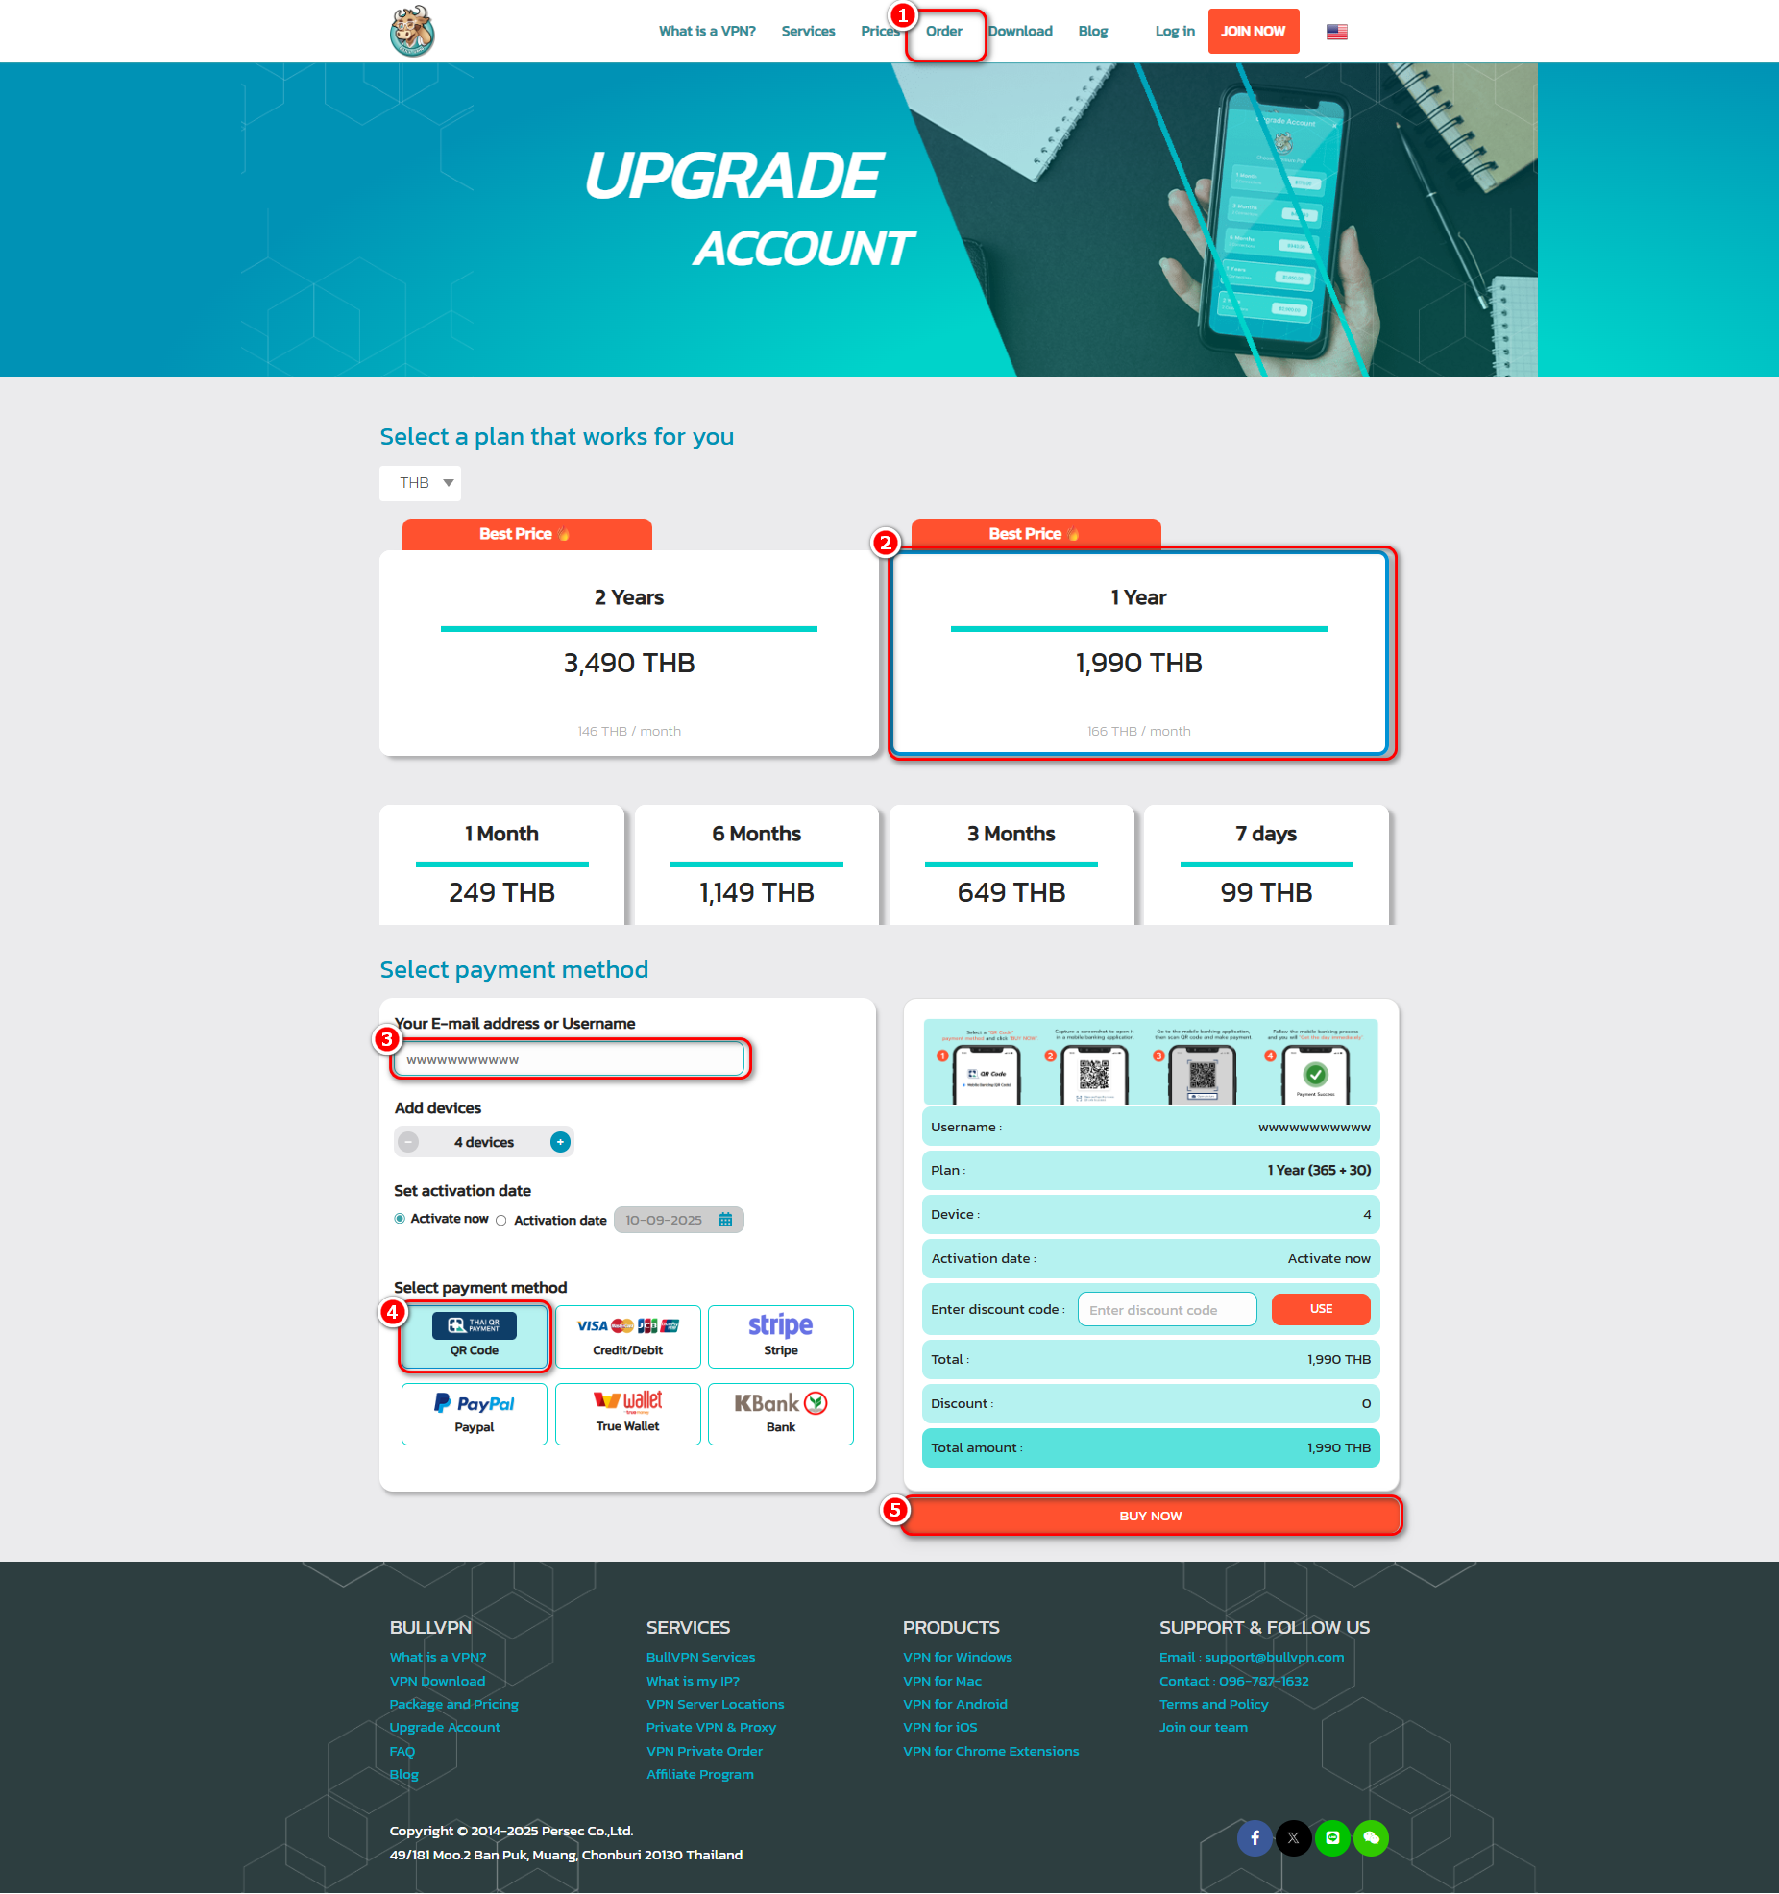
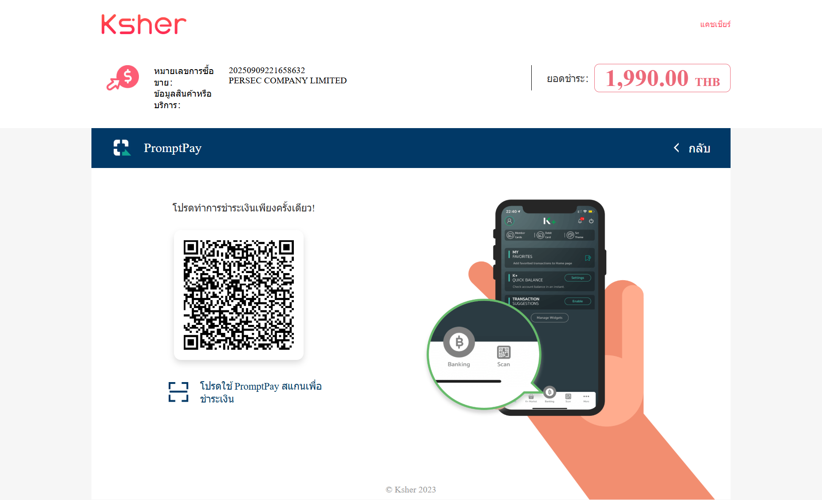
WEB : | https://www.bullvpn.com/order
Status User : | Not Login
Input Email and Username : | wwwwwwwwwww | (พวกตัวภาษาอังกฤษซ้ำๆเช่น rrrrrrr, oooooo,yyyyyyy,... )
Plan work : | Any plan
Payment method : | Any method
Actual result : | Customers can select a plan and make a payment even without registering or logging in.
Expect result : | Customers can not select a plan and make a payment without registering or logging in.

