EDA
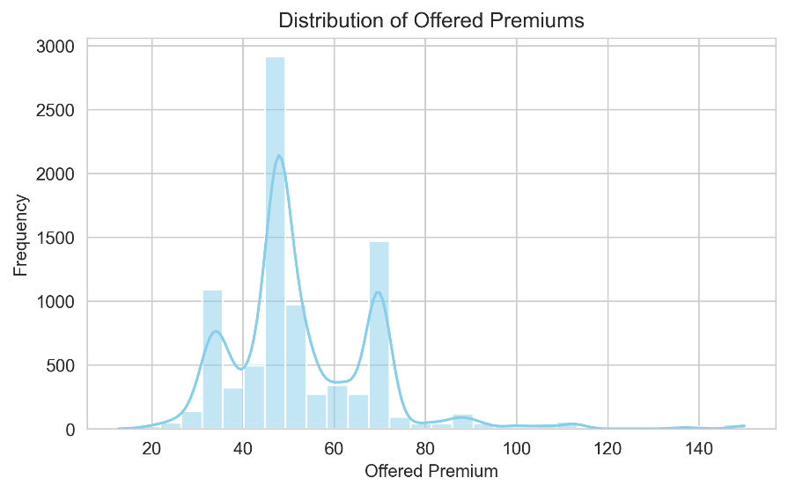
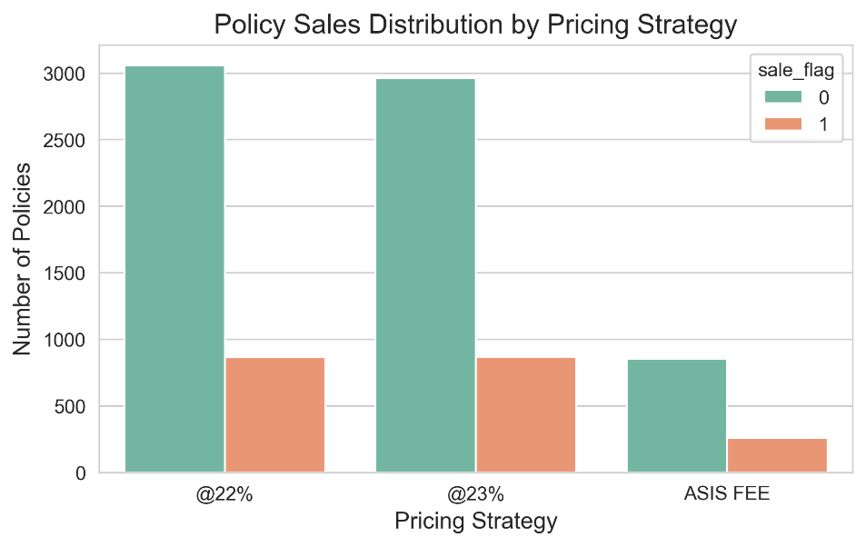
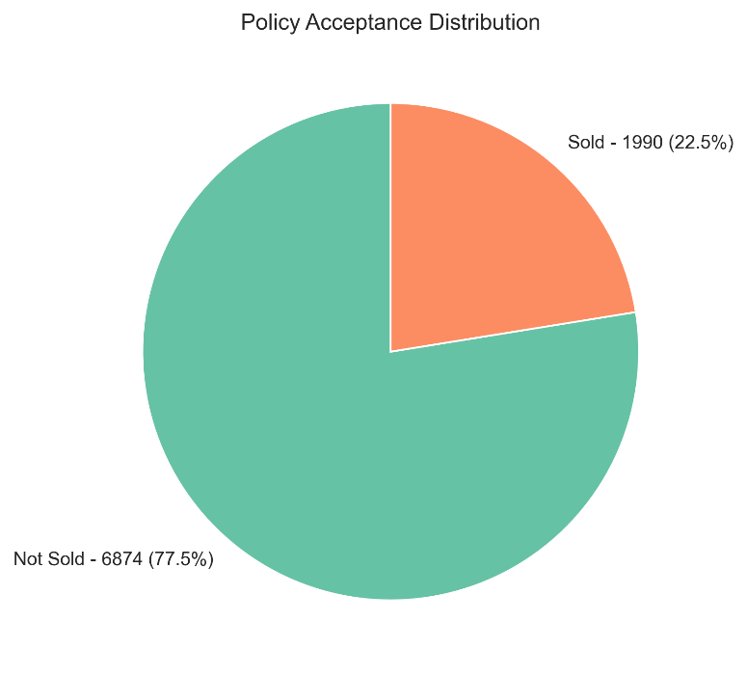
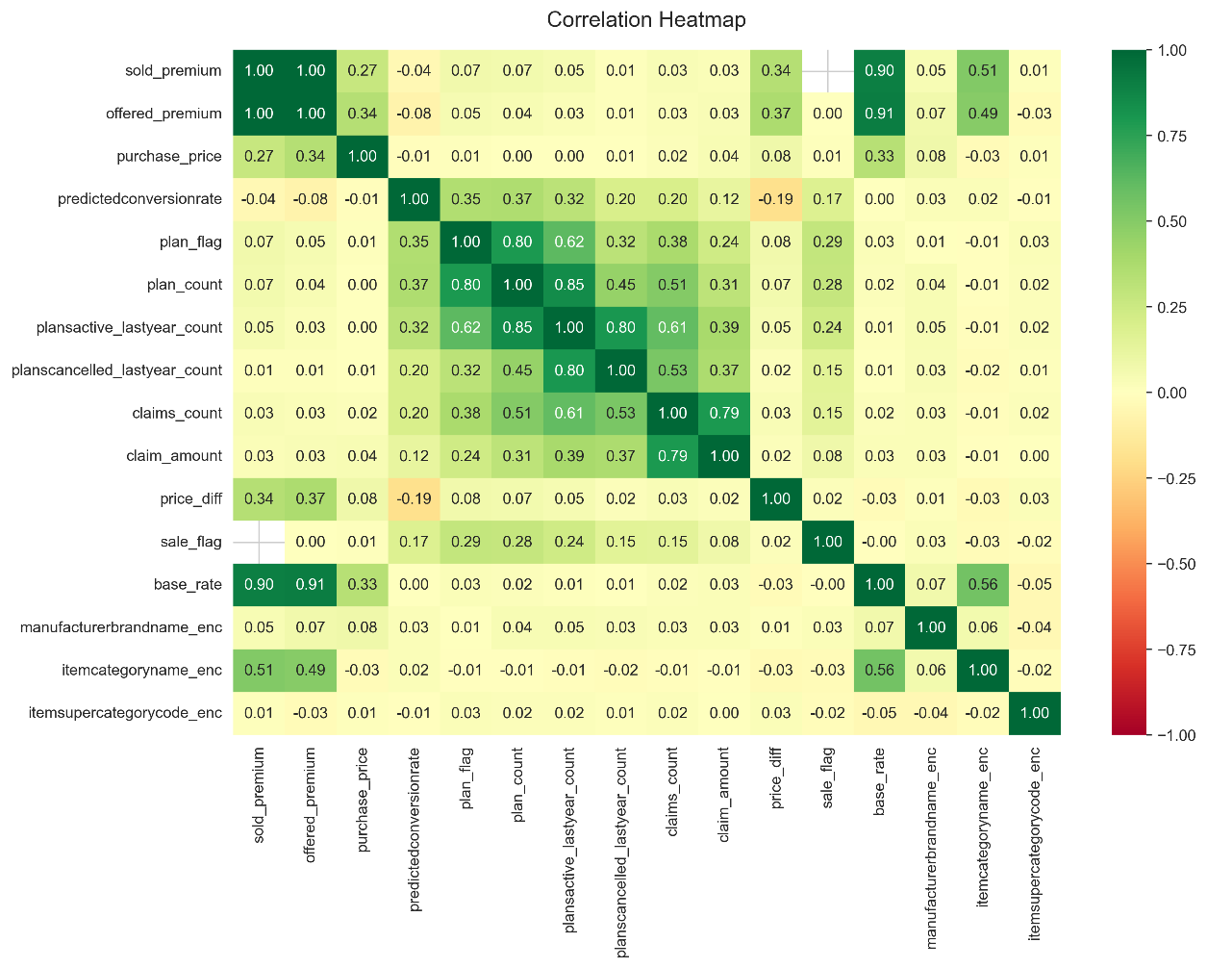
Explore the dataset and conduct any EDA that you feel will help you understand the data
 | Table 1: Missing values in each column |  | Table 2: Descriptive stats of the cleaned dataset
 | Column | Missing count | Statistic | sold_premium | offered_premium | purchase_price | predictedconversionrate | plan_count | plansactive_lastyear_count | planscancelled_lastyear_count | claims_count | claim_amount | price_diff | base_rate
 | sold_premium | 6874 | count | 1990 | 8864 | 8864 | 8864 | 8864 | 8864 | 8864 | 8864 | 8864 | 8864 | 8864
 | plan_count | 41 | mean | 53.09192 | 53.032392 | 406.704533 | 0.315809 | 0.40704 | 0.680957 | 0.232401 | 0.183439 | 25.36456 | 0.080783 | 49.093078
 | plansactive_lastyear_count | 41 | std | 15.116414 | 16.273163 | 214.183314 | 0.29811 | 1.031239 | 1.962176 | 0.980186 | 0.839059 | 174.987511 | 0.129814 | 13.564443
 | planscancelled_lastyear_count | 41 | min | 18.6 | 12.72 | 19.99 | 0.01 | 0 | 0 | 0 | 0 | 0 | -0.298643 | 18
 | claims_count | 1149 | max | 150 | 150 | 1200 | 1 | 5 | 32 | 25 | 30 | 10523.03 | 0.299886 | 150
 | claim_amount | 1149

Pricing Performance summary
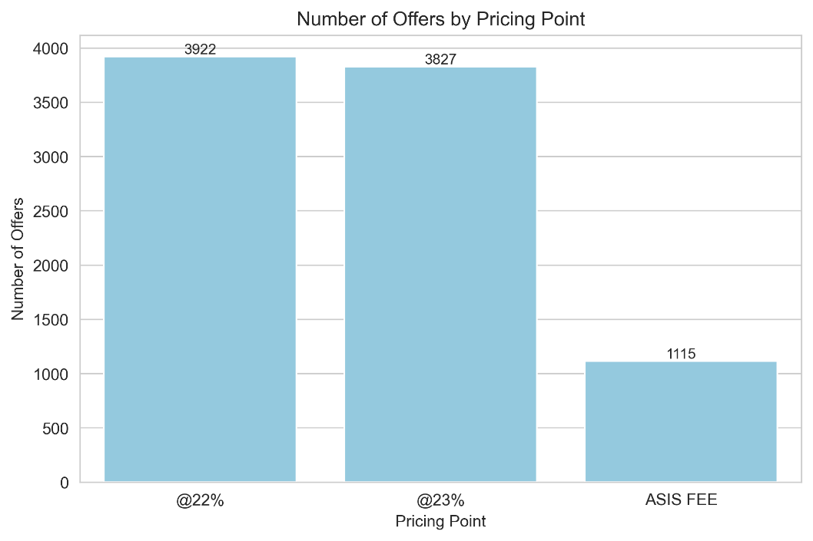
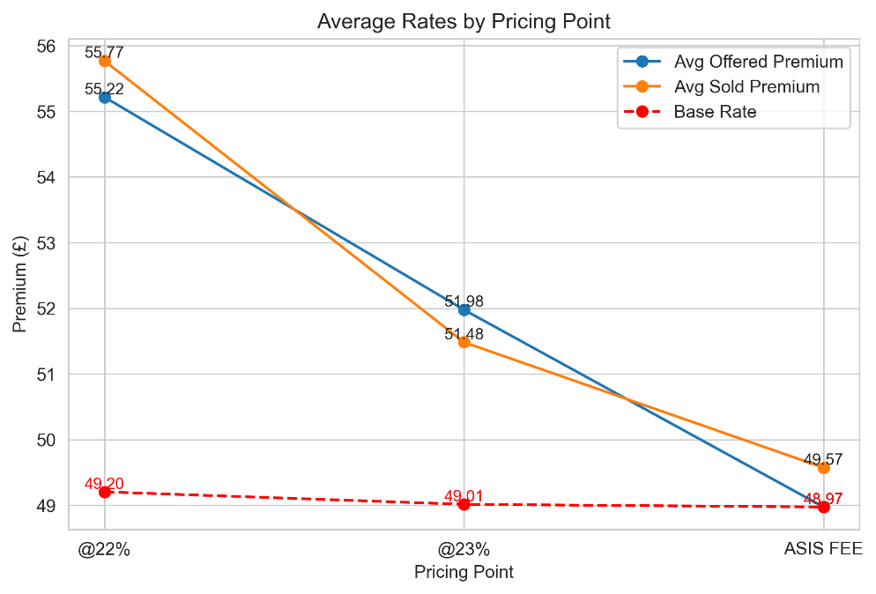
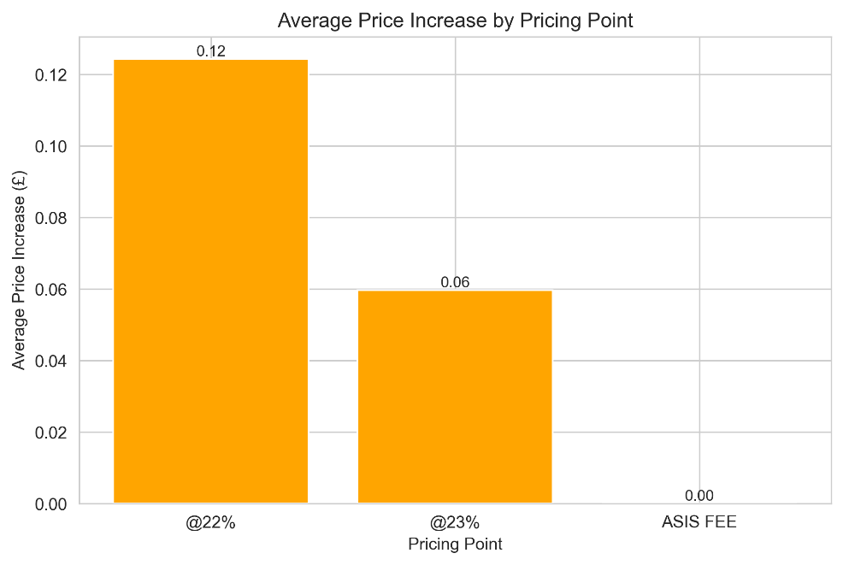
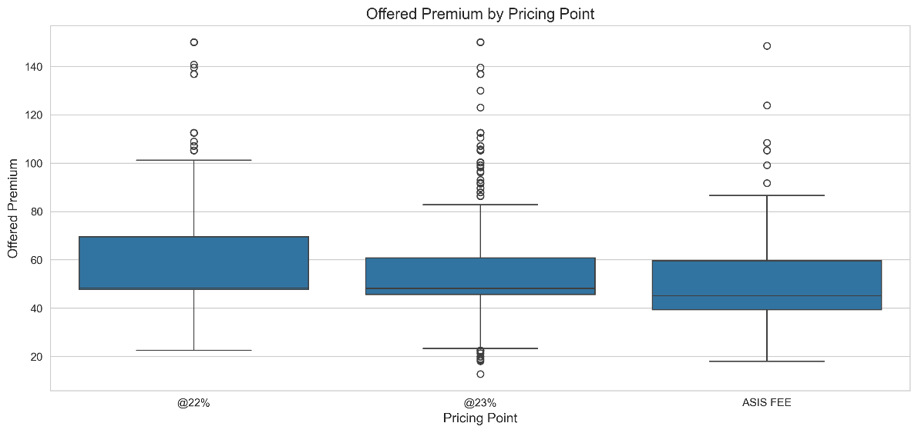
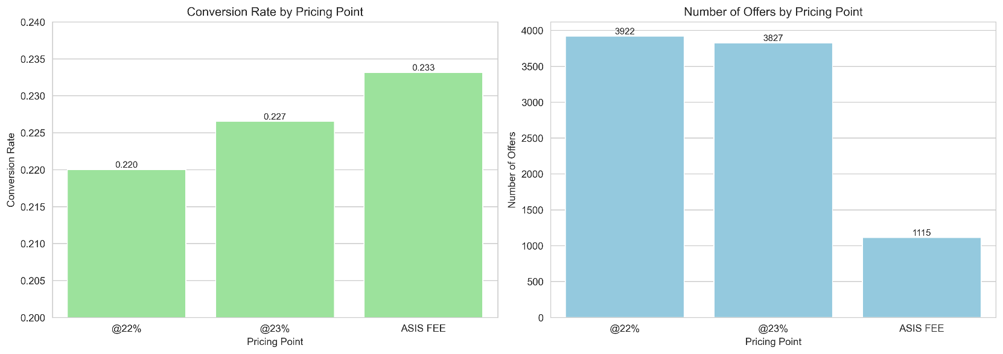
Compare the pricing performance of all strategies in a summary table with: No of offers, Average base offered and sold premium, Average price increase, Conversion
 | Table 1: Pricing Performance Summary
 | pricing_point | offers | avg_base | avg_offered_premium | avg_sold_premium | avg_price_increase | conversion
 | 22% | 3922 | 49.203957 | 55.21643 | 55.768714 | 0.124335 | 0.220041
 | 23% | 3827 | 49.014236 | 51.97665 | 51.482768 | 0.059686 | 0.226548
 | ASCI FEE | 1115 | 48.973668 | 48.973668 | 49.572923 | 0 | 0.233184

Price Elasticity
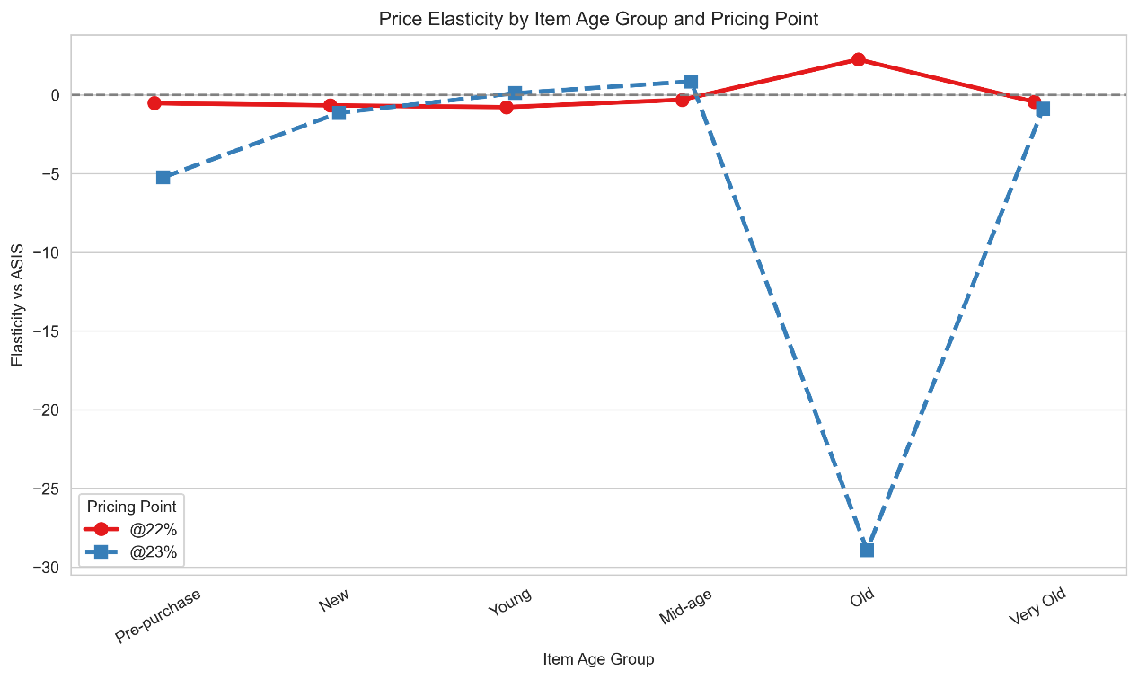
Compare the price elasticity of the strategies in the dataset
 | Table 1: Price Elasticity Across Groups
Pricing Point | Conversion Rate | Avg Offered Premium (£) | Elasticity vs ASIS
@22% | 0.22 | 55.22 | 0.442165
@23% | 0.2265 | 51.98 | -0.464082

Within Group Exploration
Table 2: Custome Related Exploration |  |  |  |  | Table 3: Appliance related exploration
Plan Flag | Pricing Point | Conversion Rate | Avg Offered Premium (£) | Elasticity | Item Age Group | Pricing Point | Conversion | Avg Offered Premium (£) | Elasticity
0 | @22% | 0.1601 | 54.51 | -0.491721 | Pre-purchase | @22% | 0.222851 | 57.484615 | -0.530674
0 | @23% | 0.1698 | 51.8 | -0.018935 | Pre-purchase | @23% | 0.199492 | 53.953037 | -5.24178
1 | @22% | 0.4668 | 58.14 | -0.278259 | New | @22% | 0.178696 | 53.952454 | -0.669619
1 | @23% | 0.4559 | 52.67 | -1.288219 | New | @23% | 0.179563 | 51.39756 | -1.139907
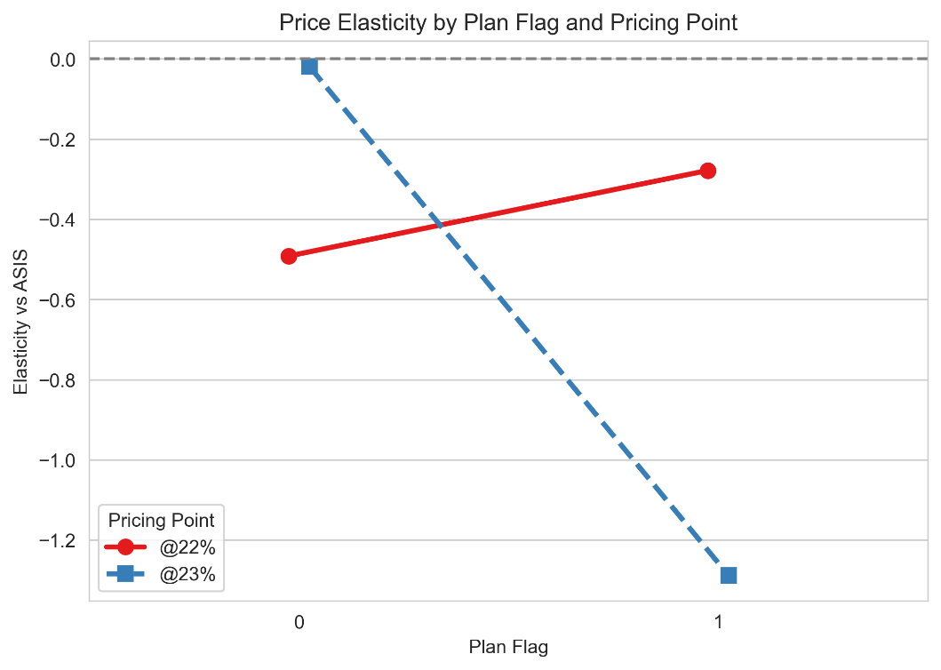
 |  |  |  |  | Young | @22% | 0.213953 | 54.739535 | -0.782013
 |  |  |  |  | Young | @23% | 0.248447 | 51.868323 | 0.102586
 |  |  |  |  | Mid-age | @22% | 0.363229 | 58.293632 | -0.312074
 |  |  |  |  | Mid-age | @23% | 0.419048 | 51.658286 | 0.852718
 |  |  |  |  | Old | @22% | 0.532374 | 55.756835 | 2.248354
 |  |  |  |  | Old | @23% | 0.596026 | 50.115497 | -28.932255
 |  |  |  |  | Very Old | @22% | 0.6 | 57 | -0.441892
 |  |  |  |  | Very Old | @23% | 0.5 | 54.013333 | -0.885379

Pricing Model Test
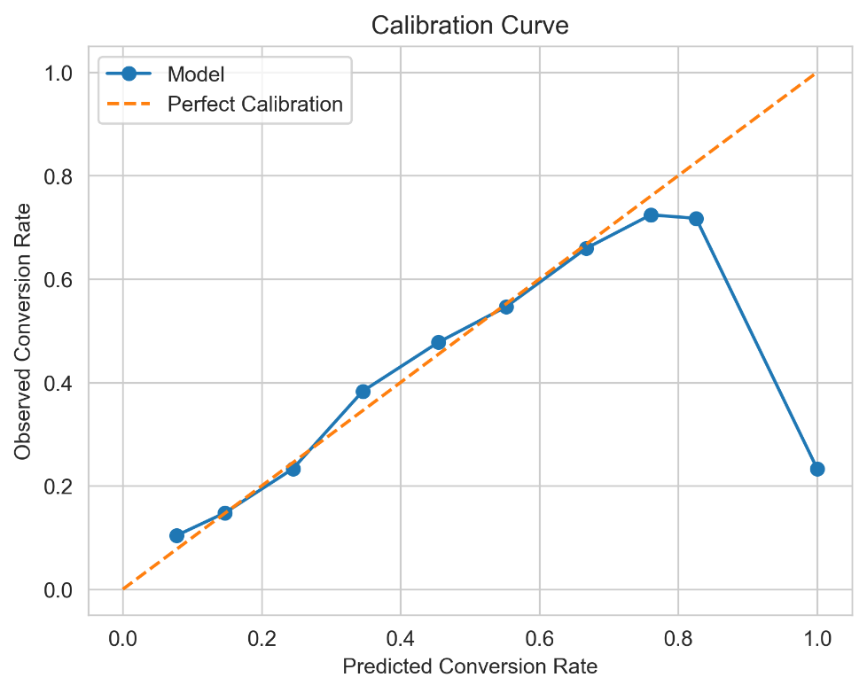
Assuming each pricing point is generated by a model at a different global constraint, would you be able to indicate:

Table 1: Best model from the statistical point of view |  |  |  | Table 2: From pricing point of view (revenue)
Overall Model Performance |  |  |  | Pricing Point | Conversion Rate | Avg Sold Premium (£) | Expected Claim Cost (£) | EV Revenue (£)
AUC: |  |  | 0.66643349129 | @22% | 0.220041 | 55.77 | 58.45803 | 12.27
Brier: |  |  | 0.2283444833 | @23% | 0.226548 | 51.48 | 49.169227 | 11.66
 |  |  |  | ASIS FEE | 0.233184 | 49.57 | 46.395692 | 11.56
Pricing Point | AUC | Brier Score
@22% | 0.7148 | 0.1487
@23% | 0.7139 | 0.1531
ASIS FEE | 0.5 | 0.766816

Table 3: Would you say these models are biased?
Calibration Intercept (ideal ~0): |  |  | -1.6659603553
Calibration Slope (ideal ~1): |  |  | 1.2352344447

Bias by Pricing Point
Pricing Point | Avg Predicted Conversion | Actual Conversion | Bias
@22% | 0.2123 | 0.22 | -0.0078
@23% | 0.2226 | 0.2265 | -0.004
ASIS FEE | 1 | 0.2328 | 0.766816

Claims & Conversions
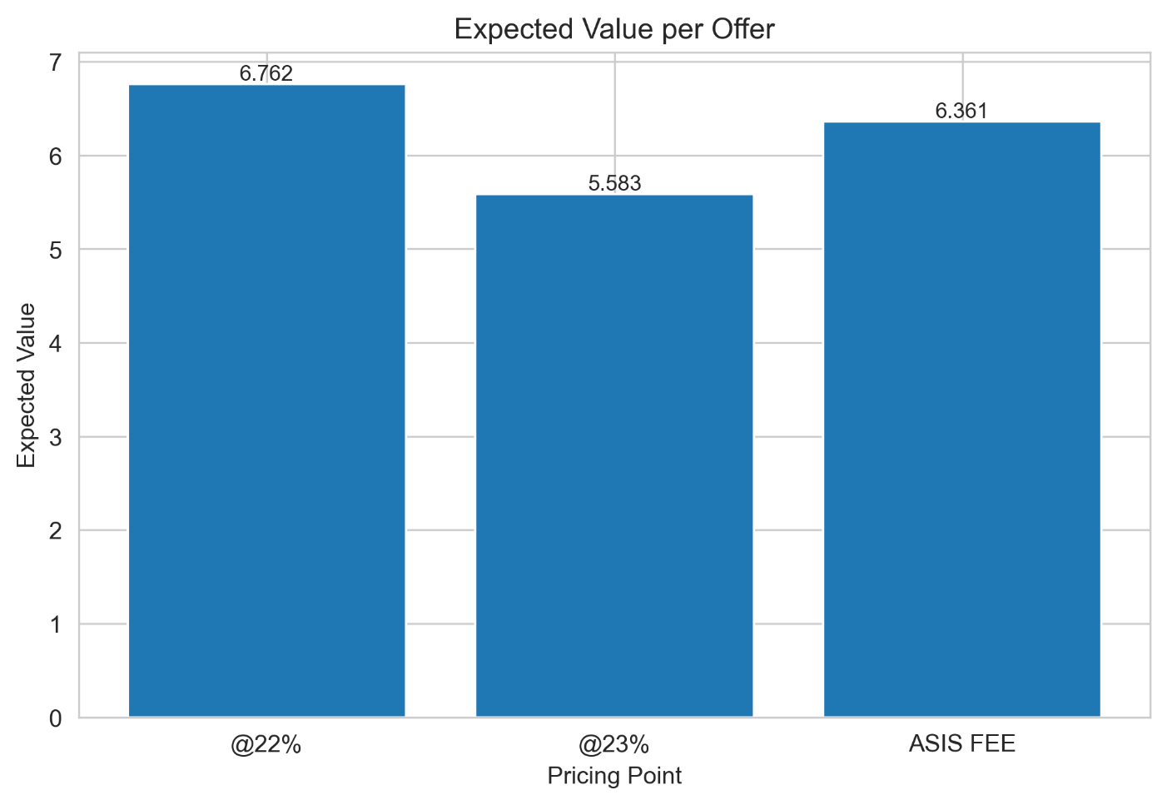
Is there any direct relationship between conversion and claims?

Table 1: Loss Ratio on the Sold Cohort |  |  |  | Direct Correlation of Claims with Conversion
Pricing Point | Claim Amount (£) | Offered Premium (£) | Loss Ratio | Correlation between conversion and claim count: 0.148
@22% | 50,449.28 | 48,128.40 | 1.0482 | Correlation between conversion and claim amount: 0.084
@23% | 42,629.72 | 44,635.56 | 0.9551
ASIS FEE | 12,062.88 | 12,888.96 | 0.9359
 |  |  |  | Profit/Loss Value on Average per Offer
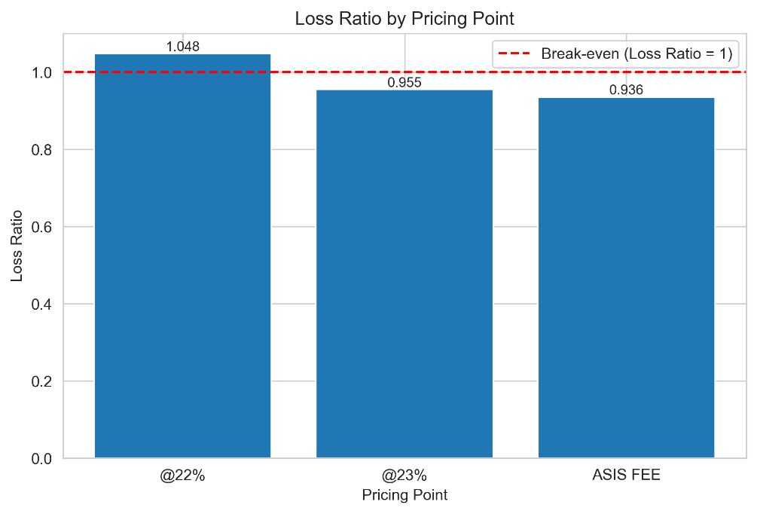
 |  |  |  | Pricing Point | Conversion Rate | Avg Claim Cost | Avg Premium | Expected Value
 |  |  |  | @22% | 0.220041 | 24.487246 | 55.21643 | 6.761674
 |  |  |  | @23% | 0.226548 | 27.333371 | 51.97665 | 5.582891
 |  |  |  | ASIS FEE | 0.232766 | 21.654136 | 48.967628 | 6.361417

