Sheet1
Process: A class named "House" is created using one instance variable named "door" and one class instance variable named "floor". The class is created in all Pharo versins and recorded the automatic generated template. Once the template is created, it is model into the template model. |  | The classes modeled from the template are shown in Blue. The notes associated with each class shows the writing style constraints extracted from the template.
Version | Instance side template | Instance side template model | Class side template
Pharo 1 | House has not been documented yet. The class comment should describe the purpose of the class, its collaborations and its variables. Instance Variables: door <ProtoObject> Class Instance Variables: floor <ProtoObject> | 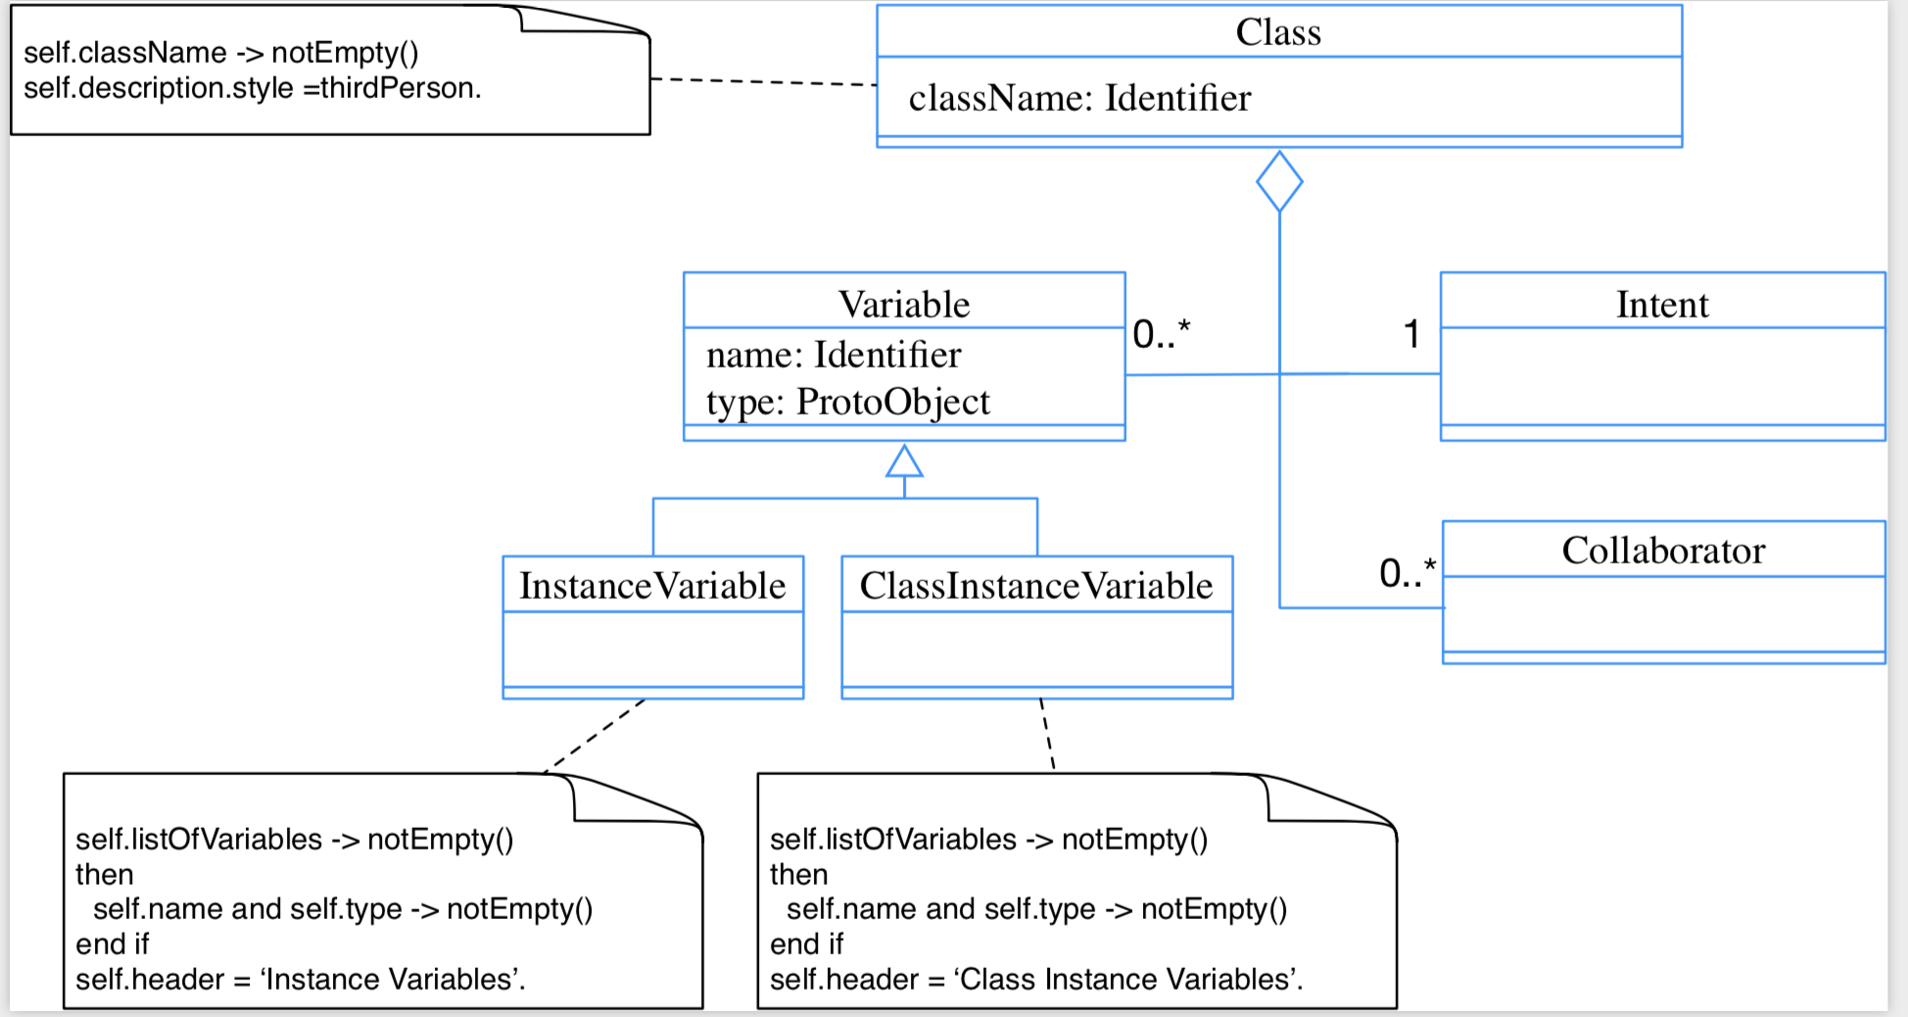 The classes modeled from the template are shown in Blue. The notes associated with each class shows the writing style constraints extracted from the template. | House has not been documented yet. The class comment should describe the purpose of the class, its collaborations and its variables. Instance Variables: door <ProtoObject> Class Instance Variables: floor <ProtoObject>
Pharo 2 | A House is xxxxxxxxx. Instance Variables door: <Object> door - xxxxx |  | A House class is xxxxxxxxx. Instance Variables floor: <Object> floor - xxxxx
Pharo 3 | A House is xxxxxxxxx. Instance Variables door: <Object> door - xxxxx | same like Pharo 2 | A House class is xxxxxxxxx. Instance Variables floor: <Object> floor - xxxxx
Pharo 4 | Please comment me using the following template inspired by Class Responsibility Collaborator (CRC) design: For the Class part: State the name of the class with one line description: For example, I'm xxx the root of the hierarchy of visitor objects. For the Responsibility part: Three sentences about my main responsibility, what I'm doing, what services do I offer. For the Collaborators Part: State my main collaborators and one line about how I interact with them. Public API and Key Messages - message one - message two - what is the way to create instances is a plus. One simple example is simply gorgeous. Internal Representation and Key Implementation Points. Instance Variables door: <Object> Implementation Points | 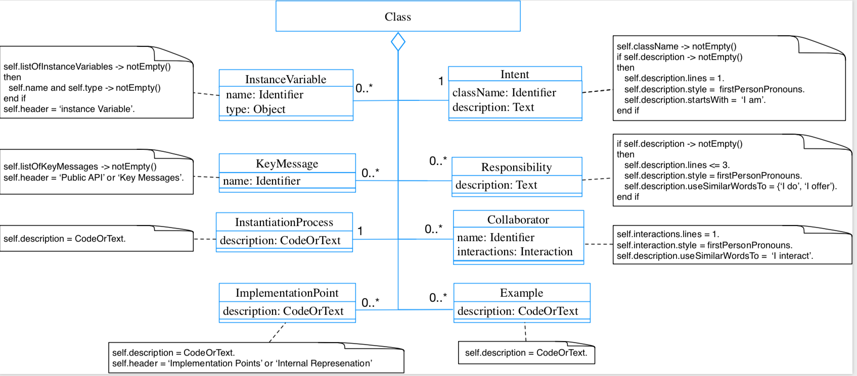 | Please comment me using the following template inspired by Class Responsibility Collaborator (CRC) design: For the Class part: State the name of the class with one line description: For example, I'm xxx the root of the hierarchy of visitor objects. For the Responsibility part: Three sentences about my main responsibility, what I'm doing, what services do I offer. For the Collaborators Part: State my main collaborators and one line about how I interact with them. Public API and Key Messages - message one - message two - what is the way to create instances is a plus. One simple example is simply gorgeous. Internal Representation and Key Implementation Points. Instance Variables floor: <Object> Implementation Points
Pharo 5 | Please comment me using the following template inspired by Class Responsibility Collaborator (CRC) design: For the Class part: State a one line summary. For example, "I represent a paragraph of text". For the Responsibility part: Three sentences about my main responsibilities - what I do, what I know. For the Collaborators Part: State my main collaborators and one line about how I interact with them. Public API and Key Messages - message one - message two - (for bonus points) how to create instances. One simple example is simply gorgeous. Internal Representation and Key Implementation Points. Instance Variables door: <Object> Implementation Points | 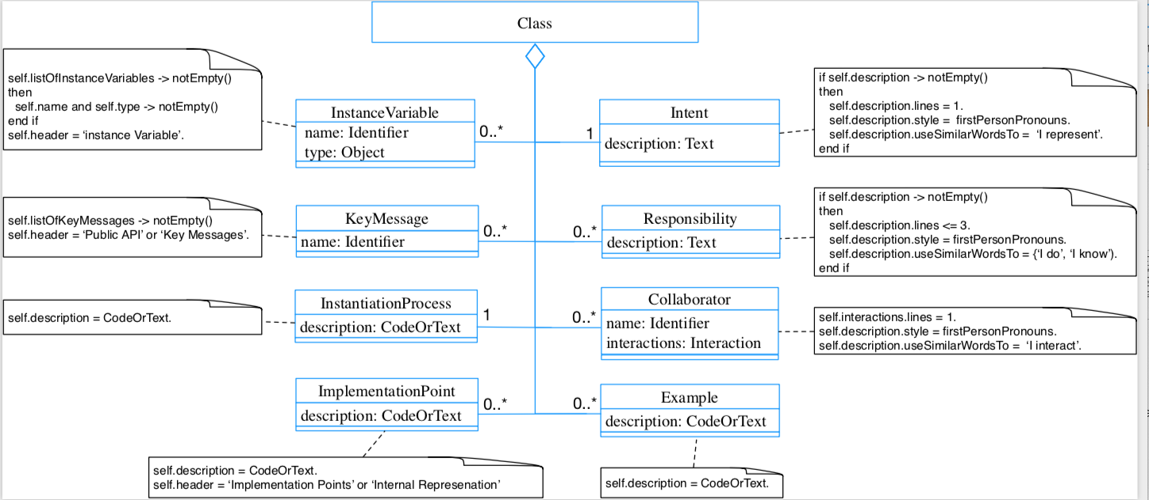 | Please comment me using the following template inspired by Class Responsibility Collaborator (CRC) design: For the Class part: State a one line summary. For example, "I represent a paragraph of text". For the Responsibility part: Three sentences about my main responsibilities - what I do, what I know. For the Collaborators Part: State my main collaborators and one line about how I interact with them. Public API and Key Messages - message one - message two - (for bonus points) how to create instances. One simple example is simply gorgeous. Internal Representation and Key Implementation Points. Instance Variables floor: <Object> Implementation Points
Pharo 6 | Please comment me using the following template inspired by Class Responsibility Collaborator (CRC) design: For the Class part: State a one line summary. For example, "I represent a paragraph of text". For the Responsibility part: Three sentences about my main responsibilities - what I do, what I know. For the Collaborators Part: State my main collaborators and one line about how I interact with them. Public API and Key Messages - message one - message two - (for bonus points) how to create instances. One simple example is simply gorgeous. Internal Representation and Key Implementation Points. Instance Variables door: <Object> Implementation Points | Same like Pharo 5 | Please comment me using the following template inspired by Class Responsibility Collaborator (CRC) design: For the Class part: State a one line summary. For example, "I represent a paragraph of text". For the Responsibility part: Three sentences about my main responsibilities - what I do, what I know. For the Collaborators Part: State my main collaborators and one line about how I interact with them. Public API and Key Messages - message one - message two - (for bonus points) how to create instances. One simple example is simply gorgeous. Internal Representation and Key Implementation Points. Instance Variables floor: <Object> Implementation Points
Pharo 7 | Please comment me using the following template inspired by Class Responsibility Collaborator (CRC) design: For the Class part: State a one line summary. For example, "I represent a paragraph of text". For the Responsibility part: Three sentences about my main responsibilities - what I do, what I know. For the Collaborators Part: State my main collaborators and one line about how I interact with them. Public API and Key Messages - message one - message two - (for bonus points) how to create instances. One simple example is simply gorgeous. Internal Representation and Key Implementation Points. Instance Variables door: <Object> Implementation Points | Same like Pharo 5 | Please comment me using the following template inspired by Class Responsibility Collaborator (CRC) design: For the Class part: State a one line summary. For example, "I represent a paragraph of text". For the Responsibility part: Three sentences about my main responsibilities - what I do, what I know. For the Collaborators Part: State my main collaborators and one line about how I interact with them. Public API and Key Messages - message one - message two - (for bonus points) how to create instances. One simple example is simply gorgeous. Internal Representation and Key Implementation Points. Instance Variables door: <Object> Implementation Points

