UI Screens
UI Screens: each calculator as it looks in the app (390 px wide), without a plan and with the sample plan

 | C01 · How much could I borrow? · Home & Mortgage | Rows 5 to 26 in UI Calculators (22 elements)
 | Without a plan (example figures) | With the sample plan (Aoife)

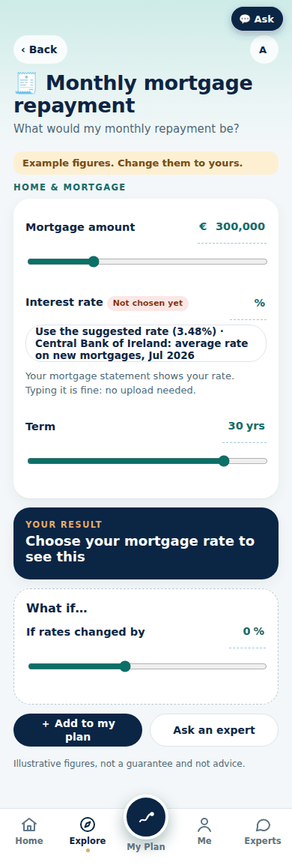
 | C02 · Monthly mortgage repayment · Home & Mortgage | Rows 27 to 42 in UI Calculators (16 elements)
 | Without a plan (example figures) | With the sample plan (Aoife)

 | C03 · Deposit calculator · Home & Mortgage | Rows 43 to 60 in UI Calculators (18 elements)
 | Without a plan (example figures) | With the sample plan (Aoife)

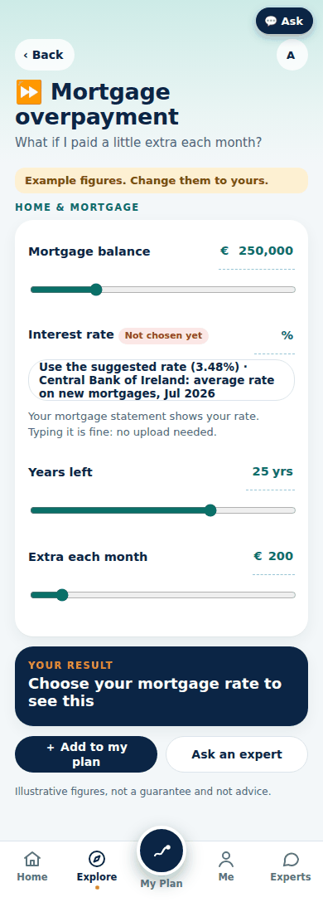
 | C04 · Mortgage overpayment · Home & Mortgage | Rows 61 to 76 in UI Calculators (16 elements)
 | Without a plan (example figures) | With the sample plan (Aoife)

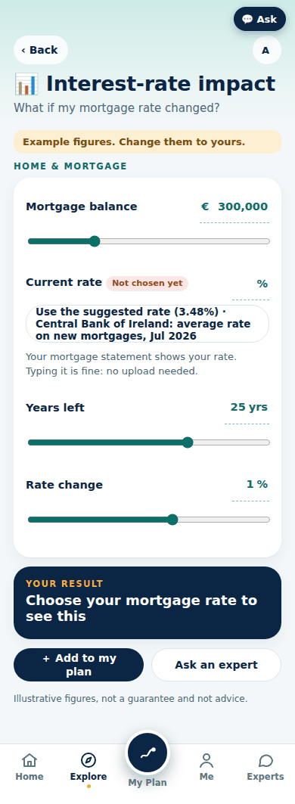
 | C05 · Interest-rate impact · Home & Mortgage | Rows 77 to 92 in UI Calculators (16 elements)
 | Without a plan (example figures) | With the sample plan (Aoife)

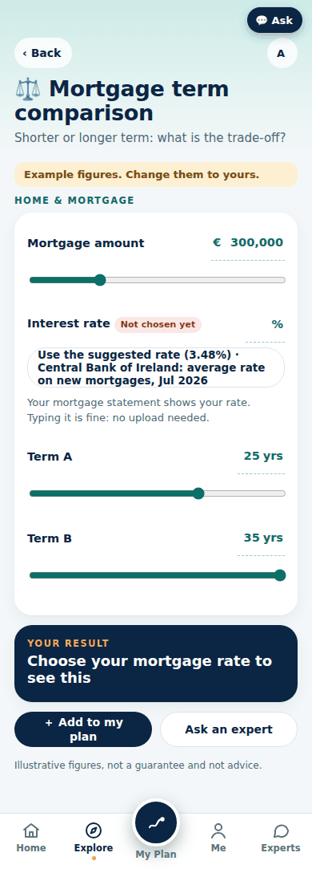
 | C06 · Mortgage term comparison · Home & Mortgage | Rows 93 to 109 in UI Calculators (17 elements)
 | Without a plan (example figures) | With the sample plan (Aoife)

 | C07 · Rent vs buy · Home & Mortgage | Rows 110 to 133 in UI Calculators (24 elements)
 | Without a plan (example figures) | With the sample plan (Aoife)

 | C08 · Goal planner · Savings & Goals | Rows 134 to 150 in UI Calculators (17 elements)
 | Without a plan (example figures) | With the sample plan (Aoife)

 | C09 · Compound growth · Savings & Goals | Rows 151 to 166 in UI Calculators (16 elements)
 | Without a plan (example figures) | With the sample plan (Aoife)

 | C10 · Lump-sum growth · Investments | Rows 167 to 184 in UI Calculators (18 elements)
 | Without a plan (example figures) | With the sample plan (Aoife)

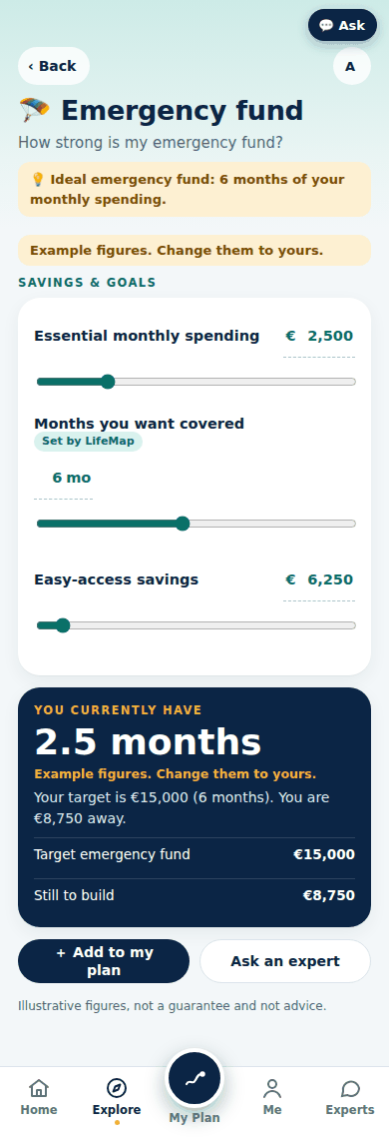
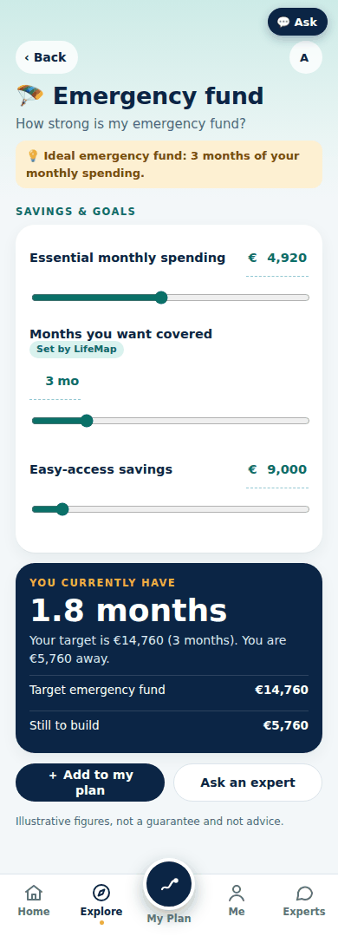
 | C11 · Emergency fund · Savings & Goals | Rows 185 to 198 in UI Calculators (14 elements)
 | Without a plan (example figures) | With the sample plan (Aoife)

 | C12 · Retirement projection · Pensions & Retirement | Rows 199 to 233 in UI Calculators (35 elements)
 | Without a plan (example figures) | With the sample plan (Aoife)

 | C12 retiring at 50 (journey-spec 27.3: the early-retirement warning and the years before the State Pension)

 | C13 · Contribution impact · Pensions & Retirement | Rows 234 to 255 in UI Calculators (22 elements)
 | Without a plan (example figures) | With the sample plan (Aoife)

 | C13 retiring at 50 (journey-spec 27.3: the early-retirement warning and the years before the State Pension)

 | C14 · AVC impact · Pensions & Retirement | Rows 256 to 279 in UI Calculators (24 elements)
 | Without a plan (example figures) | With the sample plan (Aoife)

 | C14 retiring at 50 (journey-spec 27.3: the early-retirement warning and the years before the State Pension)

 | C15 · Will my money last? · Pensions & Retirement | Rows 280 to 300 in UI Calculators (21 elements)
 | Without a plan (example figures) | With the sample plan (Aoife)

 | C15 retiring at 50 (journey-spec 27.3: the early-retirement warning and the years before the State Pension)

 | C16 · Retirement drawdown scenarios · Pensions & Retirement | Rows 301 to 322 in UI Calculators (22 elements)
 | Without a plan (example figures) | With the sample plan (Aoife)

 | C16 retiring at 50 (journey-spec 27.3: the early-retirement warning and the years before the State Pension)

 | C17 · Inflation-adjusted return · Investments | Rows 323 to 337 in UI Calculators (15 elements)
 | Without a plan (example figures) | With the sample plan (Aoife)

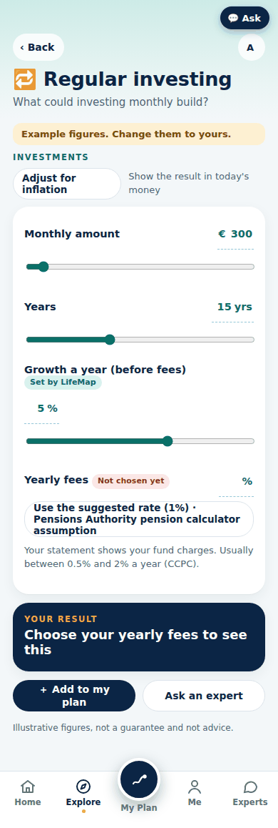
 | C18 · Regular investing · Investments | Rows 338 to 354 in UI Calculators (17 elements)
 | Without a plan (example figures) | With the sample plan (Aoife)

 | C19 · Fees impact · Investments | Rows 355 to 370 in UI Calculators (16 elements)
 | Without a plan (example figures) | With the sample plan (Aoife)

 | C20 · Risk & return simulator · Investments | Rows 371 to 390 in UI Calculators (20 elements)
 | Without a plan (example figures) | With the sample plan (Aoife)

 | C21 · Life cover estimator · Protection | Rows 391 to 411 in UI Calculators (21 elements)
 | Without a plan (example figures) | With the sample plan (Aoife)

 | C22 · Income protection gap · Protection | Rows 412 to 429 in UI Calculators (18 elements)
 | Without a plan (example figures) | With the sample plan (Aoife)

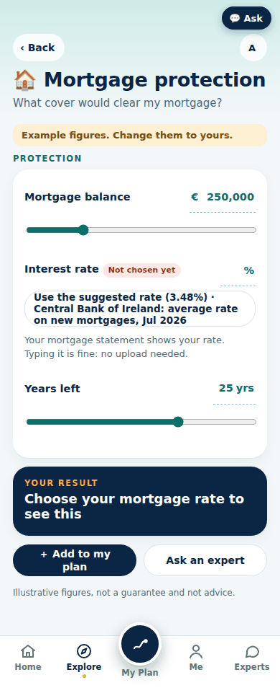
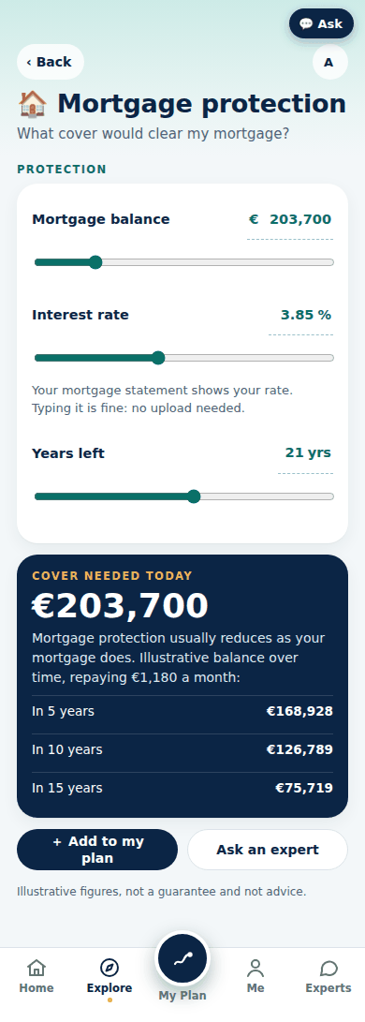
 | C23 · Mortgage protection · Protection | Rows 430 to 444 in UI Calculators (15 elements)
 | Without a plan (example figures) | With the sample plan (Aoife)

 | C24 · Net worth · Everyday Money | Rows 445 to 460 in UI Calculators (16 elements)
 | Without a plan (example figures) | With the sample plan (Aoife)

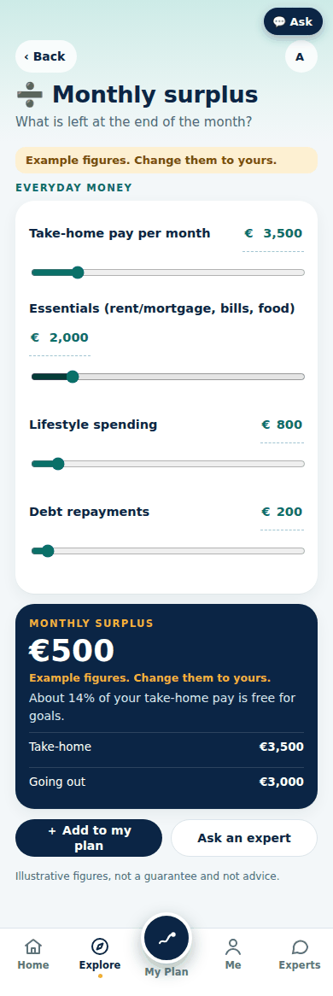
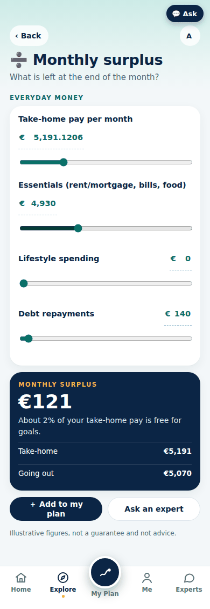
 | C25 · Monthly surplus · Everyday Money | Rows 461 to 474 in UI Calculators (14 elements)
 | Without a plan (example figures) | With the sample plan (Aoife)

 | C26 · Budget (50/30/20) · Everyday Money | Rows 475 to 489 in UI Calculators (15 elements)
 | Without a plan (example figures) | With the sample plan (Aoife)

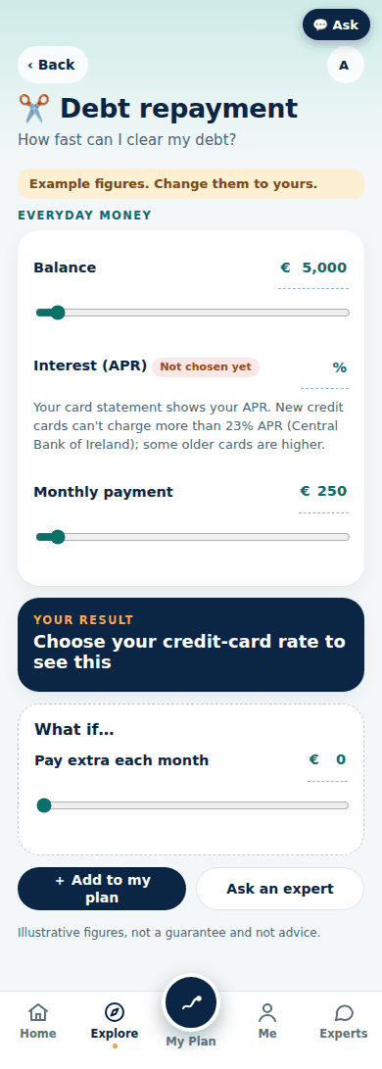
 | C27 · Debt repayment · Everyday Money | Rows 490 to 502 in UI Calculators (13 elements)
 | Without a plan (example figures) | With the sample plan (Aoife)

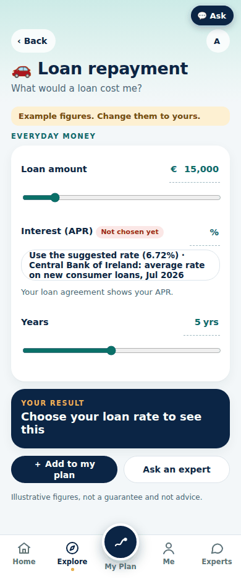
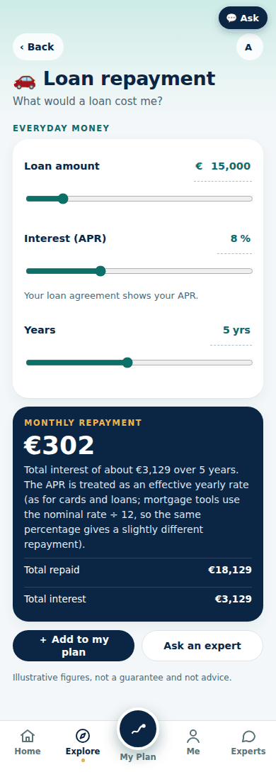
 | C28 · Loan repayment · Everyday Money | Rows 503 to 516 in UI Calculators (14 elements)
 | Without a plan (example figures) | With the sample plan (Aoife)

UI Make my plan
UI Make my plan: one row per element of the plan-builder steps, the results and Your assumptions (from the live prototype)
Steps 1 to 8: 1 About you & family, 2 Your goals, 3 Your timeline (and Confirm), 4 Your money profile, 5 Secure your account, 6 Your finances (six sections), 7 Check your details, 8 Results; then the journey-spec 27 states (gate card, Step 7 lists, free retirement age, Date has passed, early retirement, details missing). Pre-filled values are the sample customer's. A "Where the pre-fill comes from" tag is the tag the screen shows.

Screen | Screen name | # | Element type | Label / text exactly as shown | Unit | Min | Max | Step | Starts at / pre-filled with (Aoife sample) | Where the pre-fill comes from (tag on screen) | Choice / option texts | Help / hint / behaviour | Example card (Not sure? See an example) | Picture (390 px)
ME-ASM | Your assumptions (the Settings standards) | 1 | Button | ‹ Back |  |  |  |  |  |  |  | action: meback
ME-ASM | Your assumptions (the Settings standards) | 2 | Button | A |  |  |  |  |  |  |  | action: sheet profile
ME-ASM | Your assumptions (the Settings standards) | 3 | Heading | Your assumptions
ME-ASM | Your assumptions (the Settings standards) | 4 | Text | Some values are set by law. For the rest we show a suggestion or the standard, and you choose.
ME-ASM | Your assumptions (the Settings standards) | 5 | Text (bold) | Everything your results need is chosen
ME-ASM | Your assumptions (the Settings standards) | 6 | Help text | LifeMap sets the figures that are the same for everyone (tagged Set by LifeMap) and uses them from the start. Change any of them and it reads Your choice. A rate we don't know is tagged Assumed: add yours.
ME-ASM | Your assumptions (the Settings standards) | 7 | Section header (opens) | Prices & growth
ME-ASM | Your assumptions (the Settings standards) | 8 | Input choice |  |  |  |  |  | Use the standard (2%) |  | Use the standard (2%); 3.9% · Ireland now (CSO HICP flash, Sep 2026); Other | Generally the standard is 2% (the ECB target for the long term). Prices in Ireland are rising 3.9% a year right now (CSO HICP flash, Sep 2026), mostly because of energy. Choose what you want to use.
ME-ASM | Your assumptions (the Settings standards) | 9 | Input choice | Growth assumptions |  |  |  |  | Standard |  | Standard; Cautious | Standard uses typical long-run growth. Cautious assumes slower growth, so results are lower but safer. Choosing a set fills pay rises, cash, investment and pension growth with its rates. Growth is never guaranteed.
ME-ASM | Your assumptions (the Settings standards) | 10 | Input text | Investments grow (a year, after charges and tax) | % |  |  |  | 2.6 | Set by LifeMap |  | LifeMap uses 2.6% (a planning assumption, not a prediction: 5% before fees and tax, less about 1% charges, less 38% exit tax taken every 8 years). Change it if you want to use your own. A planning assumption, not a prediction. Growth is never guaranteed and funds can fall in value. It moves if you change the growth before fees and tax, or the charges. · a planning assumption, not a prediction: 5% before fees and tax, less about 1% charges, less 38% exit tax taken every 8 years. Source: Derived: the growth before fees and tax (above), the charges (Market rates) and the exit tax and 8-year rule (Tax rules) (2026).
ME-ASM | Your assumptions (the Settings standards) | 11 | Input text | Investments grow before fees and tax (a year; the growth and fees tools) | % |  |  |  | 5 | Set by LifeMap |  | LifeMap uses 5% (LifeMap standard, not a forecast). Change it if you want to use your own. Used by the lump sum, regular investing, fees and real return tools. Growth is never guaranteed. · LifeMap standard, not a forecast. Source: LifeMap planning standard, not a prediction. Reference points: Pensions Authority pension-calculator growth assumption; Central Bank of Ireland guidance that returns are not guaranteed (2026).
ME-ASM | Your assumptions (the Settings standards) | 12 | Input text | Cash savings earn (a year, after DIRT) | % |  |  |  | 1 | Set by LifeMap |  | LifeMap uses 1% (Irish deposit rates after 33% DIRT). Change it if you want to use your own. New fixed-term household deposits averaged 1.92% before 33% DIRT (Central Bank of Ireland, Jul 2026). Demand accounts pay less. · Irish deposit rates after 33% DIRT. Source: centralbank.ie (Jun 2026).
ME-ASM | Your assumptions (the Settings standards) | 13 | Input text | Pension grows while you work (a year, after charges) | % |  |  |  | 4.5 | Set by LifeMap |  | LifeMap uses 4.5% (a planning assumption after charges, not a prediction). Change it if you want to use your own. A planning assumption, not a prediction. Growth is tax-free inside the fund. · a planning assumption after charges, not a prediction. Source: LifeMap planning standard, not a prediction. Reference point: Pensions Authority pension-calculator assumptions (2026).
ME-ASM | Your assumptions (the Settings standards) | 14 | Input text | Pension grows once you retire (a year, after charges) | % |  |  |  | 3.15 | Set by LifeMap |  | LifeMap uses 3.15% (a lower-risk fund once retired, after charges). Change it if you want to use your own. Most people take less risk once retired, so growth is usually lower. · a lower-risk fund once retired, after charges. Source: LifeMap planning standard, not a prediction. Reference point: Pensions Authority pension-calculator assumptions (2026).
ME-ASM | Your assumptions (the Settings standards) | 15 | Input text | Typical pension charges already allowed for in the pension growth above | % |  |  |  | 1 | Assumed: add yours |  | We are using 1% (Pensions Authority pension calculator assumption) until you add yours. · When your statement shows your own charges, we use them instead of this. Usually between 0.5% and 2% a year (CCPC).
ME-ASM | Your assumptions (the Settings standards) | 16 | Input text | Pay rises (a year) | % |  |  |  | 3 | Set by LifeMap |  | LifeMap uses 3% (Irish pay has grown about 3%–4% a year recently (CSO)). Change it if you want to use your own. Pick lower if your pay is fixed or you expect to work part-time. · Irish pay has grown about 3%–4% a year recently (CSO). Source: cso.ie (2026).
ME-ASM | Your assumptions (the Settings standards) | 17 | Input choice | Tax bands in future |  |  |  |  | Rise with prices | Set by LifeMap | Rise with prices; Stay as today | LifeMap uses Rise with prices (Budgets have broadly kept pace over time). Change it if you want to use your own. Irish tax bands are set each Budget and don't rise automatically. "Stay as today" is the cautious view (more tax later). · Budgets have broadly kept pace over time. Source: Department of Finance Budget history (tax bands and credits, 2015 to 2026) (2026).
ME-ASM | Your assumptions (the Settings standards) | 18 | Input text | Rent vs buy: rent rises (a year) | % |  |  |  | 3 | Set by LifeMap |  | LifeMap uses 3% (a long-run planning figure). Change it if you want to use your own. Renting has rent rises. Buying has costs that don't build equity: interest, stamp duty, fees, LPT and repairs. · a long-run planning figure. Source: LifeMap long-run planning figure. Reference points: Residential Tenancies Board Rent Index; CSO Consumer Price Index (rent) (2026).
ME-ASM | Your assumptions (the Settings standards) | 19 | Input text | Rent vs buy: house prices rise (a year) | % |  |  |  | 2 | Set by LifeMap |  | LifeMap uses 2% (a long-run planning figure; prices can fall). Change it if you want to use your own. House prices can fall as well as rise. · a long-run planning figure; prices can fall. Source: LifeMap long-run planning figure. Reference point: CSO Residential Property Price Index (2026).
ME-ASM | Your assumptions (the Settings standards) | 20 | Input text | Rent vs buy: upkeep a year (share of the home value) | % |  |  |  | 1 | Set by LifeMap |  | LifeMap uses 1% (repairs, insurance and maintenance). Change it if you want to use your own. · repairs, insurance and maintenance. Source: LifeMap planning standard (no official figure exists) (2026).
ME-ASM | Your assumptions (the Settings standards) | 21 | Input text | Buying fees (legal and survey), plus stamp duty | € |  |  |  | 3,000 | Your choice |  | Optional: no published figure, so no suggestion. Leave it blank to count €0. Stamp duty is set by law and added on top: 1% up to €1m.
ME-ASM | Your assumptions (the Settings standards) | 22 | Input text | Rent vs buy: what the deposit could earn instead (a year, after tax) | % |  |  |  | 1 | Your choice | Back to the assumed rate (1.29% after DIRT) | If you rent, your deposit stays in savings. Leave it blank and we use the suggested rate (Assumed: add yours).
ME-ASM | Your assumptions (the Settings standards) | 23 | Input text | Risk & return: Cautious style growth (a year) | % |  |  |  | 2 | Set by LifeMap |  | LifeMap uses 2% (illustrations, not forecasts). Change it if you want to use your own. Your adviser uses the fund's own risk rating (SRI 1–7). · illustrations, not forecasts. Source: LifeMap illustrations, not forecasts (2026).
ME-ASM | Your assumptions (the Settings standards) | 24 | Input text | Risk & return: Balanced style growth (a year) | % |  |  |  | 4 | Set by LifeMap |  | LifeMap uses 4% (illustrations, not forecasts). Change it if you want to use your own. Your adviser uses the fund's own risk rating (SRI 1–7). · illustrations, not forecasts. Source: LifeMap illustrations, not forecasts (2026).
ME-ASM | Your assumptions (the Settings standards) | 25 | Input text | Risk & return: Growth style growth (a year) | % |  |  |  | 6 | Set by LifeMap |  | LifeMap uses 6% (illustrations, not forecasts). Change it if you want to use your own. Your adviser uses the fund's own risk rating (SRI 1–7). · illustrations, not forecasts. Source: LifeMap illustrations, not forecasts (2026).
ME-ASM | Your assumptions (the Settings standards) | 26 | Input text | Risk & return: Cautious style ups and downs (volatility) | % |  |  |  | 5 | Set by LifeMap |  | LifeMap uses 5% (illustrations, not forecasts). Change it if you want to use your own. How much a year can swing. · illustrations, not forecasts. Source: LifeMap illustrations, not forecasts (2026).
ME-ASM | Your assumptions (the Settings standards) | 27 | Input text | Risk & return: Balanced style ups and downs (volatility) | % |  |  |  | 10 | Set by LifeMap |  | LifeMap uses 10% (illustrations, not forecasts). Change it if you want to use your own. How much a year can swing. · illustrations, not forecasts. Source: LifeMap illustrations, not forecasts (2026).
ME-ASM | Your assumptions (the Settings standards) | 28 | Input text | Risk & return: Growth style ups and downs (volatility) | % |  |  |  | 16 | Set by LifeMap |  | LifeMap uses 16% (illustrations, not forecasts). Change it if you want to use your own. How much a year can swing. · illustrations, not forecasts. Source: LifeMap illustrations, not forecasts (2026).
ME-ASM | Your assumptions (the Settings standards) | 29 | Section header (opens) | Retirement
ME-ASM | Your assumptions (the Settings standards) | 30 | Input choice | State Pension in future |  |  |  |  | Rises with prices | Set by LifeMap | Rises with prices; Rises with pay; Stays flat | LifeMap uses Rises with prices (it has broadly kept pace with prices over time). Change it if you want to use your own. The State Pension is set each Budget. · it has broadly kept pace with prices over time. Source: Department of Social Protection weekly State Pension rate history (2026).
ME-ASM | Your assumptions (the Settings standards) | 31 | Input text | How many years of PRSI will you have at 66? (leave blank if you don't know) | yrs |  |  |  |  | Optional |  | Usually between 10 years and 40 years (DSP: 40 for the full rate, at least 10 to qualify). Check your record on MyWelfare. If you give your years, we work out your State Pension from them (set by law).
ME-ASM | Your assumptions (the Settings standards) | 32 | Input text | Your State Pension a week at 66 | € |  |  |  | 239.44 | Assumed: add yours |  | We are using €239.44 a week (a planning figure) until you add yours. · Usually between €0 a week and €299.30 a week (DSP 2026: the full rate needs 40 years of PRSI; partial rates are lower). Your State Pension statement on MyWelfare shows your expected rate. Or tell us your PRSI years.
ME-ASM | Your assumptions (the Settings standards) | 33 | Input text | Your partner's State Pension a week at 66 | € |  |  |  | 239.44 | Your choice |  | Usually between €0 a week and €299.30 a week (DSP 2026). Their MyWelfare statement shows it.
ME-ASM | Your assumptions (the Settings standards) | 34 | Input text | Of the money paid into your pension each month, the share you pay yourself (the rest is your employer) | % |  |  |  | 50 | Set by LifeMap |  | LifeMap uses 50% (a common 5% + 5% split with your employer; 100% if self-employed). Change it if you want to use your own. Your payslip shows what comes out of your pay. Only your own share gets tax relief. If you type your own amount in Your finances, we use that. · a common 5% + 5% split with your employer; 100% if self-employed. Source: Pensions Authority and My Future Fund (auto-enrolment) contribution split, 2026 (2026).
ME-ASM | Your assumptions (the Settings standards) | 35 | Input text | Retirement savings target: times the yearly income you need |  |  |  |  | 25 | Set by LifeMap |  | LifeMap uses 25× (about 4% a year) (a common rule of thumb, about 4% a year). Change it if you want to use your own. Retiring early or planning to 95 needs more. · a common rule of thumb, about 4% a year. Source: Widely used 4% sustainable-withdrawal rule of thumb (W. Bengen, Journal of Financial Planning, 1994) (2026).
ME-ASM | Your assumptions (the Settings standards) | 36 | Input text | Retirement spending if you haven't set a goal (share of today's spending) | % |  |  |  | 80 | Set by LifeMap |  | LifeMap uses 80% (most people spend a bit less once work costs and the mortgage stop). Change it if you want to use your own. · most people spend a bit less once work costs and the mortgage stop. Source: LifeMap planning standard. Reference points: Pensions Authority and Society of Actuaries in Ireland retirement-income guidance (2026).
ME-ASM | Your assumptions (the Settings standards) | 37 | Input text | Tax-free lump sum to take at retirement (share of your pension, 0% = none) | % |  |  |  | 25 | Set by LifeMap |  | LifeMap uses 25% (most people take the full tax-free amount). Change it if you want to use your own. Set by law: up to €200,000 tax-free, the next €300,000 taxed at 20%, and anything above €500,000 taxed at your marginal rate (40% here). Your adviser can compare it with leaving it invested. · most people take the full tax-free amount. Source: Revenue Commissioners: tax-free retirement lump sum, up to 25% of the fund (law limit) (Law limit 25%).
ME-ASM | Your assumptions (the Settings standards) | 38 | Input choice | Earliest age you can draw your pension |  |  |  |  | From 60 (most pensions) | Set by LifeMap | From 60 (most pensions); From 50 (some occupational schemes) | LifeMap uses From 60 (most pensions) (most pensions can be drawn from 60; some occupational schemes allow 50). Change it if you want to use your own. We assume 60. Choose 50 only if your occupational scheme says it allows it. Before this age your plan pays for life from savings and other income. · most pensions can be drawn from 60; some occupational schemes allow 50. Source: Revenue Commissioners: pension benefits can usually be taken from age 60 (PRSAs and personal pensions); some occupational schemes allow retirement from 50 (see the law register) (2026).
ME-ASM | Your assumptions (the Settings standards) | 39 | Input choice | How you draw your pension |  |  |  |  | Spread to plan end | Set by LifeMap | Spread to plan end; Minimum only (4% / 5%); Fixed amount | LifeMap uses Spread to plan end (spread over your plan, at least the legal minimum). Change it if you want to use your own. Set by law: from 61 you must take at least 4% a year (5% from 71) from an ARF. · spread over your plan, at least the legal minimum. Source: Revenue Commissioners: ARF and vested PRSA minimum annual distribution (4% from 61, 5% from 71; 6% over €2m) (2026).
ME-ASM | Your assumptions (the Settings standards) | 40 | Input choice | Drawdown tools: withdrawals taken at the |  |  |  |  | Start of the year | Set by LifeMap | Start of the year; End of the year | LifeMap uses Start of the year (the prudent choice: the money has less time to grow before you take it). Change it if you want to use your own. · the prudent choice: the money has less time to grow before you take it. Source: LifeMap tool setting (2026).
ME-ASM | Your assumptions (the Settings standards) | 41 | Input text | Fixed amount a year (today's money), if you chose "Fixed amount" | € |  |  |  | 20,000 | Assumed: add yours |  | We are using €20,000 (a planning figure) until you add yours. · Never less than the legal minimum once you are 61.
ME-ASM | Your assumptions (the Settings standards) | 42 | Section header (opens) | Emergency fund & debt
ME-ASM | Your assumptions (the Settings standards) | 43 | Input text | Emergency fund: months of essential spending |  |  |  |  | 3 | Set by LifeMap |  | LifeMap uses 3 months (6 months for a single income or self-employed, 3 for two secure incomes). Change it if you want to use your own. Easy-access cash for surprises or a gap in pay. Essential spending = living costs + mortgage + loan repayments. · 6 months for a single income or self-employed, 3 for two secure incomes. Source: LifeMap planning standard. Reference points: MABS and CCPC (ccpc.ie) guidance on keeping 3 to 6 months of essential spending as an emergency fund (2026).
ME-ASM | Your assumptions (the Settings standards) | 44 | Input text | Your mortgage rate (if your statement doesn't say) | % |  |  |  | 3.75 | Your choice | Back to the assumed rate (3.48%) | Your mortgage statement shows your rate. Typing it is fine: no upload needed.
ME-ASM | Your assumptions (the Settings standards) | 45 | Input text | Your credit-card rate, APR (if your statement doesn't say) | % |  |  |  | 20 | Your choice |  | Your card statement shows your APR. New credit cards can't charge more than 23% APR (Central Bank of Ireland); some older cards are higher.
ME-ASM | Your assumptions (the Settings standards) | 46 | Input text | Your other loans rate, APR (if your statement doesn't say) | % |  |  |  | 8 | Your choice | Back to the assumed rate (6.72%) | Your loan agreement shows your APR.
ME-ASM | Your assumptions (the Settings standards) | 47 | Input text | Money for goals sooner than this is kept as cash (years) | yrs |  |  |  | 5 | Set by LifeMap |  | LifeMap uses 5 years (money needed within 5 years is usually kept as cash). Change it if you want to use your own. Longer-term money has more time to ride out ups and downs. · money needed within 5 years is usually kept as cash. Source: LifeMap planning standard (common planning practice: money needed within about 5 years is not invested) (2026).
ME-ASM | Your assumptions (the Settings standards) | 48 | Input text | Spare savings: share invested (the rest stays in cash) | % |  |  |  | 40 | Set by LifeMap |  | LifeMap uses 40% (a balanced cash and invested mix). Change it if you want to use your own. · a balanced cash and invested mix. Source: LifeMap planning standard (a balanced cash and invested mix) (2026).
ME-ASM | Your assumptions (the Settings standards) | 49 | Input text | Share of your spare money you save, at most | % |  |  |  | 50 | Set by LifeMap |  | LifeMap uses 50% (half of your spare money). Change it if you want to use your own. We never count more than this share of your spare money as saved, unless you set your own monthly saving. · half of your spare money. Source: LifeMap planning standard (2026).
ME-ASM | Your assumptions (the Settings standards) | 50 | Input text | Monthly saving if you haven't told us how much you could invest | € |  |  |  | 300 | Set by LifeMap |  | LifeMap uses €300 (a modest regular amount). Change it if you want to use your own. Used until you answer "How much could you comfortably invest each month?". · a modest regular amount. Source: LifeMap planning standard (2026).
ME-ASM | Your assumptions (the Settings standards) | 51 | Input text | Life cover: share of your income your family would need | % |  |  |  | 60 | Set by LifeMap |  | LifeMap uses 60% (families usually need less than full pay). Change it if you want to use your own. · families usually need less than full pay. Source: LifeMap planning standard. Reference point: Irish life-insurer needs calculators (2026).
ME-ASM | Your assumptions (the Settings standards) | 52 | Input text | Life cover: years your family would need support | yrs |  |  |  | 15 | Set by LifeMap |  | LifeMap uses 15 years (often until your youngest child is 23). Change it if you want to use your own. · often until your youngest child is 23. Source: LifeMap planning standard. Reference point: Irish life-insurer needs calculators (2026).
ME-ASM | Your assumptions (the Settings standards) | 53 | Input text | Life cover: State survivor's pension a week | € |  |  |  | 259.5 | Your choice |  | Usually between €0 a week and €299.30 a week (DSP 2026: €259.50 under 66, €299.30 at 66+, nothing if not eligible). Cohabiting partners can now qualify (Bereaved Partner's Pension).
ME-ASM | Your assumptions (the Settings standards) | 54 | Input text | Budget split: needs | % |  |  |  | 50 | Set by LifeMap |  | LifeMap uses 50% (the 50/30/20 rule). Change it if you want to use your own. · the 50/30/20 rule. Source: The 50/30/20 budgeting rule (E. Warren and A. Warren Tyagi, All Your Worth, 2005) (2026).
ME-ASM | Your assumptions (the Settings standards) | 55 | Input text | Budget split: wants | % |  |  |  | 30 | Set by LifeMap |  | LifeMap uses 30% (the 50/30/20 rule). Change it if you want to use your own. · the 50/30/20 rule. Source: The 50/30/20 budgeting rule (E. Warren and A. Warren Tyagi, All Your Worth, 2005) (2026).
ME-ASM | Your assumptions (the Settings standards) | 56 | Input text | Budget split: savings and debt | % |  |  |  | 20 | Set by LifeMap |  | LifeMap uses 20% (the 50/30/20 rule). Change it if you want to use your own. · the 50/30/20 rule. Source: The 50/30/20 budgeting rule (E. Warren and A. Warren Tyagi, All Your Worth, 2005) (2026).
ME-ASM | Your assumptions (the Settings standards) | 57 | Section header (opens) | Plan length
ME-ASM | Your assumptions (the Settings standards) | 58 | Input text | Retirement age | age |  |  |  | 63 | Your choice |  | You can usually draw a pension from 60 (some occupational schemes from 50); State Pension is paid from 66. Choose the age you want to plan for, any age from 39 to 94.
ME-ASM | Your assumptions (the Settings standards) | 59 | Input text | Your partner's retirement age | age |  |  |  | 66 | Your choice |  | We count their pay until this age, then only their State Pension. Only you can choose it, so we never fill it in for you.
ME-ASM | Your assumptions (the Settings standards) | 60 | Input text | Plan until age (life expectancy) | age |  |  |  | 95 | Your choice |  | At 65, average life expectancy in Ireland is about 83 for men and 86 for women (CSO, Irish Life Tables No. 17, 2015–2017). Choose the age you want to plan to.
ME-ASM | Your assumptions (the Settings standards) | 61 | Input choice | Start the plan in |  |  |  |  | 2027 | Set by LifeMap | 2026; 2027 | LifeMap uses 2027 (from October most of this year has passed). Change it if you want to use your own.
ME-ASM | Your assumptions (the Settings standards) | 62 | Section header (opens) | Set by Government · 2026
ME-ASM | Your assumptions (the Settings standards) | 63 | Row | Income tax20% up to €44,000 (single; €53,000 married, plus up to €35,000 for a second income), 40% above. Personal credit €2,000 (€4,000 married), employee credit €2,000 |  |  |  |  |  |  |  | Income tax | 20% up to €44,000 (single; €53,000 married, plus up to €35,000 for a second income), 40% above. Personal credit €2,000 (€4,000 married), employee credit €2,000
ME-ASM | Your assumptions (the Settings standards) | 64 | Row | USC0.5% / 2% / 3% / 8% in bands; none if your income is €13,000 or less. The State Pension is exempt |  |  |  |  |  |  |  | USC | 0.5% / 2% / 3% / 8% in bands; none if your income is €13,000 or less. The State Pension is exempt
ME-ASM | Your assumptions (the Settings standards) | 65 | Row | PRSI4.2% from Oct 2025, 4.35% from Oct 2026, 4.5% from Oct 2027, 4.7% from Oct 2028; none from 66 |  |  |  |  |  |  |  | PRSI | 4.2% from Oct 2025, 4.35% from Oct 2026, 4.5% from Oct 2027, 4.7% from Oct 2028; none from 66
ME-ASM | Your assumptions (the Settings standards) | 66 | Row | Pension tax relief15% / 20% / 25% / 30% / 35% / 40% of pay by age, on pay up to €115,000 |  |  |  |  |  |  |  | Pension tax relief | 15% / 20% / 25% / 30% / 35% / 40% of pay by age, on pay up to €115,000
ME-ASM | Your assumptions (the Settings standards) | 67 | Row | Retirement lump sumUp to 25% of the fund: €200,000 tax-free, the next €300,000 taxed at 20%, anything above €500,000 taxed at your marginal rate (40% here) |  |  |  |  |  |  |  | Retirement lump sum | Up to 25% of the fund: €200,000 tax-free, the next €300,000 taxed at 20%, anything above €500,000 taxed at your marginal rate (40% here)
ME-ASM | Your assumptions (the Settings standards) | 68 | Row | Standard Fund Threshold€2,200,000 in 2026, rising to €2,800,000 by 2029; 40% tax above it |  |  |  |  |  |  |  | Standard Fund Threshold | €2,200,000 in 2026, rising to €2,800,000 by 2029; 40% tax above it
ME-ASM | Your assumptions (the Settings standards) | 69 | Row | Pension withdrawalsFrom 60 at the earliest (50 for some occupational schemes); at least 4% a year from 61, 5% from 71 (6% over €2,000,000) |  |  |  |  |  |  |  | Pension withdrawals | From 60 at the earliest (50 for some occupational schemes); at least 4% a year from 61, 5% from 71 (6% over €2,000,000)
ME-ASM | Your assumptions (the Settings standards) | 70 | Row | State Pension (full rate)€299.30 a week from 66 (€10 more from 80); Qualified Adult €268.40 |  |  |  |  |  |  |  | State Pension (full rate) | €299.30 a week from 66 (€10 more from 80); Qualified Adult €268.40
ME-ASM | Your assumptions (the Settings standards) | 71 | Row | Illness Benefit and survivor's pension€254 a week; survivor's pension €259.50 under 66, €299.30 at 66+ |  |  |  |  |  |  |  | Illness Benefit and survivor's pension | €254 a week; survivor's pension €259.50 under 66, €299.30 at 66+
ME-ASM | Your assumptions (the Settings standards) | 72 | Row | Auto-enrolment (My Future Fund)1.5% you + 1.5% employer + 0.5% State, on pay up to €80,000 |  |  |  |  |  |  |  | Auto-enrolment (My Future Fund) | 1.5% you + 1.5% employer + 0.5% State, on pay up to €80,000
ME-ASM | Your assumptions (the Settings standards) | 73 | Row | Savings taxDIRT 33% on deposit interest; exit tax 38% on funds |  |  |  |  |  |  |  | Savings tax | DIRT 33% on deposit interest; exit tax 38% on funds
ME-ASM | Your assumptions (the Settings standards) | 74 | Row | Mortgage limits (Central Bank)4× income for first-time buyers, 3.5× for others; at least a 10% deposit |  |  |  |  |  |  |  | Mortgage limits (Central Bank) | 4× income for first-time buyers, 3.5× for others; at least a 10% deposit
ME-ASM | Your assumptions (the Settings standards) | 75 | Row | Stamp duty1% up to €1,000,000, 2% to €1,500,000, 6% above |  |  |  |  |  |  |  | Stamp duty | 1% up to €1,000,000, 2% to €1,500,000, 6% above
ME-ASM | Your assumptions (the Settings standards) | 76 | Help text | Set by law and the same for everyone, so you can't change them. Irish rules 2026 · checked 2 Oct 2026.

B1 | 1 · About you & family | 1 | Button | ‹ Back |  |  |  |  |  |  |  | action: pbexit
B1 | 1 · About you & family | 2 | Eyebrow | Step 1 of 8 · About you & family
B1 | 1 · About you & family | 3 | Heading | About you & your family
B1 | 1 · About you & family | 4 | Text | So we can suggest goals that fit your life stage.
B1 | 1 · About you & family | 5 | Input text | Your first name |  |  |  |  | Aoife
B1 | 1 · About you & family | 6 | Input text | Day of birth |  |  |  |  | 21 |  |  | Thanks, Aoife. You're 37 today and turn 38 on 21 August 2027. · We use it to get your ages and years exactly right. It stays on your device in this prototype.
B1 | 1 · About you & family | 7 | Input text | Month of birth |  |  |  |  | 8
B1 | 1 · About you & family | 8 | Input text | Year of birth |  |  |  |  | 1989
B1 | 1 · About you & family | 9 | Input choice | Planning with a partner |  |  |  |  | Yes |  | Yes; No | If yes, we use joint assessment for income tax, which can lower your tax. · They add their own details, privately · Name, age and income (optional) · Thanks. Cian is 36 today and turns 37 on 3 March 2027. · We use it to get your ages and years exactly right. It stays on your device in this prototype. · Before tax. Leave it blank and we'll ask in Income. | pAge: Example: Partner's date of birthAoife's partner Cian was born on 3 March 1990. She enters 3, 3 and 1990.📍 Where to find yours: your partner's passport, driving licence or birth certificate.Example only. Not a typical or recommended amount.Got it
B1 | 1 · About you & family | 10 | Input choice | Married or in a civil partnership? |  |  |  |  |  |  | Yes; No
B1 | 1 · About you & family | 11 | Input text | Their first name |  |  |  |  | Cian |  |  | If yes, we use joint assessment for income tax, which can lower your tax. · They add their own details, privately · Name, age and income (optional) · Thanks. Cian is 36 today and turns 37 on 3 March 2027. · We use it to get your ages and years exactly right. It stays on your device in this prototype. · Before tax. Leave it blank and we'll ask in Income.
B1 | 1 · About you & family | 12 | Input text | Day of birth |  |  |  |  | 3
B1 | 1 · About you & family | 13 | Input text | Month of birth |  |  |  |  | 3
B1 | 1 · About you & family | 14 | Input text | Year of birth |  |  |  |  | 1990
B1 | 1 · About you & family | 15 | Input text | Their gross yearly income | € |  |  |  | 22000
B1 | 1 · About you & family | 16 | Input choice | Dependants |  |  |  |  | 2 |  | 0; 1; 2; 3+
B1 | 1 · About you & family | 17 | Button | Next: your goals |  |  |  |  |  |  |  | action: go F1

F1 | 2 · Your goals | 1 | Button | ‹ Back |  |  |  |  |  |  |  | action: go|B1
F1 | 2 · Your goals | 2 | Eyebrow | Step 2 of 8 · Your goals
F1 | 2 · Your goals | 3 | Heading | What's next in your life story?
F1 | 2 · Your goals | 4 | Text | Pick any. You'll place them on your timeline next.
F1 | 2 · Your goals | 5 | Link | Save and come back later |  |  |  |  |  |  |  | action: sheet save
F1 | 2 · Your goals | 6 | Eyebrow | Suggested for you
F1 | 2 · Your goals | 7 | Input choice | Suggested goals |  |  |  |  | ✓🎓Kids' education |  | 🏡Buy a home; 👶Grow my family; 💼Start a business; ✓🎓Kids' education
F1 | 2 · Your goals | 8 | Eyebrow | More goals
F1 | 2 · Your goals | 9 | Input choice | More goals |  |  |  |  | ✓🌅Retire comfortably, ✓✈️Travel, ✓🏦Be mortgage-freeFor homeowners with a mortgage, ✓🪂Emergency fund |  | ✓🌅Retire comfortably; ✓✈️Travel; ✓🏦Be mortgage-freeFor homeowners with a mortgage; ✓🪂Emergency fund; 📈Grow my wealth; 🤝Help my family; 🎁Leave a legacy; 💍Wedding; 🚗Change the car; 🩺Health & care; ⭐Something else
F1 | 2 · Your goals | 10 | Button | Place them on my timeline |  |  |  |  |  |  |  | action: go F2

F2 | 3 · Your timeline (drag) | 1 | Button | ‹ Back |  |  |  |  |  |  |  | action: go|F1
F2 | 3 · Your timeline (drag) | 2 | Eyebrow | Step 3 of 8 · Your timeline
F2 | 3 · Your timeline (drag) | 3 | Heading | Your timeline
F2 | 3 · Your timeline (drag) | 4 | Text | Drag each goal to when you'd like it. Rough is fine. You can change anything later.
F2 | 3 · Your timeline (drag) | 5 | Link | Save and come back later |  |  |  |  |  |  |  | action: sheet save
F2 | 3 · Your timeline (drag) | 6 | Heading | Your goals
F2 | 3 · Your timeline (drag) | 7 | Link | ＋ Add a goal |  |  |  |  |  |  |  | action: go F1
F2 | 3 · Your timeline (drag) | 8 | Input text | Goal name |  |  |  |  | Emergency fund
F2 | 3 · Your timeline (drag) | 9 | Link | Remove |  |  |  |  |  |  |  | action: gdel 4
F2 | 3 · Your timeline (drag) | 10 | Button | − |  |  |  |  |  |  |  | action: gyr 4|-1
F2 | 3 · Your timeline (drag) | 11 | Button | + |  |  |  |  |  |  |  | action: gyr 4|1
F2 | 3 · Your timeline (drag) | 12 | Input text | Amount € |  |  |  |  | 15000
F2 | 3 · Your timeline (drag) | 13 | Input text | Saved so far € |  |  |  |  | 5000
F2 | 3 · Your timeline (drag) | 14 | Input text | Months of essential spending to keep
F2 | 3 · Your timeline (drag) | 15 | Help text | Your amount follows this once we know your spending. Your assumptions and the Emergency fund calculator use the same number.
F2 | 3 · Your timeline (drag) | 16 | Help text | €15,000 is about 3 months of your essential spending (€4,920 a month).
F2 | 3 · Your timeline (drag) | 17 | Help text | Today's money
F2 | 3 · Your timeline (drag) | 18 | Link | ▼ More details (optional) |  |  |  |  |  |  |  | action: gmore 4
F2 | 3 · Your timeline (drag) | 19 | Input text | Goal name |  |  |  |  | Travel
F2 | 3 · Your timeline (drag) | 20 | Link | Remove |  |  |  |  |  |  |  | action: gdel 2
F2 | 3 · Your timeline (drag) | 21 | Button | − |  |  |  |  |  |  |  | action: gyr 2|-1
F2 | 3 · Your timeline (drag) | 22 | Button | + |  |  |  |  |  |  |  | action: gyr 2|1
F2 | 3 · Your timeline (drag) | 23 | Input text | Amount € |  |  |  |  | 12000
F2 | 3 · Your timeline (drag) | 24 | Input text | Saved so far € |  |  |  |  | 0
F2 | 3 · Your timeline (drag) | 25 | Help text | Today's money
F2 | 3 · Your timeline (drag) | 26 | Link | ▼ More details (optional) |  |  |  |  |  |  |  | action: gmore 2
F2 | 3 · Your timeline (drag) | 27 | Input text | Goal name |  |  |  |  | Kids' education
F2 | 3 · Your timeline (drag) | 28 | Link | Remove |  |  |  |  |  |  |  | action: gdel 1
F2 | 3 · Your timeline (drag) | 29 | Button | − |  |  |  |  |  |  |  | action: gyr 1|-1
F2 | 3 · Your timeline (drag) | 30 | Button | + |  |  |  |  |  |  |  | action: gyr 1|1
F2 | 3 · Your timeline (drag) | 31 | Input text | Amount € |  |  |  |  | 50000
F2 | 3 · Your timeline (drag) | 32 | Input text | Saved so far € |  |  |  |  | 0
F2 | 3 · Your timeline (drag) | 33 | Help text | Today's money
F2 | 3 · Your timeline (drag) | 34 | Link | ▼ More details (optional) |  |  |  |  |  |  |  | action: gmore 1
F2 | 3 · Your timeline (drag) | 35 | Input text | Goal name |  |  |  |  | Be mortgage-free
F2 | 3 · Your timeline (drag) | 36 | Link | Remove |  |  |  |  |  |  |  | action: gdel 3
F2 | 3 · Your timeline (drag) | 37 | Button | − |  |  |  |  |  |  |  | action: gyr 3|-1
F2 | 3 · Your timeline (drag) | 38 | Button | + |  |  |  |  |  |  |  | action: gyr 3|1
F2 | 3 · Your timeline (drag) | 39 | Input text | Mortgage left € |  |  |  |  | 150000
F2 | 3 · Your timeline (drag) | 40 | Input text | Saved so far € |  |  |  |  | 0
F2 | 3 · Your timeline (drag) | 41 | Help text | Today's money · from your Liabilities
F2 | 3 · Your timeline (drag) | 42 | Link | ▼ More details (optional) |  |  |  |  |  |  |  | action: gmore 3
F2 | 3 · Your timeline (drag) | 43 | Input text | Goal name |  |  |  |  | Retire comfortably
F2 | 3 · Your timeline (drag) | 44 | Button | − |  |  |  |  |  |  |  | action: gyr 5|-1
F2 | 3 · Your timeline (drag) | 45 | Button | + |  |  |  |  |  |  |  | action: gyr 5|1
F2 | 3 · Your timeline (drag) | 46 | Input text | Income a year € |  |  |  |  | 46000
F2 | 3 · Your timeline (drag) | 47 | Help text | From Your finances
F2 | 3 · Your timeline (drag) | 48 | Help text | Today's money
F2 | 3 · Your timeline (drag) | 49 | Button | Next |  |  |  |  |  |  |  | action: f2next

F4 | 3 · Confirm my LifeMap | 1 | Button | ‹ Back |  |  |  |  |  |  |  | action: go|F2
F4 | 3 · Confirm my LifeMap | 2 | Eyebrow | Step 3 of 8 · Your timeline
F4 | 3 · Confirm my LifeMap | 3 | Heading | Your LifeMap
F4 | 3 · Confirm my LifeMap | 4 | Text | A quick check before we add your money.
F4 | 3 · Confirm my LifeMap | 5 | Row | 🪂 Emergency fundin 2 yrs · age 40 · 2029 · €15,000
F4 | 3 · Confirm my LifeMap | 6 | Row | ✈️ Travelin 3 yrs · age 41 · 2030 · €12,000
F4 | 3 · Confirm my LifeMap | 7 | Row | 🎓 Kids' educationin 10 yrs · age 48 · 2037 · €50,000
F4 | 3 · Confirm my LifeMap | 8 | Row | 🏦 Be mortgage-freein 17 yrs · age 55 · 2044 · €150,000
F4 | 3 · Confirm my LifeMap | 9 | Row | 🌅 Retire comfortablyAge 63 · 2052 · €46,000 a year
F4 | 3 · Confirm my LifeMap | 10 | Heading | Which goal first?
F4 | 3 · Confirm my LifeMap | 11 | Help text | Your savings go to the goal at the top first. We start with your Emergency fund; move it if you like. (Not changed yet.)
F4 | 3 · Confirm my LifeMap | 12 | Row | 1. 🪂 Emergency fundin 2 yrs · age 40 · 2029▲ |  |  |  |  |  |  |  | 1. 🪂 Emergency fundin 2 yrs · age 40 · 2029 | ▲
F4 | 3 · Confirm my LifeMap | 13 | Input choice (chip) | ▲ |  |  |  |  |  |  |  | action: grank 4|up
F4 | 3 · Confirm my LifeMap | 14 | Input choice (chip) | ▼ |  |  |  |  |  |  |  | action: grank 4|down
F4 | 3 · Confirm my LifeMap | 15 | Row | 2. ✈️ Travelin 3 yrs · age 41 · 2030▲ |  |  |  |  |  |  |  | 2. ✈️ Travelin 3 yrs · age 41 · 2030 | ▲
F4 | 3 · Confirm my LifeMap | 16 | Input choice (chip) | ▲ |  |  |  |  |  |  |  | action: grank 2|up
F4 | 3 · Confirm my LifeMap | 17 | Input choice (chip) | ▼ |  |  |  |  |  |  |  | action: grank 2|down
F4 | 3 · Confirm my LifeMap | 18 | Row | 3. 🎓 Kids' educationin 10 yrs · age 48 · 2037▲ |  |  |  |  |  |  |  | 3. 🎓 Kids' educationin 10 yrs · age 48 · 2037 | ▲
F4 | 3 · Confirm my LifeMap | 19 | Input choice (chip) | ▲ |  |  |  |  |  |  |  | action: grank 1|up
F4 | 3 · Confirm my LifeMap | 20 | Input choice (chip) | ▼ |  |  |  |  |  |  |  | action: grank 1|down
F4 | 3 · Confirm my LifeMap | 21 | Row | 4. 🏦 Be mortgage-freein 17 yrs · age 55 · 2044▲ |  |  |  |  |  |  |  | 4. 🏦 Be mortgage-freein 17 yrs · age 55 · 2044 | ▲
F4 | 3 · Confirm my LifeMap | 22 | Input choice (chip) | ▲ |  |  |  |  |  |  |  | action: grank 3|up
F4 | 3 · Confirm my LifeMap | 23 | Input choice (chip) | ▼ |  |  |  |  |  |  |  | action: grank 3|down
F4 | 3 · Confirm my LifeMap | 24 | Row | 5. 🌅 Retire comfortablyPaid from your pension, so its place here doesn't change how your savings are shared▲ |  |  |  |  |  |  |  | 5. 🌅 Retire comfortablyPaid from your pension, so its place here doesn't change how your savings are shared | ▲
F4 | 3 · Confirm my LifeMap | 25 | Input choice (chip) | ▲ |  |  |  |  |  |  |  | action: grank 5|up
F4 | 3 · Confirm my LifeMap | 26 | Input choice (chip) | ▼ |  |  |  |  |  |  |  | action: grank 5|down
F4 | 3 · Confirm my LifeMap | 27 | Disclaimer | Next: your money profile, a few quick questions about risk.
F4 | 3 · Confirm my LifeMap | 28 | Button | This looks right |  |  |  |  |  |  |  | action: f4ok

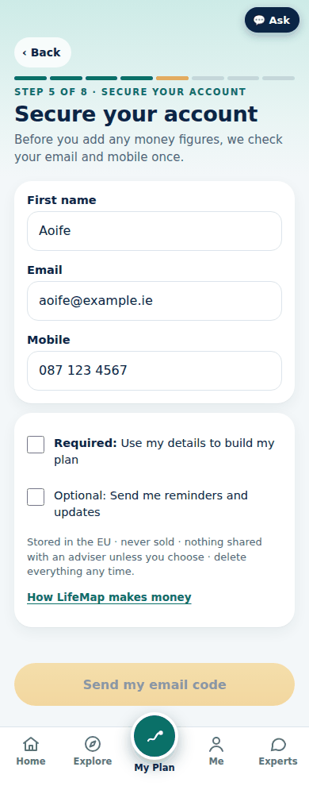
B4 | 4 · Your money profile | 1 | Button | ‹ Back |  |  |  |  |  |  |  | action: go|F4
B4 | 4 · Your money profile | 2 | Eyebrow | Step 4 of 8 · Your money profile
B4 | 4 · Your money profile | 3 | Heading | Your money profile
B4 | 4 · Your money profile | 4 | Text | 7 quick questions · your first 6 answers are filled in. You can skip this.
B4 | 4 · Your money profile | 5 | Heading | 🌦️ Risk appetite & time horizon: how much risk you want, and how long you can wait
B4 | 4 · Your money profile | 6 | Row | Your first answers✓ Pre-filled — change if you like |  |  |  |  |  |  |  | Your first answers | ✓ Pre-filled — change if you like
B4 | 4 · Your money profile | 7 | Help text | Pick your road for your long-term money.
B4 | 4 · Your money profile | 8 | Link | Change |  |  |  |  |  |  |  | action: umedit d8
B4 | 4 · Your money profile | 9 | Help text | Your €10,000 investment drops to €8,500. What do you do?
B4 | 4 · Your money profile | 10 | Link | Change |  |  |  |  |  |  |  | action: umedit d9
B4 | 4 · Your money profile | 11 | Help text | New · Time horizon · how long your money can stay invested
B4 | 4 · Your money profile | 12 | Heading | If you put money away to grow, when might you need it back?
B4 | 4 · Your money profile | 13 | Input choice | If you put money away to grow, when might you need it back? |  |  |  |  | 📆In 2 to 5 years◆ Medium horizon |  | ⏱️Within 2 years◆ Short horizon; 📆In 2 to 5 years◆ Medium horizon; 🗓️In 5 to 10 years◆ Long horizon; 🌳Not for 10+ years◆ Very long horizon · time in the market
B4 | 4 · Your money profile | 14 | Heading | 🛟 Capacity for loss: how much you can afford to lose
B4 | 4 · Your money profile | 15 | Row | Your first answers✓ Pre-filled — change if you like |  |  |  |  |  |  |  | Your first answers | ✓ Pre-filled — change if you like
B4 | 4 · Your money profile | 16 | Help text | A €1,000 bill arrives tomorrow. How do you pay it?
B4 | 4 · Your money profile | 17 | Link | Change |  |  |  |  |  |  |  | action: umedit d7
B4 | 4 · Your money profile | 18 | Help text | To answer · Investment capacity · what you can put to work
B4 | 4 · Your money profile | 19 | Heading | How much could you comfortably invest each month?
B4 | 4 · Your money profile | 20 | Input choice | How much could you comfortably invest each month? |  |  |  |  |  |  | 🪙Under €100◆ Starter capacity; 💶€100 to €300◆ Moderate capacity; 💰€300 to €750◆ Good capacity; 🏦Over €750◆ High capacity; 🎢It changes month to month◆ Variable income
B4 | 4 · Your money profile | 21 | Help text | New · Capacity for loss · what a fall would really cost you
B4 | 4 · Your money profile | 22 | Heading | Markets dip and your investments are down 20% for a whole year. What would that actually mean for your life?
B4 | 4 · Your money profile | 23 | Help text | Not how you'd feel. What would really change.
B4 | 4 · Your money profile | 24 | Text (bold) | €10,000
B4 | 4 · Your money profile | 25 | Text (bold) | €8,000
B4 | 4 · Your money profile | 26 | Input choice | Markets dip and your investments are down 20% for a whole year. What would that actually mean for your life? |  |  |  |  |  |  | 😟I'd struggle to pay the bills◆ Low capacity for loss; ⏸️I'd have to put a goal on hold◆ Limited capacity for loss; 🙂Annoying, but life goes on◆ Moderate capacity for loss; 😎Nothing changes, I won't need it for years◆ High capacity for loss
B4 | 4 · Your money profile | 27 | Help text | New · Income stability · how steady your pay is
B4 | 4 · Your money profile | 28 | Heading | How steady is your income?
B4 | 4 · Your money profile | 29 | Input choice | How steady is your income? |  |  |  |  |  |  | 🌪️Uncertain right now◆ Income risk; 🌦️It changes month to month◆ Variable income; ⛅Fairly steady◆ Stable income; ☀️Very steady (e.g. permanent job or pension)◆ Very stable income
B4 | 4 · Your money profile | 30 | Help text | New · Emergency fund · your emergency fund
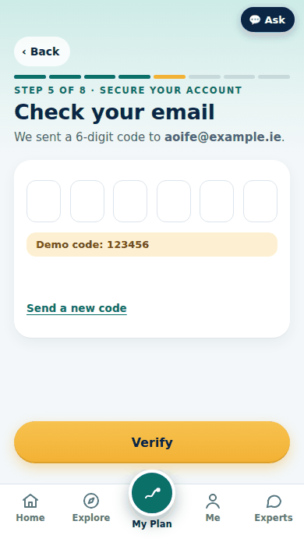
B4 | 4 · Your money profile | 31 | Heading | If your income stopped tomorrow, how long could your savings keep you going?
B4 | 4 · Your money profile | 32 | Input choice | If your income stopped tomorrow, how long could your savings keep you going? |  |  |  |  |  |  | 😬Less than a month◆ No emergency fund; 🐷1 to 3 months◆ Thin buffer; 🛟3 to 6 months◆ Emergency fund in place; 🏰6 months or more◆ Strong safety net
B4 | 4 · Your money profile | 33 | Heading | 🧭 Investor behaviour: how you tend to act
B4 | 4 · Your money profile | 34 | Row | Your first answers✓ Pre-filled — change if you like |  |  |  |  |  |  |  | Your first answers | ✓ Pre-filled — change if you like
B4 | 4 · Your money profile | 35 | Help text | Your friends would say you're always…
B4 | 4 · Your money profile | 36 | Link | Change |  |  |  |  |  |  |  | action: umedit d2
B4 | 4 · Your money profile | 37 | Help text | How do you feel about your financial future?
B4 | 4 · Your money profile | 38 | Link | Change |  |  |  |  |  |  |  | action: umedit d12
B4 | 4 · Your money profile | 39 | Help text | A friend's investment doubled in a month. What do you do?
B4 | 4 · Your money profile | 40 | Link | Change |  |  |  |  |  |  |  | action: umedit d4
B4 | 4 · Your money profile | 41 | Help text | New · Decision style · how you make big money calls
B4 | 4 · Your money profile | 42 | Heading | A big money decision lands on your desk, like switching your pension. What's your move?
B4 | 4 · Your money profile | 43 | Input choice | A big money decision lands on your desk, like switching your pension. What's your move? |  |  |  |  |  |  | 🔬Dig into every detail myself◆ Self-directed · Due diligence; 🧭Get the gist, then check with an expert◆ Validator; 🤝Hand it to an expert I trust◆ Delegator · Advice-seeker; ⏳Leave it for another day◆ Procrastination · Status quo bias
B4 | 4 · Your money profile | 44 | Help text | New · Knowledge & experience · what you've done before
B4 | 4 · Your money profile | 45 | Heading | How would you describe your investing know-how?
B4 | 4 · Your money profile | 46 | Input choice | How would you describe your investing know-how? |  |  |  |  |  |  | 🌱Total beginner◆ Novice investor; 📘I know the basics: savings and pension◆ Basic knowledge; 📈I've invested in funds or shares◆ Some investing experience; 🏆I'm confident I can beat the market◆ Self-rated expert · watch for overconfidence bias
B4 | 4 · Your money profile | 47 | Help text | Which have you had? (optional)
B4 | 4 · Your money profile | 48 | Input choice | Which have you had? (optional) |  |  |  |  |  |  | Savings account; Pension; Shares or funds; Crypto; None
B4 | 4 · Your money profile | 49 | Disclaimer | Indicative only, to guide your conversation. Your adviser confirms your risk profile with you. This tool is designed to help you explore your preferences. It does not replace a formal suitability or risk assessment where financial advice is provided.
B4 | 4 · Your money profile | 50 | Button | Save and continue |  |  |  |  |  |  |  | action: pbprofile
B4 | 4 · Your money profile | 51 | Button | Skip for now |  |  |  |  |  |  |  | action: pbprofile skip

P1 | 5 · Secure your account | 1 | Button | ‹ Back |  |  |  |  |  |  |  | action: go|B4
P1 | 5 · Secure your account | 2 | Eyebrow | Step 5 of 8 · Secure your account
P1 | 5 · Secure your account | 3 | Heading | Secure your account
P1 | 5 · Secure your account | 4 | Text | Before you add any money figures, we check your email and mobile once.
P1 | 5 · Secure your account | 5 | Input text | First name |  |  |  |  | Aoife
P1 | 5 · Secure your account | 6 | Input text | Email |  |  |  |  | aoife@example.ie
P1 | 5 · Secure your account | 7 | Input text | Mobile |  |  |  |  | 087 123 4567
P1 | 5 · Secure your account | 8 | Input choice | Required: Use my details to build my plan |  |  |  |  | not ticked
P1 | 5 · Secure your account | 9 | Text (bold) | Required:
P1 | 5 · Secure your account | 10 | Input choice | Optional: Send me reminders and updates |  |  |  |  | not ticked
P1 | 5 · Secure your account | 11 | Help text | Stored in the EU · never sold · nothing shared with an adviser unless you choose · delete everything any time.
P1 | 5 · Secure your account | 12 | Link | How LifeMap makes money |  |  |  |  |  |  |  | action: sheet money
P1 | 5 · Secure your account | 13 | Button | Send my email code |  |  |  |  |  |  |  | action: go P1E · off until the required choices are made

P1E | 5 · Email code | 1 | Button | ‹ Back |  |  |  |  |  |  |  | action: go|P1
P1E | 5 · Email code | 2 | Eyebrow | Step 5 of 8 · Secure your account
P1E | 5 · Email code | 3 | Heading | Check your email
P1E | 5 · Email code | 4 | Text | We sent a 6-digit code to aoife@example.ie.
P1E | 5 · Email code | 5 | Input text | Digit 1
P1E | 5 · Email code | 6 | Input text | Digit 2
P1E | 5 · Email code | 7 | Input text | Digit 3
P1E | 5 · Email code | 8 | Input text | Digit 4
P1E | 5 · Email code | 9 | Input text | Digit 5
P1E | 5 · Email code | 10 | Input text | Digit 6
P1E | 5 · Email code | 11 | Note | Demo code: 123456
P1E | 5 · Email code | 12 | Link | Send a new code |  |  |  |  |  |  |  | action: toast New code sent
P1E | 5 · Email code | 13 | Button | Verify |  |  |  |  |  |  |  | action: vemail

P2 | 6 · Your finances hub | 1 | Eyebrow | Step 6 of 8 · Your finances
P2 | 6 · Your finances hub | 2 | Heading | Your finances
P2 | 6 · Your finances hub | 3 | Text | Add your money once. Rough figures are fine.
P2 | 6 · Your finances hub | 4 | Help text | We'll sort them into the right sections. You check what we read.
P2 | 6 · Your finances hub | 5 | Button | Upload |  |  |  |  |  |  |  | action: upl smart
P2 | 6 · Your finances hub | 6 | Row | 5 of 6 doneSkip any you like |  |  |  |  |  |  |  | 5 of 6 done | Skip any you like
P2 | 6 · Your finances hub | 7 | Button | 🙋About youFirst name: Aoife · Retirement age: 63 · Partner's date of birth: 37Done✓ |  |  |  |  |  |  |  | action: fsec 0
P2 | 6 · Your finances hub | 8 | Button | 💶Income and expenseswork: Employed · gross yearly income: €58,000 · Partner's gross yearly income: €22,000Done✓ |  |  |  |  |  |  |  | action: fsec 1
P2 | 6 · Your finances hub | 9 | Button | 🏠Assetshome: Own with mortgage · Home value: €420,000 · Cash savings: €9,000Done✓ |  |  |  |  |  |  |  | action: fsec 2
P2 | 6 · Your finances hub | 10 | Button | 💳LiabilitiesMortgage left: €203,700 · Monthly repayment: €1,180 · Years left: 21Done✓ |  |  |  |  |  |  |  | action: fsec 3
P2 | 6 · Your finances hub | 11 | Button | 🛡️ProtectionLife cover: Yes · Income protection: No · Serious illness cover: Not sureDone✓ |  |  |  |  |  |  |  | action: fsec 4
P2 | 6 · Your finances hub | 12 | Button | 🌅PensionPension value today: €72,000 · Paid in each month: €520 · State Pension: Expect fullNeeds a look! |  |  |  |  |  |  |  | action: fsec 5
P2 | 6 · Your finances hub | 13 | Button | Check my details |  |  |  |  |  |  |  | action: go P4

P3 | 6 · Your finances: section · section 1 About you | 1 | Button | ‹ Back |  |  |  |  |  |  |  | action: fback
P3 | 6 · Your finances: section · section 1 About you | 2 | Eyebrow | Your finances · 1 of 6
P3 | 6 · Your finances: section · section 1 About you | 3 | Heading | 🙋 About you
P3 | 6 · Your finances: section · section 1 About you | 4 | Text | Mostly filled in from your answers. Just check it.
P3 | 6 · Your finances: section · section 1 About you | 5 | Help text | No documents needed here. ID and proof of address are handled by your adviser later.
P3 | 6 · Your finances: section · section 1 About you | 6 | Input text | First name |  |  |  |  | Aoife | ✏️ Your figure · from your answers
P3 | 6 · Your finances: section · section 1 About you | 7 | Input text | Retirement age |  |  |  |  | 63 | ✏️ Your figure · from your answers |  | From your timeline flag | retireAge: Example: Retirement ageAoife wants to retire at 63, before her State Pension starts at 66. She enters 63.📍 Where to find yours: the normal retirement age on your annual pension benefit statement.Example only. Not a typical or recommended amount.Got it
P3 | 6 · Your finances: section · section 1 About you | 8 | Input choice | Planning with a partner |  |  |  |  | Yes | From your answers | Yes; No
P3 | 6 · Your finances: section · section 1 About you | 9 | Input choice | Dependants |  |  |  |  | 2 | From your answers | 0; 1; 2; 3+
P3 | 6 · Your finances: section · section 1 About you | 10 | Text (bold) | Your partner
P3 | 6 · Your finances: section · section 1 About you | 11 | Input choice | How to add your partner |  |  |  |  | ✍️Add their details myselfName, age and income (optional) |  | 💌Invite my partnerThey add their own details, privately; ✍️Add their details myselfName, age and income (optional)
P3 | 6 · Your finances: section · section 1 About you | 12 | Input text | Their first name |  |  |  |  | Cian
P3 | 6 · Your finances: section · section 1 About you | 13 | Input text | Day of birth |  |  |  |  | 3 | ✏️ Your figure |  | Thanks. Cian is 36 today and turns 37 on 3 March 2027. · We use it to get your ages and years exactly right. It stays on your device in this prototype. | pAge: Example: Partner's date of birthAoife's partner Cian was born on 3 March 1990. She enters 3, 3 and 1990.📍 Where to find yours: your partner's passport, driving licence or birth certificate.Example only. Not a typical or recommended amount.Got it
P3 | 6 · Your finances: section · section 1 About you | 14 | Input text | Month of birth |  |  |  |  | 3
P3 | 6 · Your finances: section · section 1 About you | 15 | Input text | Year of birth |  |  |  |  | 1990
P3 | 6 · Your finances: section · section 1 About you | 16 | Input text | Their gross yearly income | € |  |  |  | 22000 | Optional |  | Before tax. Leave it blank and we'll ask in Income.
P3 | 6 · Your finances: section · section 1 About you | 17 | Button | Save this section |  |  |  |  |  |  |  | action: fsave

P3 | 6 · Your finances: section · section 2 Income and expenses | 1 | Button | ‹ Back |  |  |  |  |  |  |  | action: fback
P3 | 6 · Your finances: section · section 2 Income and expenses | 2 | Eyebrow | Your finances · 2 of 6
P3 | 6 · Your finances: section · section 2 Income and expenses | 3 | Heading | 💶 Income and expenses
P3 | 6 · Your finances: section · section 2 Income and expenses | 4 | Text | Upload a document or type it in. Round figures are fine.
P3 | 6 · Your finances: section · section 2 Income and expenses | 5 | Input choice | How to add |  |  |  |  | ⌨️ Type it |  | 📄 Upload; ⌨️ Type it
P3 | 6 · Your finances: section · section 2 Income and expenses | 6 | Help text | Leave blank anything you don't have. It counts as €0 and stays on your list as optional. You never need to type 0.
P3 | 6 · Your finances: section · section 2 Income and expenses | 7 | Text (bold) | 📄 3 figures from your statement
P3 | 6 · Your finances: section · section 2 Income and expenses | 8 | Help text | Statement figures are used ahead of anything typed. To use your own figures instead, remove the statement.
P3 | 6 · Your finances: section · section 2 Income and expenses | 9 | Link | Replace statement |  |  |  |  |  |  |  | action: docrep 1
P3 | 6 · Your finances: section · section 2 Income and expenses | 10 | Link | Remove statement |  |  |  |  |  |  |  | action: docrem 1
P3 | 6 · Your finances: section · section 2 Income and expenses | 11 | Input choice | Your work |  |  |  |  | Employed | ✅ From document · 99% | Employed; Self-employed; Not working |  | work: Example: Your workEmployed: you get a payslipSelf-employed: you file a Form 11Not working: no earnings right nowAoife has a payslip, so she picks Employed.📍 Where to find yours: your payslip, or your Form 11 if self-employed.Example only. Not a typical or recommended amount.Got it
P3 | 6 · Your finances: section · section 2 Income and expenses | 12 | Input text | Your gross yearly income | € |  |  |  | 58000 | ✅ From document · 98% |  | Before tax | income: Example: Your gross yearly incomeAoife earns €58,000 a year before tax. She enters €58,000.📍 Where to find yours: gross pay on your payslip, or your Employment Detail Summary in Revenue myAccount.Nothing to add? Enter 0.Example only. Not a typical or recommended amount.Got it
P3 | 6 · Your finances: section · section 2 Income and expenses | 13 | Input text | Partner's gross yearly income | € |  |  |  | 22000 | ✏️ Your figure |  |  | pIncome: Example: Partner's gross yearly incomeCian earns €22,000 a year before tax. Aoife enters €22,000.📍 Where to find yours: your partner's payslip or Employment Detail Summary (Revenue myAccount).Nothing to add? Enter 0.Example only. Not a typical or recommended amount.Got it
P3 | 6 · Your finances: section · section 2 Income and expenses | 14 | Input text | Other income a month (before tax) | € |  |  |  | 0 | ✏️ Your figure |  | Optional. Taxed with your other income | otherM: Example: Other income a month (before tax)Aoife and Cian have no other income, such as rent or maintenance. They enter €0.📍 Where to find yours: your bank statements, or Revenue myAccount for rental income.Nothing to add? Enter 0.Example only. Not a typical or recommended amount.Got it
P3 | 6 · Your finances: section · section 2 Income and expenses | 15 | Input text | Monthly living costs | € |  |  |  | 3600 | ✏️ Your figure |  | Rent, bills, food and extras. Leave out mortgage and loan repayments. | costsM: Example: Monthly living costsAoife and Cian spend €3,600 a month on bills, food and extras, not counting the mortgage or loans. They enter €3,600.📍 Where to find yours: your banking app's spending summary, or 3 months of current-account statements.Nothing to add? Enter 0.Example only. Not a typical or recommended amount.Got it
P3 | 6 · Your finances: section · section 2 Income and expenses | 16 | Input text | Yearly one-off costs | € |  |  |  | 1800 | ✅ From document · 81% |  | Optional. Car tax, insurance, holidays | oneOffY: Example: Yearly one-off costsAoife and Cian's yearly one-off costs, such as car tax, insurance and holidays, come to €1,800. They enter €1,800.📍 Where to find yours: last year's bank statements.Nothing to add? Enter 0.Example only. Not a typical or recommended amount.Got it
P3 | 6 · Your finances: section · section 2 Income and expenses | 17 | Button | Save this section |  |  |  |  |  |  |  | action: fsave

P3 | 6 · Your finances: section · section 3 Assets | 1 | Button | ‹ Back |  |  |  |  |  |  |  | action: fback
P3 | 6 · Your finances: section · section 3 Assets | 2 | Eyebrow | Your finances · 3 of 6
P3 | 6 · Your finances: section · section 3 Assets | 3 | Heading | 🏠 Assets
P3 | 6 · Your finances: section · section 3 Assets | 4 | Text | Upload a document or type it in. Round figures are fine.
P3 | 6 · Your finances: section · section 3 Assets | 5 | Input choice | How to add |  |  |  |  | ⌨️ Type it |  | 📄 Upload; ⌨️ Type it
P3 | 6 · Your finances: section · section 3 Assets | 6 | Help text | Leave blank anything you don't have. It counts as €0 and stays on your list as optional. You never need to type 0.
P3 | 6 · Your finances: section · section 3 Assets | 7 | Text (bold) | 📄 3 figures from your statement
P3 | 6 · Your finances: section · section 3 Assets | 8 | Help text | Statement figures are used ahead of anything typed. To use your own figures instead, remove the statement.
P3 | 6 · Your finances: section · section 3 Assets | 9 | Link | Replace statement |  |  |  |  |  |  |  | action: docrep 2
P3 | 6 · Your finances: section · section 3 Assets | 10 | Link | Remove statement |  |  |  |  |  |  |  | action: docrem 2
P3 | 6 · Your finances: section · section 3 Assets | 11 | Input choice | Your home |  |  |  |  | Own with mortgage | ✅ From document · 99% | Own outright; Own with mortgage; Rent; Live with family |  | home: Example: Your homeOwn outright: no mortgageOwn with mortgage: still paying it offRent: you pay a landlordLive with family: no rent or mortgageThey're paying off a mortgage, so Aoife picks Own with mortgage.📍 Where to find yours: your mortgage statement or tenancy agreement.Example only. Not a typical or recommended amount.Got it
P3 | 6 · Your finances: section · section 3 Assets | 12 | Input text | Home value | € |  |  |  | 420000 | ✏️ Your figure |  |  | homeValue: Example: Home valueAoife and Cian think their home is worth about €420,000. They enter €420,000.📍 Where to find yours: sale prices of similar homes on the Property Price Register, or your LPT valuation.Nothing to add? Enter 0.Example only. Not a typical or recommended amount.Got it
P3 | 6 · Your finances: section · section 3 Assets | 13 | Input text | Cash savings | € |  |  |  | 9000 | ✅ From document · 97% |  | Incl. credit union and State Savings | cash: Example: Cash savingsAoife and Cian have €9,000 in savings, including the credit union. They enter €9,000.📍 Where to find yours: your banking and credit union apps, or An Post State Savings.Nothing to add? Enter 0.Example only. Not a typical or recommended amount.Got it
P3 | 6 · Your finances: section · section 3 Assets | 14 | Input text | Investments | € |  |  |  | 6200 | ✅ From document · 88% |  | Shares, funds, share schemes, crypto: one total | invest: Example: InvestmentsAoife's investment statement shows €6,200. She enters €6,200.📍 Where to find yours: your investment, share-scheme or broker statement or app.Nothing to add? Enter 0.Example only. Not a typical or recommended amount.Got it
P3 | 6 · Your finances: section · section 3 Assets | 15 | Input text | Other property: value | € |  |  |  |  | ❓ Missing |  | Optional | propValue: Example: Other property: valueAoife and Cian don't own another property. They enter €0.📍 Where to find yours: for a property you own, the Property Price Register or your LPT return.Nothing to add? Enter 0.Example only. Not a typical or recommended amount.Got it
P3 | 6 · Your finances: section · section 3 Assets | 16 | Input text | Other property: rent received a month (before tax) | € |  |  |  |  | ❓ Missing |  | Optional. Rental profit is taxed at your marginal rate, with USC and PRSI | rentM: Example: Other property: rent received a month (before tax)Aoife and Cian don't rent out a property, so no rent comes in. They enter €0.📍 Where to find yours: your tenancy agreement or RTB registration.Nothing to add? Enter 0.Example only. Not a typical or recommended amount.Got it
P3 | 6 · Your finances: section · section 3 Assets | 17 | Button | Save this section |  |  |  |  |  |  |  | action: fsave

P3 | 6 · Your finances: section · section 4 Liabilities | 1 | Button | ‹ Back |  |  |  |  |  |  |  | action: fback
P3 | 6 · Your finances: section · section 4 Liabilities | 2 | Eyebrow | Your finances · 4 of 6
P3 | 6 · Your finances: section · section 4 Liabilities | 3 | Heading | 💳 Liabilities
P3 | 6 · Your finances: section · section 4 Liabilities | 4 | Text | Upload a document or type it in. Round figures are fine.
P3 | 6 · Your finances: section · section 4 Liabilities | 5 | Input choice | How to add |  |  |  |  | ⌨️ Type it |  | 📄 Upload; ⌨️ Type it
P3 | 6 · Your finances: section · section 4 Liabilities | 6 | Help text | Leave blank anything you don't have. It counts as €0 and stays on your list as optional. You never need to type 0.
P3 | 6 · Your finances: section · section 4 Liabilities | 7 | Text (bold) | 📄 8 figures from your statement
P3 | 6 · Your finances: section · section 4 Liabilities | 8 | Help text | Statement figures are used ahead of anything typed. To use your own figures instead, remove the statement.
P3 | 6 · Your finances: section · section 4 Liabilities | 9 | Link | Replace statement |  |  |  |  |  |  |  | action: docrep 3
P3 | 6 · Your finances: section · section 4 Liabilities | 10 | Link | Remove statement |  |  |  |  |  |  |  | action: docrem 3
P3 | 6 · Your finances: section · section 4 Liabilities | 11 | Text (bold) | 🏠 Mortgage
P3 | 6 · Your finances: section · section 4 Liabilities | 12 | Help text | The mortgage on the home you live in comes first.
P3 | 6 · Your finances: section · section 4 Liabilities | 13 | Input choice | Do you have a mortgage? |  |  |  |  | Yes | ✅ From document | Yes; No |  | mortYN: Example: Do you have a mortgage?Yes: you owe money on the home you live inNo: you own it outright, rent, or live with familyAoife and Cian are still paying off their home, so Aoife picks Yes.📍 Where to find yours: your mortgage statement, or your lender's app.Example only. Not a typical or recommended amount.Got it
P3 | 6 · Your finances: section · section 4 Liabilities | 14 | Input text | Mortgage left | € |  |  |  | 203700 | ✅ From document · 96% |  |  | mortBal: Example: Mortgage leftAoife and Cian owe €203,700 on their mortgage. They enter €203,700.📍 Where to find yours: your annual mortgage statement or your lender's app.Nothing to add? Enter 0.Example only. Not a typical or recommended amount.Got it
P3 | 6 · Your finances: section · section 4 Liabilities | 15 | Input text | Monthly repayment | € |  |  |  | 1180 | ✅ From document · 93% |  |  | mortPayM: Example: Monthly repaymentAoife and Cian repay €1,180 a month. They enter €1,180.📍 Where to find yours: your mortgage statement, or the direct debit on your bank statement.Nothing to add? Enter 0.Example only. Not a typical or recommended amount.Got it
P3 | 6 · Your finances: section · section 4 Liabilities | 16 | Input text | Years left |  |  |  |  | 21 | ✅ From document · 90% |  |  | mortYears: Example: Years leftAoife and Cian's mortgage has 21 years left. They enter 21.📍 Where to find yours: the remaining term on your annual mortgage statement.Example only. Not a typical or recommended amount.Got it
P3 | 6 · Your finances: section · section 4 Liabilities | 17 | Input text | Interest rate, APR % | % |  |  |  | 3.85 | ✅ From document · 94% |  | Your statement shows it. If you leave it blank we use the Central Bank average and say so: "Assumed: add yours" | mortRate: Example: Interest rate, APR %Their mortgage statement shows 3.85% APR. They enter 3.85.📍 Where to find yours: the interest rate (APR) on your annual mortgage statement.Example only. Not a typical or recommended amount.Got it
P3 | 6 · Your finances: section · section 4 Liabilities | 18 | Link | 📄 Upload your mortgage statement (optional) |  |  |  |  |  |  |  | action: upl liab
P3 | 6 · Your finances: section · section 4 Liabilities | 19 | Button | ＋ Add a mortgage on another property |  |  |  |  |  |  |  | action: iadd mort2
P3 | 6 · Your finances: section · section 4 Liabilities | 20 | Text (bold) | 💳 Credit cards
P3 | 6 · Your finances: section · section 4 Liabilities | 21 | Link | Remove |  |  |  |  |  |  |  | action: idel cards|4
P3 | 6 · Your finances: section · section 4 Liabilities | 22 | Input text | Owed on this card | € |  |  |  | 400 | ✅ From document · 86% |  |  | cards.owed: Example: Owed on this cardAoife and Cian owe €400 on their credit card. They enter €400.📍 Where to find yours: your latest credit-card statement or banking app.Nothing to add? Enter 0.Example only. Not a typical or recommended amount.Got it
P3 | 6 · Your finances: section · section 4 Liabilities | 23 | Input text | Monthly repayment on this card | € |  |  |  | 40 | ✅ From document · 80% |  |  | cards.pay: Example: Monthly repayment on this cardThey pay €40 a month off the card. They enter €40.📍 Where to find yours: your card statement or banking app: what you actually pay.Nothing to add? Enter 0.Example only. Not a typical or recommended amount.Got it
P3 | 6 · Your finances: section · section 4 Liabilities | 24 | Input text | Lender (optional) |  |  |  |  |  |  |  |  | cards.lender: Example: Lender (optional)Their card statement names the lender: Demo Bank B. They enter Demo Bank B.📍 Where to find yours: the top of your credit-card statement.Example only. Not a typical or recommended amount.Got it
P3 | 6 · Your finances: section · section 4 Liabilities | 25 | Input text | Interest rate, APR % (optional) | % |  |  |  |  |  |  |  | cards.rate: Example: Interest rate, APR % (optional)Their card statement shows 20% APR. They enter 20.📍 Where to find yours: the interest rate (APR) on your credit-card statement.Example only. Not a typical or recommended amount.Got it
...
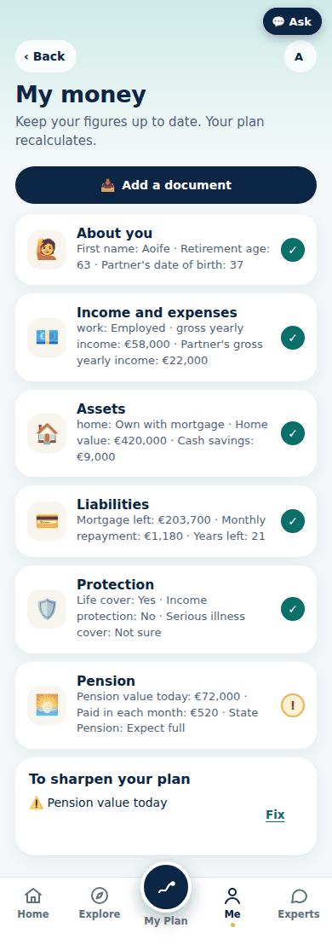

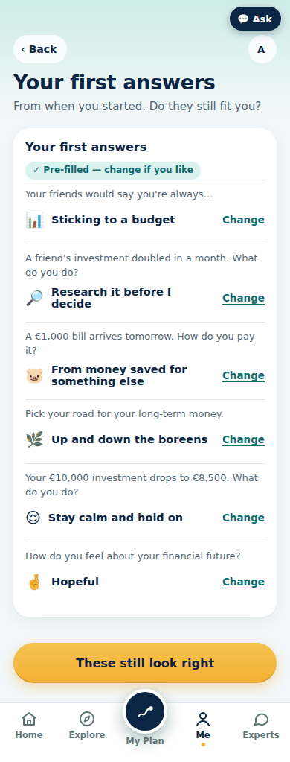

 |  |  |  |  |  |  |  | Step | Starts at / pre-filled with (Aoife sample) | Where the pre-fill comes from (tag on screen) | Choice / option texts | Help / hint / behaviour | Example card (Not sure? See an example) | Picture (390 px)
 |  |  |  |  |  |  |  |  |  |  |  | action: go|P2
...
 |  |  |  |  |  |  |  | Step | Starts at / pre-filled with (Aoife sample) | Where the pre-fill comes from (tag on screen) | Choice / option texts | Help / hint / behaviour | Example card (Not sure? See an example) | Picture (390 px)
 |  |  |  |  |  |  |  |  |  | Not chosen yet |  | You can usually draw a pension from 60 (some occupational schemes from 50); State Pension is paid from 66. Choose the age you want to plan for, any age from 39 to 94.
 |  |  |  |  |  |  |  |  |  | Not chosen yet |  | At 65, average life expectancy in Ireland is about 83 for men and 86 for women (CSO, Irish Life Tables No. 17, 2015–2017). Choose the age you want to plan to.
 |  |  |  |  |  |  |  |  |  |  | Use the standard (2%); 3.9% · Ireland now (CSO HICP flash, Sep 2026); Other | Generally the standard is 2% (the ECB target for the long term). Prices in Ireland are rising 3.9% a year right now (CSO HICP flash, Sep 2026), mostly because of energy. Choose what you want to use.
 |  |  |  |  |  |  |  |  |  | Not chosen yet |  | We count their pay until this age, then only their State Pension. Only you can choose it, so we never fill it in for you.
...
 |  |  |  |  |  |  |  | Step | Starts at / pre-filled with (Aoife sample) | Where the pre-fill comes from (tag on screen) | Choice / option texts | Help / hint / behaviour | Example card (Not sure? See an example) | Picture (390 px)
 |  |  |  |  |  |  |  |  | 2.6 | Set by LifeMap |  | LifeMap uses 2.6% (a planning assumption, not a prediction: 5% before fees and tax, less about 1% charges, less 38% exit tax taken every 8 years). Change it if you want to use your own. A planning assumption, not a prediction. Growth is never guaranteed and funds can fall in value. It moves if you change the growth before fees and tax, or the charges. · a planning assumption, not a prediction: 5% before fees and tax, less about 1% charges, less 38% exit tax taken every 8 years. Source: Derived: the growth before fees and tax (above), the charges (Market rates) and the exit tax and 8-year rule (Tax rules) (2026).
...
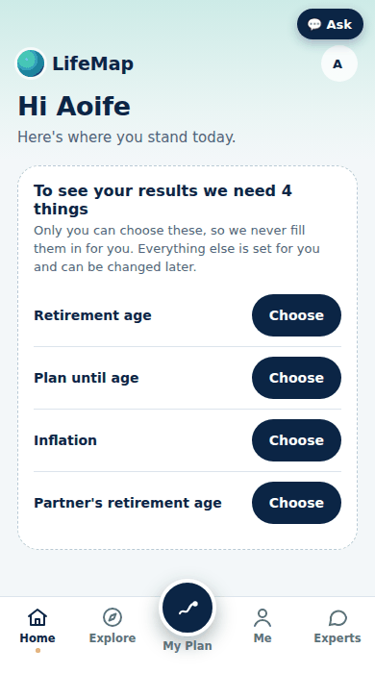

 |  |  |  |  |  |  |  | Step | Starts at / pre-filled with (Aoife sample) | Where the pre-fill comes from (tag on screen) | Choice / option texts | Help / hint / behaviour | Example card (Not sure? See an example) | Picture (390 px)
 |  |  |  |  |  |  |  |  |  |  |  | action: sheet profile
...
 |  |  |  |  |  |  |  | Step | Starts at / pre-filled with (Aoife sample) | Where the pre-fill comes from (tag on screen) | Choice / option texts | Help / hint / behaviour | Example card (Not sure? See an example) | Picture (390 px)
 |  |  |  |  |  |  |  |  |  |  |  | action: addgoal
 |  |  |  |  |  |  |  |  |  |  |  | action: planedit
...
 |  |  |  |  |  |  |  | Step | Starts at / pre-filled with (Aoife sample) | Where the pre-fill comes from (tag on screen) | Choice / option texts | Help / hint / behaviour | Example card (Not sure? See an example) | Picture (390 px)
 |  |  |  |  |  |  |  |  |  |  |  | action: seg results
...
 |  |  |  |  |  |  |  | Step | Starts at / pre-filled with (Aoife sample) | Where the pre-fill comes from (tag on screen) | Choice / option texts | Help / hint / behaviour | Example card (Not sure? See an example) | Picture (390 px)
 |  |  |  |  |  |  |  |  |  |  |  | 1. 🪂 Emergency fundin 2 yrs · age 40 · 2029 | ▲
 |  |  |  |  |  |  |  |  |  |  |  | action: grank 4|up
 |  |  |  |  |  |  |  |  |  |  |  | action: grank 4|down
 |  |  |  |  |  |  |  |  |  |  |  | 2. ✈️ Travelin 3 yrs · age 41 · 2030 | ▲
 |  |  |  |  |  |  |  |  |  |  |  | action: grank 2|up
 |  |  |  |  |  |  |  |  |  |  |  | action: grank 2|down
 |  |  |  |  |  |  |  |  |  |  |  | 3. 🎓 Kids' educationin 10 yrs · age 48 · 2037 | ▲
 |  |  |  |  |  |  |  |  |  |  |  | action: grank 1|up
 |  |  |  |  |  |  |  |  |  |  |  | action: grank 1|down
 |  |  |  |  |  |  |  |  |  |  |  | 4. 🏦 Be mortgage-freein 17 yrs · age 55 · 2044 | ▲
 |  |  |  |  |  |  |  |  |  |  |  | action: grank 3|up
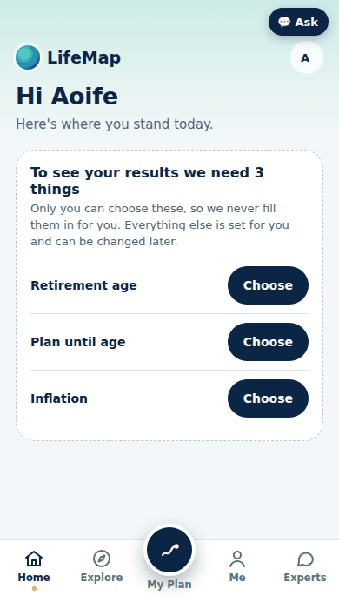
 |  |  |  |  |  |  |  |  |  |  |  | action: grank 3|down
 |  |  |  |  |  |  |  |  |  |  |  | 5. 🌅 Retire comfortablyPaid from your pension, so its place here doesn't change how your savings are shared | ▲
 |  |  |  |  |  |  |  |  |  |  |  | action: grank 5|up
 |  |  |  |  |  |  |  |  |  |  |  | action: grank 5|down
...
 |  |  |  |  |  |  |  | Step | Starts at / pre-filled with (Aoife sample) | Where the pre-fill comes from (tag on screen) | Choice / option texts | Help / hint / behaviour | Example card (Not sure? See an example) | Picture (390 px)
 |  |  |  |  |  |  |  |  |  |  |  | action: sheet assume
...
 |  |  |  |  |  |  |  | Step | Starts at / pre-filled with (Aoife sample) | Where the pre-fill comes from (tag on screen) | Choice / option texts | Help / hint / behaviour | Example card (Not sure? See an example) | Picture (390 px)
 |  |  |  |  |  |  |  |  |  |  |  | action: toprofile
...
 |  |  |  |  |  |  |  | Step | Starts at / pre-filled with (Aoife sample) | Where the pre-fill comes from (tag on screen) | Choice / option texts | Help / hint / behaviour | Example card (Not sure? See an example) | Picture (390 px)
 |  |  |  |  |  |  |  |  |  |  |  | 🪂 | Emergency fund · in 2 yearsFully funded · on average you'll put €4 a month | 100%☀️ On track
 |  |  |  |  |  |  |  |  |  |  |  | ✈️ | Travel · in 3 yearsNeeds about €337 a month, more than your spare money · on average you'll put €97 a month | 28%⛈️ Needs attention
 |  |  |  |  |  |  |  |  |  |  |  | 🎓 | Kids' education · in 10 yearsNeeds about €462 a month, more than your spare money · on average you'll put €207 a month | 50%⛈️ Needs attention
 |  |  |  |  |  |  |  |  |  |  |  | 🏦 | Be mortgage-free · in 17 yearsFully funded · on average you'll put €137 a month | 100%☀️ On track
 |  |  |  |  |  |  |  |  |  |  |  | 🌅 | Retire comfortably · at 63 | 86%🌦️ Needs a nudge
...
 |  |  |  |  |  |  |  | Step | Starts at / pre-filled with (Aoife sample) | Where the pre-fill comes from (tag on screen) | Choice / option texts | Help / hint / behaviour | Example card (Not sure? See an example) | Picture (390 px)
 |  |  |  |  |  |  |  |  |  |  |  | action: sheet explain|str
...
 |  |  |  |  |  |  |  | Step | Starts at / pre-filled with (Aoife sample) | Where the pre-fill comes from (tag on screen) | Choice / option texts | Help / hint / behaviour | Example card (Not sure? See an example) | Picture (390 px)
 |  |  |  |  |  |  |  |  |  |  |  | action: sheet explain|gap
...
 |  |  |  |  |  |  |  | Step | Starts at / pre-filled with (Aoife sample) | Where the pre-fill comes from (tag on screen) | Choice / option texts | Help / hint / behaviour | Example card (Not sure? See an example) | Picture (390 px)
 |  |  |  |  |  |  |  |  |  |  |  | action: sheet explain|dec
 |  |  |  |  |  |  |  |  |  |  |  | action: understood
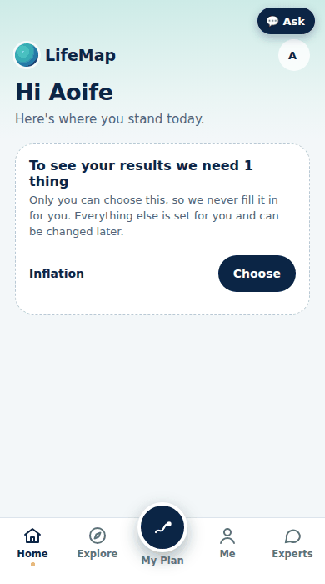
...
 |  |  |  |  |  |  |  | Step | Starts at / pre-filled with (Aoife sample) | Where the pre-fill comes from (tag on screen) | Choice / option texts | Help / hint / behaviour | Example card (Not sure? See an example) | Picture (390 px)
 |  |  |  |  |  |  |  |  | 62 |  |  | a month · From your answer "€300 to €750". Your spare money is about €125 a month; the rest is assumed spent.
...
 |  |  |  |  |  |  |  | Step | Starts at / pre-filled with (Aoife sample) | Where the pre-fill comes from (tag on screen) | Choice / option texts | Help / hint / behaviour | Example card (Not sure? See an example) | Picture (390 px)
 |  |  |  |  |  |  |  |  | ✈️ Travel |  | 🪂 Emergency fund; ✈️ Travel; 🎓 Kids' education; 🏦 Be mortgage-free; 🌅 Retire comfortably
 |  |  |  |  |  |  |  | 25 | 0 |  |  | −€500 to +€1,000 a month
 |  |  |  |  |  |  |  | 500 | 0 |  |  | Once, e.g. from savings or a bonus
...
 |  |  |  |  |  |  |  | Step | Starts at / pre-filled with (Aoife sample) | Where the pre-fill comes from (tag on screen) | Choice / option texts | Help / hint / behaviour | Example card (Not sure? See an example) | Picture (390 px)
 |  |  |  |  |  |  |  |  | Standard |  | Standard; Cautious
...
 |  |  |  |  |  |  |  | Step | Starts at / pre-filled with (Aoife sample) | Where the pre-fill comes from (tag on screen) | Choice / option texts | Help / hint / behaviour | Example card (Not sure? See an example) | Picture (390 px)
 |  |  |  |  |  |  |  |  | Use the standard (2%) |  | Use the standard (2%); 3.9% · Ireland now (CSO HICP flash, Sep 2026); Other
...
 |  |  |  |  |  |  |  | Step | Starts at / pre-filled with (Aoife sample) | Where the pre-fill comes from (tag on screen) | Choice / option texts | Help / hint / behaviour | Example card (Not sure? See an example) | Picture (390 px)
 |  |  |  |  |  |  |  |  |  |  |  | action: wisave
 |  |  |  |  |  |  |  |  |  |  |  | action: wireset
...
 |  |  |  |  |  |  |  | Step | Starts at / pre-filled with (Aoife sample) | Where the pre-fill comes from (tag on screen) | Choice / option texts | Help / hint / behaviour | Example card (Not sure? See an example) | Picture (390 px)
 |  |  |  |  |  |  |  |  |  |  |  | action: view journey
 |  |  |  |  |  |  |  |  |  |  |  | action: view chapters
...

