Sheet1
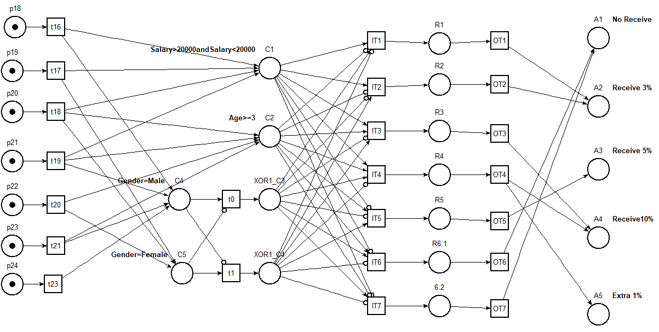
ID | Variable1 | Operator1 | Value1 | Logic Gate | Variable2 | Operator2 | Value2 | XOR Group | R1 | R2 | R3 | R4 | R5 | R6
C1 | Salary | > | 20000 | and | Salary | < | 50000 | XOR2 | T | T | T | T | F | F
C2 | Age | ≥ | 3 |  |  |  |  | XOR2 | F | F | T | T | T | F
C3 | Gender | = | Male |  |  |  |  | XOR1 | T | F | F | T | F | F
C4 | Gender | = | Female |  |  |  |  | XOR1 | F | T | T | F | T | F
C5 | Gender | = | Female |  |  |  |  | XOR1 | F | T | T | F | T | F
A1 | No Receive |  |  |  |  |  |  |  |  |  |  |  |  | X
A2 | Receive 3% |  |  |  |  |  |  |  | X | X
A3 | Receive 5% |  |  |  |  |  |  |  |  |  |  |  | X
A4 | Receive10% |  |  |  |  |  |  |  |  |  | X | X
A5 | Extra 1% |  |  |  |  |  |  |  |  |  |  | X

