Sheet1
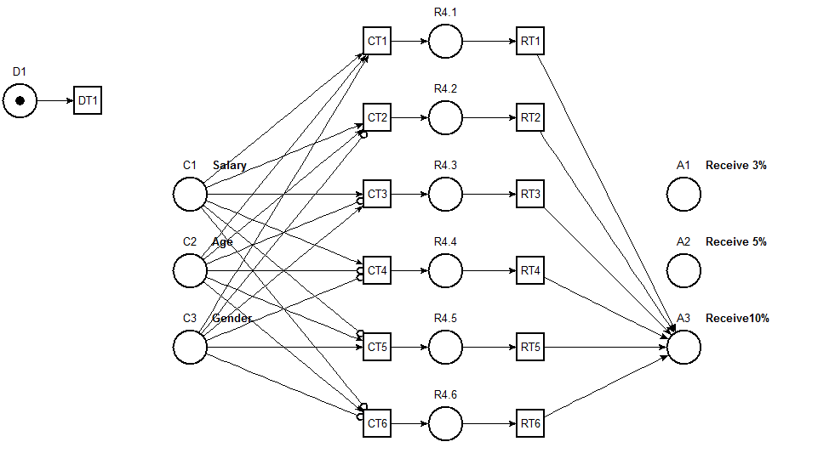
ID | Variable/Description | Operator | Value | R4
C1 | Salary | > | 20000 | -
C2 | Age | ≥ | 3 | -
C3 | Gender | = | Male | -
A1 | Receive 3%
A2 | Receive 5%
A3 | Receive10% |  |  | X

