Questions_Copy
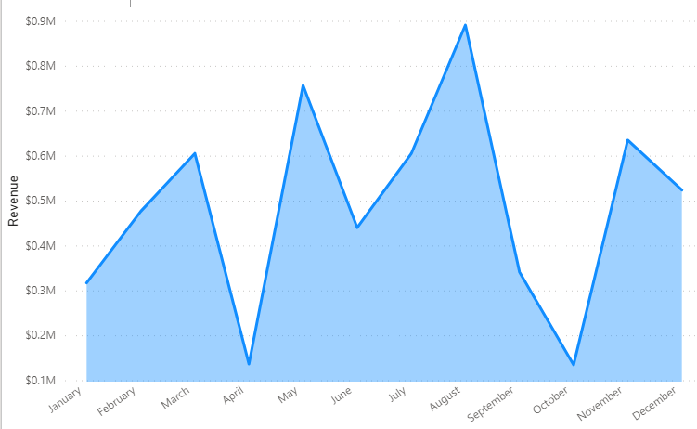
Overview
1. Total quantity sold card visual, Revenue card visual, country slicer visual
2. Revenue by country and state
3. Revenue by Region

Deep Dive
1. Customer Gender, Customer Age and Revenue
2. Revenue by REP and team
3. Revenue by Month

Create the below views in Power BI desktop

Data Modelling:
Establish the below relationships between the different dataset.
Sales_rep and Sales cardinality is One: Many, Cross direction filter is single
Sales and Customer the cardinality is 1:1, Cross direction filter is both
Customer and Product the cardinality is 1:1, Cross direction filter is both

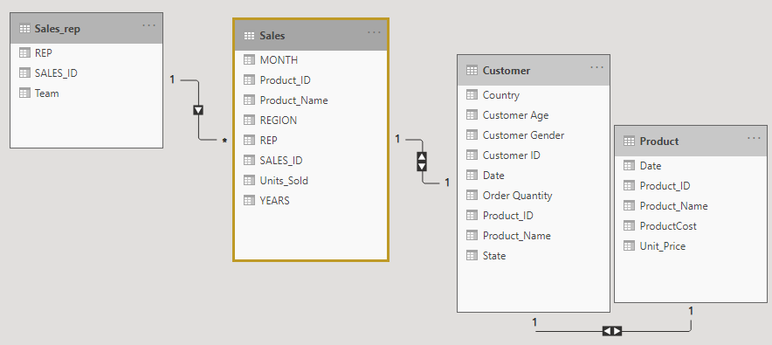

Overview: Gives the overall picture of Sales globally.

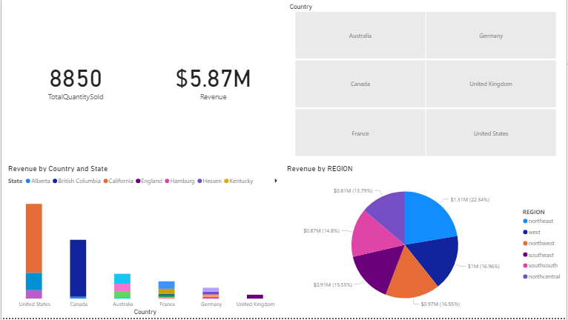

Functionality required

Create two cards, one should display the total quantity sold at the global level and the second one should show the total revenue at global level.

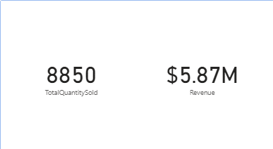

Create a country slicer to see the filter out the data when a specific country is selected

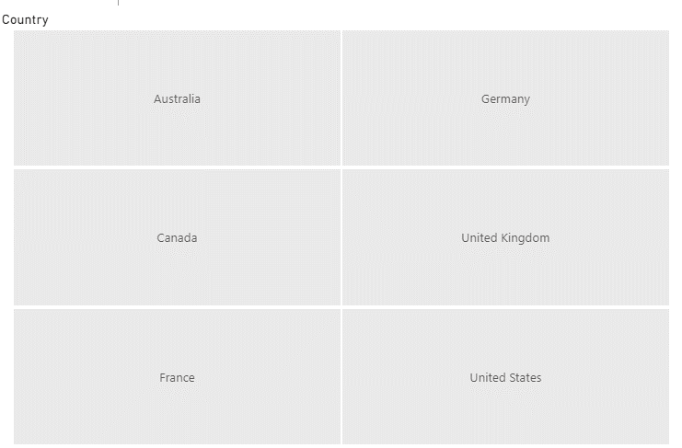

Create a stacked column chart displaying the revenue by country level
Place Country on Axis, State on Legend and Revenue on Values
The color of the stacked bars should represent the state information

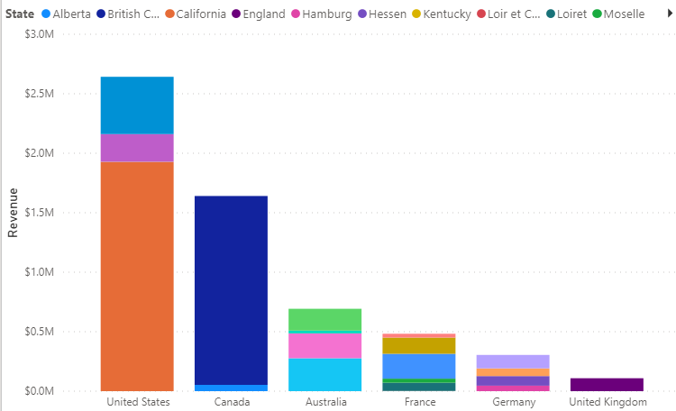

Create a pie chart to display the proportion in which each region is contributing towards the final revene.
Place Region to Legend and Revenue to Values

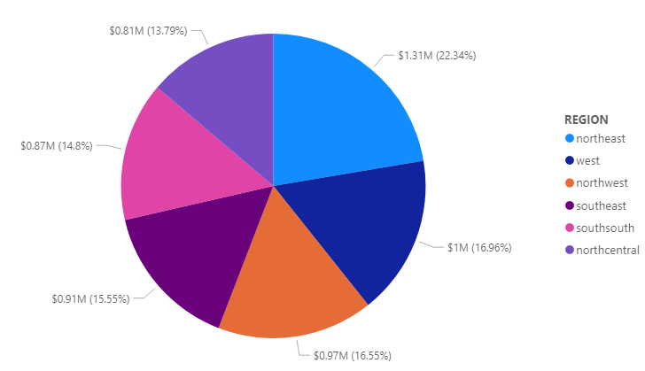

Deepdive : Revenue Analysis by Demographic informations

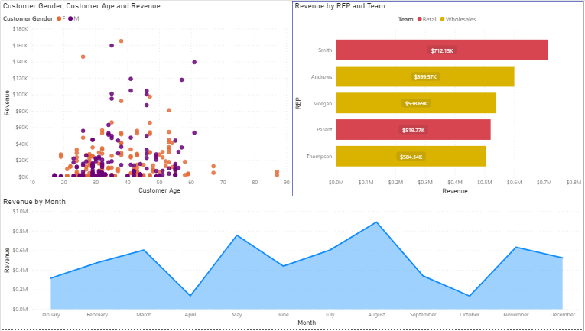

Functionality required

Create a scatter plot by dropping Customer Age on X-axis and Revenue on Y-axis
Drop Customer Gender to legends to see the distribution Gender wise
Change the colors of the legends using the formating options

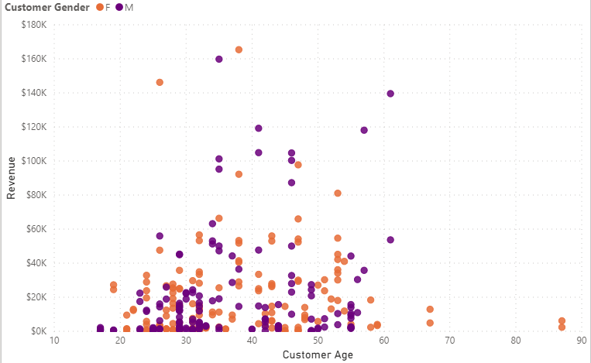

Create a bar chart with REP on Axis Revenue on Values and Team on Legend
Filter the bar chart with Top 5 REP by Revenue to see Top 5 REP
Use formatting to change colors, display number on the bars and add borders to the window

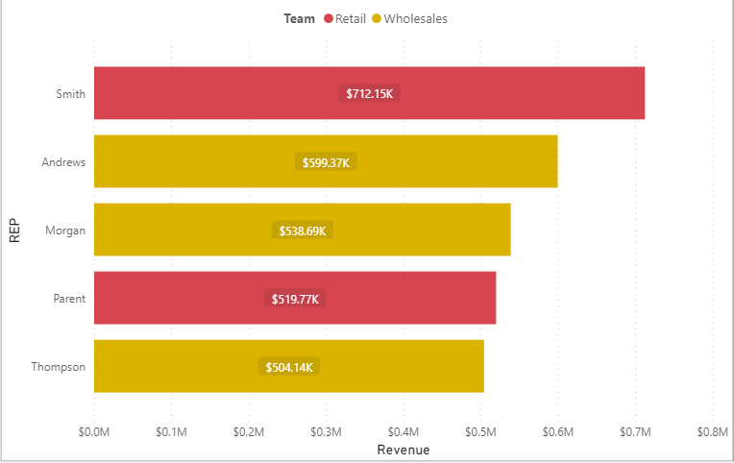

Create a line chart to display revenue by month by dropping Month to Axis and Revenue to Values

