Start
 |  |  | MaPS Out of Specification Run Report
 |  |  | Setup

Set Your Units
Depth | m

Instructions for Use
This report template is intended for BHI internal reporting as well as for customer notification of an operation out of specification (OOS). It also provides forms for reporting of tool damage and for reporting a client's refusal to follow BHI operational recommendations. Client well site representatives have refused to sign an OOS incident reports detailing damage to Baker Hughes Equipment as they perceive it as an admission of liability. This has made it difficult to collect DBR from the client's organization due to the lack of documentation. In these cases, the client's representative should be asked to complete a Tool Damage Report, which is equivalent to a witness statement. In instances where a client representative, at the well site, acts contrary to Baker Hughes operational recommendations, but does not increase HSE risk, a Recommendation form should be completed. The client representative at the well site should be asked to sign this form and the operations coordinator should be notified. The client's office based organization should also be notified in compliance with their reporting protocols. (See OPS-GLB-En-104397 Wellsite Operations Recommendations-Drilling Services) Per run only one OOS Run Report file must be used. Per OOS incident an individual OOS Incident Report has to be completed. All OOS Incident Reports of a run must be contained in the run’s OOS Run Report. An OOS Incident Report is a worksheet in the OOS Run Report. The OOS Incident Report captures relevant data of an OOS incident. There can be multiple OOS Incident Reports per run but all must be contained in one file, the OOS Run Report. The print-out of the OOS Incident Report is called Customer Notification Document. A correctly used Customer Notification Document certifies proper customer communication. To report a new OOS , Tool Damage, or Recommendation incident: 1.

Note
Do not generate multiple Excel files (OOS Run Reports) to report several OOS incidents occurred during a run. There must be only one file per run which documents all OOS incidents of that run. Data in the Reference Data section can only be entered or changed on top of the first OOS Incident Report (worksheet: OOS Incident (1) ). Subsequent Reference Data fields will get populated accordingly. Enter data into the pre-defined fields only. Do not change the structure of this template. Do not manually create new worksheets (use only the above described procedure). Do not delete the worksheets OOS Incident (1) and Setup (other may be deleted, if necessary). Any failure in following these instructions may lead to an invalid file and can prevent an upload into MaPS.

Generic OOS Reporting Flow
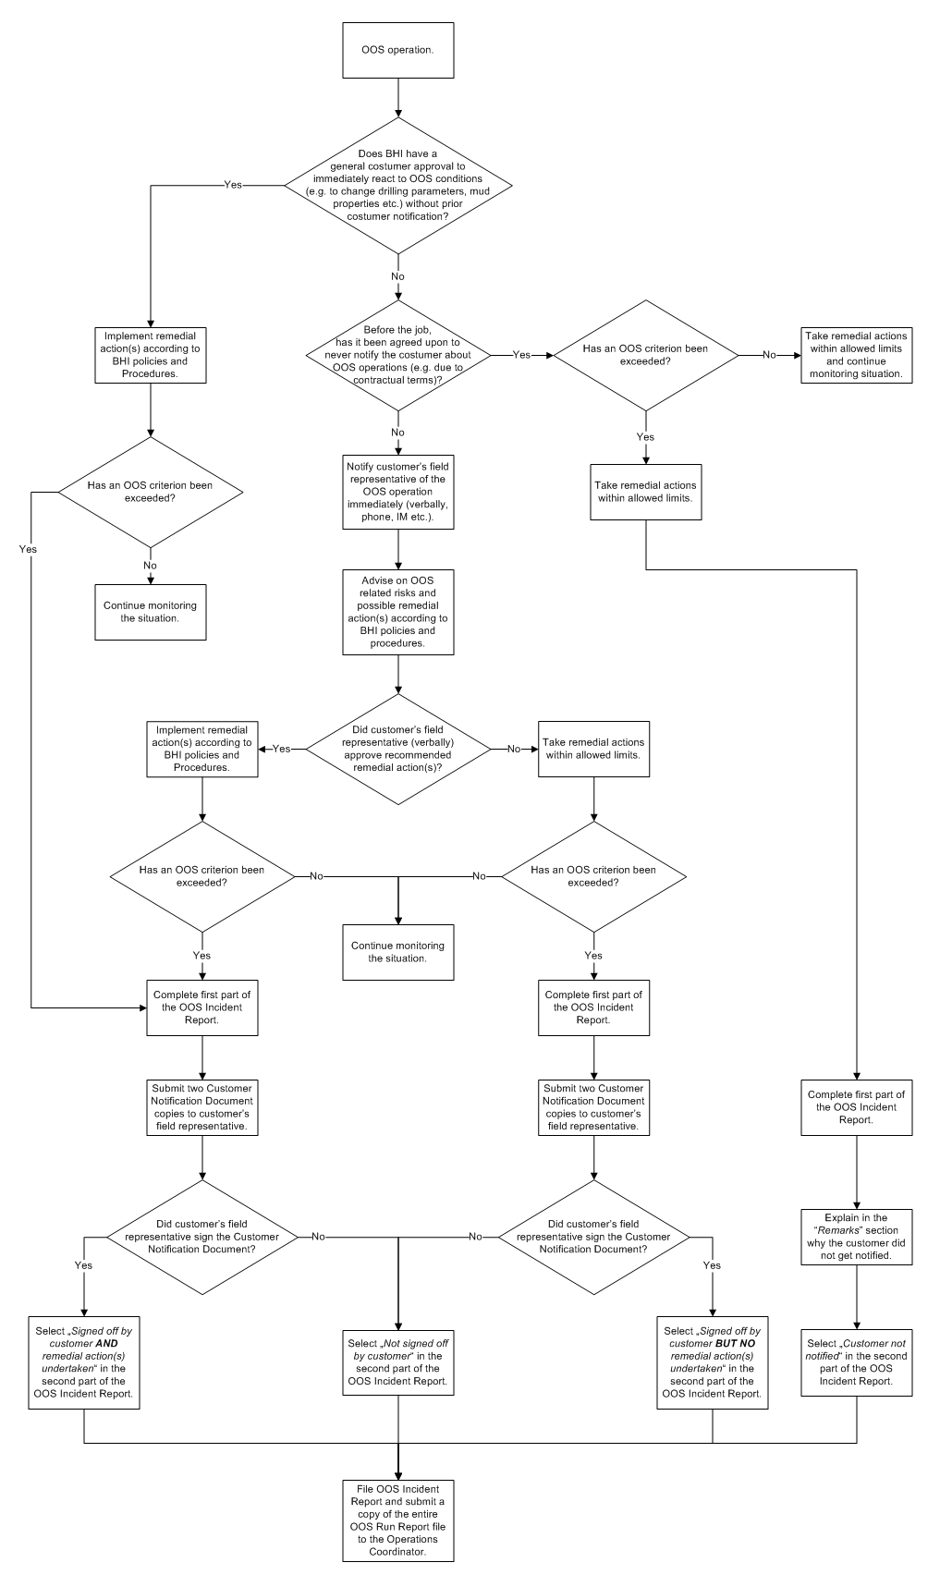

GOP-20-10-0000-00-02 Rev. F
Template-Version |  | 1.10
Issuing Date: |  | 2011-05-28

