User Story1
User Story 1 API Testing Creating The Collection
Description:
As mentioned above you will need to use the API spec to write tests in Postman. Below is the list of the API’s that
you will need to test A2- A9. The API spec does not have all the response bodies, this is done deliberately as you
will need to find out what are all the possible responses and then document this in an excel sheet. Remember what
you can do on the UI you can do using API so you should be coming up with similar test cases that you have written
in part 1 and 2.

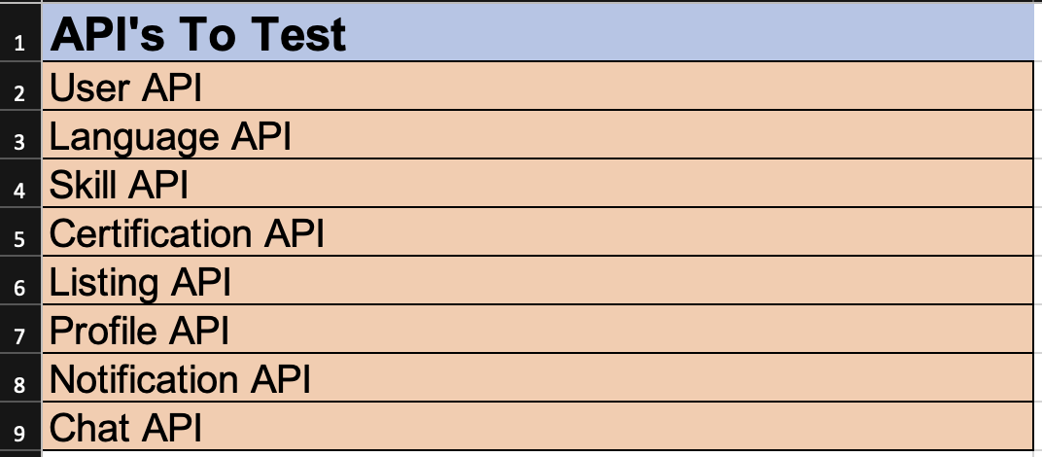

Use Case:
Given that an API is exposed
As a user I would like to be able to test the features that Project Mars offers.
So that I can validate that most of the Project Mars features are correctly working.
Acceptance Criteria:
o To come up with test cases, all test cases are covered! (see tips it is important that you know what tests
you can and cannot test. If there is a scenario that you cannot test please explain why you cannot test
this).
o API Matrix used and have tested what is mentioned in the API matrix.
o API tests done using Postman.
o Excel sheet is provided with the response for all test scenarios that you have tested.
o Request and Response schema is tested.
o Added test cases in the test panel for Postman.

