Sheet4
Stratum 1 | Stratum 2 | Stratum 3
78 | 40 | 30
87 | 46 | 28
71 | 42 | 29
88 | 58 | 24
76 | 60 | 26 | a) Compute the overall population mean and population mean square
99 | 55 | 21 | b)Calculate a stratified sample of size 15 by using
98 | 49 | 34 | i) equal allocation
86 | 54 | 28 | ii) Propotional Allocation
75 | 61 | 36 | ii) Neyman allocation
92 | 48 | 27
 | 58 | 26 | work out the relative efficiency of stratified sample mean based on each of the avobe mentioned
 | 44 | 32 | allocation with respect to the SRS mean for the sam esample size. Assume that the sampling is WOR
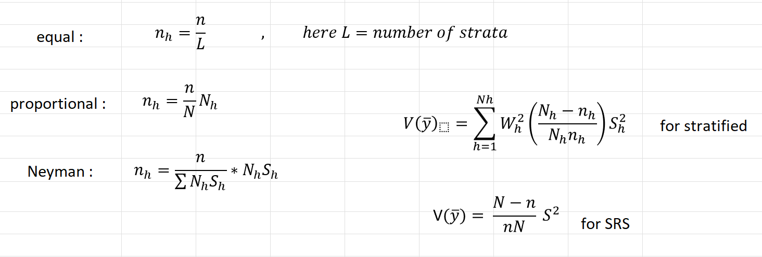
 | 52 | 24
 | 54 | 25
 | 46 | 29
 | 57 | 23
 | 50 |  |  | Y.bar | S^2
 | 48 |  |  | 49.78 | 453.68530612
 | 44
 | 50
 | 47 |  |  |  |  | N1 | N2 | N3
 | 50 |  |  |  |  | 10 | 24 | 16
 | 41 |  |  |  |  | W1 | W2 | W3
 | 43 |  |  |  |  | 0.2 | 0.48 | 0.32
 |  |  |  |  |  | S1^2 | S2^2 | S3^2
 |  |  |  |  |  | 94.888888889 | 38.027173913 | 16.25
 |  |  |  |  |  | S1 | S2 | S3
 |  |  |  |  |  | 9.7410927975 | 6.1666177045 | 4.0311288741
 |  |  |  |  |  | N1*S1 | N2*S2 | N3*S3 | Total=sum(Nh*Sh)
 |  |  |  |  |  | 97.410927975 | 147.99882491 | 64.498061986 | 309.90781487

 |  |  |  |  |  |  |  |  |  |  | equal
 |  |  |  |  |  |  |  |  |  |  | n1 | 5
 |  |  |  |  |  |  |  |  |  |  | n2 | 5
 |  |  |  |  |  |  |  |  |  |  | n3 | 5
 |  |  |  |  |  |  |  |  |  |  | Veq | 1.9955868599

 |  |  |  |  |  |  |  |  |  |  | prop
 |  |  |  |  |  |  |  |  |  |  | n1 | 3 | 3
 |  |  |  |  |  |  |  |  | 0.3 |  | n2 | 7.2 | 7
 |  |  |  |  |  |  |  |  |  |  | n3 | 4.8 | 5
 |  |  |  |  |  |  |  |  |  |  | Vprop | 2.0010060271

 |  |  |  |  |  |  |  |  |  |  | Neyman
 |  |  |  |  |  |  |  |  |  |  | n1 | 4.7148340555 | 5
 |  |  |  |  |  |  |  |  | 0.048401489993 |  | n2 | 7.1633636427 | 7
 |  |  |  |  |  |  |  |  |  |  | n3 | 3.1218023018 | 3
 |  |  |  |  |  |  |  |  |  |  | Vney | 1.7167986197

 |  |  |  |  |  |  |  |  | Vsrs
 |  |  |  |  |  |  |  |  | 21.171980952

 |  |  |  |  |  |  |  |  | RE(eq vs srs) | 10.609400862 | >1
 |  |  |  |  |  |  |  |  | RE(prop vs srs) | 10.580668256 | >1
 |  |  |  |  |  |  |  |  | RE(ney vs srs) | 12.332244859 | >1

