What's New Selenium4
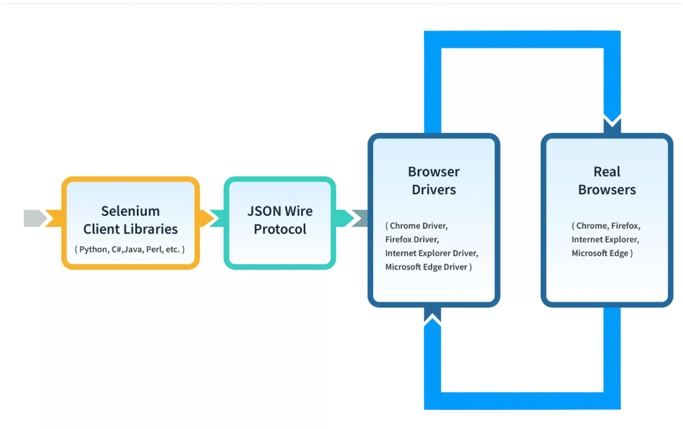
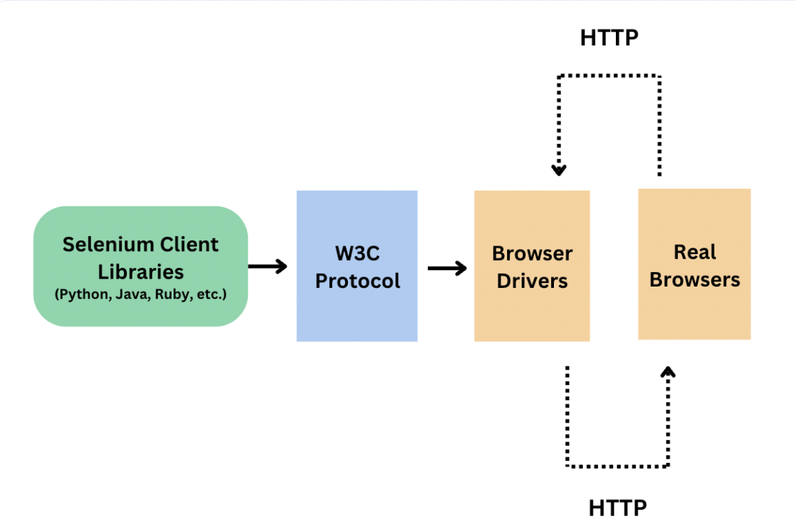
Sr. | What's new in Selenium 4 - Area | More Details
1 | Enhanced Selenium Grid | Didn't use it much so no idea about it
2 | Enhanced Selenium IDE | Didn't use it much so no idea about it
3 | Enhanced Locators - Relative locators | Couple of more locators got introuced like: to left of , to right of, above and below
4 | Improved Documentation | Documents are more refined having neat UI and navigations,
5 | Better Window and Tab Management | In case to perform any action in new window, earlier object creation was required but now it has beeter approach: driver.switch().newWindow(WindowType.window); driver.navigate.to("url");
6 | Deprecation of Desired Capabilities | Instead of desired capabilities, we have browser options. Chrome - ChromeOptions etc.
7 | Modification in action Class | Several new methods have been added to Actions Class such as : click(webElement) clickAndHold(WebElement) contextClick(WebElement) doubleClick(WebElement) release()

 | Selenium 3 | VS | Selenium 4

Excel Reader
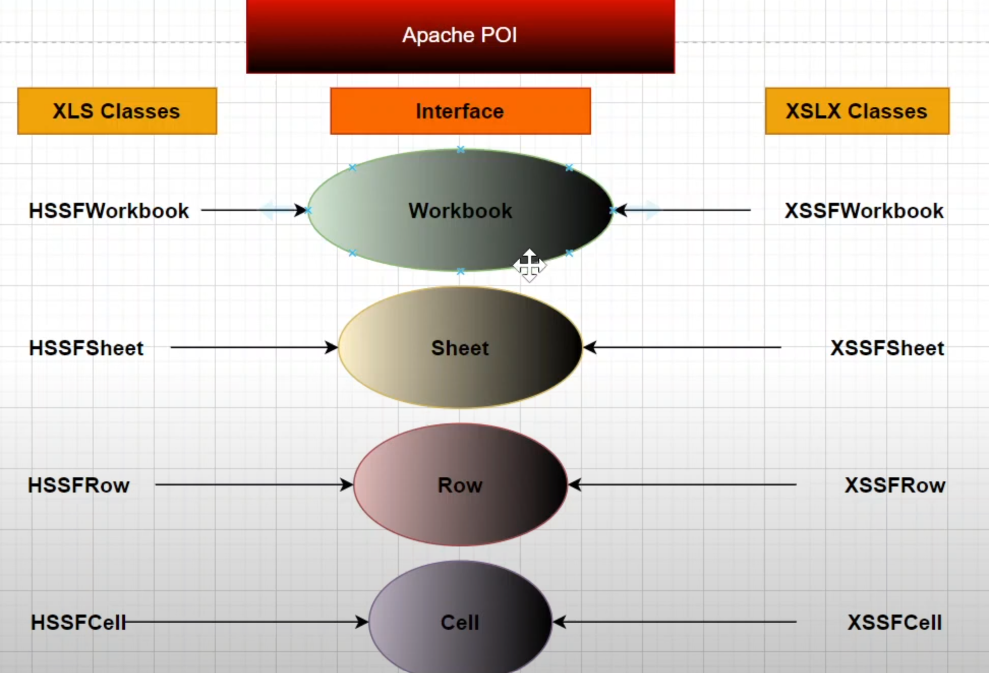
FileInputStream | To open a file in read only mode - we need to pass the path of the file

Interface | Classes
Workbook | XSSFWorkbook | XSSFWorkbook workbook = new XSSFWorkbook(FileInputStream variable)
Sheet | XSSFSheet | XSSFSheet sheet = workbook.getSheet("sheetname");
Row | XSSFRow
Cell | XSSFCell

 | To read data from Excel | public static FileInputStream file; public static XSSFWorkbook workbook; public static XSSFSheet sheet; public static void main(String[] args) { try { file = new FileInputStream("C:\\eclipse-workspace\\DataDrivenProject\\src\\test\\resources\\testdata\\testdata.xlsx"); workbook = new XSSFWorkbook(file); sheet = workbook.getSheet("Sheet1"); }catch(Exception e) { System.out.println("Something went wrong"); } int rows = sheet.getPhysicalNumberOfRows(); for(int i=0;i<rows;i++) { String username = sheet.getRow(i).getCell(0).getStringCellValue(); String password = sheet.getRow(i).getCell(1).getStringCellValue(); System.out.println("Username : "+username+ "Password : "+ password); }

