Pluto Brush less 2wd FINAL
Example for 2WD Brushless motor, chassis self made (T Extrustion)
Design Constrain: 2WD, wheel d150mm, Duration 10 min@5km/h, Max speed >= 5 km/h, slope up to 20deg. on medium off road terrain (High capacity battery required) |  |  |  |  |  |  |  |  |  |  |  |  |  | See tool for calculation
SubSystem1 | Subsystem 2 | Element | Description | Responsible | Order Priority | Status | Online shop | Datasheet | Number | Cost per unit | Cost Subsystem | Total
 |  |  |  |  |  |  |  |  |  |  |  |  |  | https://drive.google.com/open?id=1l_YOlK2KseSpAS4vnRMKyk-KI6XYzfqz

PowerTrain |  |  |  |  |  |  |  |  |  |  | 227.5
 | PSU
 |  | DC DC Converter (5V-40V)->5V step down | LM2596S DC-DC Power Supply Step Up/Step Down | Lawrence | immediately | arrived | https://www.amazon.de/gp/product/B07DP3JX2X/ref=ppx_yo_dt_b_asin_title_o01__o00_s00?ie=UTF8&psc=1 | https://drive.google.com/open?id=1Ybn8TQpzpbQnKky5Il-rgcFz2kTBvyQR | 1 | 10.49 |  | 10.49
 |  | DC DC Converter (3V-32V)->12V step up | DC 4.5-30V to DC 1-30V 12A Buck Converter Step Down LED Car Power Supply | Lawrence | immediately | arrived | https://www.amazon.de/gp/product/B00HV4EPG8/ref=ppx_yo_dt_b_asin_title_o00_s00?ie=UTF8&psc=1 |  | 1 | 8.99 |  | 8.99
 |  | battery | Turnigy nano-tech 5000mAh 2S 25~50C Lipo Pack w/XT-90 | Marius | immediately | arrived | https://hobbyking.com/en_us/turnigy-nano-tech-5000mah-2s-25-50c-lipo-pack-xt-90.html |  | 2 | 24 |  | 48
 |  | battery low voltage alarm |  | Marius | immediately | arrived | https://hobbyking.com/en_us/hobbykingtm-lipo-voltage-checker-2s-8s.html |  | 1 | 3 |  | 3 | Charateristcs breaking curve for current breaker ETA
 |  | Current Braker (motors protection) |  | Lawrence |  | arrived | Easy to find in shop like bauhaus et similar | https://new.abb.com/products/2CDS251001R0205/miniature-circuit-breaker-s200-1p-b-20-ampere | 2 | 4.05 |  | 8.1
 |  | IP65 Box + Accessories + Cables |  | Lawrence |  | arrived | https://uk.rs-online.com/web/p/junction-boxes/0454955/ |  | 1 | 12.5 |  | 12.5
 |  | Internal Battery Power Distribution | Distribute a high current draw from the battery to subsystem and ESCs | Lawrence |  | arrived | Easy to find in shop like bauhaus et similar |  | 2 | 2.59 |  | 5.18
 | Motors
 |  | Motor |  | Lawrence |  | Arrived | https://hobbyking.com/en_us/trackstar-1-10th-brushless-sensored-motor-v2-25-5t-for-f1.html?___store=en_us |  | 2 | 26.37 |  | 52.74
 |  | ESC |  | Lawrence |  | arrived | https://hobbyking.com/en_us/trackstar-genii-120a-1-10th-scale-sensored-brushless-car-esc-roar-brca-approved.html |  | 2 | 33.25 |  | 66.5
 |  | Programmer per ESC | Needed to program motor configuration. | Lawrence |  | arrived |  |  | 1 | 12 |  | 12

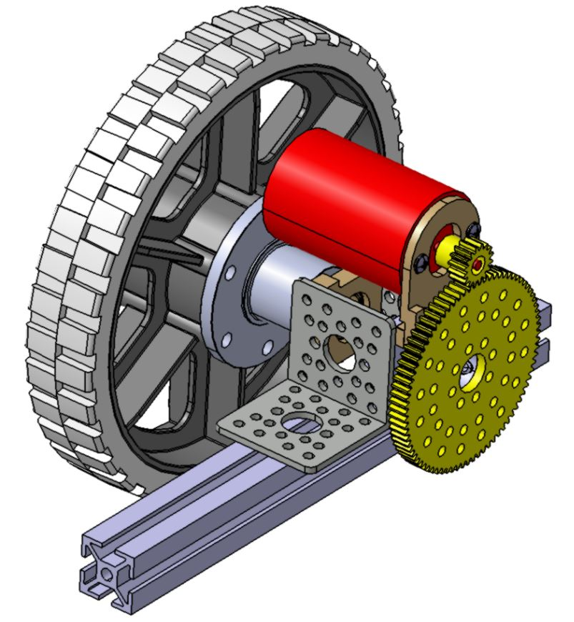
Transmission |  |  |  |  |  |  |  |  |  |  | 229.6
 | Transmission and wheels
 |  | Actobotics 16T Gearmotor Pinion Gear (1/8") | 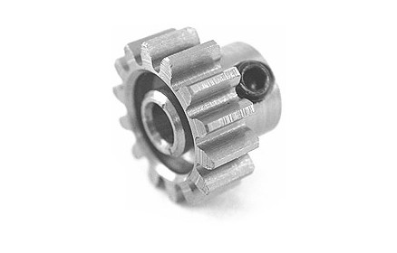 | Yuchi | immediately | arrived | https://www.servocity.com/0-125-1-8-bore-32p-shaft-mount-pinion-gears-steel |  | 2 | $5.99 |  | $11.98
 |  | Actobotics 80T Aluminum Hub Gear (1/2") | 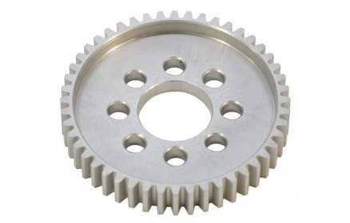 | Yuchi | immediately | arrived | https://www.servocity.com/32-pitch-50-bore-aluminum-hub-gears |  | 2 | $12.99 |  | $25.98
 |  | Actobotics 1/2" Ball Bearing Quad Pillow Block | 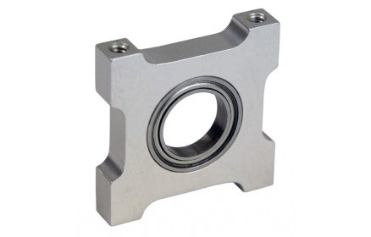 | Yuchi | immediately | arrived | https://www.servocity.com/500-bore-quad-pillow-block |  | 2 | $7.49 |  | $14.98
 |  | 90° Angle Aluminium Channel Bracket | 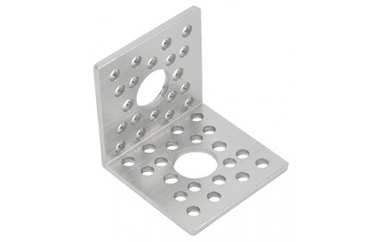 | Yuchi | immediately | arrived | https://www.servocity.com/90-single-angle-channel-bracket |  | 4 | $1.59 |  | $6.36
 |  | 90° Dual Side Mount C (2 pack) | 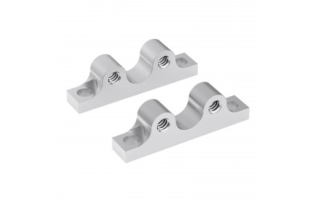 | Yuchi | immediately | arrived | https://www.servocity.com/90-dual-side-mount-c |  | 2 | $5.99 |  | $11.98
 |  | 1/2" Bore, Face Thru-Hole Pillow Block | 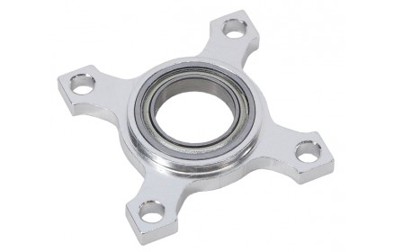 | Yuchi | immediately | arrived | https://www.servocity.com/0-500-1-2-bore-flat-bearing-mount |  | 2 | $6.99 |  | $13.98
 |  | Aluminum Motor Mount C | 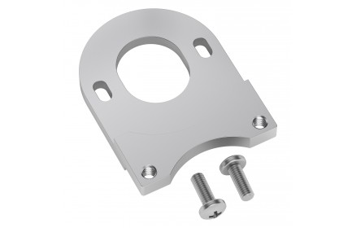 | Yuchi | immediately | arrived | https://www.servocity.com/aluminum-motor-mount-c |  | 2 | $4.99 |  | $9.98
 |  | 1/2" Bore 0.770" Pattern Set Screw Hubs | 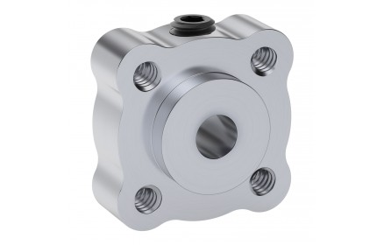 | Yuchi | immediately | arrived | https://www.servocity.com/770-set-screw-hubs |  | 2 | $4.99 |  | $9.98
 |  | 6-32 Zinc-Plated Socket Head Machine Screws (25 pack) |  | Yuchi | immediately |  | https://www.servocity.com/6-32-zinc-plated-socket-head-machine-screws |  | 2 | $2.19 |  | $4.38
 |  | 6" HiGrip Rubber Wheel | 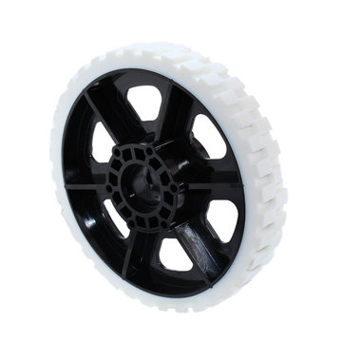 | Yuchi | immediately |  | https://www.andymark.com/products/6-in-higrip-wheel-80-durometer-white | https://andymark-weblinc.netdna-ssl.com/media/W1siZiIsIjIwMTgvMTIvMDYvMDkvMjQvNTIvNzE2NTRkYTYtNTVmMi00NDRiLWI0OTMtYWNkNTM0NzJjOWUzL2FtLTA5NDBiIDYgSGlHcmlwLlBERiJdXQ/am-0940b%206%20HiGrip.PDF?sha=9558632822da2fa7 | 2 | $12 |  | $24
 |  | 500 Key Hub | 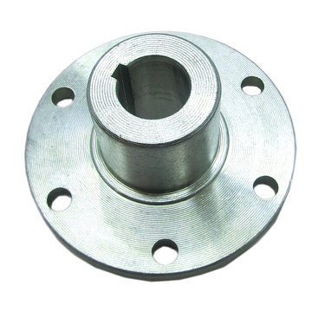 | Yuchi | immediately |  | https://www.andymark.com/products/1-2-in-key-hub | https://andymark-weblinc.netdna-ssl.com/media/W1siZiIsIjIwMTgvMTIvMjcvMTMvMzUvMTgvY2ZmNGZmMWYtMGFhZC00NDUyLTkxMTgtYTUyZjhlNDVhYjgyL2FtLTAwNzdhIDUwMCBLZXkgSHViIHIyLnBkZiJdXQ/am-0077a%20500%20Key%20Hub%20r2.pdf?sha=a3dc8b46cc276fba | 2 | $11 |  | $22
 |  | 1/2 in. Diameter Steel Shaft stock, 1/8 in. keyway, 30 in. long | 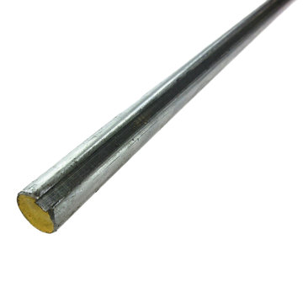 | Yuchi | immediately | arrived but still need to modify | https://www.andymark.com/products/1-2-in-diameter-steel-shaft-stock-1-8-in-keyway-30-in-long |  | 1 | $35 |  | $35
 |  | 1/8x1/8x0700 Machine Key, steel | 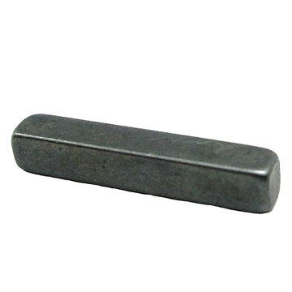 | Yuchi | immediately |  | https://www.andymark.com/products/1-8x1-8x0700-machine-key-steel |  | 2 | $0.80 |  | $1.60
 |  | 1/2" Bore External Retaining Rings | 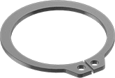 | Yuchi | immediately |  | https://www.mcmaster.com/retaining-rings |  | 4 | $1 |  | $4
 |  | 10-24x3/4 Thread Forming Screw | 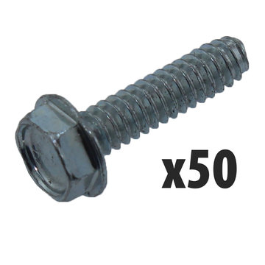 | Yuchi | immediately |  | https://www.andymark.com/products/10-24x3-4-thread-forming-screw-qty-50 |  | 1 | $8.50 |  | $8.50
 |  | 150mm*2 Caster Wheel |  | Hari -> possibly change to Akash | immediately |  | https://www.amazon.de/dp/B074CHYYGZ/ref=sspa_dk_detail_0?psc=1&pd_rd_i=B074CHYYGZ&pd_rd_w=5wanu&pf_rd_p=00903874-3af0-47e0-8622-ee58087f71cf&pd_rd_wg=B3GWg&pf_rd_r=3NWTPV8S83QMRN30F007&pd_rd_r=7ddff28a-5b84-11e9-bd2d-bf9d08d914c6 |  | 1 | 24.9 |  | 24.9

Control System |  |  |  |  |  |  |  |  |  |  | 139.06
 | Collision Sensor
 |  | Kindly Provided By Sick AG |  |  |  | arrived |  |  | 0 | 150 |  | 0
 |  | GPS Sensor |  | Lawrence | if lawrences does not work | arrived | https://www.amazon.com/DIYmall-AeroQuad-Antenna-Arduino-Aircraft/dp/B01H5FNA4K/ref=sr_1_2?ie=UTF8&qid=1547746187&sr=8-2&keywords=NEO-6M+GPS |  | 1 | 16 |  | 16
 | Gyroscope Sensor |  |  |  |  |  |  |  |  |  |  | 0
 |  | IMU 9-axis MEMS | IMU9250 | Lawrence | if lawrences does not work | Arrived | https://learn.sparkfun.com/tutorials/mpu-9250-hookup-guide/all | https://drive.google.com/open?id=1dRjt3UMMjP896em-xm5fmaOpkGPW5XrO | 1 | 15 |  | 15
 | Control Board
 |  | uController | Arduino/Tensy | Lawrence | Optional: a spare part could be ordered Supply time 2 ~3 days | arrived | https://www.pjrc.com/store/teensy32.html | https://drive.google.com/open?id=1uS-prpvCoHJ9Of4JZJwGYcFk07DLQZKW | 1 | 23.89 |  | 23.89
 |  | - Raspberry Pi - accessories (SD Card 16 GB) | Main Board | Lawrence | Can be easily bought online and in shops (kronenplatz, conrad), Wait until we dont know exactly dimensions Supply time, 2~3 days | arrived | https://www.amazon.de/UCreate-Raspberry-Pi-Desktop-Starter/dp/B07BNPZVR7/ref=sr_1_7?s=computers&ie=UTF8&qid=1547747309&sr=1-7&keywords=raspberry+pi+3+b%2B |  | 1 | 45.38 |  | 45.38
 |  | IP65 Box + Accessories + Cables etc | Mounting Box | Lawrence | Can be easily bought in many shop, Wait until we dont know exactly dimensions Supply time, hours | Arrived | https://uk.rs-online.com/web/p/junction-boxes/0454955/ |  | 1 | 12.5 |  | 12.5
 | HUI (NOT IMPLEMENTED)
 |  | Display |  | Lawrence | wait until specified | Available from an old kit | https://www.amazon.de/AZDelivery-HD44780-Display-Schnittstelle-Hintergrund/dp/B01N3B8JMN?ref_=fsclp_pl_dp_1 |  | 1 | 6.29 |  | 6.29
 |  | Buttons |  | Lawrence | wait until specified |  |  |  | 5 | 2 |  | 10
 |  | LED |  | Lawrence | wait until specified |  |  |  | 5 | 2 |  | 10

Chassis/ Frame |  |  |  |  |  |  |  |  |  |  | 64.25
 | body | Handgriff Pi 80 M5, |  | Akash |  | arrived | https://product.item24.de/en/products/product-catalogue/products/handles-pi-1001371722/ |  | 2 | 3.91 |  | 7.82
 |  | Lenkrolle D75 |  | Akash |  | arrived | https://product.item24.de/en/products/product-catalogue/productdetails/products/castor-swivel-1001042865/castor-d75-swivel-42014/ |  | 2 | 11.35 |  | 22.7
 |  | Abdeckkappe 5 20x20 |  | Akash |  | arrived | https://product.item24.de/en/products/product-catalogue/productdetails/products/caps-for-profiles-in-modular-dimensions-1001042804/cap-5-20x20-black-37009/ |  | 5 | 0.4 |  | 2
 |  | Profil 5 20x20 / 1000mm |  | Akash |  | arrived | https://product.item24.de/en/products/product-catalogue/productdetails/products/construction-profiles-5-1001042368/profile-5-20x20-natural-37003/ |  | 2 | 7.07 |  | 14.14
 |  | Saw Cut for Small Cross-Sections |  | Akash |  | arrived | https://product.item24.de/en/products/product-catalogue/productdetails/products/saw-cut-for-cross-sections-1001052052/saw-cut-for-small-cross-sections-2630/ |  | 2 | 2.8 |  | 5.6
 |  | Angle Stainless Steel Corner Brackets |  | Akash |  | arrived | https://www.amazon.de/gp/product/B073TVD22W/ref=ppx_yo_dt_b_asin_title_o03_s00?ie=UTF8&psc=1 |  | 1 | 11.99 |  | 11.99

Beer container |  |  |  |  |  |  |  |  |  |  | 35
 | Fridge
 |  | Container + Refrigerator | Even smaller with 7,5l Dimensions: 30 x 18 x 31 cm | Tibor | immediately | arrived | https://www.amazon.de/Lescars-Autok%C3%BChlschrank-Thermoelektrische-Getr%C3%A4nkehalter-Elektrische/dp/B06XJBDLF1/ref=sr_1_5?__mk_de_DE=%C3%85M%C3%85%C5%BD%C3%95%C3%91&keywords=mini+k%C3%BChlschrank+12v&qid=1554673081&refinements=p_36%3A-8000&rnid=389413011&s=sports&sr=1-5 |  | 1 | 35 |  | 35

Tools, Accessories |  |  |  |  |  |  |  |  |  |  | 114.18
 |  | aviation connector plug. | External connectors, 4-pin 5-pin 8-pin male and female connector, aviation wire connector set, hard plastic end cable connector, straight metal plug. | Lawrence |  | Arrived | https://www.amazon.de/gp/product/B07KW15CHW/ref=ppx_yo_dt_b_asin_title_o02_s01?ie=UTF8&psc=1 |  | 1 | 13.99 |  | 13.99
 |  | USB cable | Teensy - Pi | Lawrence |  | Arrived | https://www.amazon.de/gp/product/B07F1NQFW6/ref=ppx_yo_dt_b_asin_title_o06_s00?ie=UTF8&psc=1 |  | 1 | 6.99 |  | 6.99
 |  | JST connectors | Several connectors | Lawrence |  | Arrived | https://www.amazon.de/gp/product/B07QMSTXPY/ref=ppx_yo_dt_b_asin_title_o03_s00?ie=UTF8&psc=1 |  | 1 | 8.96 |  | 8.96
 |  | Izokee Connector set | 2,54 mm JST XHP JST Connector Kit – Pin Header 2,54 mm | Lawrence |  | Arrived |  |  | 1 | 11.99 |  | 11.99
 |  | Set of silicon cables | Cable for several connections | Lawrence |  | Arrived | https://www.amazon.de/gp/product/B07G712KWJ/ref=ppx_yo_dt_b_asin_title_o07_s02?ie=UTF8&psc=1 |  | 1 | 17.99 |  | 17.99
 |  | Charger 1-6cells |  | Lawrence |  | arrived | https://www.amazon.de/gp/product/B07JGPPBZF/ref=ppx_yo_dt_b_asin_title_o06_s00?ie=UTF8&psc=1 |  | 1 | 34.99 |  | 34.99
 |  | Grease Spray | Used to grease the transmission's gears | Lawrence |  | arrived | Shop |  | 1 | 3.9 |  | 3.9
 |  | Schreiben Sicherer | Lock screws | Lawrence |  | arrived | Shop |  | 1 | 7.83
 |  | battery connector | xt90 male | Marius | immediately | arrived | https://hobbyking.com/de_de/nylonxt90connectorsmale-female-5pairs.html?wrh_pdp=1 |  | 1 | 5.08 |  | 5.08
 |  | battery connector cable red 10AWG |  | Marius | immediately | arrived | https://hobbyking.com/de_de/turnigy-high-quality-10awg-silicone-wire-1m-red.html |  | 1 | 3.26 |  | 3.26
 |  | battery connector cable black 10AWG |  | Marius | immediately | arrived | https://hobbyking.com/de_de/turnigy-high-quality-10awg-silicone-wire-1m-black.html |  | 1 | 3.15 |  | 3.15
 |  | cable charger - battery |  | Marius | immediately | arrived | https://hobbyking.com/de_de/xt90-to-banana-plug-charge-lead-adapter.html |  | 1 | 3.88 |  | 3.88

 |  |  |  |  |  |  |  |  |  | total | 809.59 | 809.59

