Spec
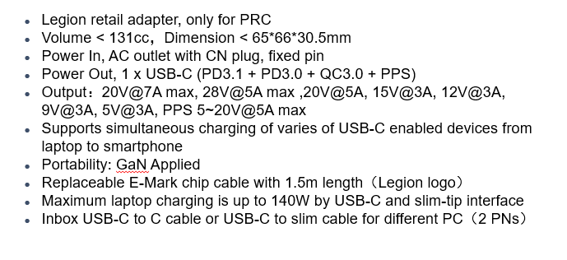

Electronic Test
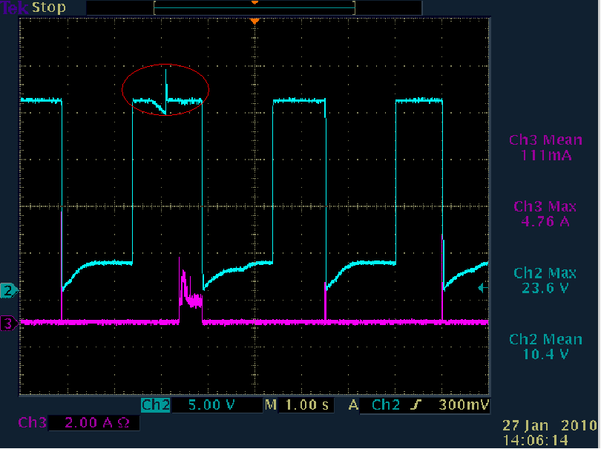
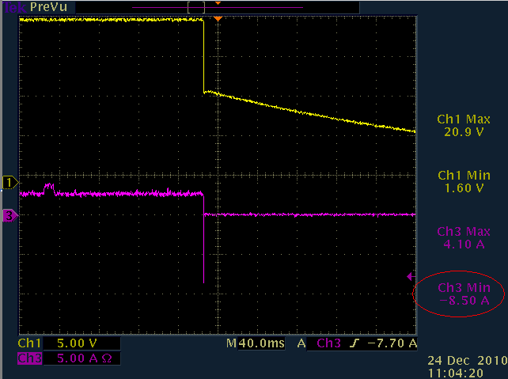
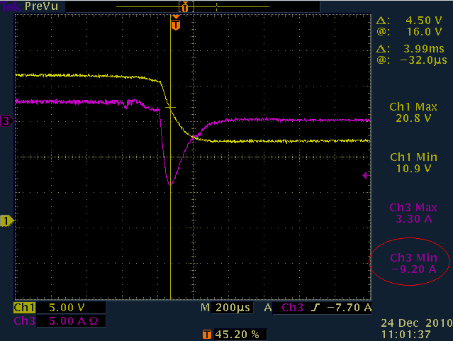
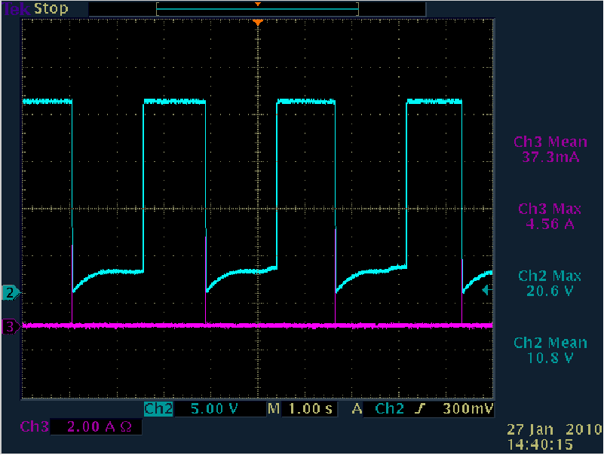
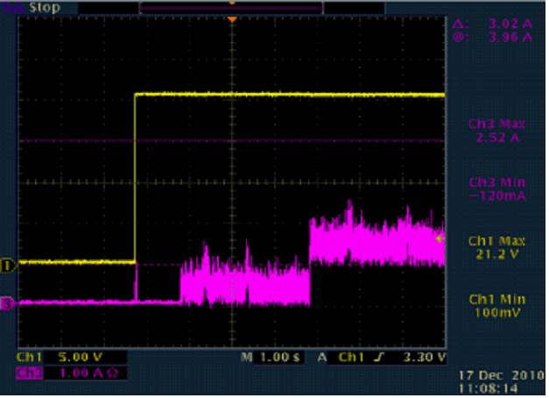
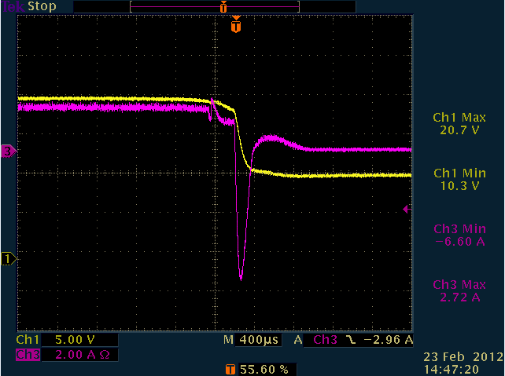
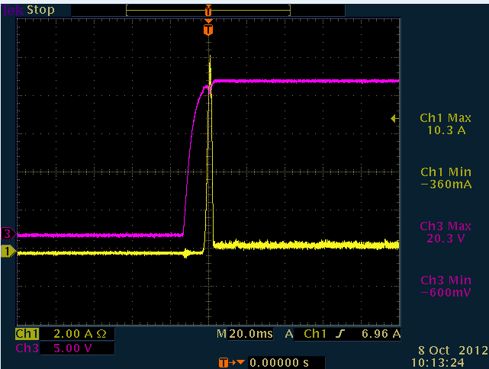
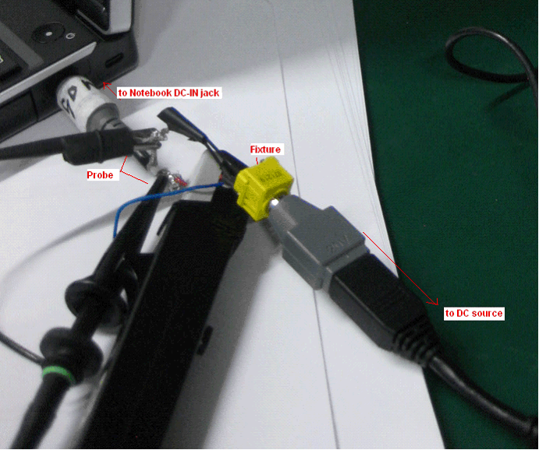
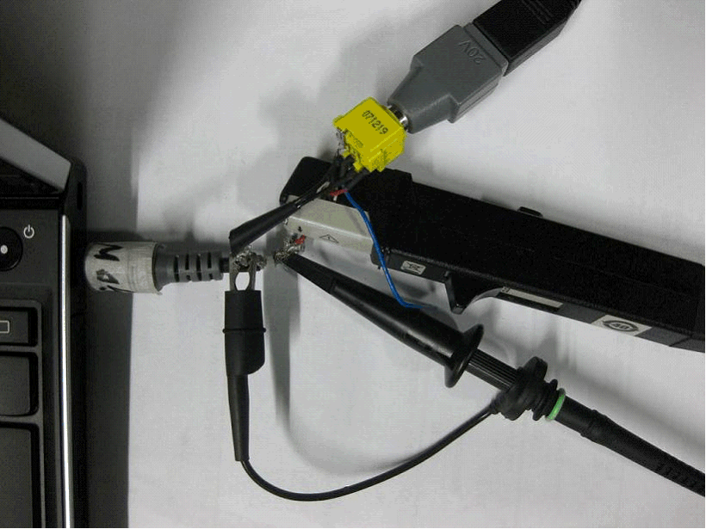
DC Inrush Current Measurement
Case No. | Case name | Test Item | Test Steps Description | Objective | Criteria | Expected Results | Test scope | Equipment / TOOL | comments
008-001 | DC Inrush Current Measurement | 220Vac @ 50Hz | 1. Attach Current and Voltage Probe to DC-in Jack cable. 2. Attach DC Output cable into the DC-in Jack which connected with ThinkPad , Trigger with power on/off initially. 3. Set up reasonable trigger level in the oscilloscope 4. Power on/off 5. Measure the DC inrush current(Verify Both Power-on & Power-off) Remark:When test Power off,make sure the battery is under charging status. 6. Repeat with DC output cable attached to ThinkPad initially. 7. Save each trigger for 3~5 times and select typical one to restore in the test report. If reverse current exist: the current value should less than 12A and last for 5 ms. | Measure the inrush current of the power adapter to thinkpad | 1.Less than 8A (Reference Value，compare with Inbox adapter and record the current) 2.the waveform should be monotone ascend. | Make sure the peak is lower than 8A and there's no reverse spike current when power on,and also make sure there's no inrush current or reverse spike appear when power off. | For PC: POST/OS/Powering off senarios/Low power state For OS version: Win10/Win11 For cable: Need unplug/plug AC cable and DC cable both end | Current Probe, Oscilloscope | Need save test result picture
 |  | 115Vac @ 60Hz |  |  |  |  |  |  | Need save test result picture
 |  | 20Vdc(for DC to DC product) |  |  |  |  |  |  | Need save test result picture
008-002 | Short Interval On-Off | 220Vac @ 50Hz | 1.Attach the Voltage and Current Probes to the Short Interval test fixture 2.Attach the output of the fixture into the DC-In jack of ThinkPad with power off initially. 3.Power on/off in short time period ( 1-2s/cycle). 4.Measure the short interval voltage and current waveform with oscilloscope 5.Repeat with DC output cable attached to ThinkPad initially. 6.Save each trigger for 3~5 times and select typical one to restore in the test report. 7.Make sure the voltage waveform has no abnormal. | Evaluate the On-Off Reliability of the Power Adapter | 1. Verify that ThinkPad system doesn’t hang up when perform the On-off cycling manually in very short time period. 2. Verify that Battery Information shown on the Power Manager is correct. 3. The output voltage of power adapter is still in regulation and works well. | 1.Current peak <8A and there's no reverse spike current when power on,and also make sure there's no inrush current or reverse spike appear when power off. 2. Make sure the waveform should be monotone ascend/descend when power on and off. | For PC: POST/OS/Powering off senarios/Low power state For OS version: Win10/Win11 For cable: Need unplug/plug AC cable and DC cable both end | Voltage Probe | Need save test result picture
 |  | 115Vac @ 60Hz |  |  |  |  |  |  | Need save test result picture
 |  | 20Vdc(for DC to DC product) |  |  |  |  |  |  | Need save test result picture

