How It Works
PostNow.ai
SAP data automation, from days to minutes.
PostNow turns Excel into a governed front end for SAP. Load, validate, post to SAP and report on mass data, with AI doing the tedious parts. It posts through SAP's own published interfaces, under your own user and authorisations, and every row is checked against your live system before anything is written.

One connection, one spreadsheet, the whole cycle.

Watch it first
 |  | Product demo | Excel to SAP Automation Demo: SAP BAPI and SAP Reporting with AI | https://www.youtube.com/watch?v=7IRx89itpQ8
 |  | Deep dive | SAP BAPI Tutorial: Excel to SAP FB50 Automation with BAPI_ACC_DOCUMENT_POST | https://www.youtube.com/watch?v=Cs7_wmZjX2k

How this file gets posted
 | 1 | Fill in this template
 |  | Use the Template tab. Mandatory columns are dark green. A mandatory cell left blank turns red as soon as the row is in use, so gaps show up before you leave the spreadsheet.

 | 2 | Open PostNow
 |  | Work in the Excel add-in or in PostNow Studio in the browser. Sign in to your SAP system with your own user, so you can only post what you could post in the GUI.
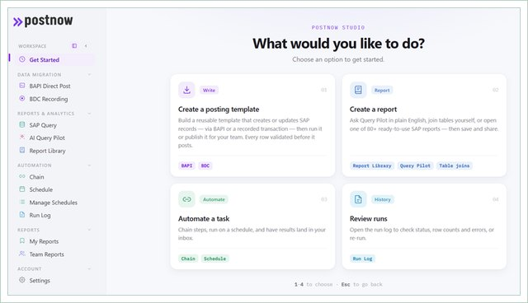

 |  | PostNow Studio. Everything starts from one screen.

 | 3 | Find the BAPI
 |  | For this template it is BAPI_ACC_DOCUMENT_POST. Search by name, by transaction code, or describe what you want in plain English and let AI suggest it.
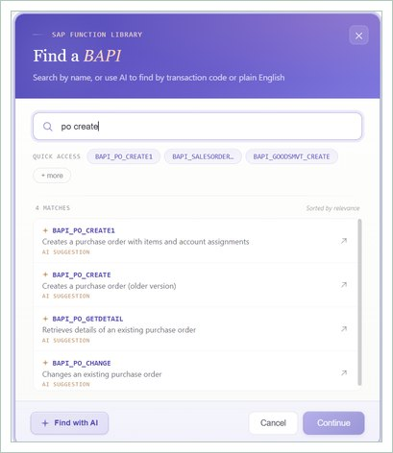

 |  | Search the SAP function library by name, transaction code or plain English.

 | 4 | Tell PostNow how your rows are grouped
 |  | This file is header and detail: an H row starts a document and the D rows under it are its line items. Point the loop at the Rec Type column and PostNow groups the rows into documents for you.
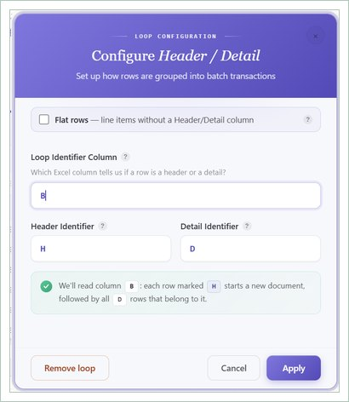

 |  | Loop configuration. Column A holds H and D.

 | 5 | Let Mapping AI read your file
 |  | Drop the spreadsheet in and Mapping AI reads your column headings and proposes the BAPI field mapping. You can also start from a screenshot of the SAP screen.
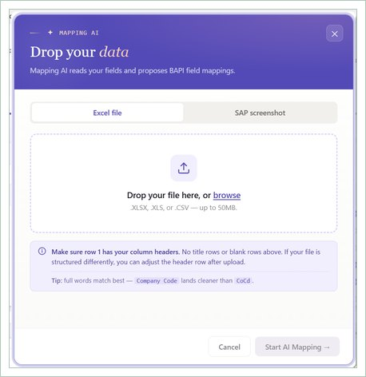

 |  | Drop the file in and AI proposes the BAPI field mapping.

 | 6 | Confirm the run settings
 |  | Confirm the document shape, which column carries the run log, and which row your data starts on. Save it once and the next file maps itself.
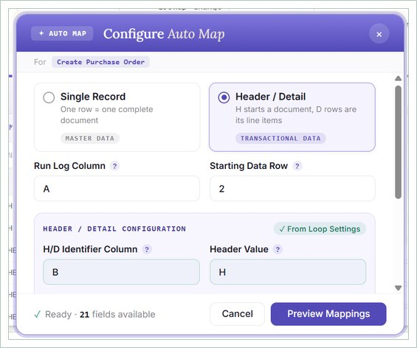

 |  | Document shape, run log column and starting row.

 | 7 | Review the field mapping
 |  | Every BAPI structure and field is listed beside the Excel column that feeds it, with type and length. Adjust anything specific to your configuration before you run.
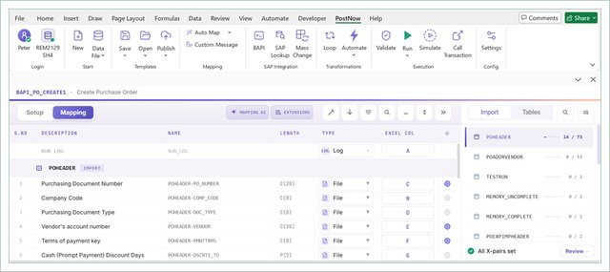

 |  | Every BAPI field beside the Excel column that feeds it.

 | 8 | Validate against live SAP
 |  | Every row is checked against your live system before anything posts. Errors come back onto the row that caused them, in the sheet, with the SAP message.
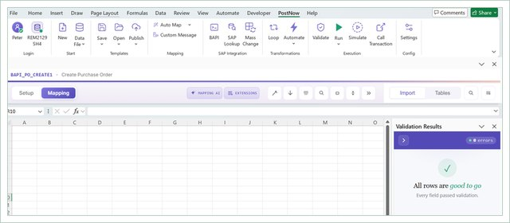

 |  | Validation results, checked against the live system.

 | 9 | Post
 |  | Valid rows post through the BAPI. Each document commits independently, so a partial failure leaves the good ones posted rather than rolling everything back.
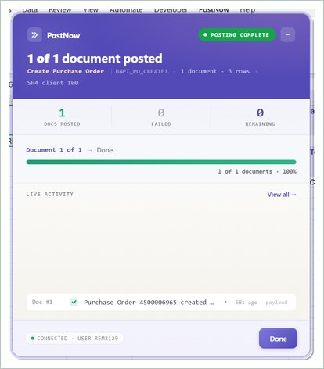

 |  | Documents post one by one, with a live count of posted and failed.

 | 10 | Get your keys back
 |  | SAP document numbers are written back next to the rows that created them, sliced out of the BAPI's OBJ_KEY. That is what you reconcile against, and what you keep for audit.
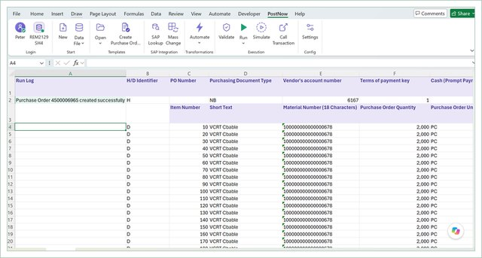

 |  | SAP document numbers written into the run log column in Excel.

Two more things worth knowing
 |  | Write your own run log message
 |  | The message written back after each post is yours to define. Placeholders such as $DOC_NO, $USER and $SAP_SYSTEM are filled with the real values from the posting.
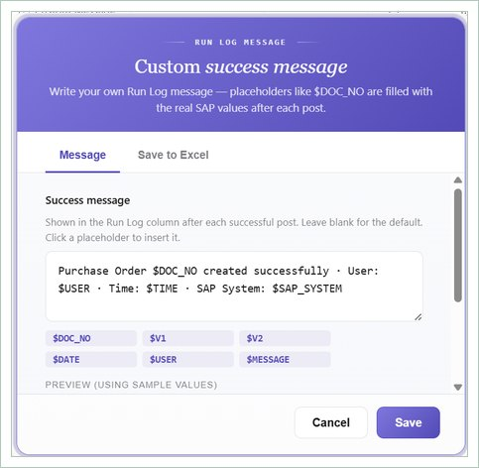

 |  | Placeholders like $DOC_NO are replaced with the real SAP values.

 |  | Then report on what you posted
 |  | Loading is half the job. PostNow also reads SAP: 82 pre-built 360 reports with the tables, joins and filters already set up, plus a query builder and an AI query pilot for plain English questions.
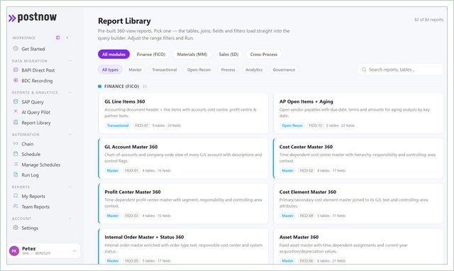

 |  | 82 pre-built 360 reports across FICO, MM and SD.

What you get
 | • Every row validated against your live SAP system before anything posts, not after.
 | • Errors returned onto the row that caused them, in the spreadsheet, in language a finance user can act on.
 | • Real SAP keys written back, so reconciliation is a comparison and not a search.
 | • Posting through SAP's own published interfaces, under your own user and authorisations, with a normal SAP audit trail.
 | • The same connection reads SAP too, so the numbers you loaded can be reported on without leaving Excel.

Start your 14 day free trial at postnow.ai
Template provided free by PostNow.ai. Validate field requirements against your own configuration before a production load.

