How It Works
PostNow.ai
SAP data automation, from days to minutes.
PostNow turns Excel into a governed front end for SAP. Load, validate, post to SAP and report on mass data, with AI doing the tedious parts. It posts through SAP's own published interfaces, under your own user and authorisations, and every row is checked against your live system before anything is written.

One connection, one spreadsheet, the whole cycle.

Watch it first
 |  | Product demo | Excel to SAP Automation Demo: SAP BAPI and SAP Reporting with AI | https://www.youtube.com/watch?v=7IRx89itpQ8
 |  | Deep dive | SAP BAPI Tutorial: Excel to SAP FB50 Automation with BAPI_ACC_DOCUMENT_POST | https://www.youtube.com/watch?v=Cs7_wmZjX2k

How this file gets posted
 | 1 | Fill in this template
 |  | Use the Template tab. Mandatory columns are dark green. A mandatory cell left blank turns red as soon as the row is in use, so gaps show up before you leave the spreadsheet.

 | 2 | Open PostNow
 |  | Work in the Excel add-in or in PostNow Studio in the browser. Sign in to your SAP system with your own user, so you can only post what you could post in the GUI.
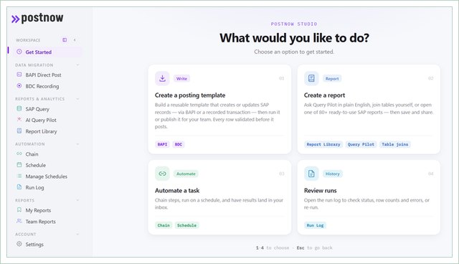

 |  | PostNow Studio. Everything starts from one screen.

 | 3 | Record VK11
 |  | For this template you record VK11 once: press Record, create one condition record for one key combination in a test client, and save. PostNow.ai shows every screen, field and OK-code the recording captured.
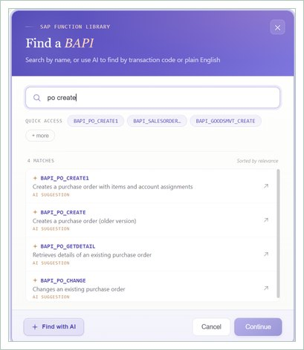

 |  | Shown for a BAPI template. For VK11 the starting point is a recording.

 | 4 | Tell PostNow.ai how your rows are laid out
 |  | This file is flat: one row is one condition record, and each row is one VK11 save.
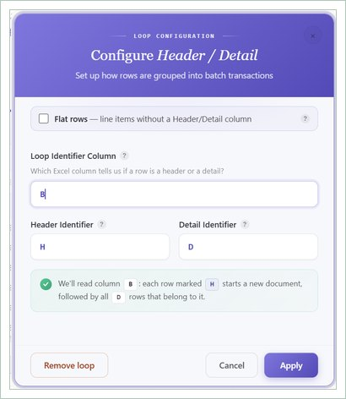

 |  | Loop configuration, shown for a header and detail file. This file has one row per record.

 | 5 | Map the columns to the recorded fields
 |  | In the Mapping Designer each recorded field gets an Excel column, a fixed value, or a system value such as SAP_DATE. The Recording Mapping tab lists the typical fields.
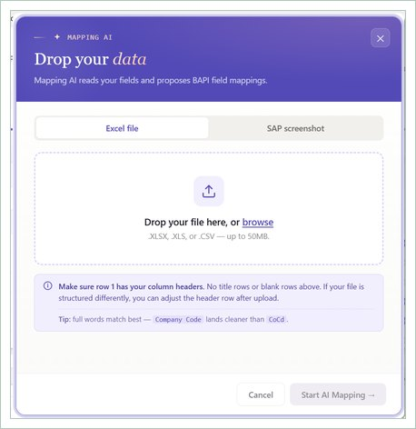

 |  | Shown for a BAPI template. For VK11 you map columns to the fields in your recording.

 | 6 | Confirm the run settings
 |  | Confirm the document shape, which column carries the run log, and which row your data starts on. Save it once and the next file maps itself.
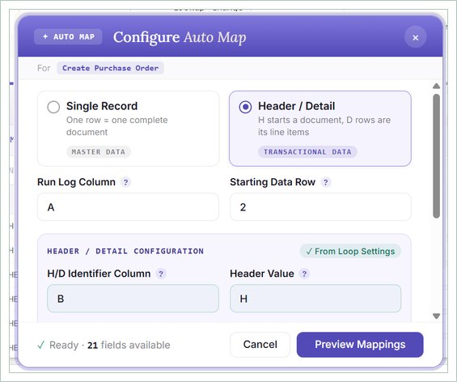

 |  | Document shape, run log column and starting row.

 | 7 | Review the field mapping
 |  | Every recorded screen and field is listed beside the Excel column that feeds it. Adjust anything specific to your configuration before you run.
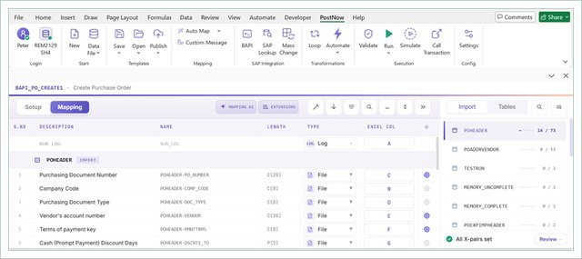

 |  | Shown for a BAPI template. For VK11 the list holds the screens and fields of your recording.

 | 8 | Validate, then Debug a few rows
 |  | Validate checks formats and allowed values, and Pre-Validation asks SAP whether the customers and materials exist. Then replay five rows in Debug, in the foreground in SAP GUI, and check them in VK13 before the full file.
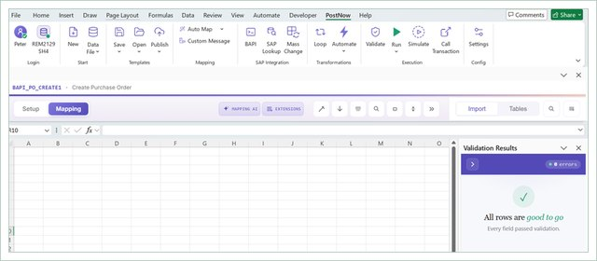

 |  | Validation results in the sheet.

 | 9 | Post
 |  | Each row is one VK11 save under your own SAP login. Rows are independent, so a failed row does not undo the rows already saved.
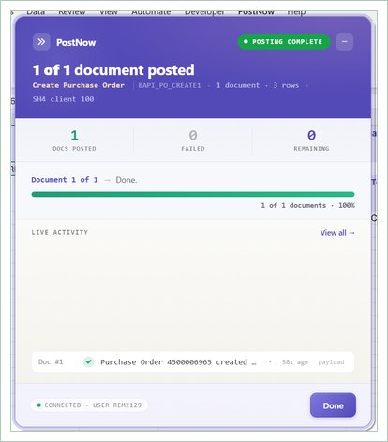

 |  | Rows post one by one, with a live count of posted and failed.

 | 10 | Read the result per row
 |  | SAP's message for every row is written to the Run Log next to it. VK11 returns no document or record number, so check a sample in VK13, and use Retry Failed for the rows whose Run Log starts with ERROR.
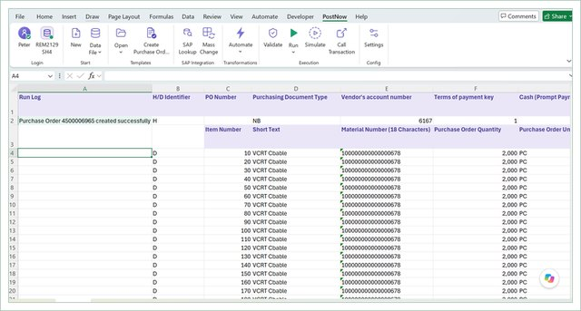

 |  | Run log column in Excel, shown for a BAPI template that returns document numbers.

Two more things worth knowing
 |  | Write your own run log message
 |  | The message written back after each post is yours to define. Placeholders such as $DOC_NO, $USER and $SAP_SYSTEM are filled with the real values from the posting.
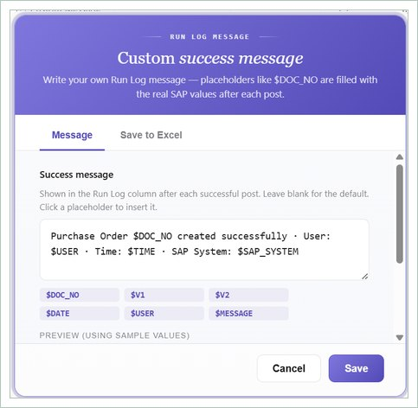

 |  | Placeholders like $DOC_NO are replaced with the real SAP values.

 |  | Then report on what you posted
 |  | Loading is half the job. PostNow also reads SAP: 82 pre-built 360 reports with the tables, joins and filters already set up, plus a query builder and an AI query pilot for plain English questions.
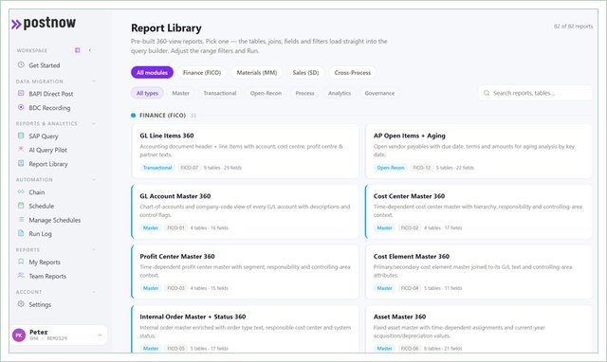

 |  | 82 pre-built 360 reports across FICO, MM and SD.

What you get
 | • Every row validated against your live SAP system before anything posts, not after.
 | • Errors returned onto the row that caused them, in the spreadsheet, in language a finance user can act on.
 | • Real SAP keys written back, so reconciliation is a comparison and not a search.
 | • Posting through SAP's own published interfaces, under your own user and authorisations, with a normal SAP audit trail.
 | • The same connection reads SAP too, so the numbers you loaded can be reported on without leaving Excel.

Start your 14 day free trial at postnow.ai
Template provided free by PostNow.ai. Validate field requirements against your own configuration before a production load.

