FL Condensed
Refresh Private Data
Refresh Public Data
ID | Date | Year | Aircraft Model | Aircraft Tail # | DEP | ARR | Flight_No. | Passengers | Pass 1 | Pass 2 | Pass 3 | Pass 4 | Pass 5 | Pass 6 | Pass 7 | Pass 8 | Pass 9 | Pass 10 | Pass 11 | Pass 12 | Pass 13 | Pass 14 | Pass 15 | Pass 16 | Pass 17 | Pass 18 | Pass 19 | Pass 20 | Pass 21 | Pass 22 | Pass 23 | Pass 24 | Pass 25 | Pass 26 | Pass 27 | Pass 28 | Pass 29 | Pass 30 | Pass 31 | Pass 32 | Pass 33 | Pass 34 | Pass 35 | Pass 36 | Pass 37 | Pass 38 | Pass 39
3155 | 2001-08-07 | 2001 | B-727-31 | N908JE | West Palm Beach, FL, United States | New York, NY, United States | 1 | Mike Donovan; | Mike Donovan
3156 | 2001-08-07 | 2001 | B-727-31 | N908JE | New York, NY, United States | Albuquerque, NM, United States | 2 | Jeff Epstein; Ghislaine Maxwell; Emmy Tayler; A P; Female (2); | Jeff Epstein | Ghislaine Maxwell | Emmy Tayler | A P | Female (2)
3166 | 2001-08-16 | 2001 | B-727-31 | N908JE | Albuquerque, NM, United States | West Palm Beach, FL, United States | 6 | Jeff Epstein; Ghislaine Maxwell; Emmy Tayler; Adam PerryLang; Fleur PerryLang; Jonathan Mano; | Jeff Epstein | Ghislaine Maxwell | Emmy Tayler | Adam PerryLang | Fleur PerryLang | Jonathan Mano
3172 | 2001-08-19 | 2001 | B-727-31 | N908JE | West Palm Beach, FL, United States | Westchester County, NY, United States | 7 | Jeff Epstein; Ghislaine Maxwell; Emmy Tayler; Adam PerryLang; Fleur PerryLang; Gil ?; Gurly ?; Robert ?; | Jeff Epstein | Ghislaine Maxwell | Emmy Tayler | Adam PerryLang | Fleur PerryLang | Gil ? | Gurly ? | Robert ?
3180 | 2001-08-24 | 2001 | B-727-31 | N908JE | Westchester County, NY, United States | West Palm Beach, FL, United States | 8 | Jeff Epstein; Ghislaine Maxwell; Banu Koluk-Koylu; | Jeff Epstein | Ghislaine Maxwell | Banu Koluk-Koylu
3183 | 2001-08-27 | 2001 | B-727-31 | N908JE | West Palm Beach, FL, United States | Westchester County, NY, United States | 9 | Jeff Epstein; Ghislaine Maxwell; Banu Koluk-Koylu; | Jeff Epstein | Ghislaine Maxwell | Banu Koluk-Koylu
3186 | 2001-08-29 | 2001 | B-727-31 | N908JE | Westchester County, NY, United States | Charlotte Amalie, St. Thomas, United States Virgin Islands | 10 | Jeff Epstein; Ghislaine Maxwell; Emmy Tayler; A P; Banu Koluk-Koylu; | Jeff Epstein | Ghislaine Maxwell | Emmy Tayler | A P | Banu Koluk-Koylu
3192 | 2001-09-03 | 2001 | B-727-31 | N908JE | Charlotte Amalie, St. Thomas, United States Virgin Islands | Westchester County, NY, United States | 11 | Jeff Epstein; Ghislaine Maxwell; Emmy Tayler; A P; Banu Koluk-Koylu; Sarah Kellen; Alexandria Dixon; | Alexandria Dixon
3199 | 2001-09-06 | 2001 | B-727-31 | N908JE | Westchester County, NY, United States | West Palm Beach, FL, United States | 12 | Jeff Epstein; Ghislaine Maxwell; Emmy Tayler; Banu Koluk-Koylu; Female (1); | Jeff Epstein | Ghislaine Maxwell | Emmy Tayler | Banu Koluk-Koylu | Female (1)
3204 | 2001-09-09 | 2001 | B-727-31 | N908JE | West Palm Beach, FL, United States | Westchester County, NY, United States | 13 | Jeff Epstein; Ghislaine Maxwell; Emmy Tayler; Banu Koluk-Koylu; | Jeff Epstein | Ghislaine Maxwell | Emmy Tayler | Banu Koluk-Koylu
3208 | 2001-09-15 | 2001 | B-727-31 | N908JE | Westchester County, NY, United States | West Palm Beach, FL, United States | 14 | Jeff Epstein; Ghislaine Maxwell; Emmy Tayler; Karen Casey; Lisa ?; | Jeff Epstein | Ghislaine Maxwell | Emmy Tayler | Karen Casey | Lisa ?
3213 | 2001-09-19 | 2001 | B-727-31 | N908JE | West Palm Beach, FL, United States | Westchester County, NY, United States | 15 | Jeff Epstein; Ghislaine Maxwell; Emmy Tayler; | Jeff Epstein | Ghislaine Maxwell | Emmy Tayler
3216 | 2001-09-21 | 2001 | B-727-31 | N908JE | Westchester County, NY, United States | Gander, Canada | 16 | Jeff Epstein; Ghislaine Maxwell; Emmy Tayler; | Jeff Epstein | Ghislaine Maxwell | Emmy Tayler
3219 | 2001-09-22 | 2001 | B-727-31 | N908JE | Gander, Canada | Paris, France | 17 | Jeff Epstein; Ghislaine Maxwell; Emmy Tayler; | Jeff Epstein | Ghislaine Maxwell | Emmy Tayler
3222 | 2001-09-25 | 2001 | B-727-31 | N908JE | Paris, France | Beaver Creek, Yukon, Canada | 18 | Jeff Epstein; Emmy Tayler; Ed Tuttle; | Jeff Epstein | Emmy Tayler | Ed Tuttle
3225 | 2001-09-25 | 2001 | B-727-31 | N908JE | Beaver Creek, Yukon, Canada | Westchester County, NY, United States | 19 | Jeff Epstein; Emmy Tayler; Ed Tuttle; | Jeff Epstein | Emmy Tayler | Ed Tuttle
3228 | 2001-09-28 | 2001 | B-727-31 | N908JE | Westchester County, NY, United States | West Palm Beach, FL, United States | 20 | Jeff Epstein; Emmy Tayler; Paula Epstein; | Jeff Epstein | Emmy Tayler | Paula Epstein
3231 | 2001-10-05 | 2001 | B-727-31 | N908JE | West Palm Beach, FL, United States | Albuquerque, NM, United States | 21 | Jeff Epstein; Ghislaine Maxwell; Sarah Kellen; | Jeff Epstein | Ghislaine Maxwell | Sarah Kellen
3234 | 2001-10-08 | 2001 | B-727-31 | N908JE | Albuquerque, NM, United States | Westchester County, NY, United States | 22 | Jeff Epstein; Ghislaine Maxwell; Sarah Kellen; Female (2); | Jeff Epstein | Ghislaine Maxwell | Sarah Kellen | Female (2)
3238 | 2001-10-08 | 2001 | B-727-31 | N908JE | Westchester County, NY, United States | Jacksonville, FL, United States | 23 | Passenger (0); | Passenger (0)
3700 | 2001-10-09 | 2001 | B-727-31 | N908JE | Jacksonville, FL, United States | Lake City, FL, United States | 24 | Passenger (0); | Passenger (0)
3767 | 2001-11-17 | 2001 | B-727-31 | N908JE | Lake City, FL, United States | West Palm Beach, FL, United States | 25 | Reposition; | Reposition
3768 | 2001-11-18 | 2001 | B-727-31 | N908JE | West Palm Beach, FL, United States | Gander, Canada | 26 | Jeff Epstein; Ghislaine Maxwell; Sarah Kellen; | Jeff Epstein | Ghislaine Maxwell | Sarah Kellen
3771 | 2001-11-18 | 2001 | G-1159B | N908JE | Gander, Canada | Paris, France | 27 | Jeff Epstein; Ghislaine Maxwell; Sarah Kellen; | Jeff Epstein | Ghislaine Maxwell | Sarah Kellen
3774 | 2001-11-23 | 2001 | G-1159B | N908JE | Paris, France | Milan, Italy | 28 | Jeff Epstein; Ghislaine Maxwell; Sarah Kellen; | Jeff Epstein | Ghislaine Maxwell | Sarah Kellen
3777 | 2001-11-23 | 2001 | G-1159B | N908JE | Milan, Italy | Rimini, Italy | 29 | Jeff Epstein; Edwardo ?; | Jeff Epstein | Edwardo ?
3779 | 2001-11-23 | 2001 | G-1159B | N908JE | Rimini, Italy | Milan, Italy | 30 | Jeff Epstein; Edwardo ?; | Jeff Epstein | Edwardo ?
3781 | 2001-11-24 | 2001 | G-1159B | N908JE | Milan, Italy | London, England | 31 | Jeff Epstein; Ghislaine Maxwell; Sarah Kellen; | Jeff Epstein | Ghislaine Maxwell | Sarah Kellen
3784 | 2001-11-26 | 2001 | G-1159B | N908JE | London, England | Westchester County, NY, United States | 32 | Jeff Epstein; Ghislaine Maxwell; Sarah Kellen; | Jeff Epstein | Ghislaine Maxwell | Sarah Kellen
3787 | 2001-11-30 | 2001 | G-1159B | N908JE | Westchester County, NY, United States | West Palm Beach, FL, United States | 33 | Jeff Epstein; Jeff Epstein; Sarah Kellen; Sarah Kellen; Gwendolyn Beck; Gary Blackwell; Joel Pashcow; Joel Pashcow; Karen Casey; Karen Casey; | Jeff Epstein | Sarah Kellen | Gary Blackwell | Joel Pashcow | Karen Casey
3792 | 2001-12-04 | 2001 | G-1159B | N908JE | West Palm Beach, FL, United States | Islip, NY, United States | 34 | Jeff Epstein; Jeff Epstein; Sarah Kellen; Sarah Kellen; | Jeff Epstein | Sarah Kellen
3794 | 2001-12-08 | 2001 | G-1159B | N908JE | Islip, NY, United States | West Palm Beach, FL, United States | 35 | Jeff Epstein; Jeff Epstein; A P; A D; | Jeff Epstein | A D
3796 | 2001-12-09 | 2001 | G-1159B | N908JE | West Palm Beach, FL, United States | Charlotte Amalie, St. Thomas, United States Virgin Islands | 36 | Jeff Epstein; Jeff Epstein; Ghislaine Maxwell; Ghislaine Maxwell; A P; A P; Female (1); Female (1); | Jeff Epstein | Ghislaine Maxwell | A P | Female (1)
3800 | 2001-12-13 | 2001 | G-1159B | N908JE | Charlotte Amalie, St. Thomas, United States Virgin Islands | Westchester County, NY, United States | 37 | Jeff Epstein; Jeff Epstein; Ghislaine Maxwell; Ghislaine Maxwell; Sarah Kellen; Sarah Kellen; A P; A D; Geor Tintay?; Geor Tintay?; Cristalle Wasche; Cristalle Wasche; Chauntae Davies; Chauntae Davies; | Jeff Epstein | Ghislaine Maxwell | Sarah Kellen | A D | Geor Tintay? | Cristalle Wasche | Chauntae Davies
3807 | 2001-12-15 | 2001 | G-1159B | N908JE | Westchester County, NY, United States | Columbus, OH, United States | 38 | Jeff Epstein; Jeff Epstein; Shelley Lewis; Shelley Lewis; Female (2); Female (2); Male (1); Male (2); | Jeff Epstein | Shelley Lewis | Female (2) | Male (2)
3811 | 2001-12-15 | 2001 | G-1159B | N908JE | Columbus, OH, United States | West Palm Beach, FL, United States | 39 | Jeff Epstein; Jeff Epstein; | Jeff Epstein
3841 | 2001-12-17 | 2001 | B-727-31 | N908JE | West Palm Beach, FL, United States | Charlotte Amalie, St. Thomas, United States Virgin Islands | 40 | Jeff Epstein; Ghislaine Maxwell; Sarah Kellen; Female (1); | Jeff Epstein | Ghislaine Maxwell | Sarah Kellen | Female (1)
3845 | 2001-12-26 | 2001 | B-727-31 | N908JE | Charlotte Amalie, St. Thomas, United States Virgin Islands | Vieux-Fort, St. Lucia | 41 | Jeff Epstein; Ghislaine Maxwell; Sarah Kellen; A P; Fleur PerryLang; Bob Breslen; | Jeff Epstein | Ghislaine Maxwell | Sarah Kellen | A P | Fleur PerryLang | Bob Breslen
3851 | 2001-12-26 | 2001 | B-727-31 | N908JE | Vieux-Fort, St. Lucia | West Palm Beach, FL, United States | 42 | Jeff Epstein; Ghislaine Maxwell; Sarah Kellen; A P; Fleur PerryLang; Bob Breslen; | Jeff Epstein | Ghislaine Maxwell | Sarah Kellen | A P | Fleur PerryLang | Bob Breslen
3857 | 2001-12-30 | 2001 | B-727-31 | N908JE | West Palm Beach, FL, United States | Charlotte Amalie, St. Thomas, United States Virgin Islands | 43 | Jeff Epstein; Ghislaine Maxwell; A P; Sarah Kellen; Female (1); | Jeff Epstein | Ghislaine Maxwell | A P | Sarah Kellen | Female (1)
3862 | 2001-01-06 | 2001 | B-727-31 | N908JE | Charlotte Amalie, St. Thomas, United States Virgin Islands | Newark, NJ, United States | 44 | Jeff Epstein; Ghislaine Maxwell; Sarah Kellen; A P; Alexia Wallert; Cindy Lopez; Jeff Epstein; Ghislaine Maxwell; Sarah Kellen; A P; Alexia Wallert; Cindy Lopez; | Jeff Epstein | Ghislaine Maxwell | Sarah Kellen | A P | Alexia Wallert | Cindy Lopez
3868 | 2001-01-11 | 2001 | B-727-31 | N908JE | Newark, NJ, United States | West Palm Beach, FL, United States | 45 | Jeff Epstein; Ghislaine Maxwell; Roger ?; Warren Whippet; Margaret Whippet; Female (1); Jeff Epstein; Ghislaine Maxwell; ROGER ?; Warren Whippet; Margaret Whippet; Female (1); | Jeff Epstein | Ghislaine Maxwell | ROGER ? | Warren Whippet | Margaret Whippet | Female (1)
3878 | 2001-01-14 | 2001 | B-727-31 | N908JE | West Palm Beach, FL, United States | New York, NY, United States | 46 | Jeff Epstein; Ghislaine Maxwell; Jeff Epstein; Ghislaine Maxwell; | Jeff Epstein | Ghislaine Maxwell
19 | 2002-01-15 | 2002 | B-727-31 | N908JE | New York, NY, United States | Bedford, MA, United States | 47 | Jeff Epstein; | Jeff Epstein
20 | 2002-01-15 | 2002 | B-727-31 | N908JE | Bedford, MA, United States | Westchester County, NY, United States | 48 | Jeff Epstein; Jessica Bauer; | Jeff Epstein | Jessica Bauer
22 | 2002-01-17 | 2002 | B-727-31 | N908JE | Westchester County, NY, United States | Charlotte Amalie, St. Thomas, United States Virgin Islands | 49 | Jeff Epstein; Ghislaine Maxwell; Sarah Kellen; A P; Cindy Lopez; Joanne ?; Female (1); | Jeff Epstein | Ghislaine Maxwell | Sarah Kellen | A P | Cindy Lopez | Joanne ? | Female (1)
29 | 2002-01-20 | 2002 | B-727-31 | N908JE | Charlotte Amalie, St. Thomas, United States Virgin Islands | West Palm Beach, FL, United States | 50 | Jeff Epstein; Ghislaine Maxwell; Sarah Kellen; A P; Cindy Lopez; Joanne ?; Mats Alexander; Kathy Alexander; Stacy Igglucksengh; | Jeff Epstein | Ghislaine Maxwell | Sarah Kellen | A P | Cindy Lopez | Joanne ? | Mats Alexander | Kathy Alexander | Stacy Igglucksengh
38 | 2002-01-22 | 2002 | B-727-31 | N908JE | West Palm Beach, FL, United States | Westchester County, NY, United States | 51 | Jeff Epstein; Ghislaine Maxwell; Sarah Kellen; A P; Cindy Lopez; Joanne ?; | Jeff Epstein | Ghislaine Maxwell | Sarah Kellen | A P | Cindy Lopez | Joanne ?
44 | 2002-01-25 | 2002 | B-727-31 | N908JE | Westchester County, NY, United States | West Palm Beach, FL, United States | 52 | Jeff Epstein; Ghislaine Maxwell; Sarah Kellen; A P; Alberto Pinto; Yves Pickardt; Steve Sherman; Female (3); | Jeff Epstein | Ghislaine Maxwell | Sarah Kellen | A P | Alberto Pinto | Yves Pickardt | Steve Sherman | Female (3)
52 | 2002-01-27 | 2002 | B-727-31 | N908JE | West Palm Beach, FL, United States | Charlotte Amalie, St. Thomas, United States Virgin Islands | 53 | Jeff Epstein; Ghislaine Maxwell; Sarah Kellen; Ed Tuttle; Male (1); Female (1); | Jeff Epstein | Ghislaine Maxwell | Sarah Kellen | Ed Tuttle | Male (1) | Female (1)
58 | 2002-01-30 | 2002 | B-727-31 | N908JE | Charlotte Amalie, St. Thomas, United States Virgin Islands | New York, NY, United States | 54 | Jeff Epstein; Ghislaine Maxwell; Sarah Kellen; A P; Ed Tuttle; Cindy Lopez; | Jeff Epstein | Ghislaine Maxwell | Sarah Kellen | A P | Ed Tuttle | Cindy Lopez
64 | 2002-02-05 | 2002 | B-727-31 | N908JE | New York, NY, United States | West Palm Beach, FL, United States | 55 | Jeff Epstein; Ghislaine Maxwell; Sarah Kellen; A P; Male (1); Female (1); | Jeff Epstein | Ghislaine Maxwell | Sarah Kellen | A P | Male (1) | Female (1)
70 | 2002-02-09 | 2002 | B-727-31 | N908JE | West Palm Beach, FL, United States | Miami, FL, United States | 56 | Jeff Epstein; Sarah Kellen; A P; | Jeff Epstein | Sarah Kellen | A P
73 | 2002-02-09 | 2002 | B-727-31 | N908JE | Miami, FL, United States | Westchester County, NY, United States | 57 | Bill Clinton; Secret Service (4); Male (2); Female (1); Jeff Epstein; Ghislaine Maxwell; Sarah Kellen; A P; | Bill Clinton | Secret Service (4) | Male (2) | Female (1) | Jeff Epstein | Ghislaine Maxwell | Sarah Kellen | A P
81 | 2002-02-10 | 2002 | B-727-31 | N908JE | Westchester County, NY, United States | Paris, France | 58 | Jeff Epstein; Ghislaine Maxwell; Sarah Kellen; A P; Fleur PerryLang; Mark Llyod; | Jeff Epstein | Ghislaine Maxwell | Sarah Kellen | A P | Fleur PerryLang | Mark Llyod
87 | 2002-02-14 | 2002 | B-727-31 | N908JE | Stockholm, Sweden | Marseille, France | 60 | Jeff Epstein; Sarah Kellen; | Jeff Epstein | Sarah Kellen
89 | 2002-02-15 | 2002 | B-727-31 | N908JE | Marseille, France | London, England | 61 | Jeff Epstein; Sarah Kellen; | Jeff Epstein | Sarah Kellen
91 | 2002-02-15 | 2002 | B-727-31 | N908JE | London, England | Bangor, ME, United States | 62 | Jeff Epstein; Ghislaine Maxwell; Sarah Kellen; | Jeff Epstein | Ghislaine Maxwell | Sarah Kellen
94 | 2002-02-16 | 2002 | B-727-31 | N908JE | Bangor, ME, United States | West Palm Beach, FL, United States | 63 | Jeff Epstein; Ghislaine Maxwell; Sarah Kellen; | Jeff Epstein | Ghislaine Maxwell | Sarah Kellen
117 | 2002-02-18 | 2002 | B-727-31 | N908JE | West Palm Beach, FL, United States | Albany, GA, United States | 64 | Ghislaine Maxwell; Sarah Kellen; Glenn Dubin; Female (2); Richard Cook; | Ghislaine Maxwell | Sarah Kellen | Glenn Dubin | Female (2) | Richard Cook
122 | 2002-02-18 | 2002 | B-727-31 | N908JE | Albany, GA, United States | New York, NY, United States | 65 | Jeff Epstein; Ghislaine Maxwell; Sarah Kellen; Glenn Dubin; Female (2); Richard Cook; | Jeff Epstein | Ghislaine Maxwell | Sarah Kellen | Glenn Dubin | Female (2) | Richard Cook
128 | 2002-02-20 | 2002 | B-727-31 | N908JE | New York, NY, United States | Carmel, CA, United States | 66 | Jeff Epstein; Sarah Kellen; Geraldine Layborne; Kit Layborne; Steven Pinker; Nina Zagat; David Rockwell; Richard Cook; Carolyn Miller; Michael Wolf; Daniel Dennet; Richard Cook; John Brockman; Karina Matson; Cindy Lopez; Kelly Bovino; Richard ?; | Jeff Epstein | Sarah Kellen | Geraldine Layborne | Kit Layborne | Steven Pinker | Nina Zagat | David Rockwell | Richard Cook | Carolyn Miller | Michael Wolf | Daniel Dennet | Richard Cook | John Brockman | Karina Matson | Cindy Lopez | Kelly Bovino | Richard ?
145 | 2002-02-23 | 2002 | B-727-31 | N908JE | Carmel, CA, United States | Van Nuys, CA, United States | 67 | Jeff Epstein; Sarah Kellen; Kelly Bovino; Nina Zagat; Tim Zagat; Passenger (6); | Jeff Epstein | Sarah Kellen | Kelly Bovino | Nina Zagat | Tim Zagat | Passenger (6)
151 | 2002-02-23 | 2002 | B-727-31 | N908JE | Van Nuys, CA, United States | Jacksonville, FL, United States | 68 | Larry Morrison; | Larry Morrison
157 | 2002-02-28 | 2002 | B-727-31 | N908JE | Jacksonville, FL, United States | West Palm Beach, FL, United States | 71 | Passenger (0); | Passenger (0)
158 | 2002-03-10 | 2002 | B-727-31 | N908JE | Charlotte Amalie, St. Thomas, United States Virgin Islands | New York, NY, United States | 72 | Jeff Epstein; Ghislaine Maxwell; Sarah Kellen; A P; Cindy Lopez; Female (2); | Jeff Epstein | Ghislaine Maxwell | Sarah Kellen | A P | Cindy Lopez | Female (2)
164 | 2002-03-14 | 2002 | B-727-31 | N908JE | New York, NY, United States | West Palm Beach, FL, United States | 73 | Jeff Epstein; Sarah Kellen; Joe Pagano; Julie ?; Todd Meistor; | Jeff Epstein | Sarah Kellen | Joe Pagano | Julie ? | Todd Meistor
169 | 2002-03-17 | 2002 | B-727-31 | N908JE | West Palm Beach, FL, United States | New York, NY, United States | 74 | Jeff Epstein; Sarah Kellen; Joe Pagano; Julie ?; Todd Meistor; Female (1); | Jeff Epstein | Sarah Kellen | Joe Pagano | Julie ? | Todd Meistor | Female (1)
175 | 2002-03-19 | 2002 | B-727-31 | N908JE | New York, NY, United States | London, England | 75 | Bill Clinton; Doug Band; Secret Service (3); Jeff Epstein; Ghislaine Maxwell; Sarah Kellen; | Bill Clinton | Doug Band | Secret Service (3) | Jeff Epstein | Ghislaine Maxwell | Sarah Kellen
181 | 2002-03-21 | 2002 | B-727-31 | N908JE | London, England | New York, NY, United States | 76 | Bill Clinton; Doug Band; Secret Service (10); Jeff Epstein; Ghislaine Maxwell; Sarah Kellen; Naomi Campbell; Male (1); | Bill Clinton | Doug Band | Secret Service (10) | Jeff Epstein | Ghislaine Maxwell | Sarah Kellen | Naomi Campbell | Male (1)
189 | 2002-03-22 | 2002 | B-727-31 | N908JE | New York, NY, United States | West Palm Beach, FL, United States | 77 | Jeff Epstein; Nicole Junkermann; Sean Koo; | Jeff Epstein | Nicole Junkermann | Sean Koo
99 | 2002-04-01 | 2002 | B-727-31 | N908JE | West Palm Beach, FL, United States | Charlotte Amalie, St. Thomas, United States Virgin Islands | 78 | Jeff Epstein; Ghislaine Maxwell; Sarah Kellen; A P; Female (2); Sean Koo; | Jeff Epstein | Ghislaine Maxwell | Sarah Kellen | A P | Female (2) | Sean Koo
105 | 2002-04-05 | 2002 | B-727-31 | N908JE | Charlotte Amalie, St. Thomas, United States Virgin Islands | West Palm Beach, FL, United States | 79 | Sean Koo; | Sean Koo
106 | 2002-04-05 | 2002 | B-727-31 | N908JE | West Palm Beach, FL, United States | Washington Dc, United States | 80 | Sean Koo; | Sean Koo
107 | 2002-04-06 | 2002 | B-727-31 | N908JE | Washington Dc, United States | West Palm Beach, FL, United States | 81 | Sean Koo; | Sean Koo
108 | 2002-04-29 | 2002 | B-727-31 | N908JE | West Palm Beach, FL, United States | Albuquerque, NM, United States | 90 | Jeff Epstein; Ghislaine Maxwell; Sarah Kellen; Pete Rotholg; | Jeff Epstein | Ghislaine Maxwell | Sarah Kellen | Pete Rotholg
112 | 2002-05-02 | 2002 | B-727-31 | N908JE | Albuquerque, NM, United States | New York, NY, United States | 91 | Jeff Epstein; Ghislaine Maxwell; Sarah Kellen; | Jeff Epstein | Ghislaine Maxwell | Sarah Kellen
115 | 2002-02-04 | 2002 | B-727-31 | N908JE | New York, NY, United States | West Palm Beach, FL, United States | 92 | Jeff Epstein; Shelley Lewis; | Jeff Epstein | Shelley Lewis
192 | 2002-05-11 | 2002 | B-727-31 | N908JE | West Palm Beach, FL, United States | New York, NY, United States | 93 | Jeff Epstein; Sarah Kellen; | Jeff Epstein | Sarah Kellen
194 | 2002-05-11 | 2002 | B-727-31 | N908JE | New York, NY, United States | Paris, France | 94 | Jeff Epstein; Ghislaine Maxwell; Sarah Kellen; | Jeff Epstein | Ghislaine Maxwell | Sarah Kellen
197 | 2002-05-13 | 2002 | B-727-31 | N908JE | Paris, France | Paris, France | 95 | Reposition; | Reposition
198 | 2002-05-13 | 2002 | B-727-31 | N908JE | Paris, France | London, England | 96 | Jeff Epstein; Ghislaine Maxwell; Sarah Kellen; | Jeff Epstein | Ghislaine Maxwell | Sarah Kellen
201 | 2002-05-16 | 2002 | B-727-31 | N908JE | London, England | Nice, France | 97 | Jeff Epstein; Ghislaine Maxwell; Sarah Kellen; | Jeff Epstein | Ghislaine Maxwell | Sarah Kellen
204 | 2002-05-19 | 2002 | B-727-31 | N908JE | Nice, France | Novosibirsk, Russia | 98 | Jeff Epstein; Ghislaine Maxwell; Sarah Kellen; | Jeff Epstein | Ghislaine Maxwell | Sarah Kellen
207 | 2002-05-20 | 2002 | B-727-31 | N908JE | Novosibirsk, Russia | Atsugi, Japan | 99 | Jeff Epstein; Ghislaine Maxwell; Sarah Kellen; | Jeff Epstein | Ghislaine Maxwell | Sarah Kellen
210 | 2002-05-22 | 2002 | B-727-31 | N908JE | Atsugi, Japan | Hong Kong, Hong Kong | 100 | Jeff Epstein; Passenger (6); Ghislaine Maxwell; Sarah Kellen; Bill Clinton; Pete Rathgeb; MCXG ?; Doug Band; Janice ?; Jessica Bauer; | Jeff Epstein | Ghislaine Maxwell | Sarah Kellen | Bill Clinton | Pete Rathgeb | MCXG ? | Doug Band | Janice ? | Jessica Bauer | Passenger (6)
220 | 2002-05-23 | 2002 | B-727-31 | N908JE | Hong Kong, Hong Kong | Shenzhen, China | 101 | Jeff Epstein; Ghislaine Maxwell; Sarah Kellen; Bill Clinton; Pete Rathgeb; MCXG ?; Doug Band; Janice ?; | Jeff Epstein | Ghislaine Maxwell | Sarah Kellen | Bill Clinton | Pete Rathgeb | MCXG ? | Doug Band | Janice ?
228 | 2002-05-23 | 2002 | B-727-31 | N908JE | Shenzhen, China | Singapore, Singapore | 102 | Jeff Epstein; Passenger (6); Ghislaine Maxwell; Sarah Kellen; Bill Clinton; Pete Rathgeb; MCXG ?; Doug Band; Janice ?; Jessica Bauer; | Jeff Epstein | Ghislaine Maxwell | Sarah Kellen | Bill Clinton | Pete Rathgeb | MCXG ? | Doug Band | Janice ? | Jessica Bauer | Passenger (6)
238 | 2002-05-25 | 2002 | B-727-31 | N908JE | Singapore, Singapore | Don Muang, Bangkok, Thailand | 103 | Jeff Epstein; Passenger (6); Ghislaine Maxwell; Sarah Kellen; Bill Clinton; Pete Rathgeb; MCXG ?; Doug Band; Janice ?; Jessica Bauer; | Jeff Epstein | Ghislaine Maxwell | Sarah Kellen | Bill Clinton | Pete Rathgeb | MCXG ? | Doug Band | Janice ? | Jessica Bauer | Passenger (6)
248 | 2002-05-27 | 2002 | B-727-31 | N908JE | Brunei, Brunei | Denpasar, Indonesia | 105 | Jeff Epstein; Ghislaine Maxwell; Sarah Kellen; Pete Rathgeb; | Jeff Epstein | Ghislaine Maxwell | Sarah Kellen | Pete Rathgeb
252 | 2002-05-29 | 2002 | B-727-31 | N908JE | Denpasar, Indonesia | Colombo, Sri Lanka | 106 | Jeff Epstein; Ghislaine Maxwell; Sarah Kellen; Pete Rathgeb; | Jeff Epstein | Ghislaine Maxwell | Sarah Kellen | Pete Rathgeb
256 | 2002-05-29 | 2002 | B-727-31 | N908JE | Colombo, Sri Lanka | Dubai, United Arab Emirates | 107 | Jeff Epstein; Ghislaine Maxwell; Sarah Kellen; Pete Rathgeb; | Jeff Epstein | Ghislaine Maxwell | Sarah Kellen | Pete Rathgeb
260 | 2002-05-30 | 2002 | B-727-31 | N908JE | Dubai, United Arab Emirates | Paris, France | 108 | Jeff Epstein; Ghislaine Maxwell; Sarah Kellen; Pete Rathgeb; | Jeff Epstein | Ghislaine Maxwell | Sarah Kellen | Pete Rathgeb
264 | 2002-05-31 | 2002 | B-727-31 | N908JE | Paris, France | London, England | 109 | Jeff Epstein; Ghislaine Maxwell; Sarah Kellen; Pete Rathgeb; | Jeff Epstein | Ghislaine Maxwell | Sarah Kellen | Pete Rathgeb
268 | 2002-06-07 | 2002 | B-727-31 | N908JE | London, England | Dublin, Ireland | 110 | Reposition; | Reposition
269 | 2002-06-08 | 2002 | B-727-31H | N908JE | Dublin, Ireland | New York, NY, United States | 111 | Jeff Epstein; Ghislaine Maxwell; Sarah Kellen; | Jeff Epstein | Ghislaine Maxwell | Sarah Kellen
272 | 2002-06-08 | 2002 | B-727-31H | N908JE | New York, NY, United States | West Palm Beach, FL, United States | 112 | Jeff Epstein; Sarah Kellen; | Jeff Epstein | Sarah Kellen
275 | 2002-06-14 | 2002 | B-727-31H | N908JE | West Palm Beach, FL, United States | Boston, MA, United States | 113 | Reposition; | Reposition
276 | 2002-06-14 | 2002 | B-727-31H | N908JE | Boston, MA, United States | Charlotte Amalie, St. Thomas, United States Virgin Islands | 114 | Jeff Epstein; Sarah Kellen; Cindy Lopez; Laura Hames; | Jeff Epstein | Sarah Kellen | Cindy Lopez | Laura Hames
280 | 2002-06-16 | 2002 | B-727-31H | N908JE | Charlotte Amalie, St. Thomas, United States Virgin Islands | New York, NY, United States | 115 | Jeff Epstein; Ghislaine Maxwell; Sarah Kellen; Cindy Lopez; Laura Hames; | Jeff Epstein | Ghislaine Maxwell | Sarah Kellen | Cindy Lopez | Laura Hames
313 | 2002-06-27 | 2002 | B-727-31H | N908JE | New York, NY, United States | Paris, France | 116 | Jeff Epstein; Ghislaine Maxwell; Sarah Kellen; A P; Frederic Fekkai; Alexander Fekkai; Isering Yangkey; | Jeff Epstein | Ghislaine Maxwell | Sarah Kellen | A P | Frederic Fekkai | Alexander Fekkai | Isering Yangkey
320 | 2002-06-29 | 2002 | B-727-31H | N908JE | Paris, France | Hyeres, France | 117 | Jeff Epstein; Ghislaine Maxwell; Sarah Kellen; A P; Frederic Fekkai; Alexander Fekkai; Isering Yangkey; | Jeff Epstein | Ghislaine Maxwell | Sarah Kellen | A P | Frederic Fekkai | Alexander Fekkai | Isering Yangkey
327 | 2002-07-10 | 2002 | B-727-31H | N908JE | Hyeres, France | Paris, France | 118 | Jeff Epstein; Julie Concebaugh; | Jeff Epstein | Julie Concebaugh
329 | 2002-07-13 | 2002 | B-727-31H | N908JE | Paris, France | Nice, France | 119 | Jeff Epstein; | Jeff Epstein
330 | 2002-07-13 | 2002 | B-727-31H | N908JE | Nice, France | Tanger, Morocco | 120 | Jeff Epstein; Ghislaine Maxwell; Sarah Kellen; A P; Cindy Lopez; | Jeff Epstein | Ghislaine Maxwell | Sarah Kellen | A P | Cindy Lopez
335 | 2002-07-13 | 2002 | B-727-31H | N908JE | Tanger, Morocco | Rabat, Morocco | 121 | Jeff Epstein; Ghislaine Maxwell; Sarah Kellen; Cindy Lopez; A P; | Jeff Epstein | Ghislaine Maxwell | Sarah Kellen | Cindy Lopez | A P
340 | 2002-07-13 | 2002 | B-727-31H | N908JE | Rabat, Morocco | Santa Maria, Portugal | 122 | Jeff Epstein; Ghislaine Maxwell; Sarah Kellen; A P; Cindy Lopez; Bill Clinton; Doug Band; Mike ?; Secret Service (8); | Jeff Epstein | Ghislaine Maxwell | Sarah Kellen | A P | Cindy Lopez | Bill Clinton | Doug Band | Mike ? | Secret Service (8)
349 | 2002-07-13 | 2002 | B-727-31H | N908JE | Santa Maria, Portugal | New York, NY, United States | 123 | Jeff Epstein; Ghislaine Maxwell; Sarah Kellen; A P; Cindy Lopez; Bill Clinton; Doug Band; Mike ?; Secret Service (8); | Jeff Epstein | Ghislaine Maxwell | Sarah Kellen | A P | Cindy Lopez | Bill Clinton | Doug Band | Mike ? | Secret Service (8)
358 | 2002-07-18 | 2002 | B-727-31H | N908JE | New York, NY, United States | West Palm Beach, FL, United States | 124 | Jeff Epstein; Shelley Lewis; Female (2); | Jeff Epstein | Shelley Lewis | Female (2)
361 | 2002-07-19 | 2002 | B-727-31H | N908JE | West Palm Beach, FL, United States | Jacksonville, FL, United States | 125 | Kristy Rodgers; Greg Holburt; Alyssa Holders; | Kristy Rodgers | Greg Holburt | Alyssa Holders
373 | 2002-08-15 | 2002 | B-727-31H | N908JE | Jacksonville, FL, United States | Jacksonville, FL, United States | 126 | Passenger (0); Pete Rathgeb; | Passenger (0) | Pete Rathgeb
375 | 2002-08-16 | 2002 | B-727-31H | N908JE | Jacksonville, FL, United States | West Palm Beach, FL, United States | 127 | Passenger (0); Pete Rathgeb; | Passenger (0) | Pete Rathgeb
390 | 2002-08-21 | 2002 | B-727-31H | N908JE | West Palm Beach, FL, United States | Charlotte Amalie, St. Thomas, United States Virgin Islands | 128 | Jeff Epstein; Shelley Lewis; | Jeff Epstein | Shelley Lewis
392 | 2002-08-25 | 2002 | B-727-31H | N908JE | Charlotte Amalie, St. Thomas, United States Virgin Islands | New York, NY, United States | 129 | Jeff Epstein; Sarah Kellen; | Jeff Epstein | Sarah Kellen
394 | 2002-08-28 | 2002 | B-727-31H | N908JE | New York, NY, United States | Paris, France | 130 | Jeff Epstein; Sarah Kellen; Cindy Lopez; Female (1); | Jeff Epstein | Sarah Kellen | Cindy Lopez | Female (1)
398 | 2002-08-31 | 2002 | B-727-31H | N908JE | Paris, France | Birmingham, England | 131 | Jeff Epstein; Nicole Junkermann; | Jeff Epstein | Nicole Junkermann
400 | 2002-09-02 | 2002 | B-727-31H | N908JE | Birmingham, England | Paris, France | 132 | Jeff Epstein; Nicole Junkermann; | Jeff Epstein | Nicole Junkermann
402 | 2002-09-03 | 2002 | B-727-31H | N908JE | Paris, France | New York, NY, United States | 133 | Jeff Epstein; Sarah Kellen; Cindy Lopez; Jean-Luc Brunel; | Jeff Epstein | Sarah Kellen | Cindy Lopez | Jean-Luc Brunel
406 | 2002-09-04 | 2002 | B-727-31H | N908JE | New York, NY, United States | West Palm Beach, FL, United States | 134 | Jeff Epstein; Female (1); | Jeff Epstein | Female (1)
422 | 2002-09-21 | 2002 | B-727-31H | N908JE | New York, NY, United States | Santa Maria, Portugal | 136 | Bill Clinton; Kevin Spacey; Chris Tucker; Jeff Epstein; Ghislaine Maxwell; Sarah Kellen; Cindy Lopez; Chauntae Davies; Andrea Mitrovich; Doug Band; David Slang; Jim Kennez; Eric Nonacs; Rodey Swater; Casey Wasserman; Laura Wasserman; Ron Durkle; Gayle Smith; Ira Magaziner; | Bill Clinton | Kevin Spacey | Chris Tucker | Jeff Epstein | Ghislaine Maxwell | Sarah Kellen | Cindy Lopez | Chauntae Davies | Andrea Mitrovich | Doug Band | David Slang | Jim Kennez | Eric Nonacs | Rodey Swater | Casey Wasserman | Laura Wasserman | Ron Durkle | Gayle Smith | Ira Magaziner
441 | 2002-09-22 | 2002 | B-727-31H | N908JE | Santa Maria, Portugal | Accra, Ghana | 137 | Bill Clinton; Kevin Spacey; Chris Tucker; Jeff Epstein; Ghislaine Maxwell; Sarah Kellen; Cindy Lopez; Chauntae Davies; Andrea Mitrovich; Doug Band; David Slang; Jim Kennez; Eric Nonacs; Rodey Swater; Casey Wasserman; Laura Wasserman; Ron Durkle; Gayle Smith; | Bill Clinton | Kevin Spacey | Chris Tucker | Jeff Epstein | Ghislaine Maxwell | Sarah Kellen | Cindy Lopez | Chauntae Davies | Andrea Mitrovich | Doug Band | David Slang | Jim Kennez | Eric Nonacs | Rodey Swater | Casey Wasserman | Laura Wasserman | Ron Durkle | Gayle Smith
459 | 2002-09-23 | 2002 | B-727-31H | N908JE | Accra, Ghana | Abuja, Nigeria | 138 | Bill Clinton; Kevin Spacey; Chris Tucker; Jeff Epstein; Ghislaine Maxwell; Sarah Kellen; Cindy Lopez; Chauntae Davies; Andrea Mitrovich; Doug Band; David Slang; Jim Kennez; Eric Nonacs; Rodey Swater; Casey Wasserman; Laura Wasserman; Ron Durkle; Gayle Smith; | Bill Clinton | Kevin Spacey | Chris Tucker | Jeff Epstein | Ghislaine Maxwell | Sarah Kellen | Cindy Lopez | Chauntae Davies | Andrea Mitrovich | Doug Band | David Slang | Jim Kennez | Eric Nonacs | Rodey Swater | Casey Wasserman | Laura Wasserman | Ron Durkle | Gayle Smith
477 | 2002-09-24 | 2002 | B-727-31H | N908JE | Abuja, Nigeria | Kigali, Rwanda | 139 | Bill Clinton; Kevin Spacey; Chris Tucker; Jeff Epstein; Ghislaine Maxwell; Sarah Kellen; Cindy Lopez; Chauntae Davies; Andrea Mitrovich; Doug Band; David Slang; Jim Kennez; Eric Nonacs; Rodey Swater; Casey Wasserman; Laura Wasserman; Gayle Smith; Ron Durkle; | Bill Clinton | Kevin Spacey | Chris Tucker | Jeff Epstein | Ghislaine Maxwell | Sarah Kellen | Cindy Lopez | Chauntae Davies | Andrea Mitrovich | Doug Band | David Slang | Jim Kennez | Eric Nonacs | Rodey Swater | Casey Wasserman | Laura Wasserman | Gayle Smith | Ron Durkle
495 | 2002-09-25 | 2002 | B-727-31H | N908JE | Kigali, Rwanda | Maputo, Mozambique | 140 | Bill Clinton; Kevin Spacey; Chris Tucker; Jeff Epstein; Ghislaine Maxwell; Sarah Kellen; Cindy Lopez; Chauntae Davies; Andrea Mitrovich; Doug Band; David Slang; Jim Kennez; Eric Nonacs; Rodey Swater; Casey Wasserman; Laura Wasserman; Gayle Smith; Ira Magaziner; | Bill Clinton | Kevin Spacey | Chris Tucker | Jeff Epstein | Ghislaine Maxwell | Sarah Kellen | Cindy Lopez | Chauntae Davies | Andrea Mitrovich | Doug Band | David Slang | Jim Kennez | Eric Nonacs | Rodey Swater | Casey Wasserman | Laura Wasserman | Gayle Smith | Ira Magaziner
513 | 2002-09-26 | 2002 | B-727-31H | N908JE | Maputo, Mozambique | Cape Town, South Africa | 141 | Bill Clinton; Kevin Spacey; Chris Tucker; Jeff Epstein; Ghislaine Maxwell; Sarah Kellen; Cindy Lopez; Chauntae Davies; Andrea Mitrovich; Doug Band; David Slang; Jim Kennez; Eric Nonacs; Rodey Swater; Casey Wasserman; Laura Wasserman; Gayle Smith; Ira Magaziner; | Bill Clinton | Kevin Spacey | Chris Tucker | Jeff Epstein | Ghislaine Maxwell | Sarah Kellen | Cindy Lopez | Chauntae Davies | Andrea Mitrovich | Doug Band | David Slang | Jim Kennez | Eric Nonacs | Rodey Swater | Casey Wasserman | Laura Wasserman | Gayle Smith | Ira Magaziner
531 | 2002-09-27 | 2002 | B-727-31H | N908JE | Cape Town, South Africa | Johannesburg, South Africa | 142 | Bill Clinton; Kevin Spacey; Chris Tucker; Doug Band; David Slang; Jim Kennez; Eric Nonacs; Rodey Swater; Casey Wasserman; Laura Wasserman; Gayle Smith; Ira Magaziner; | Bill Clinton | Kevin Spacey | Chris Tucker | Doug Band | David Slang | Jim Kennez | Eric Nonacs | Rodey Swater | Casey Wasserman | Laura Wasserman | Gayle Smith | Ira Magaziner
543 | 2002-09-28 | 2002 | B-727-31H | N908JE | Johannesburg, South Africa | Cape Town, South Africa | 143 | Bill Clinton; Kevin Spacey; Chris Tucker; Doug Band; David Slang; Jim Kennez; Eric Nonacs; Rodey Swater; Casey Wasserman; Laura Wasserman; | Bill Clinton | Kevin Spacey | Chris Tucker | Doug Band | David Slang | Jim Kennez | Eric Nonacs | Rodey Swater | Casey Wasserman | Laura Wasserman
553 | 2002-09-29 | 2002 | B-727-31H | N908JE | Cape Town, South Africa | Accra, Ghana | 144 | Bill Clinton; Kevin Spacey; Chris Tucker; Jeff Epstein; Ghislaine Maxwell; Sarah Kellen; Cindy Lopez; Chauntae Davies; Andrea Mitrovich; Doug Band; David Slang; Jim Kennez; Eric Nonacs; Rodey Swater; Casey Wasserman; Laura Wasserman; | Bill Clinton | Kevin Spacey | Chris Tucker | Jeff Epstein | Ghislaine Maxwell | Sarah Kellen | Cindy Lopez | Chauntae Davies | Andrea Mitrovich | Doug Band | David Slang | Jim Kennez | Eric Nonacs | Rodey Swater | Casey Wasserman | Laura Wasserman
569 | 2002-09-29 | 2002 | B-727-31H | N908JE | Accra, Ghana | Paris, France | 145 | Bill Clinton; Kevin Spacey; Chris Tucker; Jeff Epstein; Ghislaine Maxwell; Sarah Kellen; Cindy Lopez; Chauntae Davies; Andrea Mitrovich; Doug Band; David Slang; Jim Kennez; Eric Nonacs; Rodey Swater; Casey Wasserman; Laura Wasserman; | Bill Clinton | Kevin Spacey | Chris Tucker | Jeff Epstein | Ghislaine Maxwell | Sarah Kellen | Cindy Lopez | Chauntae Davies | Andrea Mitrovich | Doug Band | David Slang | Jim Kennez | Eric Nonacs | Rodey Swater | Casey Wasserman | Laura Wasserman
585 | 2002-09-29 | 2002 | B-727-31H | N908JE | Paris, France | London, England | 146 | Bill Clinton; Kevin Spacey; Chris Tucker; Ghislaine Maxwell; Cindy Lopez; Andrea Mitrovich; Doug Band; David Slang; Jim Kennez; Eric Nonacs; Rodey Swater; | Bill Clinton | Kevin Spacey | Chris Tucker | Ghislaine Maxwell | Cindy Lopez | Andrea Mitrovich | Doug Band | David Slang | Jim Kennez | Eric Nonacs | Rodey Swater
596 | 2002-09-29 | 2002 | B-727-31H | N908JE | London, England | Paris, France | 147 | Ghislaine Maxwell; Nick Simmonds; Edwina Simmonds; | Ghislaine Maxwell | Nick Simmonds | Edwina Simmonds
599 | 2002-10-02 | 2002 | B-727-31H | N908JE | Paris, France | New York, NY, United States | 148 | Jeff Epstein; Ghislaine Maxwell; Sarah Kellen; Cindy Lopez; Andrea Mitrovich; Naomi Campbell; | Jeff Epstein | Ghislaine Maxwell | Sarah Kellen | Cindy Lopez | Andrea Mitrovich | Naomi Campbell
605 | 2002-10-03 | 2002 | B-727-31H | N908JE | New York, NY, United States | West Palm Beach, FL, United States | 149 | Jeff Epstein; Sarah Kellen; Andrea Mitrovich; Nick Simmonds; CHCF ?; Female (1); | Jeff Epstein | Sarah Kellen | Andrea Mitrovich | Nick Simmonds | CHCF ? | Female (1)
644 | 2002-11-18 | 2002 | B-727-31H | N908JE | West Palm Beach, FL, United States | Charlotte Amalie, St. Thomas, United States Virgin Islands | 156 | Reposition; | Reposition
645 | 2002-11-18 | 2002 | B-727-31H | N908JE | Charlotte Amalie, St. Thomas, United States Virgin Islands | Santa Maria, Portugal | 157 | Jeff Epstein; Ghislaine Maxwell; Sarah Kellen; Andrea Mitrovich; Ryan Dionne; Ed Tuttle; | Jeff Epstein | Ghislaine Maxwell | Sarah Kellen | Andrea Mitrovich | Ryan Dionne | Ed Tuttle
651 | 2002-11-19 | 2002 | B-727-31H | N908JE | Santa Maria, Portugal | Paris, France | 158 | Jeff Epstein; Ghislaine Maxwell; Sarah Kellen; Andrea Mitrovich; Ryan Dionne; Ed Tuttle; | Jeff Epstein | Ghislaine Maxwell | Sarah Kellen | Andrea Mitrovich | Ryan Dionne | Ed Tuttle
657 | 2002-11-22 | 2002 | B-727-31H | N908JE | Paris, France | Copenhagen, Denmark | 159 | Jeff Epstein; Sarah Kellen; Jean-Luc Brunel; Andrea Mitrovich; | Jeff Epstein | Sarah Kellen | Jean-Luc Brunel | Andrea Mitrovich
661 | 2002-11-22 | 2002 | B-727-31H | N908JE | Copenhagen, Denmark | Moscow, Russia | 160 | Jeff Epstein; Ghislaine Maxwell; Sarah Kellen; Andrea Mitrovich; | Jeff Epstein | Ghislaine Maxwell | Sarah Kellen | Andrea Mitrovich
665 | 2002-11-24 | 2002 | B-727-31H | N908JE | Moscow, Russia | St. Petersburg, Russia | 161 | Jeff Epstein; Ghislaine Maxwell; Sarah Kellen; Andrea Mitrovich; | Jeff Epstein | Ghislaine Maxwell | Sarah Kellen | Andrea Mitrovich
669 | 2002-11-24 | 2002 | B-727-31H | N908JE | St. Petersburg, Russia | Shannon, Ireland | 162 | Jeff Epstein; Ghislaine Maxwell; Sarah Kellen; Andrea Mitrovich; | Jeff Epstein | Ghislaine Maxwell | Sarah Kellen | Andrea Mitrovich
673 | 2002-11-24 | 2002 | B-727-31H | N908JE | Shannon, Ireland | New York, NY, United States | 163 | Jeff Epstein; Ghislaine Maxwell; Sarah Kellen; Andrea Mitrovich; | Jeff Epstein | Ghislaine Maxwell | Sarah Kellen | Andrea Mitrovich
677 | 2002-11-26 | 2002 | B-727-31H | N908JE | New York, NY, United States | West Palm Beach, FL, United States | 164 | Jeff Epstein; Sarah Kellen; Ryan Dionne; Michael Liffman; Frederique Todd; | Jeff Epstein | Sarah Kellen | Ryan Dionne | Michael Liffman | Frederique Todd
682 | 2002-12-01 | 2002 | B-727-31H | N908JE | West Palm Beach, FL, United States | New York, NY, United States | 165 | Jeff Epstein; Ghislaine Maxwell; Sarah Kellen; Emmy Tayler; Michael Liffman; Ryan Dionne; Todd Meistor; Male (2); Female (4); | Jeff Epstein | Ghislaine Maxwell | Sarah Kellen | Emmy Tayler | Michael Liffman | Ryan Dionne | Todd Meistor | Male (2) | Female (4)
691 | 2002-12-05 | 2002 | B-727-31H | N908JE | New York, NY, United States | West Palm Beach, FL, United States | 166 | Jeff Epstein; Sarah Kellen; Michael Liffman; Female (2); | Jeff Epstein | Sarah Kellen | Michael Liffman | Female (2)
695 | 2002-12-09 | 2002 | B-727-31H | N908JE | West Palm Beach, FL, United States | Charlotte Amalie, St. Thomas, United States Virgin Islands | 167 | Jeff Epstein; Ghislaine Maxwell; Sarah Kellen; Ryan Dionne; Michael Liffman; Female (2); | Jeff Epstein | Ghislaine Maxwell | Sarah Kellen | Ryan Dionne | Michael Liffman | Female (2)
701 | 2002-12-15 | 2002 | B-727-31H | N908JE | Charlotte Amalie, St. Thomas, United States Virgin Islands | West Palm Beach, FL, United States | 168 | Jeff Epstein; Ghislaine Maxwell; Sarah Kellen; Ryan Dionne; Chauntae Davies; | Jeff Epstein | Ghislaine Maxwell | Sarah Kellen | Ryan Dionne | Chauntae Davies
730 | 2003-01-13 | 2003 | B-727-31H | N908JE | West Palm Beach, FL, United States | New York, NY, United States | 169 | Jeff Epstein; Ghislaine Maxwell; Sarah Kellen; Magale Blachou; Valsan ?; Michael Liffman; Andrea Mitrovich; | Jeff Epstein | Ghislaine Maxwell | Sarah Kellen | Magale Blachou | Valsan ? | Michael Liffman | Andrea Mitrovich
737 | 2003-01-17 | 2003 | B-727-31H | N908JE | New York, NY, United States | West Palm Beach, FL, United States | 170 | Jeff Epstein; Ghislaine Maxwell; Sarah Kellen; Michael Liffman; Ryan Dionne; Jean-Luc Brunel; | Jeff Epstein | Ghislaine Maxwell | Sarah Kellen | Michael Liffman | Ryan Dionne | Jean-Luc Brunel
743 | 2003-01-22 | 2003 | B-727-31H | N908JE | West Palm Beach, FL, United States | Charlotte Amalie, St. Thomas, United States Virgin Islands | 171 | Jeff Epstein; Ghislaine Maxwell; Sarah Kellen; Magale Blachou; Ryan Dionne; Michael Liffman; | Jeff Epstein | Ghislaine Maxwell | Sarah Kellen | Magale Blachou | Ryan Dionne | Michael Liffman
749 | 2003-01-25 | 2003 | B-727-31H | N908JE | Charlotte Amalie, St. Thomas, United States Virgin Islands | West Palm Beach, FL, United States | 172 | Jeff Epstein; Ghislaine Maxwell; Sarah Kellen; Ryan Dionne; Michael Liffman; | Jeff Epstein | Ghislaine Maxwell | Sarah Kellen | Ryan Dionne | Michael Liffman
765 | 2003-02-01 | 2003 | B-727-31H | N908JE | Jacksonville, FL, United States | West Palm Beach, FL, United States | 174 | Pete Rathgeb; | Pete Rathgeb
766 | 2003-02-03 | 2003 | B-727-31H | N908JE | West Palm Beach, FL, United States | New York, NY, United States | 175 | Jeff Epstein; Ghislaine Maxwell; Sarah Kellen; Michael Liffman; Magale Blachou; | Jeff Epstein | Ghislaine Maxwell | Sarah Kellen | Michael Liffman | Magale Blachou
771 | 2003-02-07 | 2003 | B-727-31H | N908JE | New York, NY, United States | West Palm Beach, FL, United States | 176 | Jeff Epstein; Sarah Kellen; Magale Blachou; Magale Blachou; Michael Liffman; | Jeff Epstein | Sarah Kellen | Magale Blachou | Magale Blachou | Michael Liffman
776 | 2003-02-11 | 2003 | B-727-31H | N908JE | West Palm Beach, FL, United States | Charlotte Amalie, St. Thomas, United States Virgin Islands | 177 | Jeff Epstein; Ghislaine Maxwell; Sarah Kellen; Magale Blachou; Patrick Ochin; Michael Liffman; | Jeff Epstein | Ghislaine Maxwell | Sarah Kellen | Magale Blachou | Patrick Ochin | Michael Liffman
782 | 2003-02-12 | 2003 | B-727-31H | N908JE | Charlotte Amalie, St. Thomas, United States Virgin Islands | Granada, Spain | 178 | Jeff Epstein; Ghislaine Maxwell; Sarah Kellen; Magale Blachou; Patrick Ochin; Michael Liffman; | Jeff Epstein | Ghislaine Maxwell | Sarah Kellen | Magale Blachou | Patrick Ochin | Michael Liffman
788 | 2003-02-13 | 2003 | B-727-31H | N908JE | Granada, Spain | Paris, France | 179 | Jeff Epstein; Ghislaine Maxwell; Sarah Kellen; Magale Blachou; Patrick Ochin; Michael Liffman; | Jeff Epstein | Ghislaine Maxwell | Sarah Kellen | Magale Blachou | Patrick Ochin | Michael Liffman
794 | 2003-02-17 | 2003 | B-727-31H | N908JE | Paris, France | Gander, Canada | 180 | Jeff Epstein; Ghislaine Maxwell; Sarah Kellen; Magale Blachou; Patrick Ochin; Juliette Bryant; Deborah Amselen; Michael Liffman; | Jeff Epstein | Ghislaine Maxwell | Sarah Kellen | Magale Blachou | Patrick Ochin | Juliette Bryant | Deborah Amselen | Michael Liffman
802 | 2003-02-17 | 2003 | B-727-31H | N908JE | Gander, Canada | West Palm Beach, FL, United States | 181 | Jeff Epstein; Deborah Amselen; Juliette Bryant; Michael Liffman; | Jeff Epstein | Deborah Amselen | Juliette Bryant | Michael Liffman
806 | 2003-02-23 | 2003 | B-727-31H | N908JE | West Palm Beach, FL, United States | New York, NY, United States | 182 | Jeff Epstein; Deborah Amselen; Juliette Bryant; Michael Liffman; | Jeff Epstein | Deborah Amselen | Juliette Bryant | Michael Liffman
810 | 2003-02-25 | 2003 | B-727-31H | N908JE | New York, NY, United States | Carmel, CA, United States | 183 | Jeff Epstein; Sarah Kellen; Chauntae Davies; Dean Ramon; Passenger (19); | Jeff Epstein | Sarah Kellen | Chauntae Davies | Dean Ramon | Passenger (19)
815 | 2003-02-28 | 2003 | B-727-31H | N908JE | Carmel, CA, United States | Albuquerque, NM, United States | 184 | Jeff Epstein; Ghislaine Maxwell; Sarah Kellen; Emmy Tayler; Brent Tindall; Magale Blachou; | Jeff Epstein | Ghislaine Maxwell | Sarah Kellen | Emmy Tayler | Brent Tindall | Magale Blachou
821 | 2003-03-04 | 2003 | B-727-31H | N908JE | Albuquerque, NM, United States | New York, NY, United States | 185 | Jeff Epstein; Ghislaine Maxwell; Sarah Kellen; Emmy Tayler; Magale Blachou; Juliette Bryant; | Jeff Epstein | Ghislaine Maxwell | Sarah Kellen | Emmy Tayler | Magale Blachou | Juliette Bryant
827 | 2003-03-05 | 2003 | B-727-31H | N908JE | New York, NY, United States | West Palm Beach, FL, United States | 186 | Jeff Epstein; Magale Blachou; | Jeff Epstein | Magale Blachou
853 | 2003-03-25 | 2003 | B-727-31H | N908JE | West Palm Beach, FL, United States | New York, NY, United States | 187 | Jeff Epstein; Ghislaine Maxwell; Jean-Luc Brunel; Sarah Kellen; Michael Liffman; | Jeff Epstein | Ghislaine Maxwell | Jean-Luc Brunel | Sarah Kellen | Michael Liffman
858 | 2003-03-27 | 2003 | B-727-31H | N908JE | New York, NY, United States | Charlotte Amalie, St. Thomas, United States Virgin Islands | 188 | Jeff Epstein; Sarah Kellen; Cindy Lopez; Magale Blachou; Brent Tindall; | Jeff Epstein | Sarah Kellen | Cindy Lopez | Magale Blachou | Brent Tindall
863 | 2003-04-02 | 2003 | B-727-31H | N908JE | Charlotte Amalie, St. Thomas, United States Virgin Islands | Sao Paulo, Brazil | 189 | Jeff Epstein; Ghislaine Maxwell; Sarah Kellen; Jean-Luc Brunel; Magale Blachou; Naomi Campbell; | Jeff Epstein | Ghislaine Maxwell | Sarah Kellen | Jean-Luc Brunel | Magale Blachou | Naomi Campbell
869 | 2003-04-05 | 2003 | B-727-31H | N908JE | Sao Paulo, Brazil | Geneva, Switzerland | 190 | Jeff Epstein; Ghislaine Maxwell; Sarah Kellen; Jean-Luc Brunel; Magale Blachou; Naomi Campbell; | Jeff Epstein | Ghislaine Maxwell | Sarah Kellen | Jean-Luc Brunel | Magale Blachou | Naomi Campbell
875 | 2003-04-06 | 2003 | B-727-31H | N908JE | Geneva, Switzerland | Paris, France | 191 | Jeff Epstein; Ghislaine Maxwell; Sarah Kellen; Jean-Luc Brunel; Magale Blachou; | Jeff Epstein | Ghislaine Maxwell | Sarah Kellen | Jean-Luc Brunel | Magale Blachou
880 | 2003-04-10 | 2003 | B-727-31H | N908JE | Paris, France | Gander, Canada | 192 | Jeff Epstein; Ghislaine Maxwell; Sarah Kellen; Michael Liffman; Evelyn Boulet; Suetlana Griaznovc; | Jeff Epstein | Ghislaine Maxwell | Sarah Kellen | Michael Liffman | Evelyn Boulet | Suetlana Griaznovc
886 | 2003-04-10 | 2003 | B-727-31H | N908JE | Gander, Canada | West Palm Beach, FL, United States | 193 | Jeff Epstein; Ghislaine Maxwell; Evelyn Boulet; Michael Liffman; Sarah Kellen; Suetlana Griaznovc; | Jeff Epstein | Ghislaine Maxwell | Evelyn Boulet | Michael Liffman | Sarah Kellen | Suetlana Griaznovc
941 | 2003-05-12 | 2003 | B-727-31H | N908JE | Charlotte Amalie, St. Thomas, United States Virgin Islands | New York, NY, United States | 195 | Jeff Epstein; Andrea Mitrovich; Sarah Kellen; Brent Tindall; Teala Davies; Tatiana Espinosa; Gabriame Pacheco; | Jeff Epstein | Andrea Mitrovich | Sarah Kellen | Brent Tindall | Teala Davies | Tatiana Espinosa | Gabriame Pacheco
948 | 2003-05-20 | 2003 | B-727-31H | N908JE | Rome, Italy | Madrid, Spain | 198 | Jeff Epstein; Andrea Mitrovich; Jean-Luc Brunel; E M; J K; Pete Rathgeb; | Jeff Epstein | Andrea Mitrovich | Jean-Luc Brunel | E M | J K | Pete Rathgeb
954 | 2003-05-21 | 2003 | B-727-31H | N908JE | Madrid, Spain | New York, NY, United States | 199 | Jeff Epstein; Jean-Luc Brunel; Pete Rathgeb; | Jeff Epstein | Jean-Luc Brunel | Pete Rathgeb
957 | 2003-05-22 | 2003 | B-727-31H | N908JE | New York, NY, United States | West Palm Beach, FL, United States | 200 | Jeff Epstein; Joel Pashcow; Todd Meistor; Brent Tindall; | Jeff Epstein | Joel Pashcow | Todd Meistor | Brent Tindall
989 | 2003-06-17 | 2003 | B-727-31H | N908JE | West Palm Beach, FL, United States | Nassau, Bahamas | 201 | Jeff Epstein; Andrea Mitrovich; Valdson Cotrin; Sarah Kellen; Bob Breslen; | Jeff Epstein | Andrea Mitrovich | Valdson Cotrin | Sarah Kellen | Bob Breslen
994 | 2003-06-17 | 2003 | B-727-31H | N908JE | Nassau, Bahamas | New York, NY, United States | 202 | Jeff Epstein; Andrea Mitrovich; Ghislaine Maxwell; Sarah Kellen; Valdson Cotrin; Bob Breslen; | Jeff Epstein | Andrea Mitrovich | Ghislaine Maxwell | Sarah Kellen | Valdson Cotrin | Bob Breslen
1000 | 2003-06-29 | 2003 | B-727-31H | N908JE | Charlotte Amalie, St. Thomas, United States Virgin Islands | New York, NY, United States | 206 | Jeff Epstein; Brent Tindall; Susan Hamblin; Julie Fierson; | Jeff Epstein | Brent Tindall | Susan Hamblin | Julie Fierson
1004 | 2003-07-02 | 2003 | B-727-31H | N908JE | New York, NY, United States | West Palm Beach, FL, United States | 207 | Jeff Epstein; Brent Tindall; Fabriame Palheo; Jean-Luc Brunel; Sarah Kellen; Susan Hamblin; | Jeff Epstein | Brent Tindall | Fabriame Palheo | Jean-Luc Brunel | Sarah Kellen | Susan Hamblin
1023 | 2003-07-31 | 2003 | B-727-31H | N908JE | New York, NY, United States | West Palm Beach, FL, United States | 215 | Jeff Epstein; Sarah Kellen; MYLENE ?; Brent Tindall; Andrea Mitrovich; | Jeff Epstein | Sarah Kellen | MYLENE ? | Brent Tindall | Andrea Mitrovich
1028 | 2003-08-10 | 2003 | B-727-31H | N908JE | Charlotte Amalie, St. Thomas, United States Virgin Islands | New York, NY, United States | 217 | Jeff Epstein; Andrea Mitrovich; Brent Tindall; Ghislaine Maxwell; Cindy Lopez; Catherine Derby; Mylene Arm; Gary Roxburgh; | Jeff Epstein | Andrea Mitrovich | Brent Tindall | Ghislaine Maxwell | Cindy Lopez | Catherine Derby | Mylene Arm | Gary Roxburgh
1036 | 2003-08-10 | 2003 | B-727-31H | N908JE | New York, NY, United States | West Palm Beach, FL, United States | 218 | Gary Roxburgh; | Gary Roxburgh
1115 | 2003-10-30 | 2003 | B-727-31H | N908JE | New York, NY, United States | Paris, France | 223 | Jeff Epstein; A M; | Jeff Epstein | A M
1117 | 2003-11-04 | 2003 | B-727-31H | N908JE | Paris, France | Brussels, Belgium | 224 | Jeff Epstein; Andrea Mitrovich; Sarah Kellen; | Jeff Epstein | Andrea Mitrovich | Sarah Kellen
1120 | 2003-11-04 | 2003 | B-727-31H | N908JE | Brussels, Belgium | Oslo, Norway | 225 | Jeff Epstein; Andrea Mitrovich; Doug Band; Secret Service (4); Bill Clinton; Sarah Kellen; | Jeff Epstein | Andrea Mitrovich | Doug Band | Secret Service (4) | Bill Clinton | Sarah Kellen
1126 | 2003-11-04 | 2003 | B-727-31H | N908JE | Oslo, Norway | Stockholm, Sweden | 226 | Jeff Epstein; Andrea Mitrovich; Ghislaine Maxwell; Sarah Kellen; | Jeff Epstein | Andrea Mitrovich | Ghislaine Maxwell | Sarah Kellen
1130 | 2003-11-05 | 2003 | B-727-31H | N908JE | Stockholm, Sweden | Oslo, Norway | 227 | Jeff Epstein; Andrea Mitrovich; Ghislaine Maxwell; Sarah Kellen; | Jeff Epstein | Andrea Mitrovich | Ghislaine Maxwell | Sarah Kellen
1134 | 2003-11-05 | 2003 | B-727-31H | N908JE | Oslo, Norway | Novosibirsk, Russia | 228 | Jeff Epstein; Andrea Mitrovich; Ghislaine Maxwell; Sarah Kellen; Doug Band; Secret Service (4); Bill Clinton; | Jeff Epstein | Andrea Mitrovich | Ghislaine Maxwell | Sarah Kellen | Doug Band | Secret Service (4) | Bill Clinton
1141 | 2003-11-06 | 2003 | B-727-31H | N908JE | Novosibirsk, Russia | Hong Kong, Hong Kong | 229 | Jeff Epstein; Andrea Mitrovich; Ghislaine Maxwell; Sarah Kellen; Doug Band; Secret Service (4); Bill Clinton; | Jeff Epstein | Andrea Mitrovich | Ghislaine Maxwell | Sarah Kellen | Doug Band | Secret Service (4) | Bill Clinton
1148 | 2003-11-09 | 2003 | B-727-31H | N908JE | Hong Kong, Hong Kong | Chengdu, China | 230 | Jeff Epstein; Andrea Mitrovich; Ghislaine Maxwell; Sarah Kellen; Doug Band; Ira Magaziner; Bill Clinton; Secret Service (4); | Jeff Epstein | Andrea Mitrovich | Ghislaine Maxwell | Sarah Kellen | Doug Band | Ira Magaziner | Bill Clinton | Secret Service (4)
1156 | 2003-11-09 | 2003 | B-727-31H | N908JE | Chengdu, China | Beijing, China | 231 | Jeff Epstein; Joe Novich; Andrea Mitrovich; Ghislaine Maxwell; Sarah Kellen; Doug Band; Ira Magaziner; Jantelle Torie; Scott Rueber; Bill Clinton; Secret Service (4); | Jeff Epstein | Andrea Mitrovich | Ghislaine Maxwell | Sarah Kellen | Doug Band | Ira Magaziner | Jantelle Torie | Scott Rueber | Bill Clinton | Joe Novich | Secret Service (4)
1167 | 2003-11-11 | 2003 | B-727-31H | N908JE | Beijing, China | Anchorage, AK, United States | 232 | Jeff Epstein; Andrea Mitrovich; Sarah Kellen; | Jeff Epstein | Andrea Mitrovich | Sarah Kellen
1170 | 2003-11-11 | 2003 | B-727-31H | N908JE | Anchorage, AK, United States | New York, NY, United States | 233 | Jeff Epstein; Andrea Mitrovich; Sarah Kellen; | Jeff Epstein | Andrea Mitrovich | Sarah Kellen
1173 | 2003-11-14 | 2003 | B-727-31H | N908JE | New York, NY, United States | West Palm Beach, FL, United States | 234 | Jeff Epstein; Brent Tindall; Sarah Kellen; Andrea Mitrovich; L C; | Jeff Epstein | Brent Tindall | Sarah Kellen | Andrea Mitrovich | L C
1178 | 2003-11-18 | 2003 | B-727-31H | N908JE | West Palm Beach, FL, United States | New York, NY, United States | 235 | Jeff Epstein; Brent Tindall; Sarah Kellen; L C; | Jeff Epstein | Brent Tindall | Sarah Kellen | L C
1182 | 2003-11-21 | 2003 | B-727-31H | N908JE | New York, NY, United States | Columbus, OH, United States | 236 | Jeff Epstein; Sarah Kellen; | Jeff Epstein | Sarah Kellen
1184 | 2003-11-21 | 2003 | B-727-31H | N908JE | Columbus, OH, United States | Charlotte Amalie, St. Thomas, United States Virgin Islands | 237 | Jeff Epstein; Sarah Kellen; | Jeff Epstein | Sarah Kellen
1186 | 2003-11-22 | 2003 | B-727-31H | N908JE | Charlotte Amalie, St. Thomas, United States Virgin Islands | West Palm Beach, FL, United States | 238 | Jeff Epstein; Sarah Kellen; Vick Lambro; Chris Camaros; Tom Payette; | Jeff Epstein | Sarah Kellen | Vick Lambro | Chris Camaros | Tom Payette
1191 | 2003-11-23 | 2003 | B-727-31H | N908JE | West Palm Beach, FL, United States | New York, NY, United States | 239 | Jeff Epstein; Sarah Kellen; | Jeff Epstein | Sarah Kellen
1193 | 2003-11-25 | 2003 | B-727-31H | N908JE | New York, NY, United States | West Palm Beach, FL, United States | 240 | Jeff Epstein; Illegible; Brent Tindall; Eva Dubin; Ghislaine Maxwell; A M; Illegible; Glenn Dubin; Celina Dubin; Jordan Dubin; | Jeff Epstein | Brent Tindall | Eva Dubin | Ghislaine Maxwell | A M | Illegible | Glenn Dubin | Celina Dubin | Jordan Dubin | Illegible
4056 | 2004-01-12 | 2004 | B-727-31H | N908JE | West Palm Beach, FL, United States | New York, NY, United States | 241 | Jeff Epstein; Brent Tindall; Nadia Marcinkova; Teala Davies; Sarah Kellen; Larry Visoski; Larry Morrison; | Jeff Epstein | Brent Tindall | Nadia Marcinkova | Teala Davies | Sarah Kellen | Larry Visoski | Larry Morrison
4063 | 2004-01-16 | 2004 | B-727-31H | N908JE | New York, NY, United States | West Palm Beach, FL, United States | 242 | Jeff Epstein; Sarah Kellen; Teala Davies; Nadia Marcinkova; Larry Visoski; Larry Morrison; | Jeff Epstein | Sarah Kellen | Teala Davies | Nadia Marcinkova | Larry Visoski | Larry Morrison
1240 | 2004-01-20 | 2004 | B-727-31H | N908JE | West Palm Beach, FL, United States | New York, NY, United States | 243 | Jeff Epstein; Brent Tindall; Nadia Marcinkova; Sarah Kellen; Teala Davies; Larry Visoski; Larry Morrison; | Jeff Epstein | Brent Tindall | Nadia Marcinkova | Sarah Kellen | Teala Davies | Larry Visoski | Larry Morrison
1261 | 2004-01-23 | 2004 | B-727-31H | N908JE | New York, NY, United States | West Palm Beach, FL, United States | 244 | Jeff Epstein; Brent Tindall; Chauntae Davies; Teala Davies; Nadia Marcinkova; Andrea Mitrovich; Larry Visoski; Larry Morrison; | Jeff Epstein | Brent Tindall | Chauntae Davies | Teala Davies | Nadia Marcinkova | Andrea Mitrovich | Larry Visoski | Larry Morrison
1305 | 2004-02-09 | 2004 | B-727-31H | N908JE | West Palm Beach, FL, United States | New York, NY, United States | 245 | Jeff Epstein; Brent Tindall; Sarah Kellen; Gary Roxburgh; Larry Morrison; | Jeff Epstein | Brent Tindall | Sarah Kellen | Gary Roxburgh | Larry Morrison
1310 | 2004-02-12 | 2004 | B-727-31H | N908JE | New York, NY, United States | Paris, France | 246 | Jeff Epstein; Ghislaine Maxwell; Jean-Luc Brunel; Aline Weber; Nina Keita; Larry Visoski; Larry Morrison; | Jeff Epstein | Ghislaine Maxwell | Jean-Luc Brunel | Aline Weber | Nina Keita | Larry Visoski | Larry Morrison
1317 | 2004-02-17 | 2004 | B-727-31H | N908JE | Paris, France | Bangor, ME, United States | 247 | Jeff Epstein; Ghislaine Maxwell; Jean-Luc Brunel; Nadia Marcinkova; Teala Davies; Aline Weber; Larry Visoski; Larry Morrison; | Jeff Epstein | Ghislaine Maxwell | Jean-Luc Brunel | Nadia Marcinkova | Teala Davies | Aline Weber | Larry Visoski | Larry Morrison
1325 | 2004-02-17 | 2004 | B-727-31H | N908JE | Bangor, ME, United States | New York, NY, United States | 248 | Jeff Epstein; Ghislaine Maxwell; Jean-Luc Brunel; Teala Davies; Nadia Marcinkova; Aline Weber; Larry Visoski; Larry Morrison; | Jeff Epstein | Ghislaine Maxwell | Jean-Luc Brunel | Teala Davies | Nadia Marcinkova | Aline Weber | Larry Visoski | Larry Morrison
1333 | 2004-02-19 | 2004 | B-727-31H | N908JE | New York, NY, United States | West Palm Beach, FL, United States | 249 | Jeff Epstein; Brent Tindall; Nadia Marcinkova; Sarah Kellen; Teala Davies; Larry Visoski; Larry Morrison; | Jeff Epstein | Brent Tindall | Nadia Marcinkova | Sarah Kellen | Teala Davies | Larry Visoski | Larry Morrison
1340 | 2004-02-22 | 2004 | B-727-31H | N908JE | West Palm Beach, FL, United States | New York, NY, United States | 250 | Jeff Epstein; Brent Tindall; Nadia Marcinkova; Teala Davies; Aline Weber; Larry Visoski; Larry Morrison; | Jeff Epstein | Brent Tindall | Nadia Marcinkova | Teala Davies | Aline Weber | Larry Visoski | Larry Morrison
1347 | 2004-02-24 | 2004 | B-727-31H | N908JE | New York, NY, United States | Carmel, CA, United States | 251 | Jeff Epstein; Sarah Kellen; Teala Davies; Nadia Marcinkova; Forest Sawyer; Larry Visoski; Larry Morrison; | Jeff Epstein | Sarah Kellen | Teala Davies | Nadia Marcinkova | Forest Sawyer | Larry Visoski | Larry Morrison
1354 | 2004-02-27 | 2004 | B-727-31H | N908JE | Carmel, CA, United States | Van Nuys, CA, United States | 252 | Jeff Epstein; Nadia Marcinkova; Sarah Kellen; Teala Davies; Larry Visoski; Larry Morrison; | Jeff Epstein | Nadia Marcinkova | Sarah Kellen | Teala Davies | Larry Visoski | Larry Morrison
1360 | 2004-02-29 | 2004 | B-727-31H | N908JE | Van Nuys, CA, United States | Albuquerque, NM, United States | 253 | Jeff Epstein; Nadia Marcinkova; Sarah Kellen; Teala Davies; Larry Visoski; Larry Morrison; | Jeff Epstein | Nadia Marcinkova | Sarah Kellen | Teala Davies | Larry Visoski | Larry Morrison
1366 | 2004-03-01 | 2004 | B-727-31H | N908JE | Albuquerque, NM, United States | New York, NY, United States | 254 | Jeff Epstein; Ghislaine Maxwell; Nadia Marcinkova; Sarah Kellen; Teala Davies; Larry Visoski; Larry Morrison; | Jeff Epstein | Ghislaine Maxwell | Nadia Marcinkova | Sarah Kellen | Teala Davies | Larry Visoski | Larry Morrison
1373 | 2004-03-03 | 2004 | B-727-31H | N908JE | New York, NY, United States | West Palm Beach, FL, United States | 255 | Jeff Epstein; Nadia Marcinkova; Teala Davies; Valdson Cotrin; Larry Visoski; Larry Morrison; | Jeff Epstein | Nadia Marcinkova | Teala Davies | Valdson Cotrin | Larry Visoski | Larry Morrison
1406 | 2004-03-31 | 2004 | B-727-31H | N908JE | West Palm Beach, FL, United States | New York, NY, United States | 256 | Jeff Epstein; Nadia Marcinkova; Teala Davies; Larry Visoski; | Jeff Epstein | Nadia Marcinkova | Teala Davies | Larry Visoski
1410 | 2004-04-02 | 2004 | B-727-31H | N908JE | New York, NY, United States | West Palm Beach, FL, United States | 257 | Jeff Epstein; Jean-Luc Brunel; Nadia Marcinkova; Teala Davies; Larry Visoski; Larry Morrison; | Jeff Epstein | Jean-Luc Brunel | Nadia Marcinkova | Teala Davies | Larry Visoski | Larry Morrison
1416 | 2004-04-11 | 2004 | B-727-31 | N908JE | West Palm Beach, FL, United States | New York, NY, United States | 258 | Jeff Epstein; Maya Dubin; Brent Tindall; Celina Dubin; Eva Dubin; Jordan Dubin; Ghislaine Maxwell; Nadia Marcinkova; Teala Davies; Glenn Dubin; | Jeff Epstein | Brent Tindall | Celina Dubin | Eva Dubin | Jordan Dubin | Ghislaine Maxwell | Nadia Marcinkova | Teala Davies | Glenn Dubin | Maya Dubin
1426 | 2004-04-15 | 2004 | B-727-31 | N908JE | New York, NY, United States | Bedford, MA, United States | 259 | Jeff Epstein; Sarah Kellen; Larry Summers; Larry Visoski; Larry Morrison; | Jeff Epstein | Sarah Kellen | Larry Summers | Larry Visoski | Larry Morrison
1431 | 2004-04-16 | 2004 | B-727-31 | N908JE | Bedford, MA, United States | West Palm Beach, FL, United States | 260 | Jeff Epstein; Sarah Kellen; Larry Visoski; Larry Morrison; | Jeff Epstein | Sarah Kellen | Larry Visoski | Larry Morrison
1435 | 2004-04-19 | 2004 | B-727-31 | N908JE | West Palm Beach, FL, United States | New York, NY, United States | 261 | Jeff Epstein; Sarah Kellen; Jennifer Kalin; Larry Visoski; Larry Morrison; | Jeff Epstein | Sarah Kellen | Jennifer Kalin | Larry Visoski | Larry Morrison
1440 | 2004-04-22 | 2004 | B-727-31 | N908JE | New York, NY, United States | West Palm Beach, FL, United States | 262 | Jeff Epstein; Brent Tindall; Mark Epstein; Nadia Marcinkova; Teala Davies; Tami ?; Ghislaine Maxwell; Larry Visoski; Larry Morrison; | Jeff Epstein | Brent Tindall | Mark Epstein | Nadia Marcinkova | Teala Davies | Tami ? | Ghislaine Maxwell | Larry Visoski | Larry Morrison
1560 | 2004-04-27 | 2004 | B-727-31H | N908JE | West Palm Beach, FL, United States | New York, NY, United States | 263 | Jeff Epstein; Brent Tindall; Nadia Marcinkova; Teala Davies; Larry Visoski; Larry Morrison; | Jeff Epstein | Brent Tindall | Nadia Marcinkova | Teala Davies | Larry Visoski | Larry Morrison
1566 | 2004-05-01 | 2004 | B-727-31H | N908JE | New York, NY, United States | West Palm Beach, FL, United States | 264 | Jeff Epstein; Nadia Marcinkova; Sarah Kellen; Larry Visoski; Larry Morrison; | Jeff Epstein | Nadia Marcinkova | Sarah Kellen | Larry Visoski | Larry Morrison
1571 | 2004-05-04 | 2004 | B-727-31H | N908JE | West Palm Beach, FL, United States | New York, NY, United States | 265 | Jeff Epstein; Nadia Marcinkova; Sarah Kellen; Larry Visoski; Larry Morrison; | Jeff Epstein | Nadia Marcinkova | Sarah Kellen | Larry Visoski | Larry Morrison
1576 | 2004-05-05 | 2004 | B-727-31H | N908JE | New York, NY, United States | Paris, France | 266 | Jeff Epstein; Ghislaine Maxwell; Nadia Marcinkova; Sarah Kellen; Ariane Devonvoisin; Larry Visoski; Larry Morrison; | Jeff Epstein | Ghislaine Maxwell | Nadia Marcinkova | Sarah Kellen | Ariane Devonvoisin | Larry Visoski | Larry Morrison
1583 | 2004-05-08 | 2004 | B-727-31H | N908JE | Paris, France | London, England | 267 | Jeff Epstein; Ghislaine Maxwell; Nadia Marcinkova; Sarah Kellen; Larry Visoski; Larry Morrison; | Jeff Epstein | Ghislaine Maxwell | Nadia Marcinkova | Sarah Kellen | Larry Visoski | Larry Morrison
1589 | 2004-05-10 | 2004 | B-727-31H | N908JE | London, England | Prague, Czech Republic | 268 | Jeff Epstein; Ghislaine Maxwell; Nadia Marcinkova; Sarah Kellen; Larry Visoski; Larry Morrison; | Jeff Epstein | Ghislaine Maxwell | Nadia Marcinkova | Sarah Kellen | Larry Visoski | Larry Morrison
1595 | 2004-05-12 | 2004 | B-727-31H | N908JE | Prague, Czech Republic | Paris, France | 269 | Jeff Epstein; Ghislaine Maxwell; Jean-Luc Brunel; Nadia Marcinkova; Larry Visoski; Larry Morrison; | Jeff Epstein | Ghislaine Maxwell | Jean-Luc Brunel | Nadia Marcinkova | Larry Visoski | Larry Morrison
...

INSTRUCTIONS
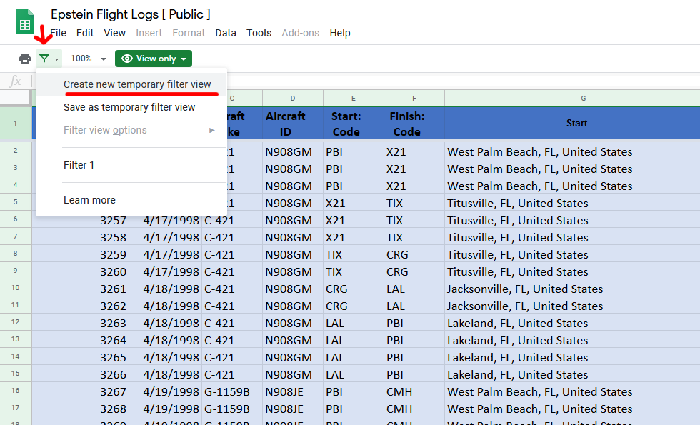
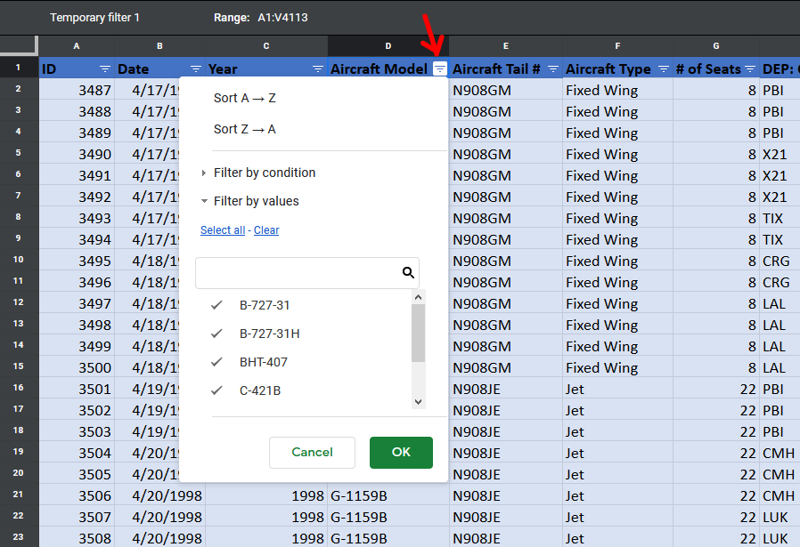
Know the identity of an (partial) unknown person? Submit a tip here!
https://docs.google.com/forms/d/e/1FAIpQLSefojwlLx91Wx_SoxJoEudHEpc6PljYLEntjBQQrmcLpJHy6A/viewform

SNA
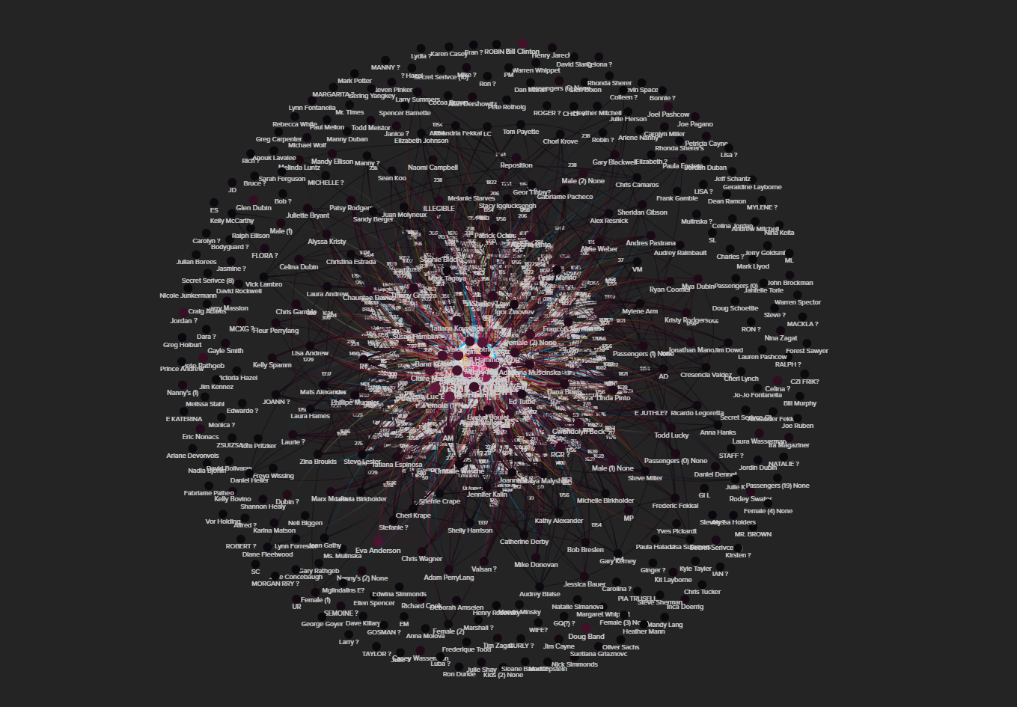
Social Network Analysis
These take a few minutes to load on a FAST computer. Be patient!
Stops in St. Thomas only
https://embed.kumu.io/459e53cec72fc1a21675a94153ba7d81
All Flights
https://embed.kumu.io/d318c8919054a2a1dd119a68ac7ffa67
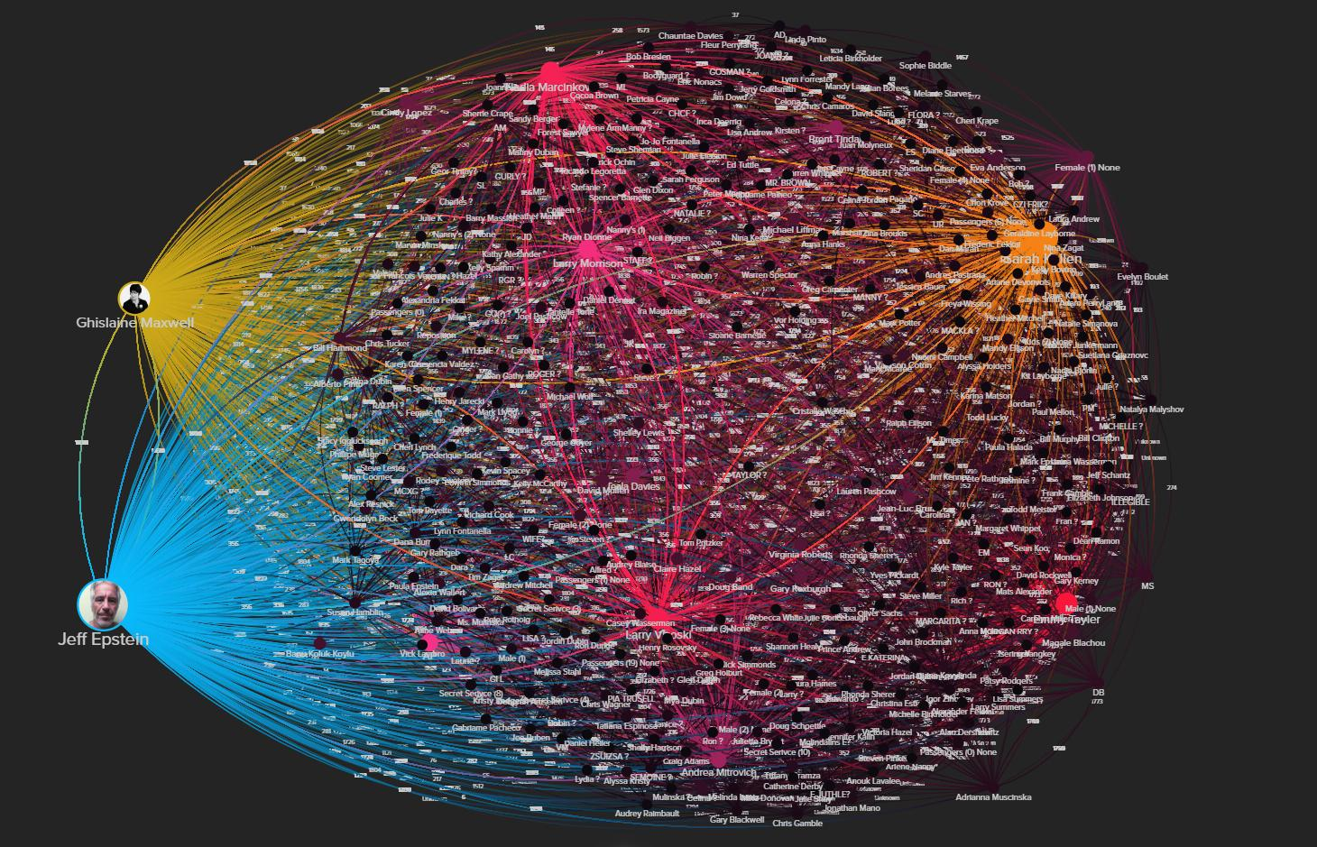

Simplify networks by selecting a person of interest and clicking 'focus'
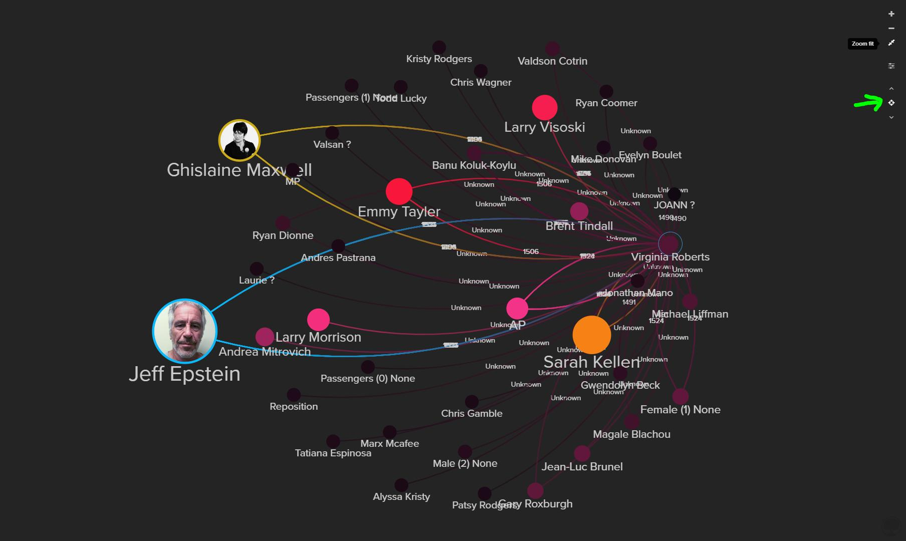

When the map loads, hit the 'B' key to bump the layout so you can more easily drag elements around

