Sheet1
<전체 구성도>
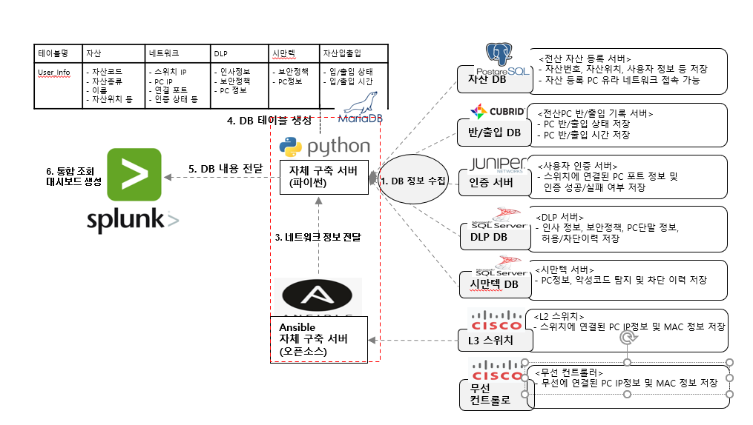

테이블 조인 : arp<->switch<->gradius<->symantec<->jasan<->banip
select distinct a.arp_ip,a.arp_mac,a.arp_switchip,s.switch_date,s.switch_ip,s.switch_interfacenum,s.switch_mac,s.switch_status,s.switch_accessmethod,g.gra_lastaccess,g.gra_state,g.gra_deptname,g.gra_username,g.gra_policyname,case when a.arp_ip = g.gra_ipaddr then g.gra_ipaddr when a.arp_ip = g.gra_ipaddr2 then g.gra_ipaddr2 when a.arp_ip = g.gra_ipaddr3 then g.gra_ipaddr3 else g.gra_ipaddr end as gra_ip,case when a.arp_mac = g.gra_macaddr then g.gra_macaddr when a.arp_mac = g.gra_macaddr2 then g.gra_macaddr2 when a.arp_mac = g.gra_macaddr3 then g.gra_macaddr3 else g.gra_macaddr end as gra_macaddrs,gra_version,g.gra_cpu,g.gra_memory,g.gra_model,g.gra_serialnum,sy.syman_accesstime,sy.syman_status,sy.syman_ipaddr,sy.syman_macaddr,sy.syman_subnetmask,sy.syman_gateway,sy.syman_dns1,sy.syman_dns2,sy.syman_groupname,sy.syman_clientversion,sy.syman_ostype,sy.syman_serv_pack,sy.syman_serialnum,j.jasan_assetcode,j.jasan_num,j.jasan_site,j.jasan_buseo,j.jasan_userid,j.jasan_username,j.jasan_location,j.jasan_locationdetail, case when a.arp_mac = j.jasan_macaddr then j.jasan_macaddr when a.arp_mac = j.wireless_macaddr then j.wireless_macaddr else j.jasan_macaddr end as jasan_macaddr, b.banchul_jasan_num, b.banchul_requst_man, b.banchul_reason, b.banchul_req_date, b.banchul_yejung_date, b.banip_yejung_date, b.banchul_date, b.banip_date, b.banchul_status, b.banchul_approve_status from arp a left join switch s on a.arp_mac = s.switch_mac left join gradius g on a.arp_mac = g.gra_macaddr or a.arp_mac = g.gra_macaddr2 or a.arp_mac = g.gra_macaddr3 left join symantec sy on a.arp_mac = sy.syman_macaddr left join jasan j on a.arp_mac = j.jasan_macaddr or a.arp_mac = j.wireless_macaddr left join banip b on j.jasan_assetcode = b.banchul_jasan_num;

 | 테이블명 |  |  |  |  | 1.insert into arp (arp_ip, arp_mac, arp_switchip) select arp_ip, arp_mac, arp_switchip from arp_temp as t where t.arp_mac not in (select arp_mac from arp)
 | arp_temp |  |  |  |  | * arp_temp테이블에 arp_mac이 arp테이블의 arp_mac에 없으면 해당 행 전체 arp테이블에 삽입
 | arp_ip | arp_mac | arp_switchip | num
 | 172.20.7.96 | 0028f885d009 | wireless | 1
 | 172.20.3.253 | 54e1ad169d50 | 172.20.2.1 | 2
Insert

 | arp |  |  |  |  | 1. update arp as a , arp_temp as t set a.arp_ip = t.arp_ip where a.arp_mac = t.arp_mac and a.arp_ip != t.arp_ip
 | arp_ip | arp_mac | arp_switchip | num |  | * arp_temp테이블에 mac주소와 arp테이블의 mac주소가 같으나 arp_ip주소가 다를때 arp테이블의 arp_ip 필드를 업데이트(동일 pc에서 ip변경시 반영하기 위함)
 | 172.20.7.96 | 0028f885d009 | wireless | 1 |  | 2. delete n1 from arp n1, arp n2 where n1.num < n2.num and n1.arp_mac = n2.arp_mac
 | 172.20.3.253 | 54e1ad169d50 | 172.20.2.1 | 2 |  | * mac은 같으나 ip가 다를경우 arp테이블에 동일 mac이 2개 존재 하므로, 이전 mac주소의 행을 삭제
FK

 | switch
 | switch_date | switch_ip | switch_interfacenum | switch_mac | switch_status | switch_accessmethod | num
 | 12/14/21 | 172.20.2.22 | GigabitEthernet1/0/13 | 54e1ad169d50 | Auth Success | 유선 | 1
FK

Delete
 | gradius
 | gra_deptname | gra_username | gra_ipaddr | gra_ipaddr2 | gra_ipaddr3 | gra_version | gra_state | gra_policyname | gra_macaddr | gra_macaddr2 | gra_macaddr3 | gra_cpu | gra_memory | gra_model | gra_serialnum | gra_lastaccess | num
 | 정보운영팀 | 김충현 [0720181006] | 172.20.3.253 | 172.21.64.1 |  | 500 | DLP 정상 | 메신져,화면보호 | 54e1ad169d50 | 00155d608843 |  | Intel(R) Core(TM) i7-7500U CPU @ 2.70GHz | 8192 | 20HFA00WKR (LENOVO) | LENOVO (20HFA00WKR) | 12/14/21 | 1
FK

 | symantec
 | syman_accesstime | syman_computername | syman_status | syman_groupname | syman_clientversion | syman_ipaddr | syman_subnetmask | syman_gateway | syman_macaddr | syman_dns1 | syman_dns2 | syman_ostype | syman_serv_pack | syman_serialnum | num
 | 12/14/21 | kimchunghyun | 백신 정상 | My Company\Yura.co.kr\판교RD\유라IT사업부 | 14.3.3385.1000 | 172.20.3.253 | 255.255.255.0 | 172.20.3.1 | 54e1ad169d50 | 172.21.0.9 | 172.24.210.9 | Windows 10 Professional Edition | 19042 | PC0LNWX9 | 1

 | controller_temp
 | arp_ip | arp_mac | controller_ip | num |  | 1. insert into controller (arp_ip, arp_mac, controller_ip) select arp_ip, arp_mac, controller_ip from controller_temp as t where t.arp_mac not in (select arp_mac from controller)
 | 172.20.7.96 | 0028f885d009 | 172.20.2.10 | 1 |  | * controller_temp테이블에 arp_mac이 controller 테이블의 arp_mac에 없으면 해당 행 전체 controller 테이블에 삽입
Insert
 |  |  |  |  |  | 2. delete from arp where arp_mac in (select arp_mac from controller where arp_mac not in (select arp_mac from controller_temp))
 | controller |  |  |  |  | * controller 테이블에 arp_mac이 controller_temp테이블의 arp_mac에 없을 경우 해당 controller 테이블의 arp_mac을 arp테이블에서 삭제(무선에서 유선 변경시 arp테이블 안의 무선 ip, mac정보 삭제)
 | arp_ip | arp_mac | controller_ip | num
FK
 | 172.20.7.96 | 0028f885d009 | 172.20.2.10 | 1

 | jasan
 | jasan_assetcode | jasan_num | jasan_site | jasan_buseo | jasan_userid | jasan_username | jasan_location | jasan_locationdetail | jasan_macaddr | wireless_macaddr | jasan_manager | jasan_register_date | jasan_type | jasan_rfid | jasan_desc | num
 | YF01705230000003 | 노트북 | 유라 | 정보운영팀(판) | 720181006 | 김충현 | 판교R&D | 유스페이스1 A동 11층 | 54e1ad169d50 | 0028f885d009 | 박병섭 | 2017-05-23 | 사무용 | 발행 | 사용 | 1
Insert
Insert
Insert

 | jasan_refactory |  |  |  |  |  |  |  |  |  |  | jasan_backup
 | jasan_assetcode | jasan_num | jasan_site | jasan_buseo | jasan_userid | jasan_username | jasan_location | jasan_locationdetail | jasan_macaddr | wireless_macaddr |  | assetcode | assetmanagernm | assetgetdate | jasang | rfwrite | assetstatuscodedesc | num
 | YF01705230000003 | 노트북 | 유라 | 정보운영팀(판) | 720181006 | 김충현 | 판교R&D | 유스페이스1 A동 11층 | 54e1ad169d50 | 0028f885d009 |  | YF01705230000003 | 박병섭 | 2017-05-23 | 사무용 | 발행 | 사용 | 0

FK
Insert
FK
Insert
 | wireless |  |  |  |  | jasan_temp
 | wireless_jasannum | wireless_macaddr | wireless_ssid | num |  | jasan_assetcode | jasan_num | jasan_site | jasan_buseo | jasan_userid | jasan_username | jasan_location | jasan_locationdetail | jasan_macaddr | num
 | YF01705230000003 | 0028f885d009 | yuraoffice | 1 |  | YF01705230000003 | 노트북 | 유라 | 정보운영팀(판) | 720181006 | 김충현 | 판교R&D | 유스페이스1 A동 11층 | 54e1ad169d50 | 1

FK

 | banip
 | banchul_jasan_num | banchul_inoutdate | banchul_requst_man | banchul_reason | banchul_req_date | banchul_yejung_date | banip_yejung_date | banchul_date | banip_date | banchul_status | banchul_approve_status
 | YF01705230000003 | 9/7/21 | 김충현(0720181006) |  |  |  |  |  |  | 무단

