L3 Address
SDRAM | Hard_Memory_Ctrlr_DDRMemoryData_4G | 0x0 | 0x7FFFFFFF | DDR，考えなくていい
FPGA | FPGA_bridge_soc2fpga_1G_default | 0x80000000 | 0xBFFFFFFF | no use
 | FPGA_bridge_soc2fpga_512M | 0xC0000000 | 0x205FFFFFFF
CCU Registers | Cache_Coherency_Unit | 0xF7000000 | 0xF71008FF
DDR Registers | SDRAML3Interconnect | 0xF8010000 | 0xF80240FF
LWH2F | FPGA_bridge_lwsoc2fpga_2M | 0xF9000000 | 0xF91FFFFF
 | noc_cache_clean | 0xF9C00000 | 0xF9FFFFFF
TCU | SMMU_secure_registers | 0xFA000000 | 0xFA03FFFF
STM | CoreSight_STM | 0xFC000000 | 0xFC3FFFFF
DAP | CoreSight_DAP_sysdbg | 0xFF000000 | 0xFF1FFFFF
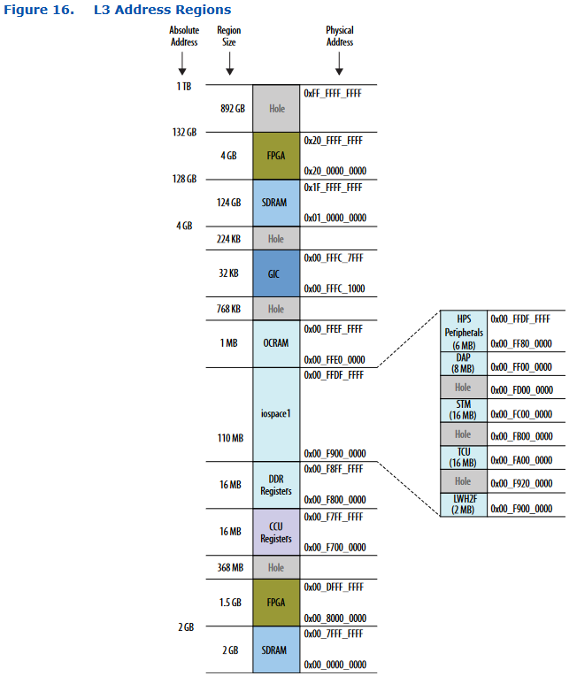
HPS Peripherals | EMAC | 0xFF800000 | 0xFF80505B
 | SDMMC | 0xFF808000 | 0xFF8083FF
 | ECC | 0xFF8C0000 | 0xFF8CC3FF
 | SDM | 0xFF8D0000 | 0xFFA223FF
 | External_Master_mailbox | 0xFFA30000 | 0xFFA300FF
 | Mailbox_to_SDM | 0xFFA30400 | 0xFFA3040B
 | Mailbox_From_SDM | 0xFFA30480 | 0xFFA3048B
 | Mailbox_stream | 0xFFA31000 | 0xFFA3FFFF
 | USB | 0xFFB00000 | 0xFFB67FFF
 | NAND | 0xFFB80000 | 0xFFB9FFFF
 | UART | 0xFFC02000 | 0xFFC021FF
 | I2C | 0xFFC02800 | 0xFFC029FF
 | I2C_emac | 0xFFC02A00 | 0xFFC02CFF
 | Timer_SP | 0xFFC03000 | 0xFFC031FF
 | GPIO | 0xFFC03200 | 0xFFC0337F
 | Timer_sys | 0xFFD00000 | 0xFFD001FF
 | Watchdog_timer | 0xFFD00200 | 0xFFD005FF
 | GenericTimer_rw_sec | 0xFFD01000 | 0xFFD01FFF
 | GenericTimer_ro_nsec | 0xFFD02000 | 0xFFD02FFF
 | Clock_Mgr | 0xFFD10000 | 0xFFD100F7
 | Reset_Mgr | 0xFFD11000 | 0xFFD110FF
 | System_Mgr | 0xFFD12000 | 0xFFD124FF
 | Dedicated_PinMux | 0xFFD13000 | 0xFFD13FFF
 | L3interconnect | 0xFFD21000 | 0xFFD24C7F
 | DMA_nonsecure | 0xFFDA0000 | 0xFFDA0FFF
 | DMA_secure | 0xFFDA1000 | 0xFFDA1FFF
 | SPI_Slave | 0xFFDA2000 | 0xFFDA30FF
 | SPI_Master | 0xFFDA4000 | 0xFFDA50FF
OCRAM | OnChip_RAM | 0xFFE00000 | 0xFFE3FFFF
GIC | GIC | 0xFFFC1000 | 0xFFFC7FFF
SDRAM | Hard_Memory_Ctrlr_DDRMemoryData_124G | 0x100000000 | 0x2EFFFFFFFF | no use
FPGA | FPGA_bridge_soc2fpga_1G | 0x2000000000 | 0x203FFFFFFF | PL部
 | FPGA_bridge_soc2fpga_2.5G | 0x2060000000 | 0x20FFFFFFFF | PL部

