Sensor
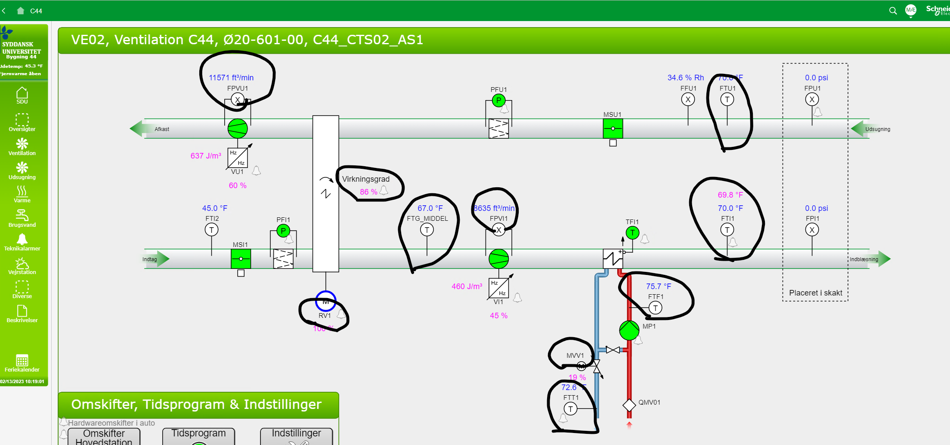
id | observes | isContainedIn | subSystemOf | hasFluidSuppliedBy | hasFluidReturnedBy
temperature sensor | temperature property | space
valve position sensor | valve position property | space
damper position sensor | supply damper position property | space
co2 sensor | co2 property | space

