class1
Frames | Name | Date&Time | Recognized/Not
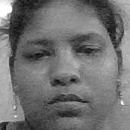 | Dharani | 2022-05-09 16:36:58.626664 | Recognized
 | Unknown, can not recognize | 2022-05-09 16:44:46.286246 | Not_Recognized

