SQL Script
First gawa ka muna ng query mo, itong sakin is may user parameter.
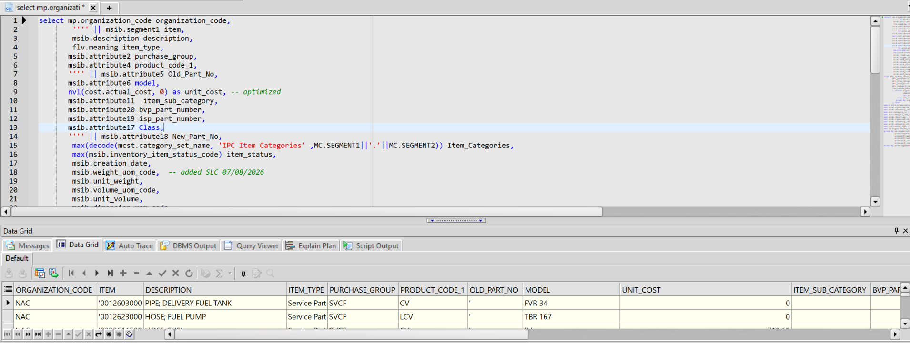

select mp.organization_code organization_code,
'''' || msib.segment1 item,
msib.description description,
flv.meaning item_type,
msib.attribute2 purchase_group,
msib.attribute4 product_code_1,
'''' || msib.attribute5 Old_Part_No,
msib.attribute6 model,
nvl(cost.actual_cost, 0) as unit_cost, -- optimized
msib.attribute11 item_sub_category,
msib.attribute20 bvp_part_number,
msib.attribute19 isp_part_number,
msib.attribute17 Class,
'''' || msib.attribute18 New_Part_No,
max(decode(mcst.category_set_name, 'IPC Item Categories' ,MC.SEGMENT1||'.'||MC.SEGMENT2)) Item_Categories,
max(msib.inventory_item_status_code) item_status,
msib.creation_date,
msib.weight_uom_code, -- added SLC 07/08/2026
msib.unit_weight,
msib.volume_uom_code,
msib.unit_volume,
msib.dimension_uom_code,
msib.unit_length,
msib.unit_width,
msib.unit_height
from mtl_system_items_b msib,
mtl_parameters mp,
mtl_item_categories mic,
mtl_categories mc,
mtl_category_sets_tl mcst,
fnd_lookup_values_vl flv,
( select organization_id,
inventory_item_id,
max(actual_cost) keep (dense_rank last order by last_update_date) as actual_cost
from mtl_cst_actual_cost_details
group by organization_id, inventory_item_id
) cost
where msib.organization_id = mp.organization_id
and msib.organization_id = mic.organization_id
and msib.inventory_item_id = mic.inventory_item_id
and mic.category_id = mc.category_id
and mic.category_set_id = mcst.category_set_id
and msib.item_type = flv.lookup_code
and msib.organization_id = cost.organization_id(+)
and msib.inventory_item_id = cost.inventory_item_id(+)
and mcst.category_set_name in ('IPC Item Categories', 'IPC LCM Category')
and flv.lookup_type = 'ITEM_TYPE'
and mp.organization_code = :p_org_code
group by mp.organization_code, msib.segment1, msib.description, flv.meaning,
msib.inventory_item_status_code, msib.attribute2, msib.attribute4, msib.attribute5,
msib.attribute6, msib.attribute19, msib.attribute20, msib.attribute11, msib.attribute17,
msib.attribute18, msib.creation_date, cost.actual_cost, msib.weight_uom_code,
msib.unit_weight, msib.volume_uom_code, msib.unit_volume, msib.dimension_uom_code,
msib.unit_length, msib.unit_width, msib.unit_height
order by msib.segment1

Setup in ReportsBuilder
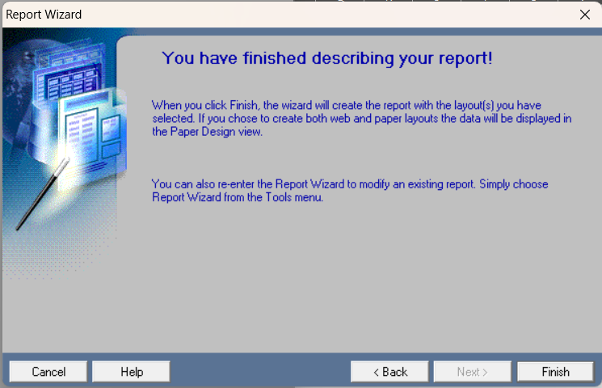
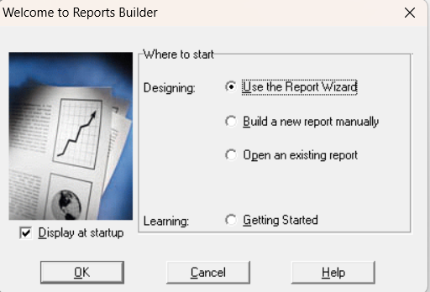
Then unang bungad sayo is ganyan, tas select mo lang "Use the Report Wizard" para matic nalang kasi pag ung manual pangit literal un kaya wag natin pahirapan dun tayo sa mas madadalian owkii
z

Then yan next lang ikaw
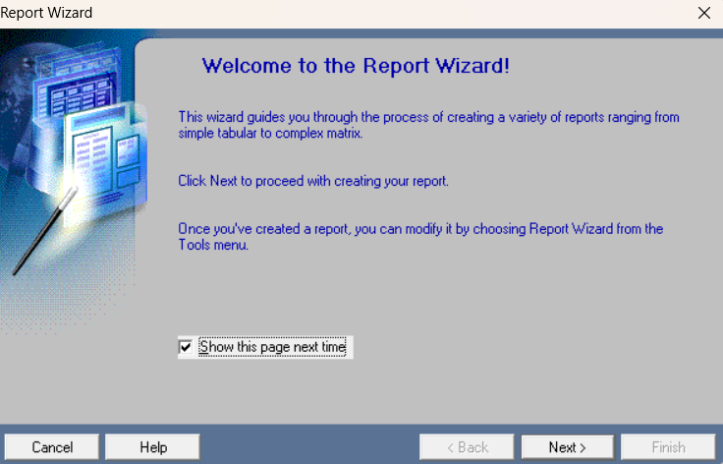

Then dito is Create both ka nalang owkii
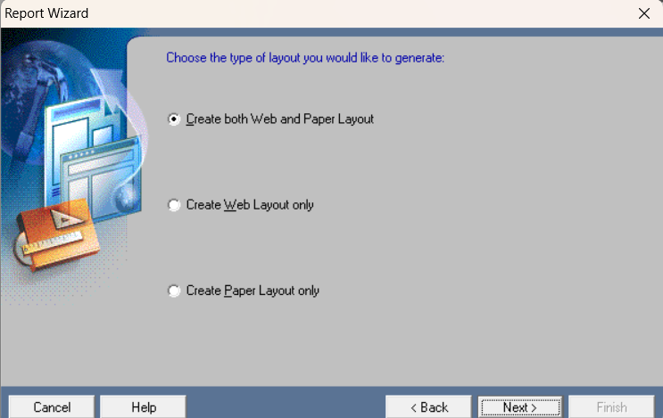

Then dito is need "Tabular"
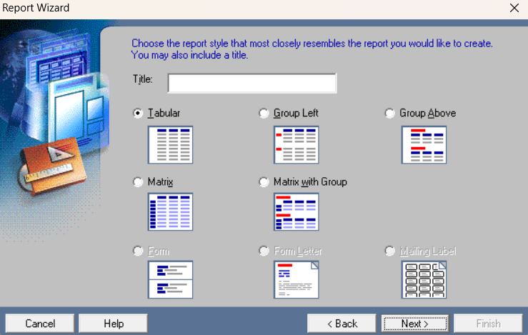

Then ayan magccreate ka na dito piliin lang SQL Query
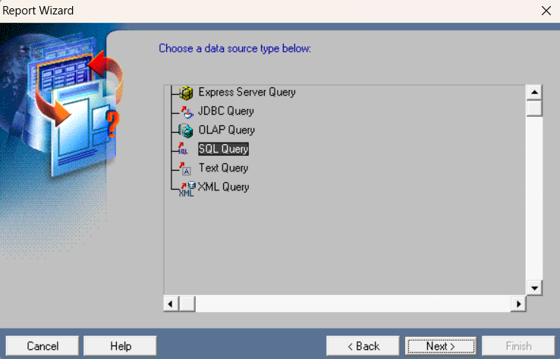

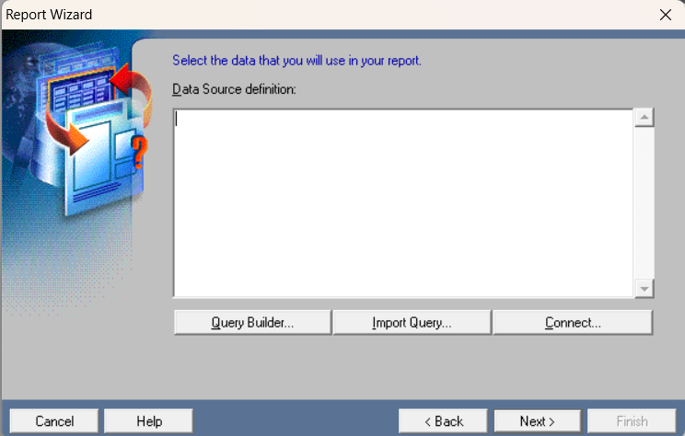
Then dito mo lalagay ung query mo owkii

Then ayan na next ka lang.

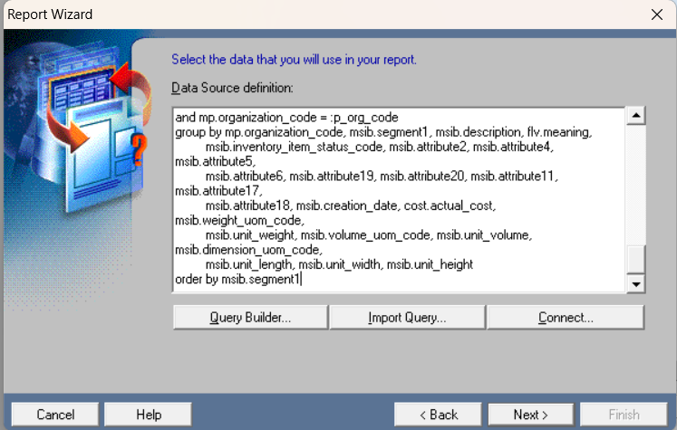

Then pagka-next mag-prompt na ung credentials ng Reports Builder nyo, then input mo lang baby hihi,,
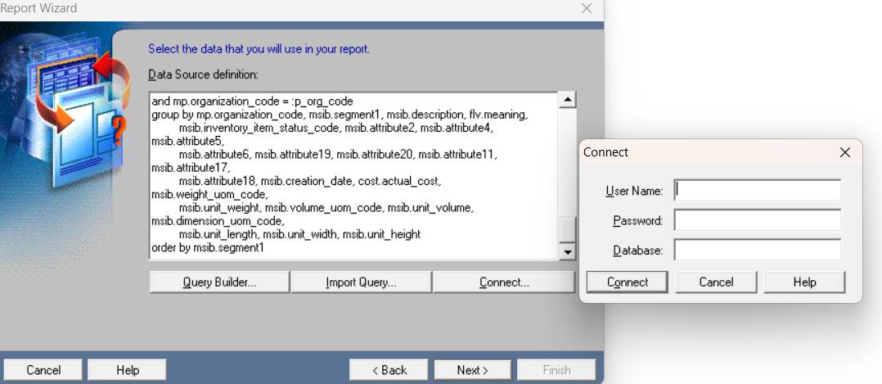

Then dito is ilagay mo ung mga dapat makikita sa report mo like kung alin lang dapat i-output ganun
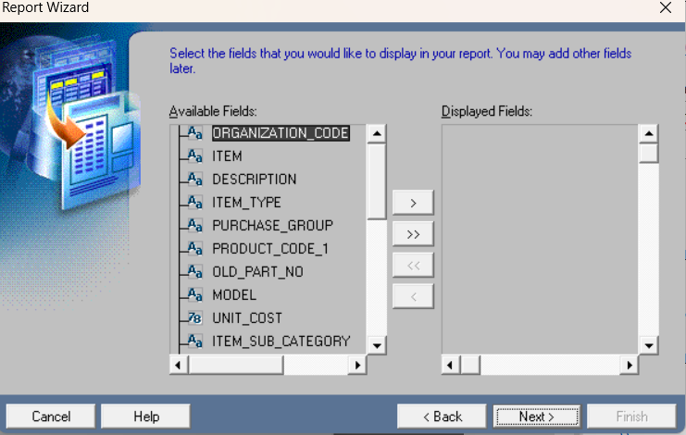

Itong sakin is lahat naman need so lahat nilabas ko
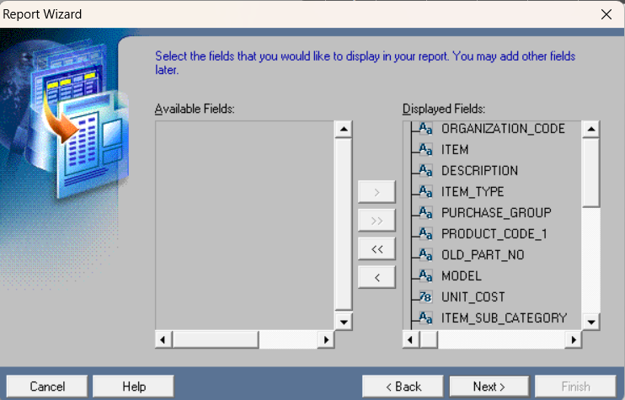

Then dito kung may mga need may calculation eme, ung sakin wala namn pati pwede naman nasa query na so bat may ganito pa..
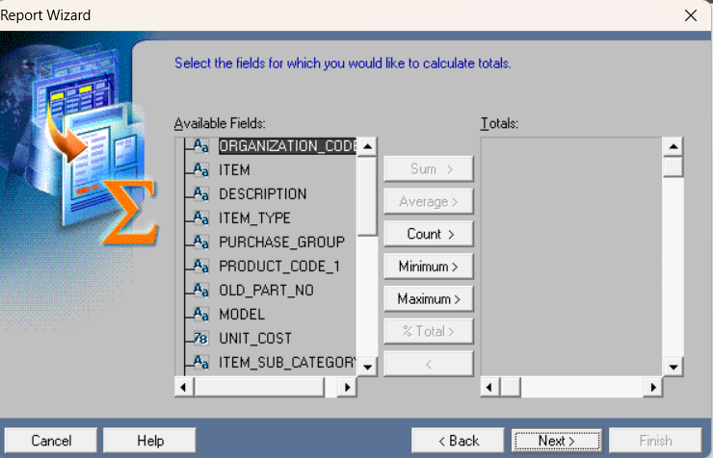

Then dito is kung ung magiging output mo need mo maigsi lang itsura ng mga column ganyan
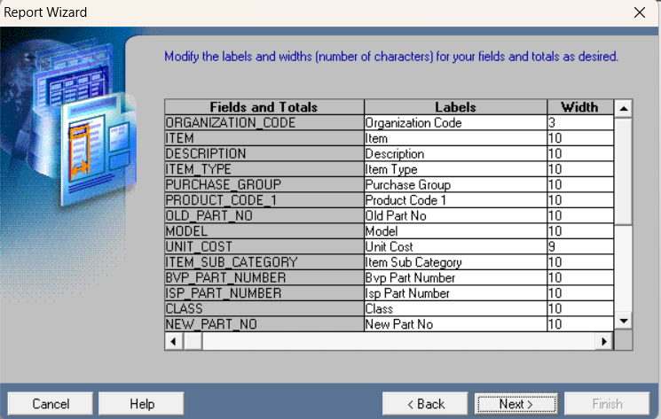

Dito no tempate ka muna kasi gagawa ka pa maya
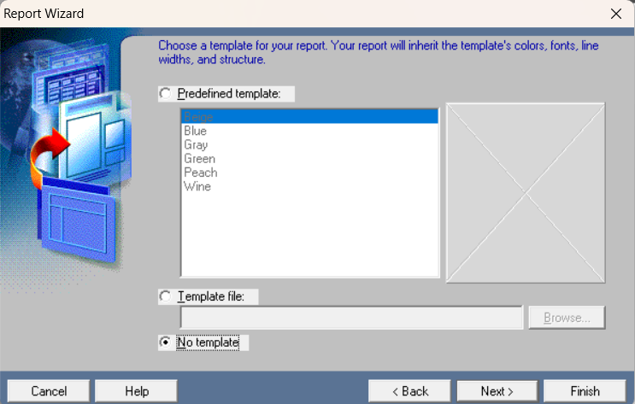

Ayan done naa

RDF, XML
Then ito na bubungad sayo kasi diba ung sakin may user parameter kaya ganyan.
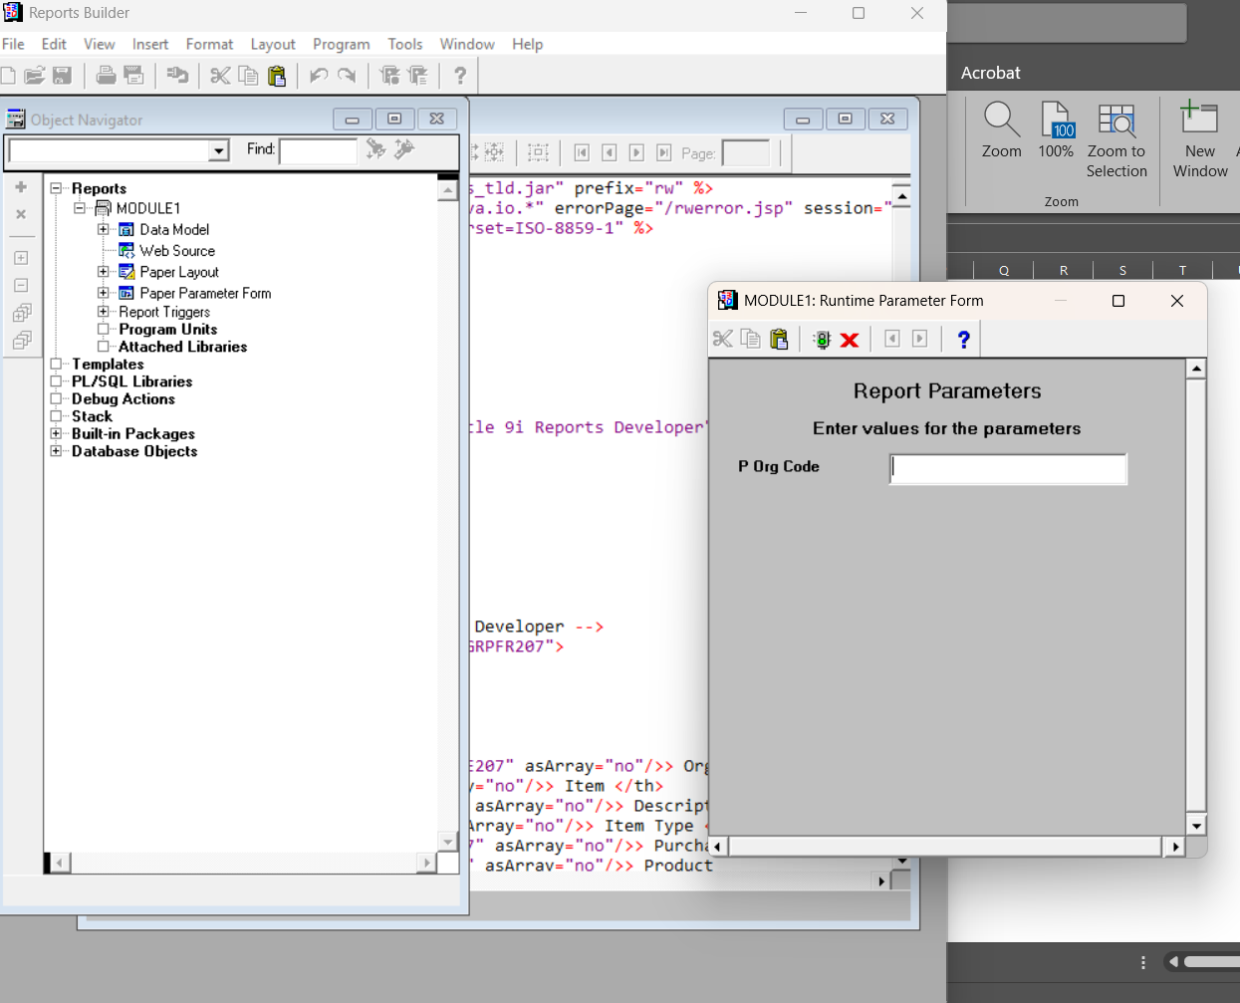

Then ito na mag-prompt pag running na sya..
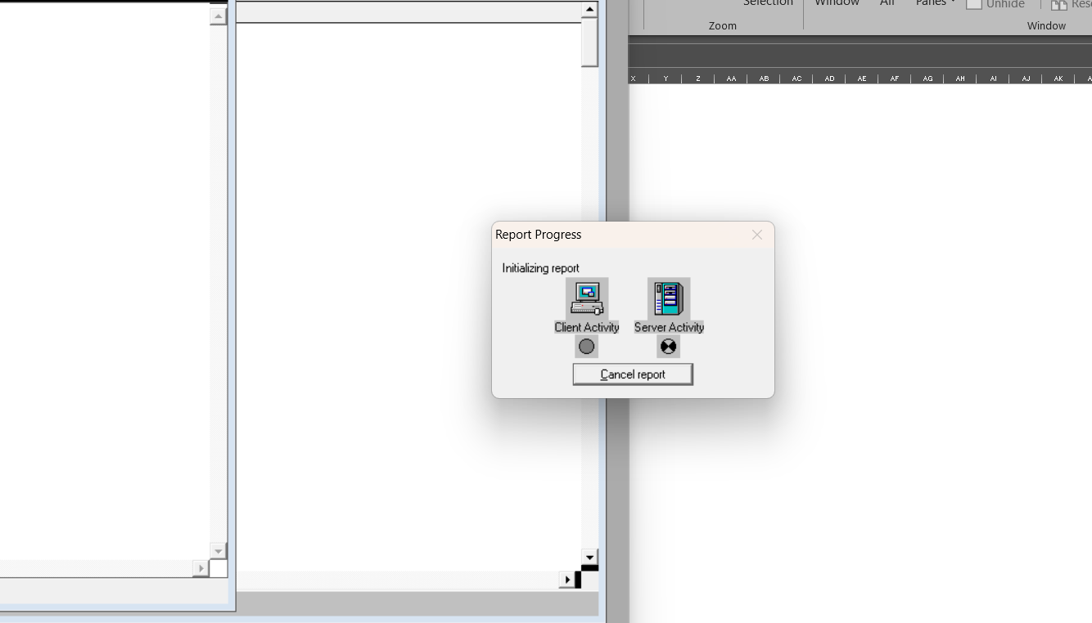

Then ayan na ung pinaka design
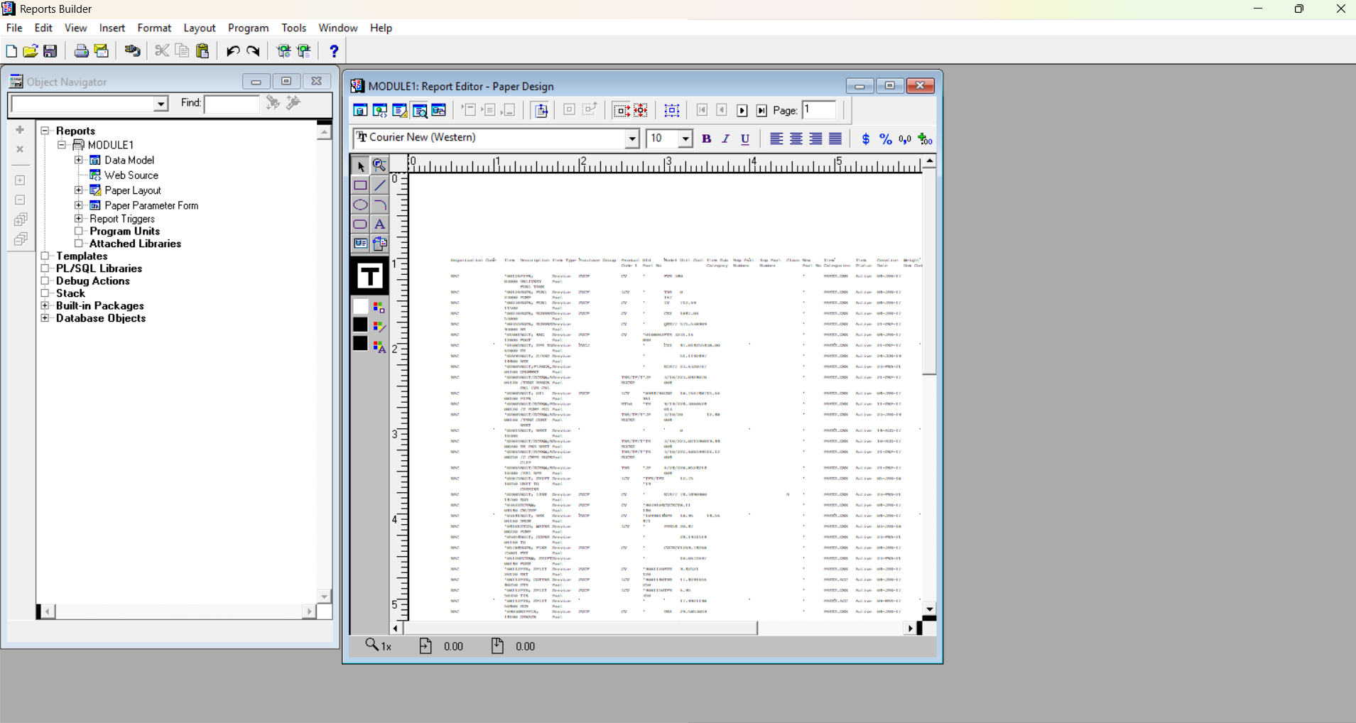

Then click mo lang ung "Data Model" ung mismong icon haa then yan maga-appear

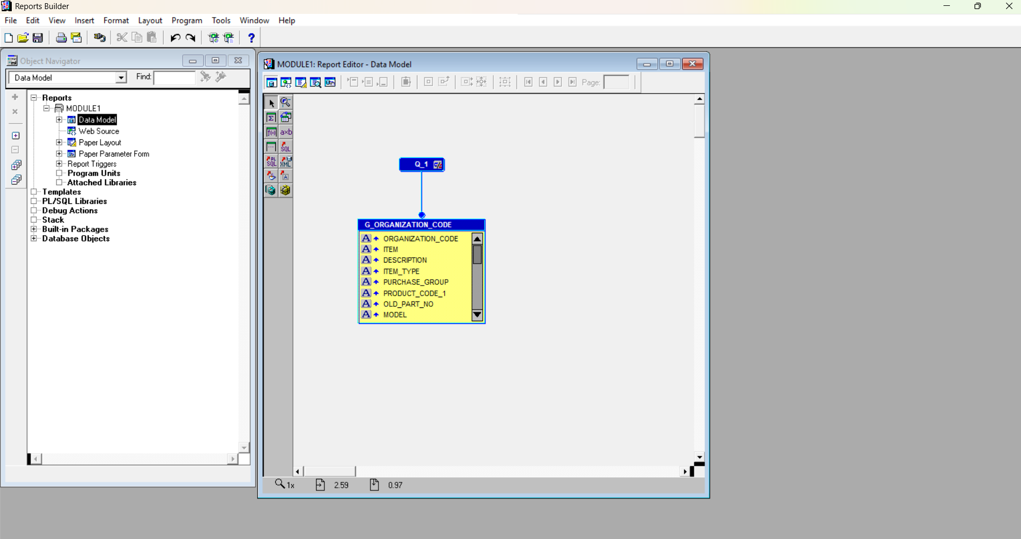

Then click mo ung Q1 kung gusto mo makita ung query mo kanina or may gusto ka baguhin pa sa script
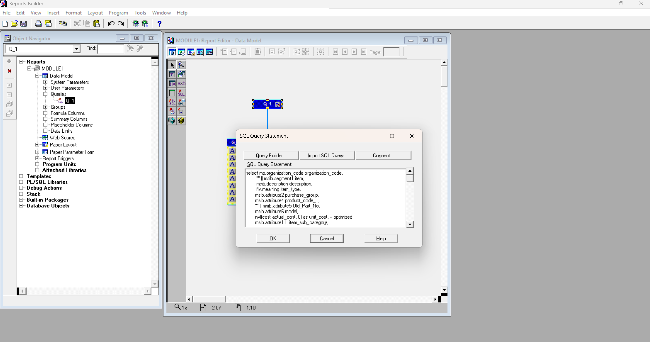

If ok ka na , then SAVE mo na.. FILE >SAVE
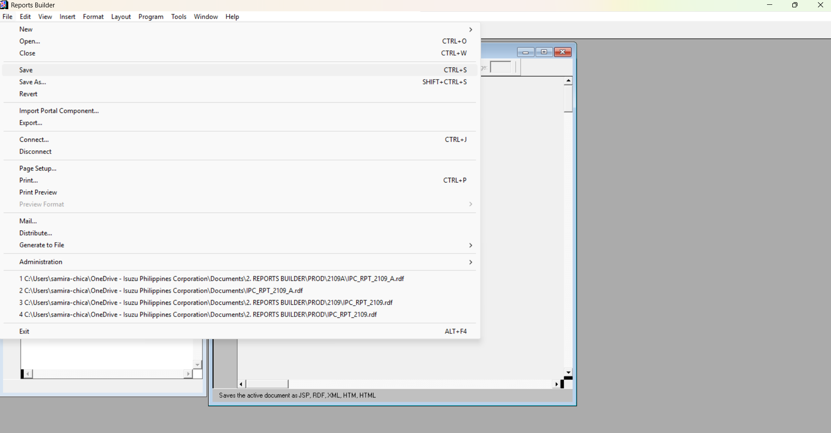

Then ung "SAVE as Type" mo dapat is .RDF haaa wag mo kalimutan
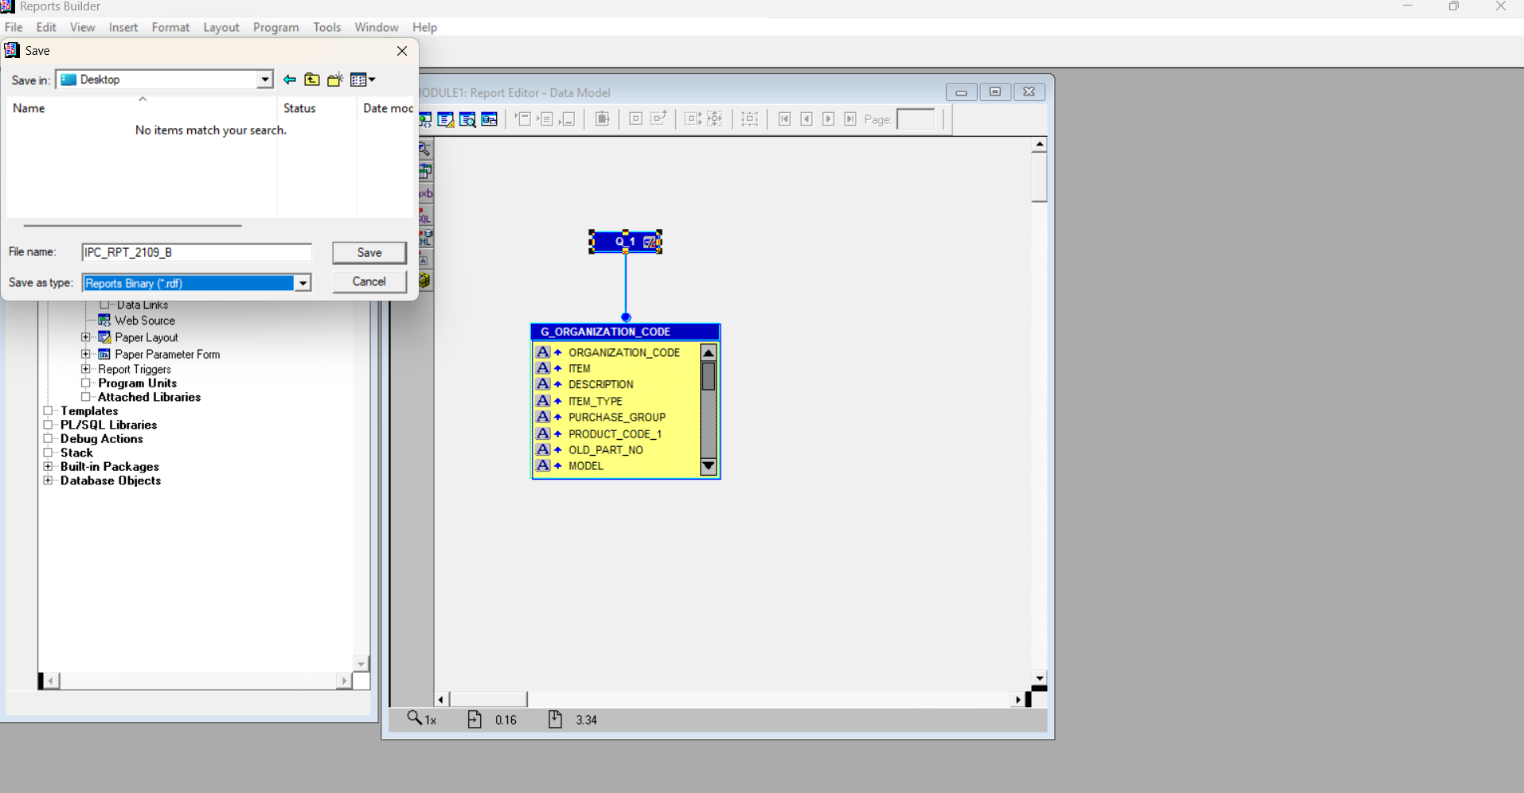

Then need mo rin mag generate ng XML para to pag mag loload ka na dun sa template mo tas makikita mo dun ung pinaka output
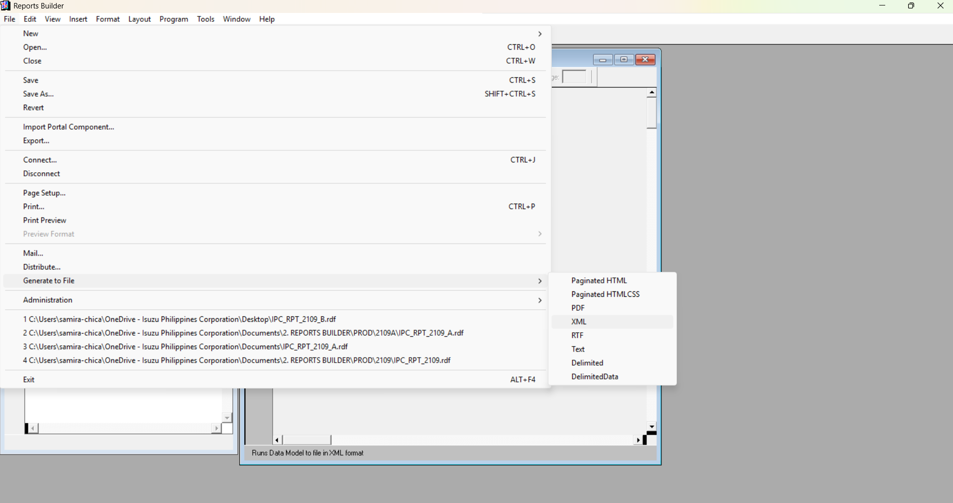

Then ung file name need mo lagyan ng .xml sa dulo haa
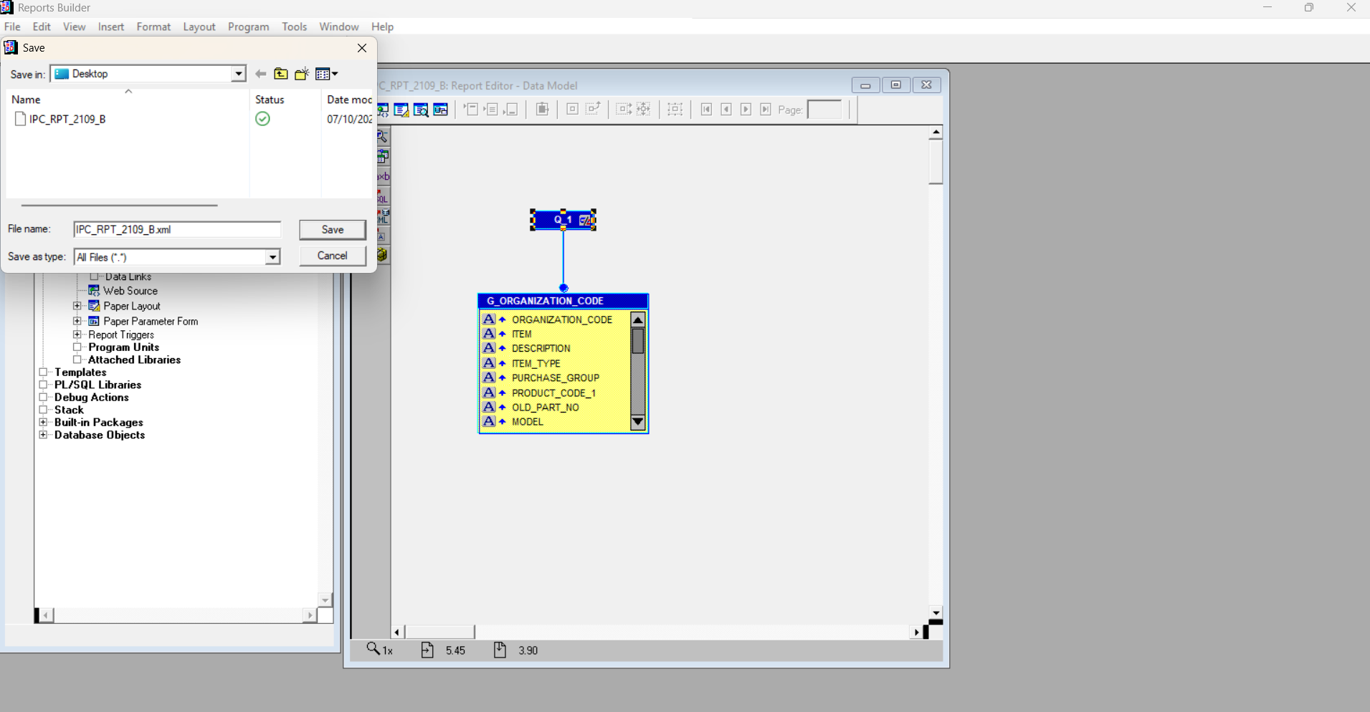

THEN wait magenerate ung xml , lalabas ung user define na parameter

Then yan mag-prompt ulit ung user parameter
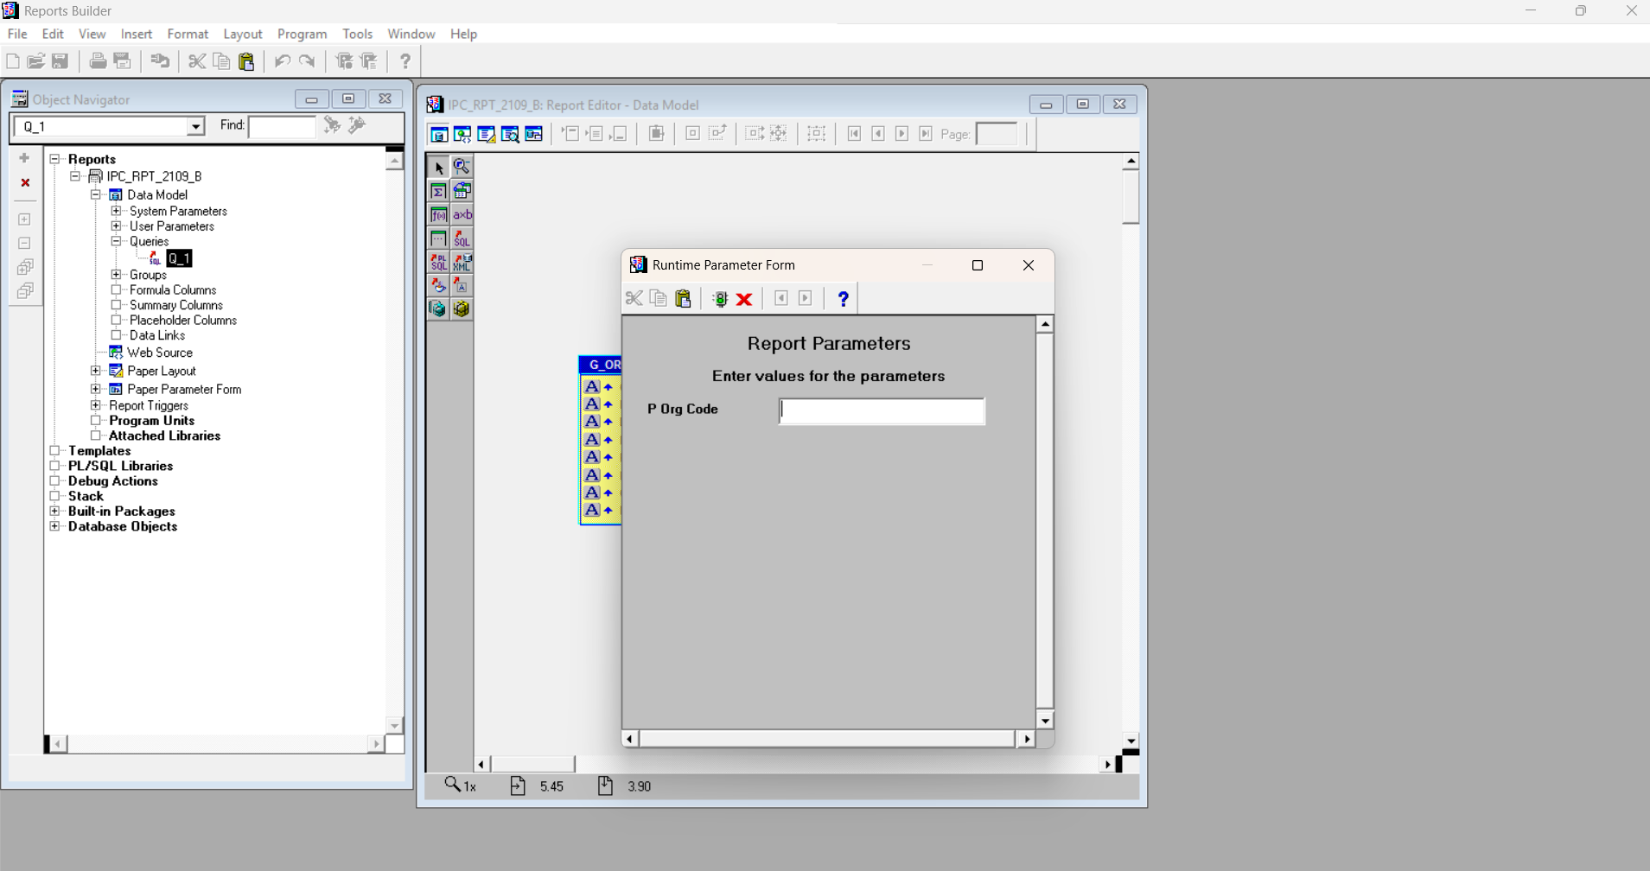

Then wait lang to, depende kung gano kadami ung data..
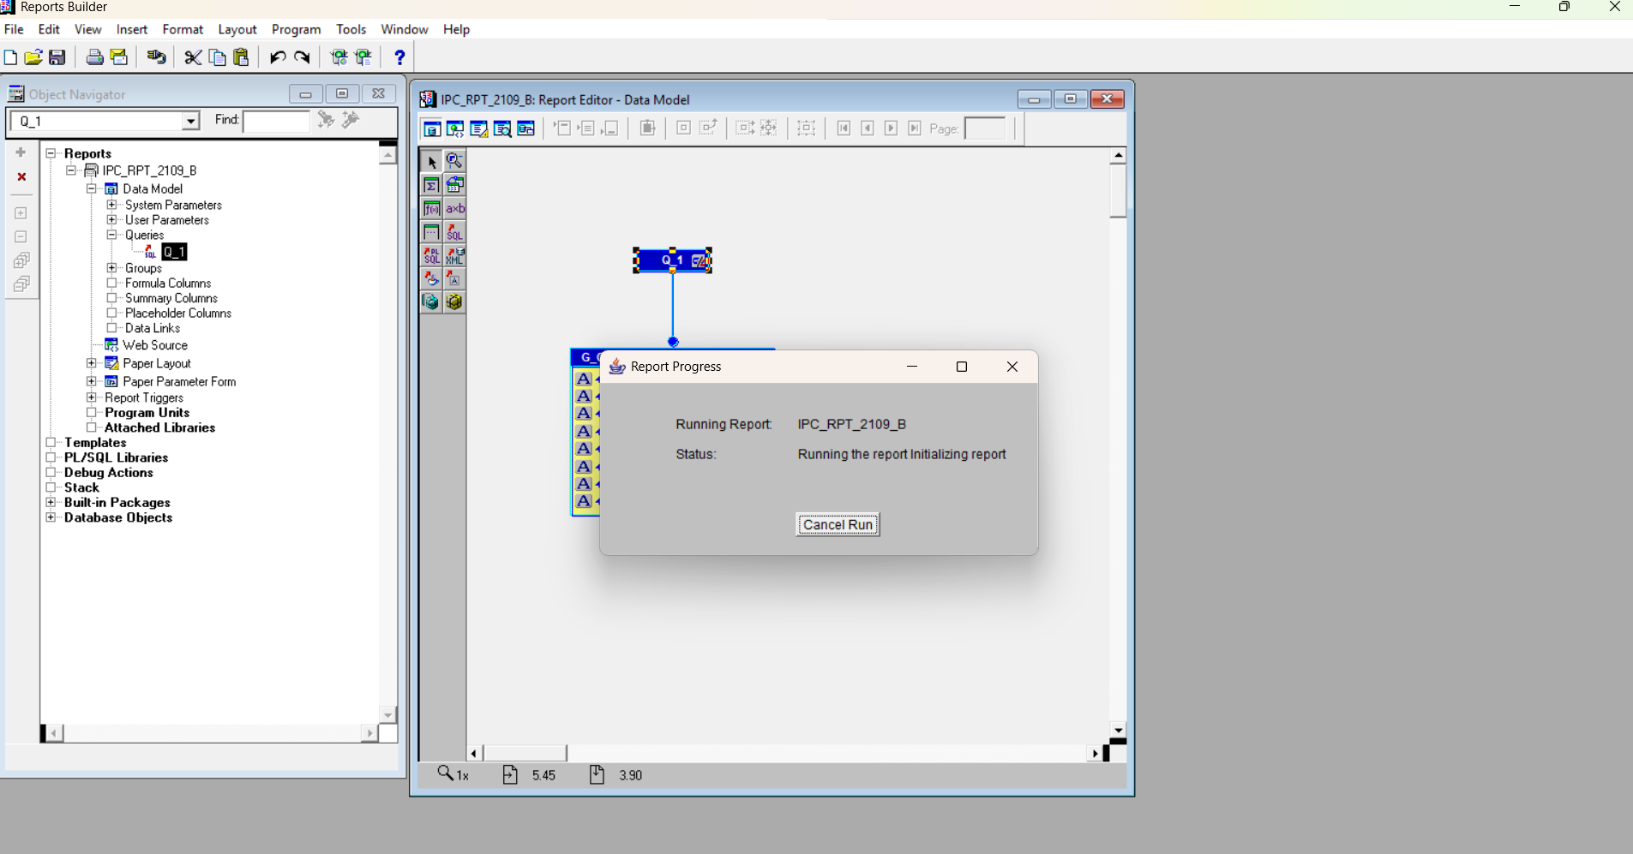

Then check mo ung folder na pinag savan mo kung nagenerate nga ung xml file, ganyan dapat

Concurrent Prg
Then ito for sure lamona to hahahaha

PROGRAM EXECUTABLE
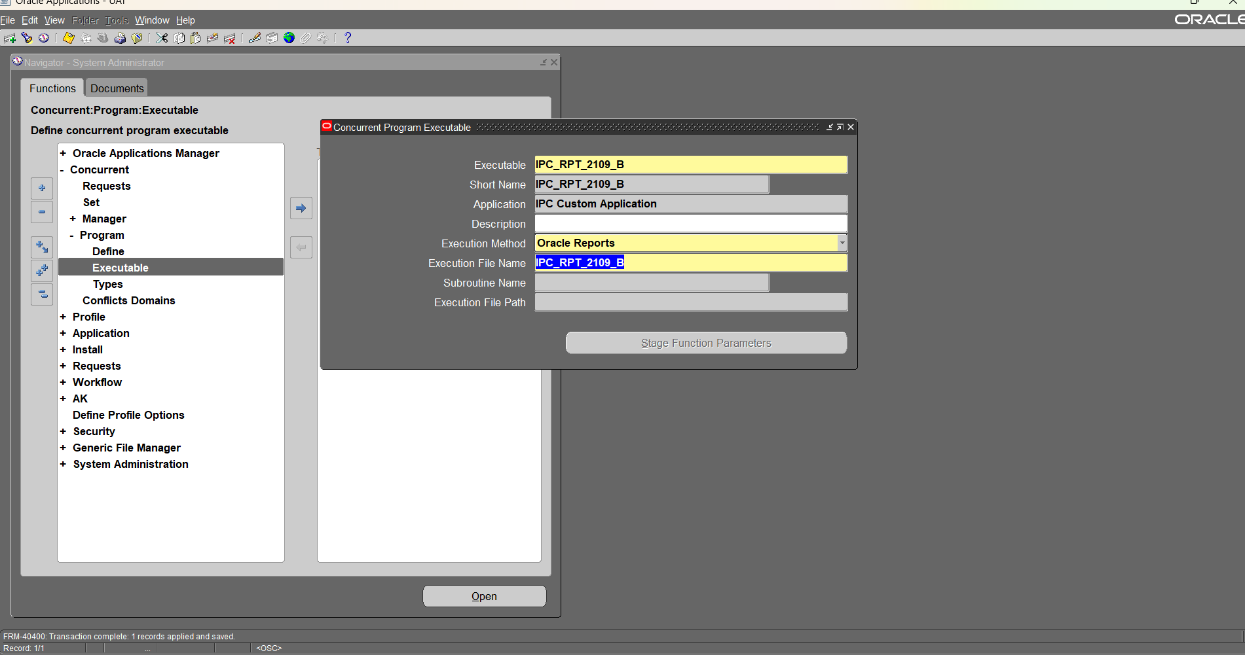

PROGRAM DEFINE
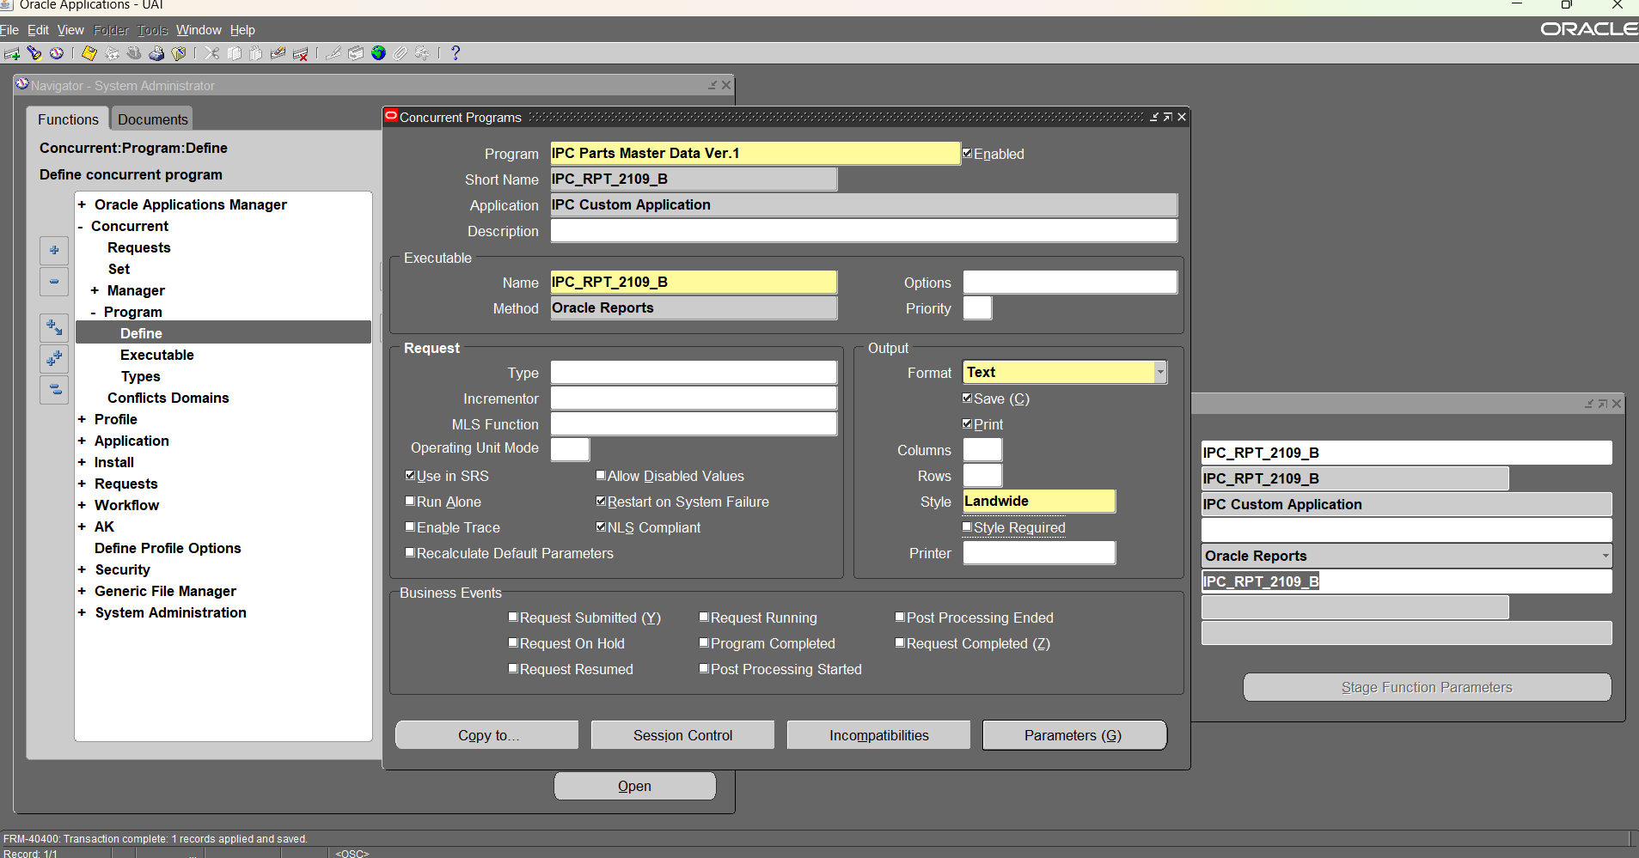

PARAMETER
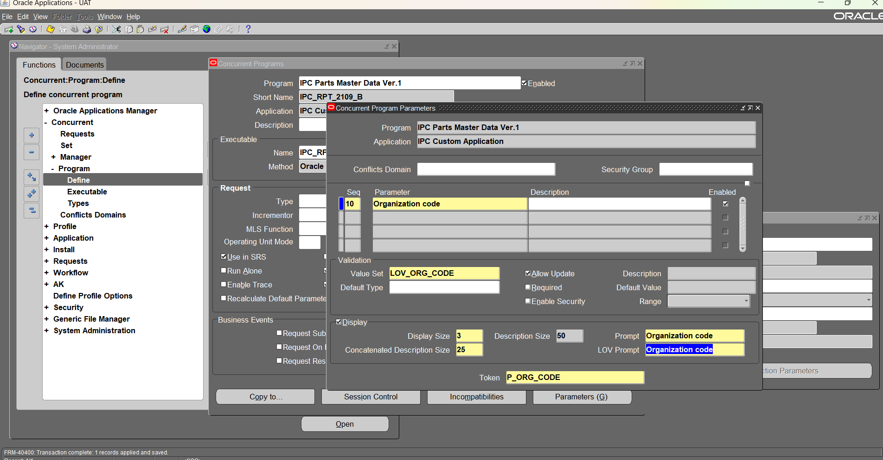

Then idefine mo rin sya kung san responsibility magrruun..
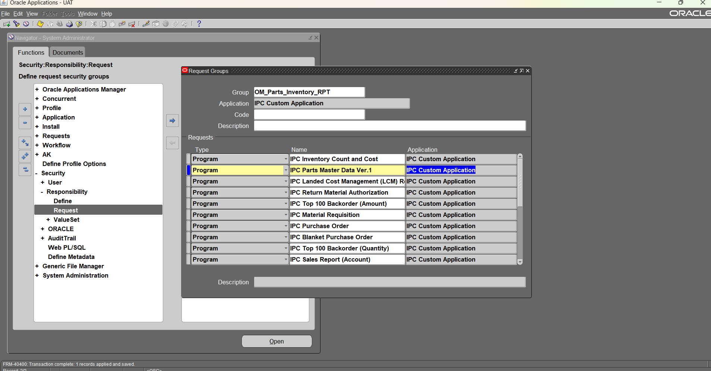

 | C

Template
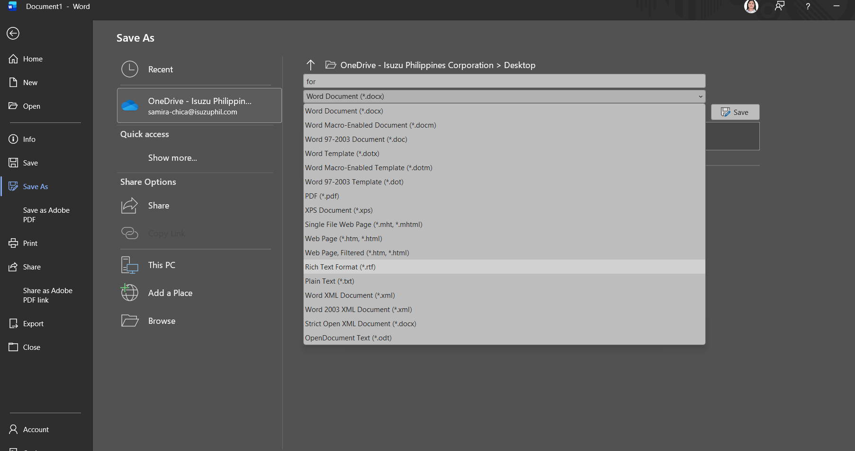
Bukas ka lang ng blankong Word docs, dapat may BI Pub dian haa then click mo ung "Sample XML"

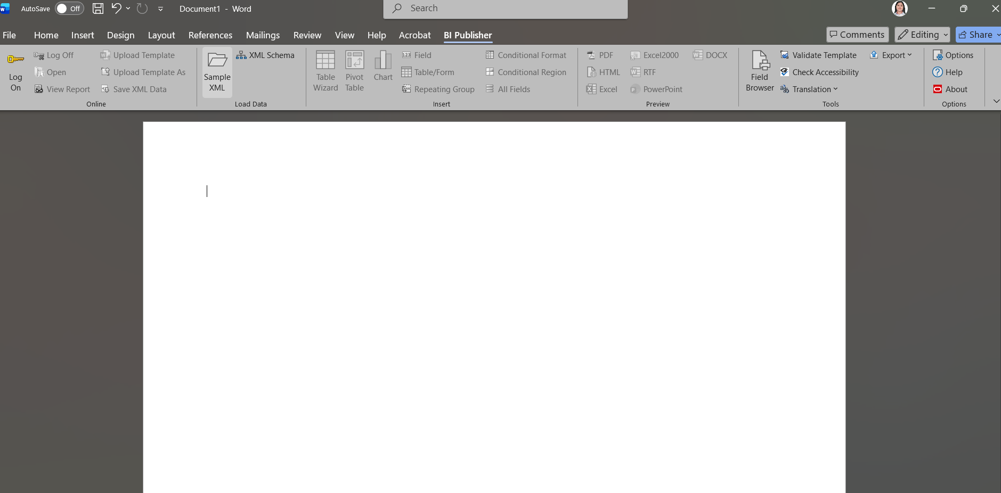

Then dito mo na dapat makita ung ginenerate mo kanina sa Reports Builder

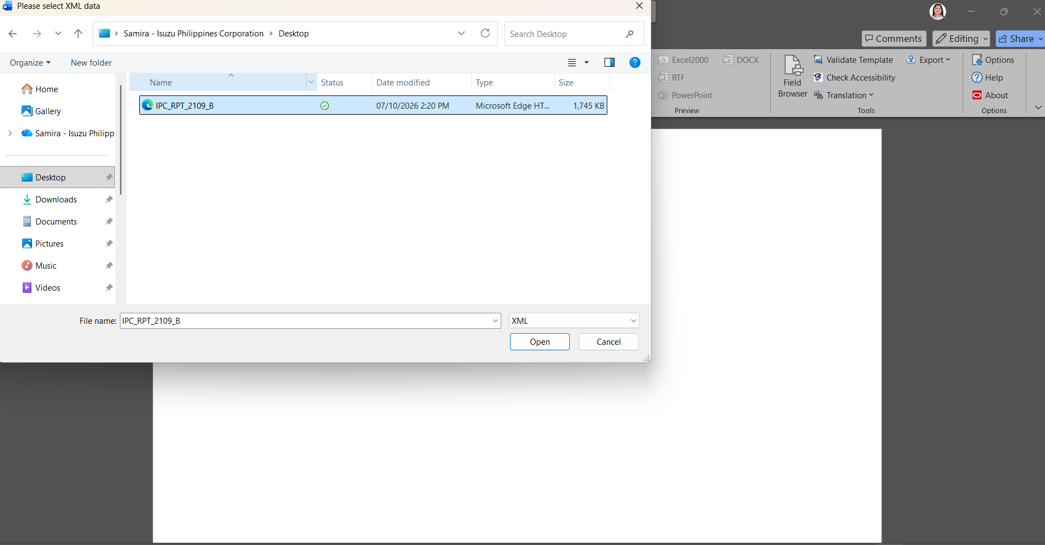

Then OK lang
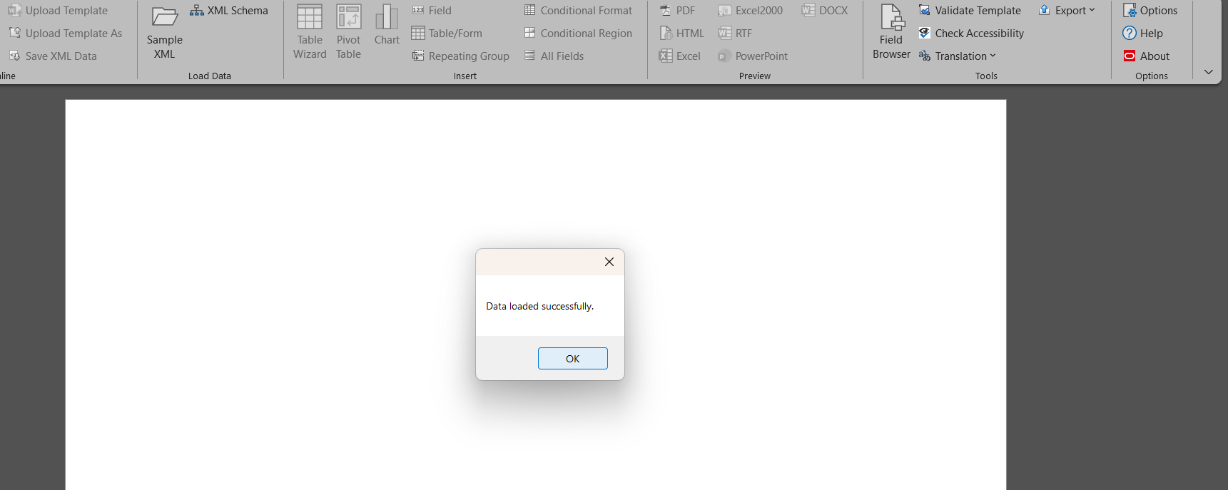

Then click mo "ALL FIELDS" para lumabas lahat nung mga column pero kapag adding lang to ng column kunwari ang need mo iclick is ung "FIELD" lang then click ung specific column
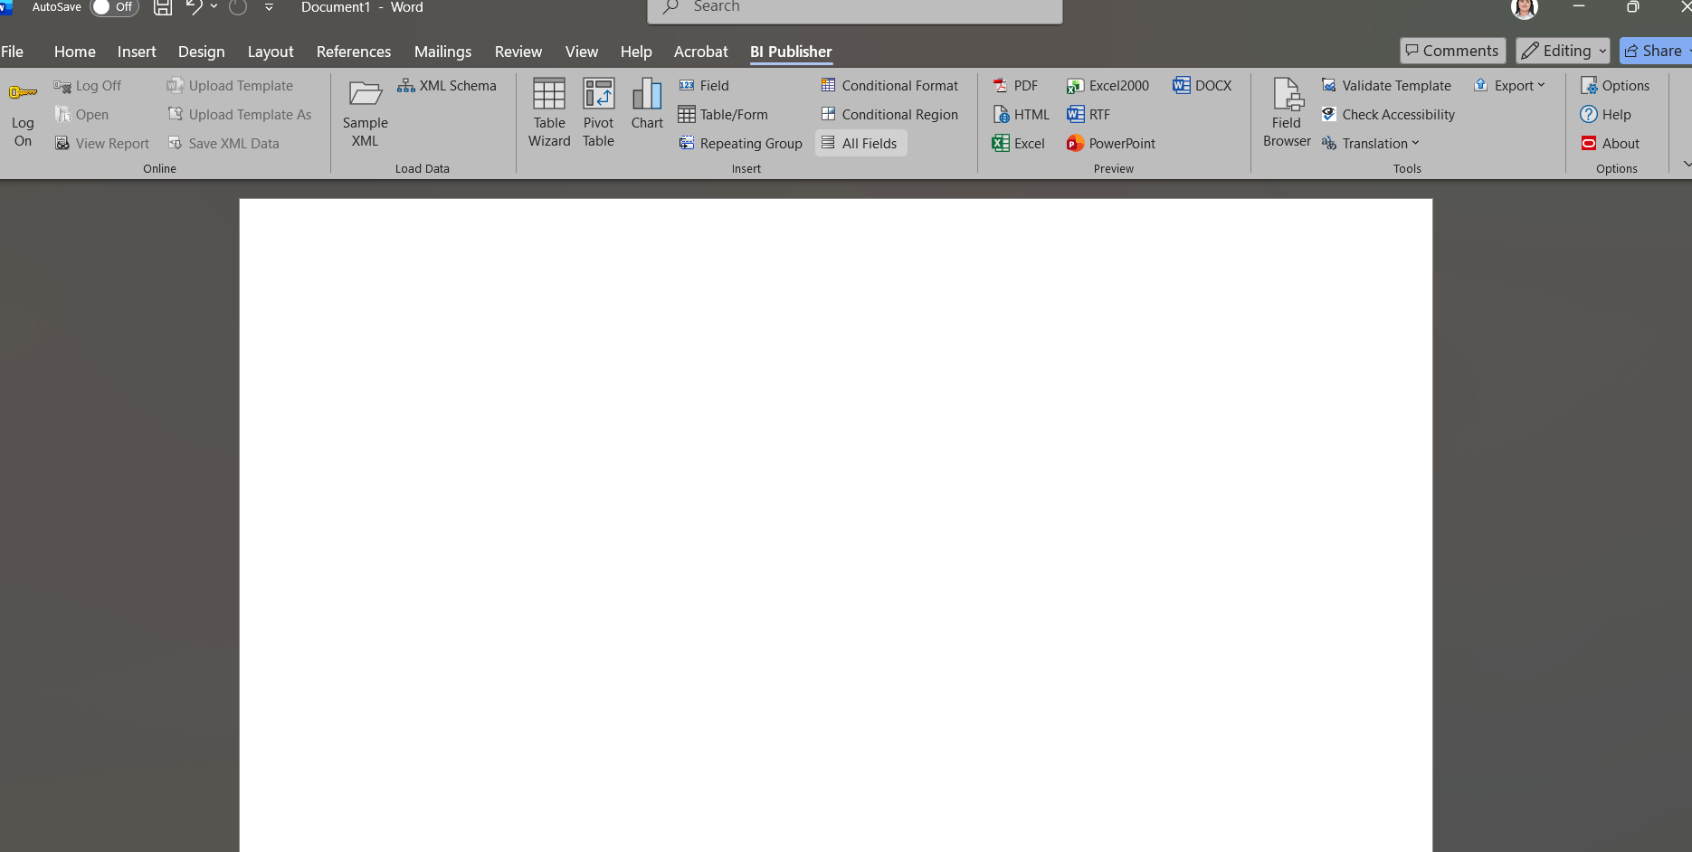

Then yan sya hintayin mo mag ganyan, cute sya habang nagpprocess kasi hihilera sila hahaha, then pwede mo pagtatanggalin ung mga for each na nakalagay, di naman as in mawawala ung function nila tanggalin mo lang kung di mo bet ung nakikita sila dian.

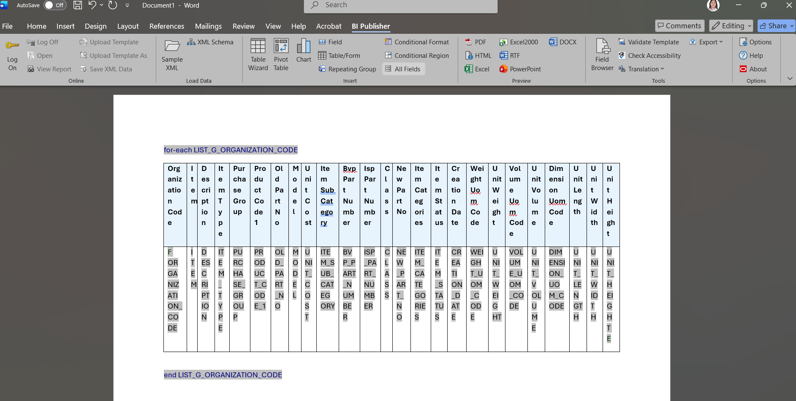

Then SAVE mo na as .RTF haaa

XML Publisher
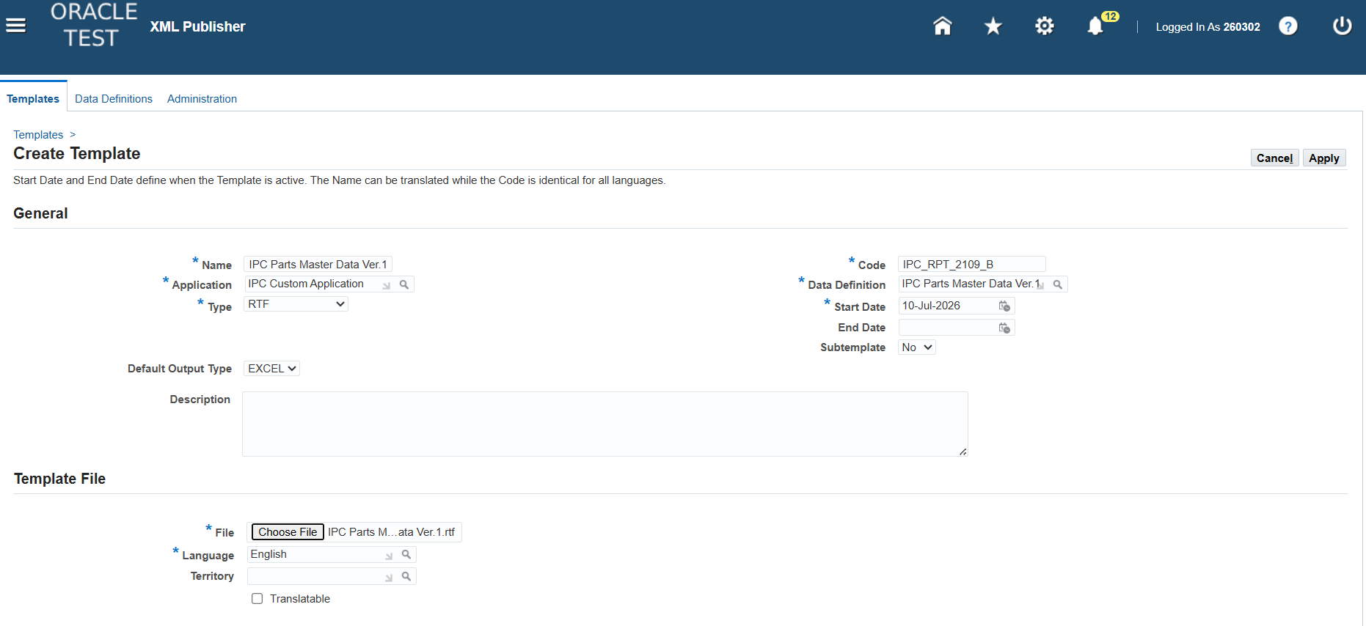
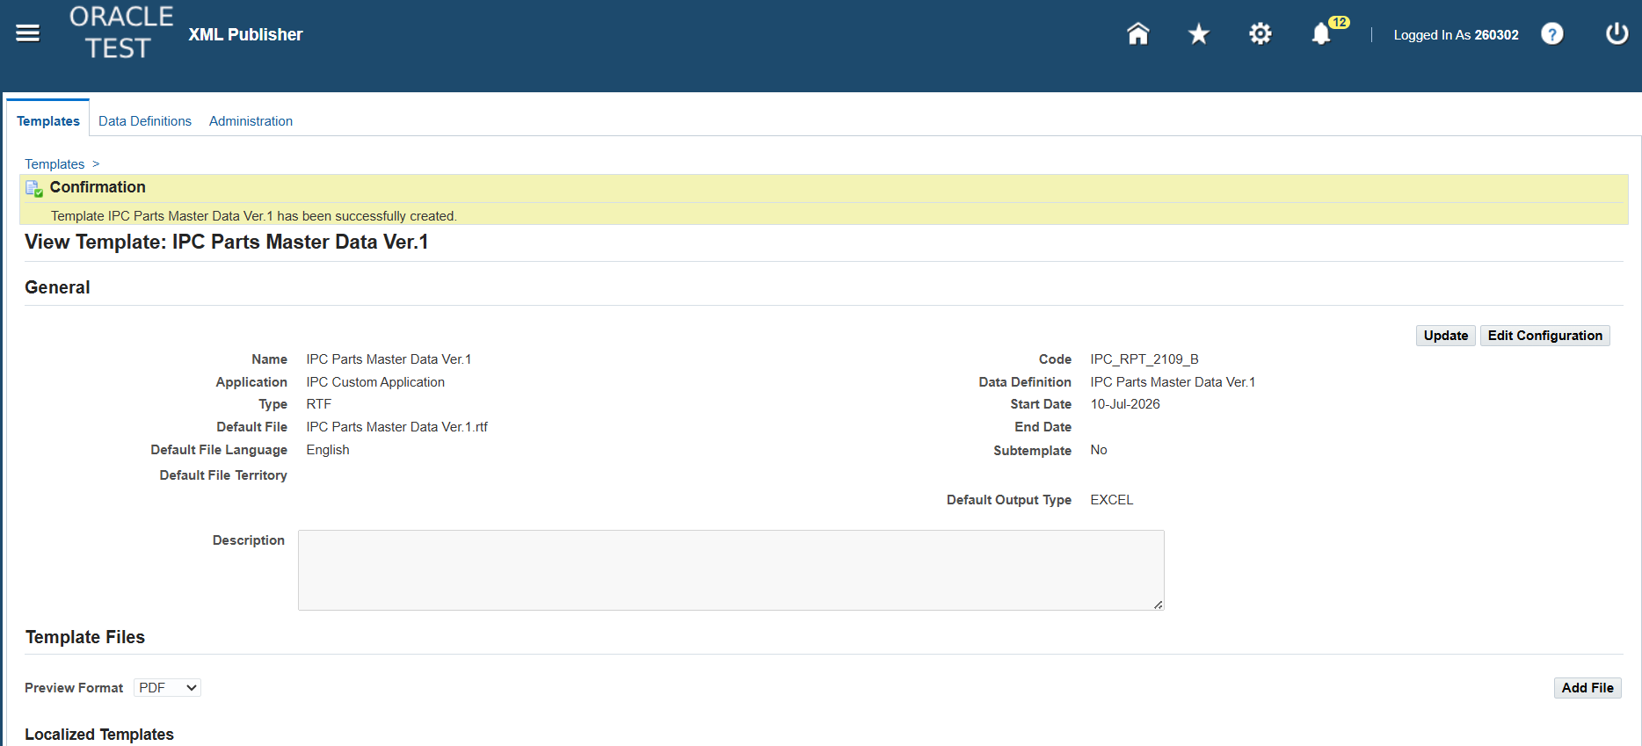
Next punta ka sa XML Publisher Administrator > HOME > Templates
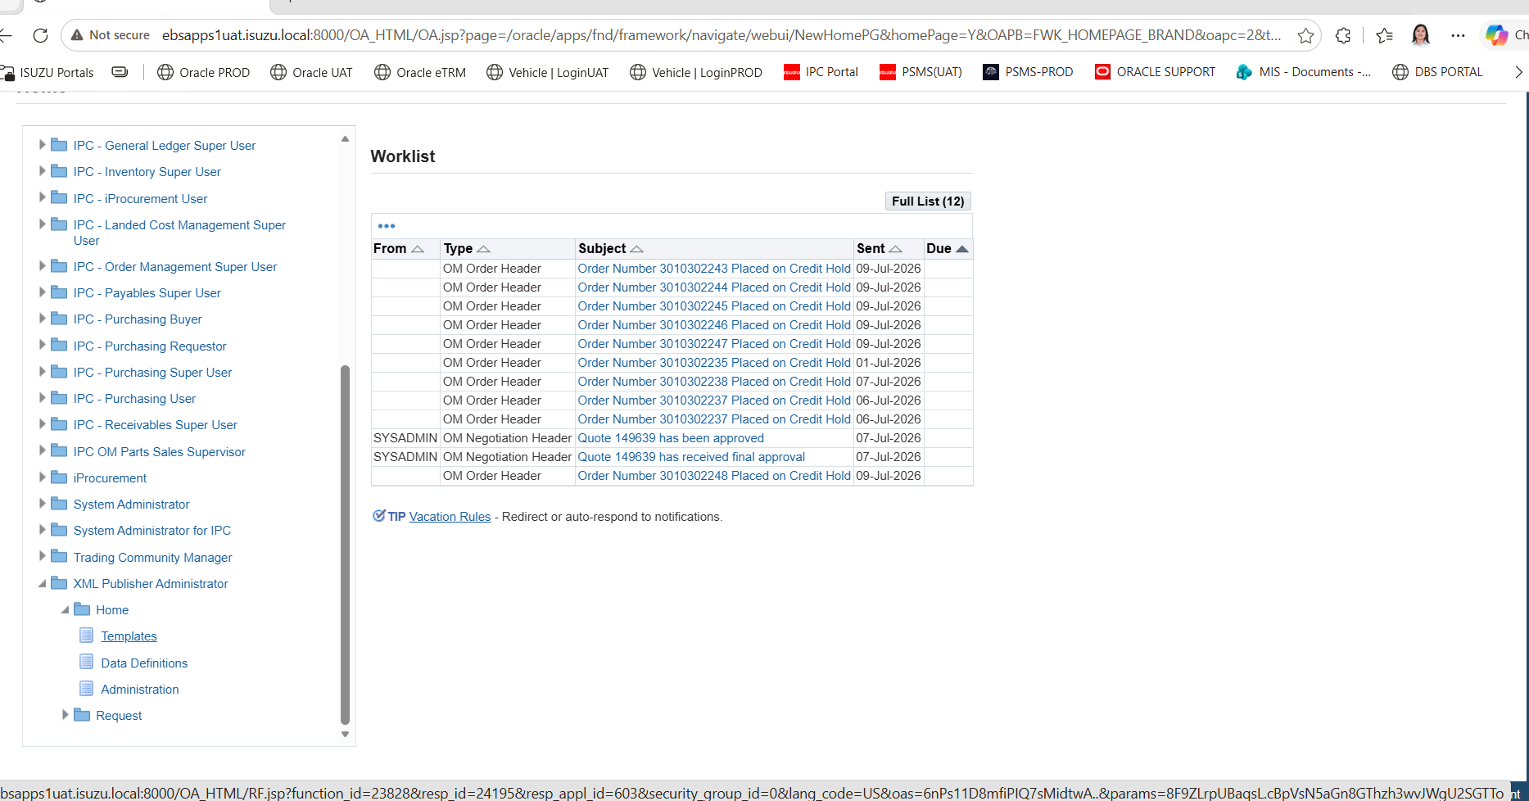

Punta ka DATA DEFINITIONS muna
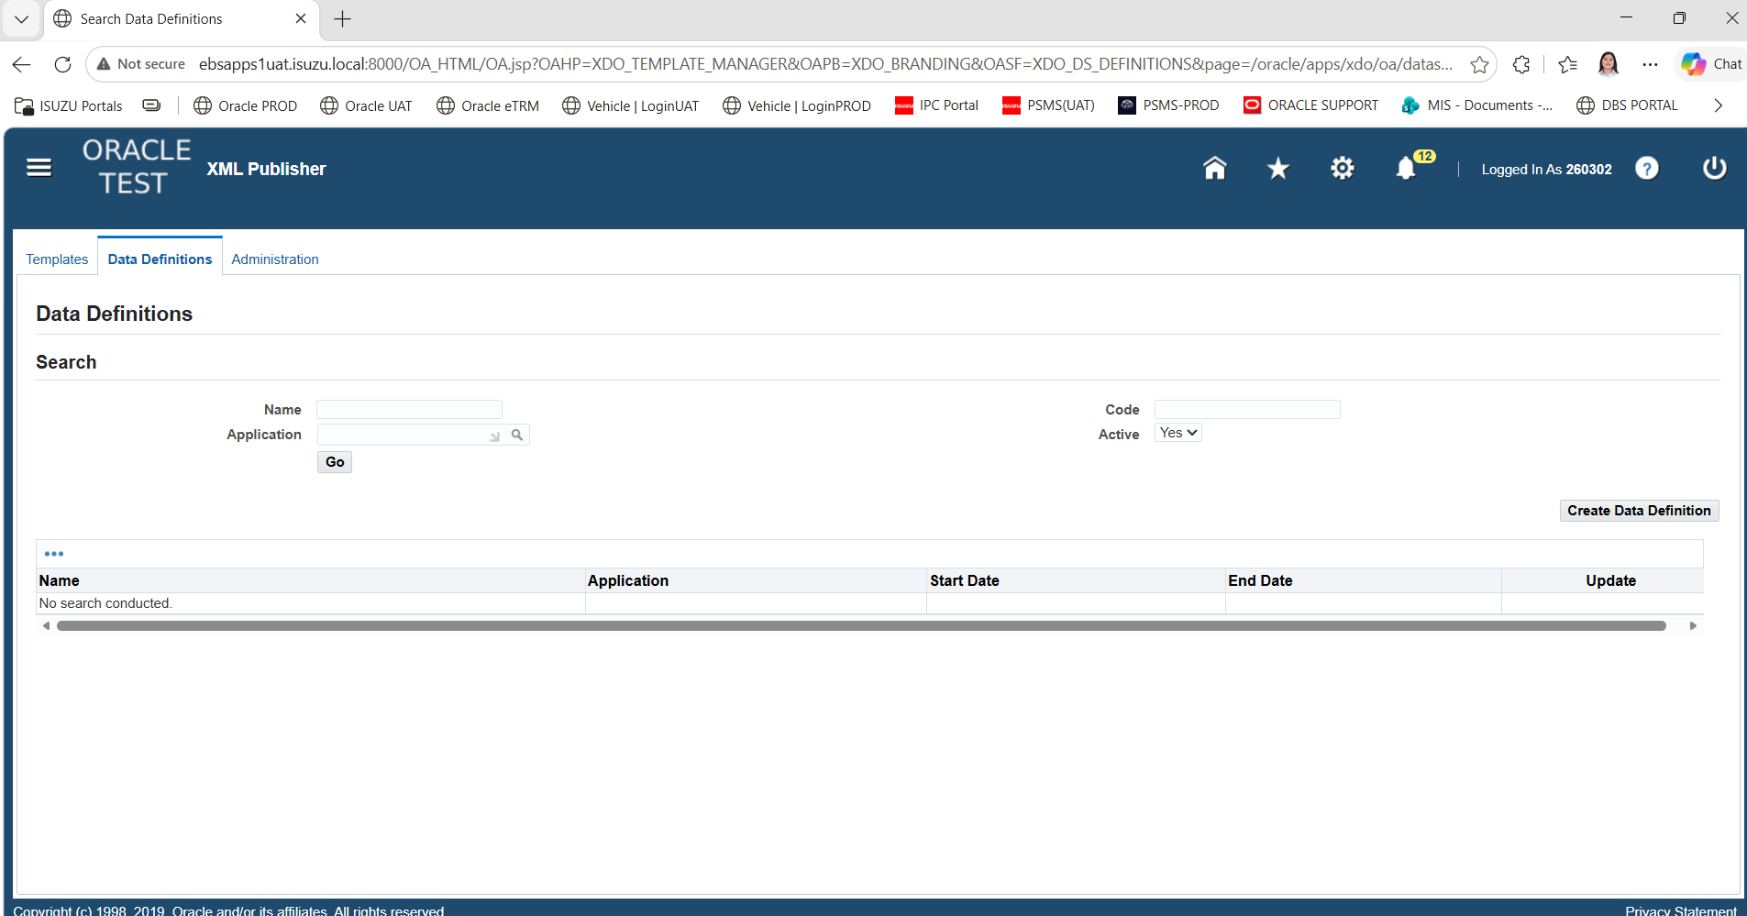

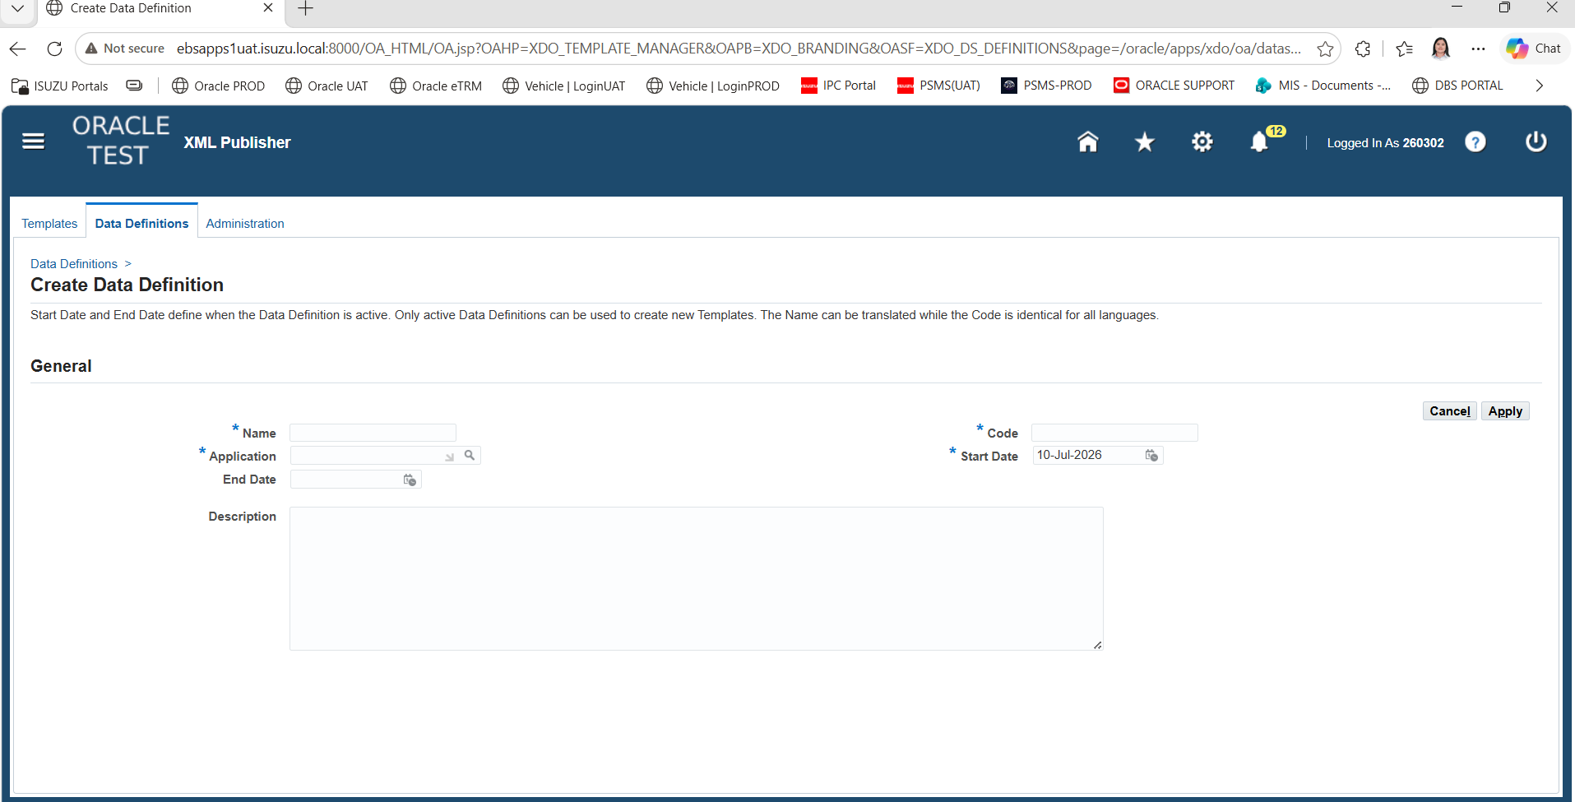

Then APPPLY
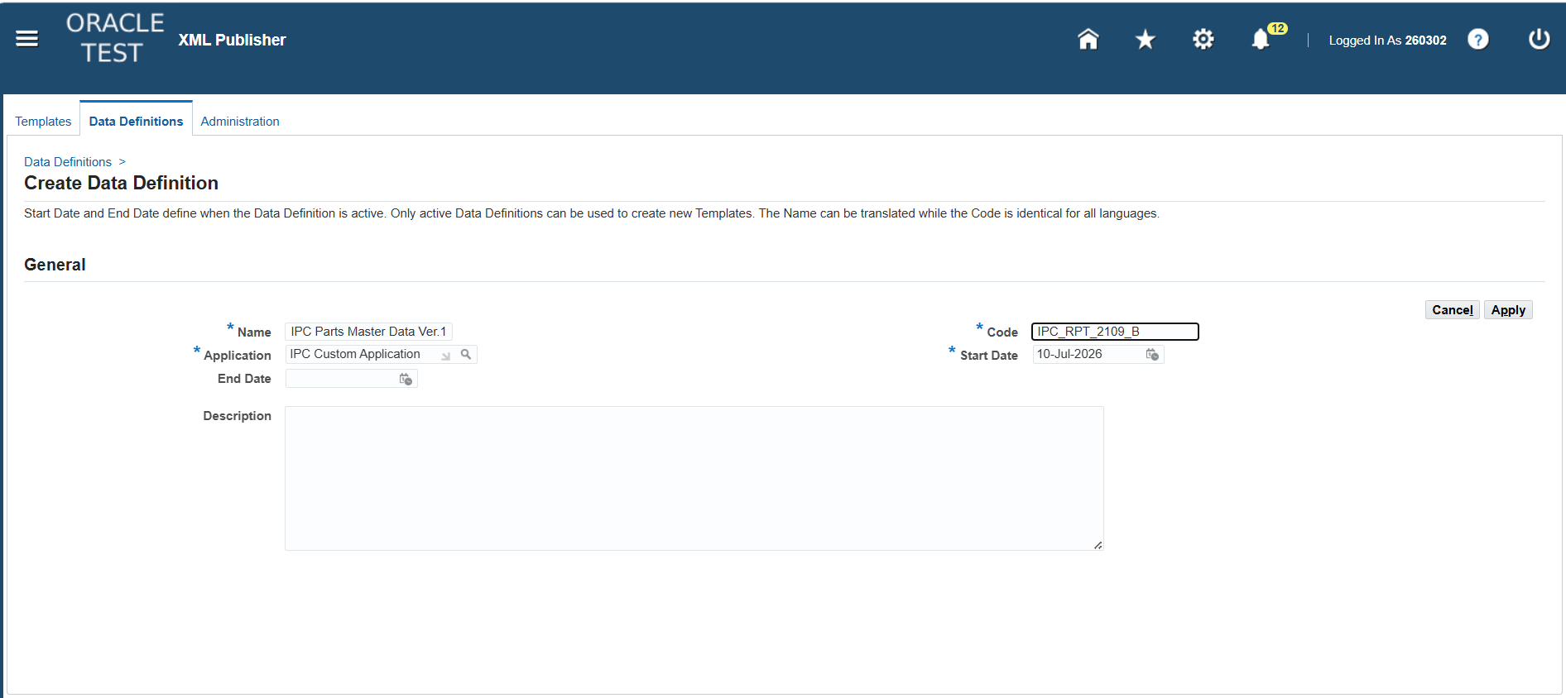

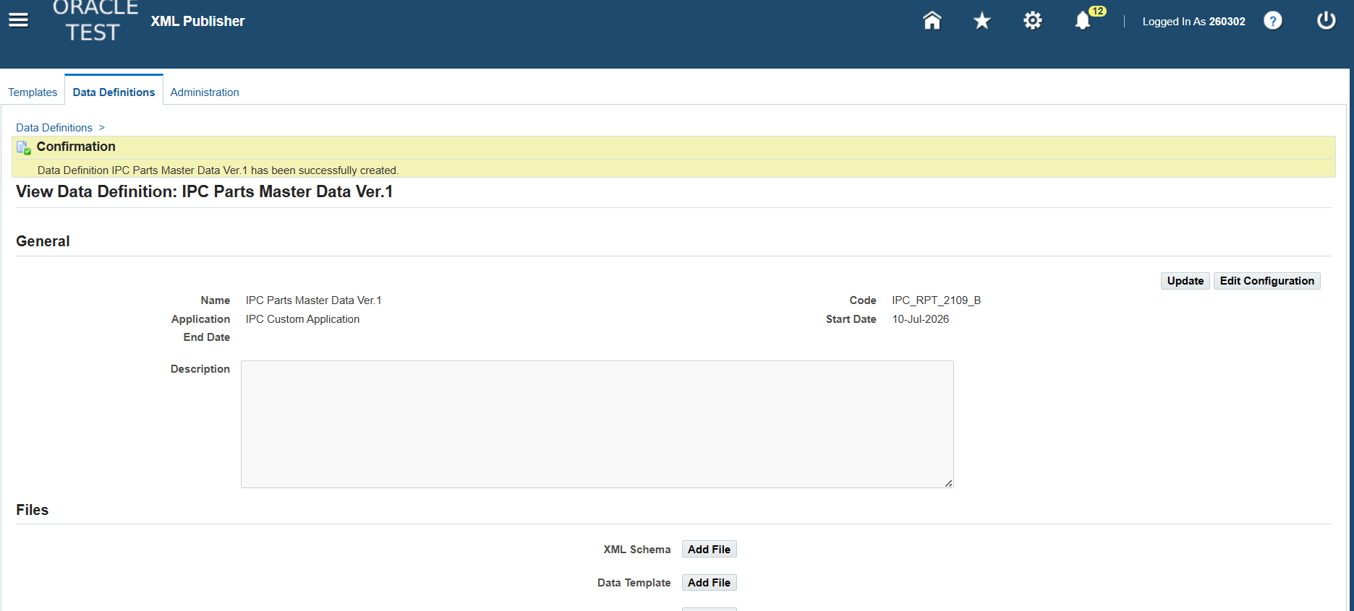

Then sa TEMPLATES ka naman
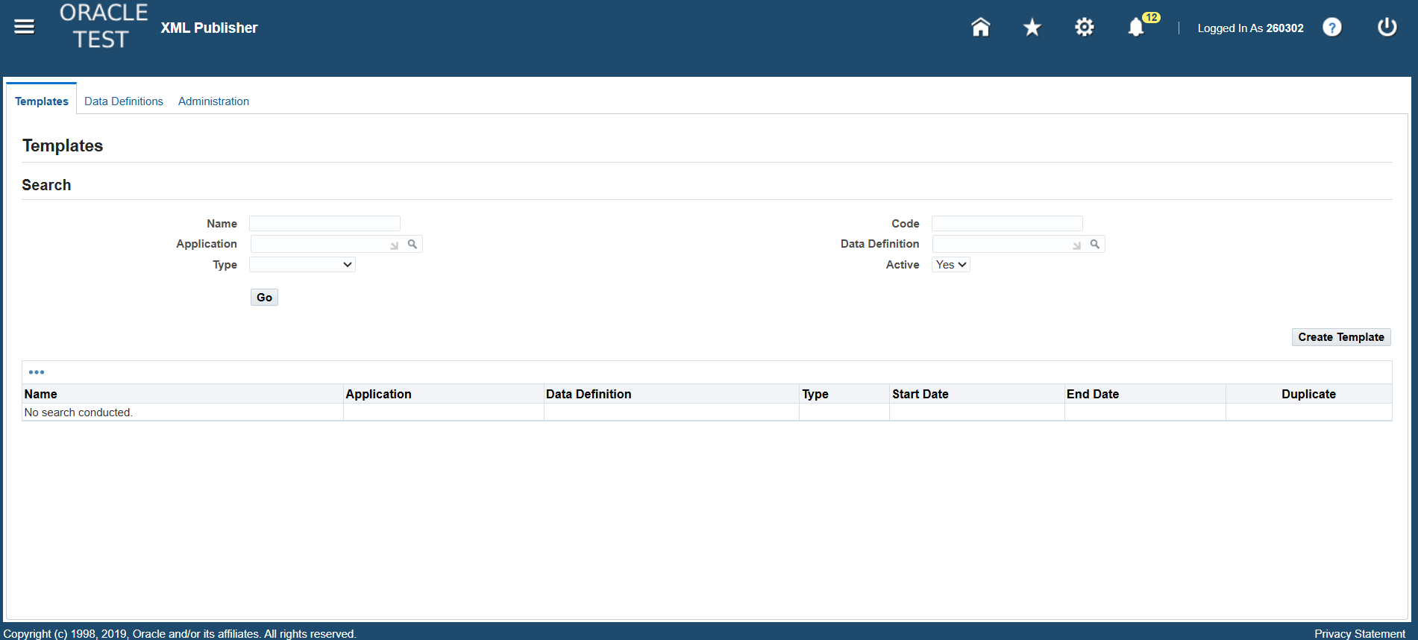

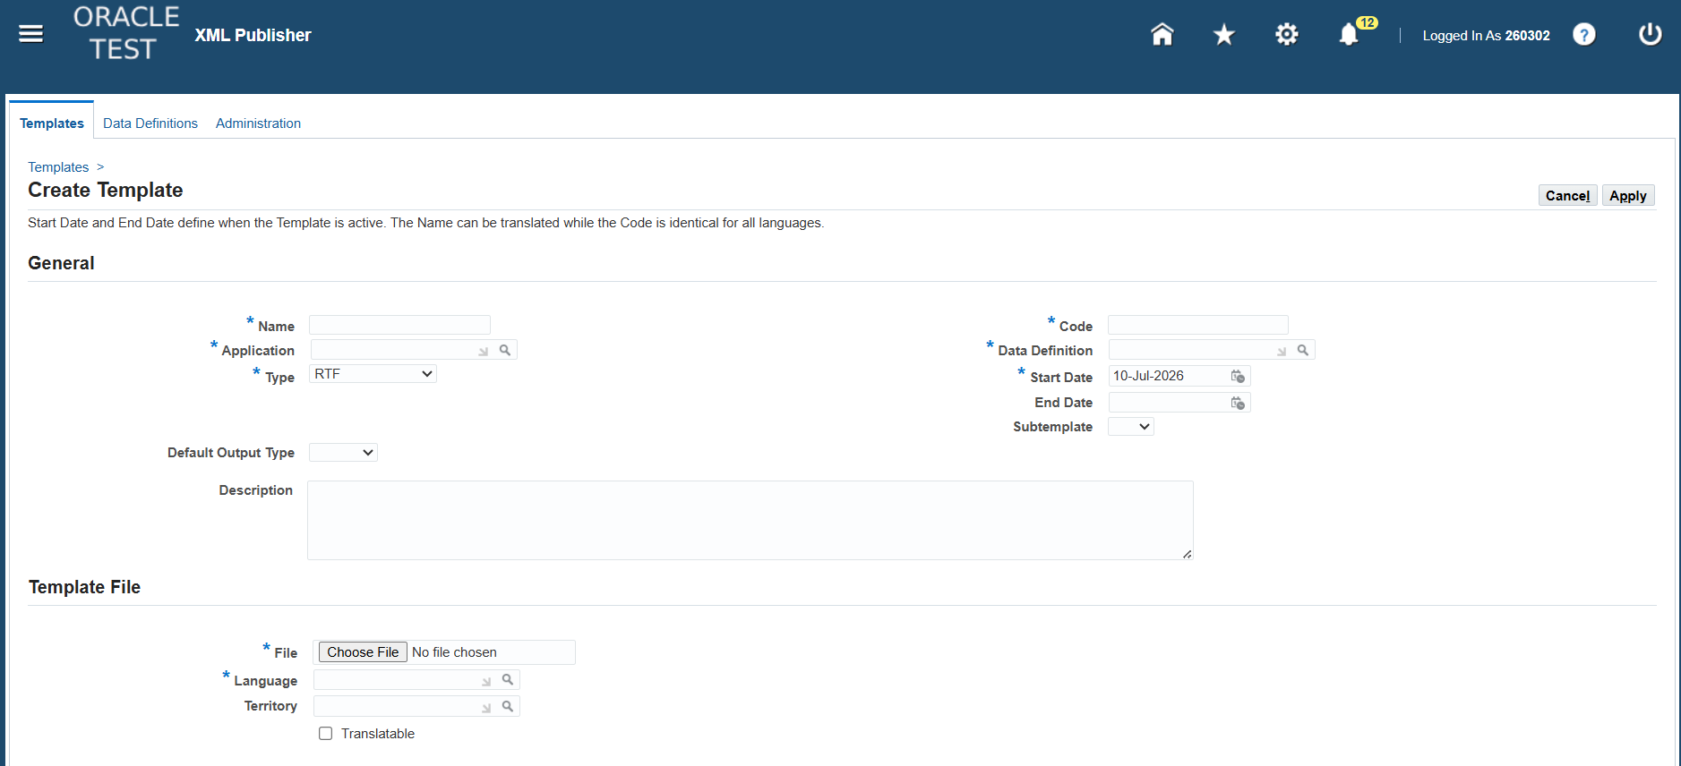

Then dito sa may Template File dito na ilalagay ung gawa mong Template kanina then APPLY

