output_CBFborder
model_idx | avg_collision_rate | avg_overtake_rate
0 | 0.75 | 0.25
1 | 0.69 | 0.31
2 | 0.63 | 0.3
3 | 0.6 | 0.27
4 | 0.7 | 0.24
5 | 0.71 | 0.29
6 | 0.82 | 0.18
15 | 0.72 | 0.15
16 | 0.79 | 0.13
17 | 0.82 | 0.12
18 | 0.75 | 0.16
19 | 0.86 | 0.11
21 | 0.71 | 0.13
23 | 0.9 | 0.07
25 | 0.85 | 0.1
26 | 0.59 | 0.41
27 | 0.77 | 0.16
28 | 0.7 | 0.3
30 | 0.57 | 0.43
31 | 0.52 | 0.46
32 | 0.66 | 0.34
38 | 0.52 | 0.45
40 | 0.55 | 0.45
43 | 0.68 | 0.32
44 | 0.81 | 0.19
47 | 0.53 | 0.47
48 | 0.72 | 0.28
51 | 0.84 | 0.16
53 | 0.69 | 0.31
55 | 0.64 | 0.36
57 | 0.7 | 0.25
60 | 0.63 | 0.37
61 | 0.59 | 0.35
63 | 0.69 | 0.31
64 | 0.56 | 0.38
73 | 0.61 | 0.39
76 | 0.81 | 0.19
77 | 0.64 | 0.29
80 | 0.65 | 0.35
81 | 0.65 | 0.32
82 | 0.65 | 0.35
91 | 0.68 | 0.28
93 | 0.73 | 0.27
97 | 0.75 | 0.25
99 | 0.81 | 0.19
100 | 0.69 | 0.25
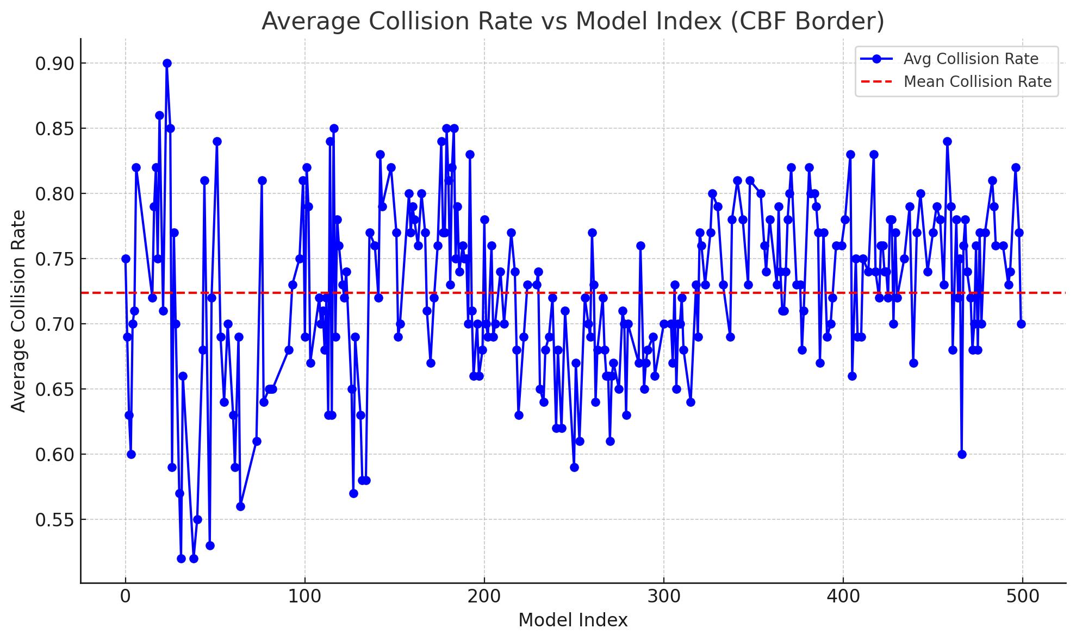
101 | 0.82 | 0.18
102 | 0.79 | 0.21
103 | 0.67 | 0.31
108 | 0.72 | 0.27
109 | 0.7 | 0.3
110 | 0.71 | 0.29
111 | 0.68 | 0.32
112 | 0.72 | 0.22
113 | 0.63 | 0.33
114 | 0.84 | 0.16
115 | 0.63 | 0.24
116 | 0.85 | 0.08
117 | 0.69 | 0.31
118 | 0.78 | 0.22
119 | 0.76 | 0.23
121 | 0.73 | 0.27
122 | 0.72 | 0.27
123 | 0.74 | 0.26
126 | 0.65 | 0.3
127 | 0.57 | 0.25
128 | 0.69 | 0.31
131 | 0.63 | 0.35
132 | 0.58 | 0.32
134 | 0.58 | 0.25
136 | 0.77 | 0.13
139 | 0.76 | 0.24
141 | 0.72 | 0.25
142 | 0.83 | 0.17
143 | 0.79 | 0.18
148 | 0.82 | 0.15
151 | 0.77 | 0.21
152 | 0.69 | 0.16
153 | 0.7 | 0.21
158 | 0.8 | 0.19
159 | 0.77 | 0.22
160 | 0.79 | 0.2
161 | 0.78 | 0.18
163 | 0.76 | 0.24
165 | 0.8 | 0.19
167 | 0.77 | 0.2
168 | 0.71 | 0.16
170 | 0.67 | 0.24
172 | 0.72 | 0.19
174 | 0.76 | 0.18
176 | 0.84 | 0.16
177 | 0.77 | 0.2
178 | 0.77 | 0.13
179 | 0.85 | 0.11
180 | 0.81 | 0.17
181 | 0.73 | 0.14
182 | 0.82 | 0.18
183 | 0.85 | 0.14
184 | 0.75 | 0.19
185 | 0.79 | 0.21
186 | 0.74 | 0.2
188 | 0.76 | 0.12
189 | 0.75 | 0.21
190 | 0.75 | 0.17
191 | 0.7 | 0.14
192 | 0.83 | 0.15
193 | 0.71 | 0.25
194 | 0.66 | 0.21
196 | 0.7 | 0.2
197 | 0.66 | 0.28
199 | 0.68 | 0.2
200 | 0.78 | 0.22
201 | 0.7 | 0.18
202 | 0.69 | 0.17
204 | 0.76 | 0.16
205 | 0.69 | 0.31
206 | 0.7 | 0.26
209 | 0.74 | 0.19
211 | 0.7 | 0.16
215 | 0.77 | 0.23
217 | 0.74 | 0.18
218 | 0.68 | 0.29
219 | 0.63 | 0.19
222 | 0.69 | 0.22
224 | 0.73 | 0.21
229 | 0.73 | 0.23
230 | 0.74 | 0.17
231 | 0.65 | 0.3
233 | 0.64 | 0.27
234 | 0.68 | 0.32
236 | 0.69 | 0.21
238 | 0.72 | 0.27
240 | 0.62 | 0.36
241 | 0.68 | 0.23
243 | 0.62 | 0.29
245 | 0.71 | 0.28
250 | 0.59 | 0.41
251 | 0.67 | 0.33
253 | 0.61 | 0.27
256 | 0.72 | 0.28
258 | 0.7 | 0.3
259 | 0.69 | 0.27
260 | 0.77 | 0.23
261 | 0.73 | 0.25
262 | 0.64 | 0.22
263 | 0.68 | 0.21
266 | 0.72 | 0.28
267 | 0.68 | 0.32
268 | 0.66 | 0.31
269 | 0.66 | 0.29
270 | 0.61 | 0.26
271 | 0.66 | 0.31
272 | 0.67 | 0.31
275 | 0.65 | 0.35
277 | 0.71 | 0.28
278 | 0.7 | 0.27
279 | 0.63 | 0.3
280 | 0.7 | 0.3
286 | 0.67 | 0.33
287 | 0.76 | 0.24
289 | 0.65 | 0.3
290 | 0.67 | 0.33
291 | 0.68 | 0.3
294 | 0.69 | 0.31
295 | 0.66 | 0.28
300 | 0.7 | 0.28
304 | 0.7 | 0.25
305 | 0.67 | 0.23
306 | 0.73 | 0.25
307 | 0.65 | 0.33
308 | 0.7 | 0.3
309 | 0.7 | 0.21
310 | 0.72 | 0.28
311 | 0.68 | 0.3
315 | 0.64 | 0.36
318 | 0.73 | 0.27
319 | 0.69 | 0.26
320 | 0.77 | 0.19
321 | 0.76 | 0.24
323 | 0.73 | 0.19
326 | 0.77 | 0.23
327 | 0.8 | 0.2
330 | 0.79 | 0.21
333 | 0.73 | 0.27
337 | 0.69 | 0.27
338 | 0.78 | 0.22
341 | 0.81 | 0.19
344 | 0.78 | 0.17
347 | 0.73 | 0.26
348 | 0.81 | 0.18
354 | 0.8 | 0.16
356 | 0.76 | 0.19
357 | 0.74 | 0.23
359 | 0.78 | 0.19
363 | 0.73 | 0.2
364 | 0.79 | 0.2
365 | 0.74 | 0.2
366 | 0.71 | 0.2
367 | 0.71 | 0.29
368 | 0.74 | 0.11
369 | 0.78 | 0.15
370 | 0.8 | 0.12
371 | 0.82 | 0.15
374 | 0.73 | 0.22
376 | 0.73 | 0.22
377 | 0.68 | 0.19
378 | 0.71 | 0.17
381 | 0.82 | 0.14
382 | 0.8 | 0.2
384 | 0.8 | 0.18
385 | 0.79 | 0.21
386 | 0.77 | 0.23
387 | 0.67 | 0.17
389 | 0.77 | 0.23
391 | 0.69 | 0.28
393 | 0.7 | 0.3
394 | 0.72 | 0.28
396 | 0.76 | 0.24
399 | 0.76 | 0.19
401 | 0.78 | 0.17
404 | 0.83 | 0.14
405 | 0.66 | 0.25
407 | 0.75 | 0.22
408 | 0.69 | 0.31
410 | 0.69 | 0.31
411 | 0.75 | 0.25
414 | 0.74 | 0.14
417 | 0.83 | 0.16
418 | 0.74 | 0.26
420 | 0.72 | 0.28
421 | 0.76 | 0.2
422 | 0.76 | 0.24
423 | 0.74 | 0.24
424 | 0.74 | 0.2
425 | 0.72 | 0.19
426 | 0.78 | 0.22
427 | 0.78 | 0.22
428 | 0.7 | 0.3
429 | 0.77 | 0.21
430 | 0.72 | 0.21
434 | 0.75 | 0.23
437 | 0.79 | 0.21
439 | 0.67 | 0.33
441 | 0.77 | 0.23
443 | 0.8 | 0.17
447 | 0.74 | 0.26
450 | 0.77 | 0.23
452 | 0.79 | 0.21
454 | 0.78 | 0.22
456 | 0.73 | 0.27
458 | 0.84 | 0.16
460 | 0.79 | 0.13
461 | 0.68 | 0.32
463 | 0.78 | 0.19
464 | 0.72 | 0.28
465 | 0.75 | 0.19
466 | 0.6 | 0.4
467 | 0.76 | 0.2
468 | 0.78 | 0.17
469 | 0.74 | 0.26
471 | 0.72 | 0.28
472 | 0.68 | 0.32
473 | 0.7 | 0.3
474 | 0.76 | 0.19
475 | 0.68 | 0.32
476 | 0.77 | 0.23
477 | 0.7 | 0.3
479 | 0.77 | 0.23
483 | 0.81 | 0.19
484 | 0.79 | 0.2
485 | 0.76 | 0.19
489 | 0.76 | 0.24
492 | 0.73 | 0.22
493 | 0.74 | 0.2
496 | 0.82 | 0.12
498 | 0.77 | 0.23
499 | 0.7 | 0.3
 | 0.72353790614

