output_woFilter
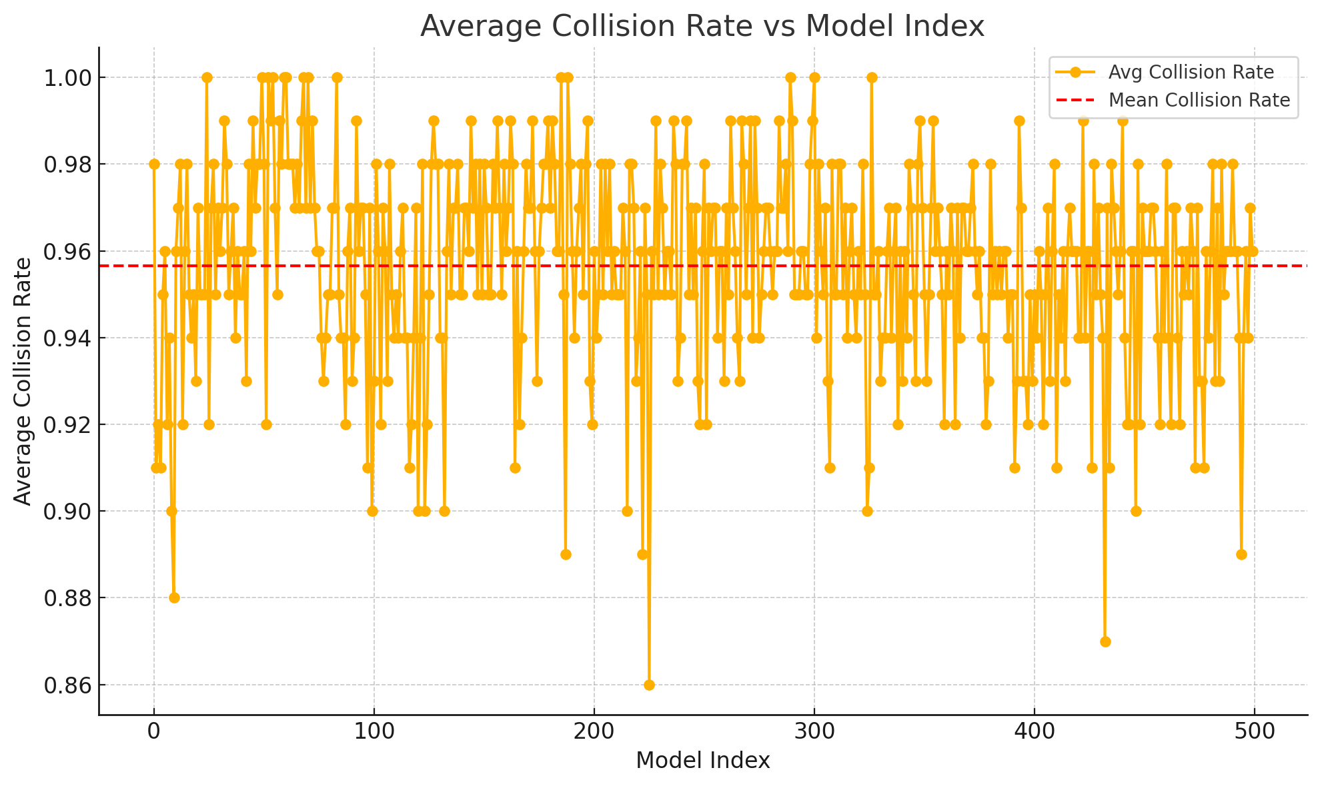
model_idx | avg_collision_rate | avg_overtake_rate
0 | 0.98 | 0
1 | 0.91 | 0.04
2 | 0.92 | 0.08
3 | 0.91 | 0
4 | 0.95 | 0.01
5 | 0.96 | 0.02
6 | 0.92 | 0.03
7 | 0.94 | 0.03
8 | 0.9 | 0
9 | 0.88 | 0.08
10 | 0.96 | 0.03
11 | 0.97 | 0.01
12 | 0.98 | 0.01
13 | 0.92 | 0.05
14 | 0.96 | 0.01
15 | 0.98 | 0
16 | 0.95 | 0
17 | 0.94 | 0.04
18 | 0.95 | 0
19 | 0.93 | 0.01
20 | 0.97 | 0
21 | 0.95 | 0.02
22 | 0.95 | 0
23 | 0.95 | 0
24 | 1 | 0
25 | 0.92 | 0.01
26 | 0.97 | 0
27 | 0.98 | 0.01
28 | 0.95 | 0.01
29 | 0.97 | 0
30 | 0.96 | 0.02
31 | 0.97 | 0
32 | 0.99 | 0
33 | 0.98 | 0
34 | 0.95 | 0
35 | 0.96 | 0
36 | 0.97 | 0
37 | 0.94 | 0.02
38 | 0.96 | 0
39 | 0.95 | 0
40 | 0.95 | 0.01
41 | 0.96 | 0.02
42 | 0.93 | 0.01
43 | 0.98 | 0.01
44 | 0.96 | 0.02
45 | 0.99 | 0
46 | 0.97 | 0
47 | 0.98 | 0
48 | 0.98 | 0.01
49 | 1 | 0
50 | 0.98 | 0.02
51 | 0.92 | 0.04
52 | 1 | 0
53 | 0.99 | 0.01
54 | 1 | 0
55 | 0.97 | 0.02
56 | 0.95 | 0.05
57 | 0.99 | 0.01
58 | 0.98 | 0.02
59 | 1 | 0
60 | 1 | 0
61 | 0.98 | 0.01
62 | 0.98 | 0.01
63 | 0.98 | 0
64 | 0.97 | 0.01
65 | 0.98 | 0.01
66 | 0.97 | 0.01
67 | 0.99 | 0.01
68 | 1 | 0
69 | 0.97 | 0
70 | 1 | 0
71 | 0.97 | 0
72 | 0.99 | 0
73 | 0.97 | 0.02
74 | 0.96 | 0.02
75 | 0.96 | 0.01
76 | 0.94 | 0.01
77 | 0.93 | 0
78 | 0.94 | 0.01
79 | 0.95 | 0.02
80 | 0.95 | 0.01
81 | 0.97 | 0
82 | 0.97 | 0
83 | 1 | 0
84 | 0.95 | 0
85 | 0.94 | 0.03
86 | 0.94 | 0.01
87 | 0.92 | 0.03
88 | 0.96 | 0
89 | 0.97 | 0
90 | 0.93 | 0
91 | 0.94 | 0.01
92 | 0.99 | 0
93 | 0.96 | 0.01
94 | 0.97 | 0
95 | 0.97 | 0.01
96 | 0.95 | 0
97 | 0.91 | 0.02
98 | 0.97 | 0.01
99 | 0.9 | 0.04
100 | 0.93 | 0.04
101 | 0.98 | 0.01
102 | 0.96 | 0.02
103 | 0.92 | 0.02
104 | 0.97 | 0
105 | 0.96 | 0
106 | 0.93 | 0
107 | 0.98 | 0
108 | 0.95 | 0
109 | 0.94 | 0.02
110 | 0.95 | 0.01
111 | 0.94 | 0.04
112 | 0.96 | 0.03
113 | 0.97 | 0
114 | 0.94 | 0.01
115 | 0.94 | 0.01
116 | 0.91 | 0.04
117 | 0.92 | 0
118 | 0.94 | 0.01
119 | 0.97 | 0.03
120 | 0.9 | 0
121 | 0.94 | 0.01
122 | 0.98 | 0.02
123 | 0.9 | 0.01
124 | 0.92 | 0
125 | 0.95 | 0.01
126 | 0.98 | 0.01
127 | 0.99 | 0
128 | 0.98 | 0.02
129 | 0.98 | 0
130 | 0.94 | 0
131 | 0.94 | 0
132 | 0.9 | 0.04
133 | 0.96 | 0.01
134 | 0.98 | 0.01
135 | 0.95 | 0
136 | 0.97 | 0
137 | 0.97 | 0.01
138 | 0.98 | 0.02
139 | 0.95 | 0.01
140 | 0.95 | 0
141 | 0.97 | 0.02
142 | 0.97 | 0
143 | 0.96 | 0.01
144 | 0.99 | 0
145 | 0.97 | 0
146 | 0.98 | 0.02
147 | 0.95 | 0.02
148 | 0.98 | 0.01
149 | 0.95 | 0
150 | 0.98 | 0.01
151 | 0.97 | 0.01
152 | 0.95 | 0.02
153 | 0.95 | 0.02
154 | 0.98 | 0
155 | 0.97 | 0.01
156 | 0.99 | 0.01
157 | 0.97 | 0.01
158 | 0.95 | 0.02
159 | 0.98 | 0.02
160 | 0.96 | 0.02
161 | 0.97 | 0.01
162 | 0.99 | 0
163 | 0.98 | 0.02
164 | 0.91 | 0
165 | 0.96 | 0.01
166 | 0.92 | 0.03
167 | 0.94 | 0.03
168 | 0.96 | 0
169 | 0.98 | 0.01
170 | 0.97 | 0.02
171 | 0.97 | 0.03
172 | 0.99 | 0
173 | 0.96 | 0.02
174 | 0.93 | 0.02
175 | 0.96 | 0
176 | 0.97 | 0
177 | 0.98 | 0
178 | 0.98 | 0.02
179 | 0.99 | 0
180 | 0.97 | 0.01
181 | 0.99 | 0.01
182 | 0.98 | 0.01
183 | 0.96 | 0.01
184 | 0.96 | 0.04
185 | 1 | 0
186 | 0.95 | 0.02
187 | 0.89 | 0.02
188 | 1 | 0
189 | 0.98 | 0.01
190 | 0.96 | 0
191 | 0.94 | 0.03
192 | 0.96 | 0
193 | 0.97 | 0.01
194 | 0.98 | 0.01
195 | 0.95 | 0
196 | 0.98 | 0.02
197 | 0.99 | 0.01
198 | 0.93 | 0.01
199 | 0.92 | 0.03
200 | 0.96 | 0.02
201 | 0.94 | 0.02
202 | 0.95 | 0.03
203 | 0.98 | 0.02
204 | 0.95 | 0.05
205 | 0.98 | 0.01
206 | 0.96 | 0.01
207 | 0.98 | 0.01
208 | 0.95 | 0.02
209 | 0.96 | 0.02
210 | 0.95 | 0.01
211 | 0.95 | 0.05
212 | 0.95 | 0.02
213 | 0.97 | 0.03
214 | 0.96 | 0.01
215 | 0.9 | 0.02
216 | 0.98 | 0.01
217 | 0.98 | 0.02
218 | 0.97 | 0.02
219 | 0.93 | 0.01
220 | 0.94 | 0.01
221 | 0.96 | 0.02
222 | 0.89 | 0.03
223 | 0.97 | 0.03
224 | 0.95 | 0.03
225 | 0.86 | 0.03
226 | 0.96 | 0.01
227 | 0.95 | 0.05
228 | 0.99 | 0.01
229 | 0.95 | 0.05
230 | 0.98 | 0.02
231 | 0.97 | 0.01
232 | 0.95 | 0.02
233 | 0.96 | 0.02
234 | 0.96 | 0.03
235 | 0.95 | 0.03
236 | 0.99 | 0
237 | 0.98 | 0.02
238 | 0.93 | 0.02
239 | 0.94 | 0.03
240 | 0.98 | 0
241 | 0.98 | 0.01
242 | 0.99 | 0
243 | 0.95 | 0.04
244 | 0.97 | 0.03
245 | 0.95 | 0.05
246 | 0.97 | 0.01
247 | 0.93 | 0.01
248 | 0.92 | 0.01
249 | 0.96 | 0.03
250 | 0.98 | 0.01
251 | 0.92 | 0.04
252 | 0.97 | 0.02
253 | 0.96 | 0.02
254 | 0.97 | 0.03
255 | 0.97 | 0.02
256 | 0.94 | 0.03
257 | 0.96 | 0.02
258 | 0.96 | 0.01
259 | 0.93 | 0.05
260 | 0.97 | 0.01
261 | 0.95 | 0.02
262 | 0.99 | 0.01
263 | 0.97 | 0.03
264 | 0.96 | 0.02
265 | 0.94 | 0.06
266 | 0.93 | 0.07
267 | 0.99 | 0
268 | 0.98 | 0
269 | 0.95 | 0.05
270 | 0.97 | 0.02
271 | 0.99 | 0
272 | 0.94 | 0.04
273 | 0.99 | 0.01
274 | 0.97 | 0.03
275 | 0.94 | 0.05
276 | 0.95 | 0.03
277 | 0.96 | 0.02
278 | 0.97 | 0.03
279 | 0.97 | 0.01
280 | 0.96 | 0.02
281 | 0.95 | 0.02
282 | 0.96 | 0.01
283 | 0.96 | 0.02
284 | 0.99 | 0.01
285 | 0.97 | 0.03
286 | 0.97 | 0.03
287 | 0.98 | 0.01
288 | 0.96 | 0.02
289 | 1 | 0
290 | 0.99 | 0
291 | 0.95 | 0.03
292 | 0.95 | 0.04
293 | 0.95 | 0
294 | 0.96 | 0.03
295 | 0.96 | 0.03
296 | 0.95 | 0
297 | 0.95 | 0.03
298 | 0.98 | 0.02
299 | 0.99 | 0.01
300 | 1 | 0
301 | 0.94 | 0.06
302 | 0.98 | 0
303 | 0.96 | 0.01
304 | 0.95 | 0.03
305 | 0.97 | 0.03
306 | 0.93 | 0.07
307 | 0.91 | 0.04
308 | 0.98 | 0.01
309 | 0.95 | 0.02
310 | 0.95 | 0.01
311 | 0.98 | 0.02
312 | 0.98 | 0.02
313 | 0.95 | 0.04
314 | 0.97 | 0.02
315 | 0.94 | 0.06
316 | 0.96 | 0.02
317 | 0.97 | 0.03
318 | 0.95 | 0.05
319 | 0.94 | 0.02
320 | 0.96 | 0
321 | 0.95 | 0.05
322 | 0.98 | 0.02
323 | 0.95 | 0.03
324 | 0.9 | 0.06
325 | 0.91 | 0.05
326 | 1 | 0
327 | 0.95 | 0.02
328 | 0.95 | 0.01
329 | 0.96 | 0
330 | 0.93 | 0.05
331 | 0.94 | 0.03
332 | 0.94 | 0.02
333 | 0.96 | 0.01
334 | 0.97 | 0.02
335 | 0.94 | 0.04
336 | 0.96 | 0.02
337 | 0.97 | 0
338 | 0.92 | 0.02
339 | 0.96 | 0.04
340 | 0.93 | 0.03
341 | 0.96 | 0.01
342 | 0.94 | 0.01
343 | 0.98 | 0.01
344 | 0.97 | 0.01
345 | 0.95 | 0.03
346 | 0.93 | 0.05
347 | 0.98 | 0.01
348 | 0.99 | 0.01
349 | 0.97 | 0.01
350 | 0.95 | 0.05
351 | 0.93 | 0.07
352 | 0.95 | 0.04
353 | 0.97 | 0.01
354 | 0.99 | 0.01
355 | 0.96 | 0.03
356 | 0.97 | 0.01
357 | 0.96 | 0.03
358 | 0.95 | 0.02
359 | 0.92 | 0.03
360 | 0.96 | 0.03
361 | 0.95 | 0.02
362 | 0.97 | 0.03
363 | 0.96 | 0.03
364 | 0.92 | 0.04
365 | 0.97 | 0.02
366 | 0.94 | 0.02
367 | 0.97 | 0.01
368 | 0.97 | 0.03
369 | 0.96 | 0.01
370 | 0.96 | 0.02
371 | 0.97 | 0
372 | 0.98 | 0.01
373 | 0.96 | 0.03
374 | 0.95 | 0.02
375 | 0.96 | 0.02
376 | 0.94 | 0.04
377 | 0.94 | 0.02
378 | 0.92 | 0.04
379 | 0.93 | 0.05
380 | 0.98 | 0.02
381 | 0.95 | 0.01
382 | 0.96 | 0
383 | 0.95 | 0.02
384 | 0.96 | 0
385 | 0.95 | 0
386 | 0.96 | 0.02
387 | 0.96 | 0.01
388 | 0.94 | 0.03
389 | 0.95 | 0.04
390 | 0.95 | 0
391 | 0.91 | 0.05
392 | 0.93 | 0.03
393 | 0.99 | 0.01
394 | 0.97 | 0.02
395 | 0.93 | 0.01
396 | 0.93 | 0.05
397 | 0.92 | 0.03
398 | 0.95 | 0.02
399 | 0.93 | 0.02
400 | 0.95 | 0.02
401 | 0.94 | 0.03
402 | 0.96 | 0.04
403 | 0.95 | 0.03
404 | 0.92 | 0.02
405 | 0.95 | 0.02
406 | 0.97 | 0
407 | 0.93 | 0.02
408 | 0.96 | 0.03
409 | 0.98 | 0.02
410 | 0.91 | 0.02
411 | 0.95 | 0.02
412 | 0.94 | 0.06
413 | 0.96 | 0
414 | 0.93 | 0.07
415 | 0.96 | 0.03
416 | 0.97 | 0.01
417 | 0.96 | 0.03
418 | 0.96 | 0.04
419 | 0.96 | 0.01
420 | 0.94 | 0.05
421 | 0.94 | 0.03
422 | 0.99 | 0.01
423 | 0.94 | 0.04
424 | 0.96 | 0.04
425 | 0.96 | 0.03
426 | 0.91 | 0.03
427 | 0.98 | 0.02
428 | 0.95 | 0.05
429 | 0.97 | 0.03
430 | 0.95 | 0.03
431 | 0.94 | 0.01
432 | 0.87 | 0.02
433 | 0.97 | 0.03
434 | 0.91 | 0.08
435 | 0.98 | 0.02
436 | 0.97 | 0.01
437 | 0.96 | 0.02
438 | 0.95 | 0.01
439 | 0.96 | 0.01
440 | 0.99 | 0
441 | 0.94 | 0.06
442 | 0.92 | 0.03
443 | 0.92 | 0.05
444 | 0.96 | 0.04
445 | 0.96 | 0
446 | 0.9 | 0.1
447 | 0.98 | 0.02
448 | 0.92 | 0.02
449 | 0.97 | 0
450 | 0.96 | 0.02
451 | 0.96 | 0.02
452 | 0.96 | 0.03
453 | 0.97 | 0.03
454 | 0.97 | 0.03
455 | 0.96 | 0.02
456 | 0.94 | 0.03
457 | 0.92 | 0.05
458 | 0.96 | 0.04
459 | 0.94 | 0.02
460 | 0.98 | 0
461 | 0.94 | 0.04
462 | 0.92 | 0.08
463 | 0.97 | 0.03
464 | 0.97 | 0.03
465 | 0.94 | 0.03
466 | 0.92 | 0.04
467 | 0.96 | 0.03
468 | 0.95 | 0.03
469 | 0.96 | 0.03
470 | 0.95 | 0.01
471 | 0.97 | 0.02
472 | 0.96 | 0.04
473 | 0.91 | 0.04
474 | 0.97 | 0.01
475 | 0.93 | 0.02
476 | 0.93 | 0.02
477 | 0.91 | 0
478 | 0.96 | 0.03
479 | 0.94 | 0
480 | 0.96 | 0.02
481 | 0.98 | 0.01
482 | 0.93 | 0.04
483 | 0.97 | 0.03
484 | 0.93 | 0.04
485 | 0.98 | 0.01
486 | 0.95 | 0.05
487 | 0.96 | 0.01
488 | 0.96 | 0.03
489 | 0.96 | 0.02
490 | 0.98 | 0.02
491 | 0.96 | 0.01
492 | 0.96 | 0.02
493 | 0.94 | 0.01
494 | 0.89 | 0.06
495 | 0.94 | 0.02
496 | 0.96 | 0.01
497 | 0.94 | 0.02
498 | 0.97 | 0.03
499 | 0.96 | 0.03
 | 0.95654

