output_bothCBF
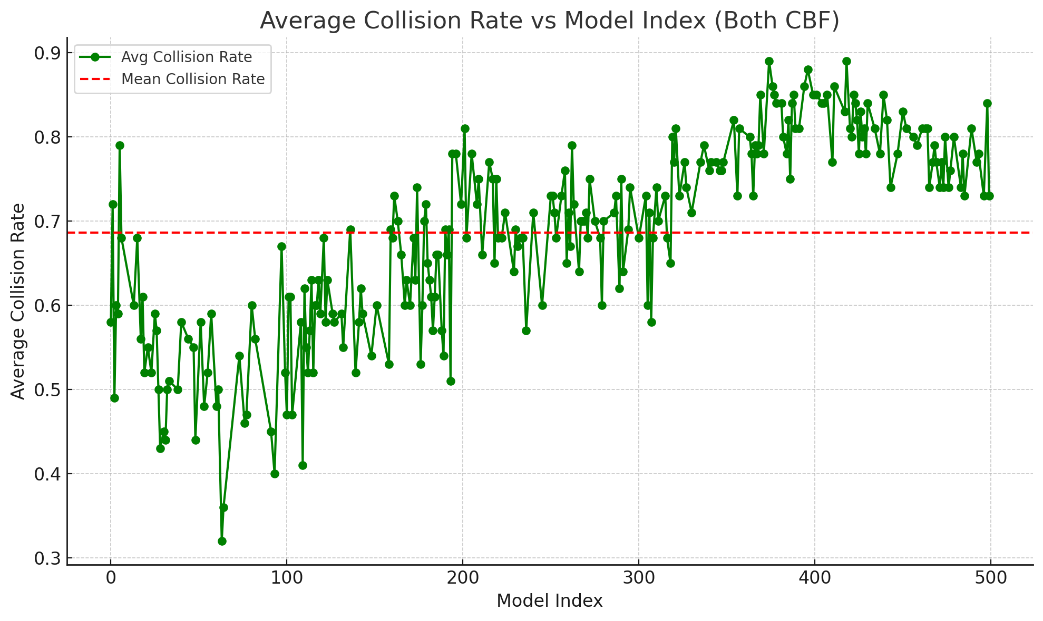
model_idx | avg_collision_rate | avg_overtake_rate
0 | 0.58 | 0.42
1 | 0.72 | 0.28
2 | 0.49 | 0.51
3 | 0.6 | 0.4
4 | 0.59 | 0.41
5 | 0.79 | 0.21
6 | 0.68 | 0.32
13 | 0.6 | 0.36
15 | 0.68 | 0.31
17 | 0.56 | 0.42
18 | 0.61 | 0.39
19 | 0.52 | 0.48
21 | 0.55 | 0.45
23 | 0.52 | 0.48
25 | 0.59 | 0.41
26 | 0.57 | 0.43
27 | 0.5 | 0.42
28 | 0.43 | 0.51
30 | 0.45 | 0.43
31 | 0.44 | 0.43
32 | 0.5 | 0.5
33 | 0.51 | 0.49
38 | 0.5 | 0.44
40 | 0.58 | 0.38
44 | 0.56 | 0.44
47 | 0.55 | 0.44
48 | 0.44 | 0.51
51 | 0.58 | 0.42
53 | 0.48 | 0.52
55 | 0.52 | 0.48
57 | 0.59 | 0.41
60 | 0.48 | 0.52
61 | 0.5 | 0.5
63 | 0.32 | 0.68
64 | 0.36 | 0.64
73 | 0.54 | 0.46
76 | 0.46 | 0.54
77 | 0.47 | 0.53
80 | 0.6 | 0.4
82 | 0.56 | 0.42
91 | 0.45 | 0.55
93 | 0.4 | 0.6
97 | 0.67 | 0.32
99 | 0.52 | 0.48
100 | 0.47 | 0.53
101 | 0.61 | 0.39
102 | 0.61 | 0.36
103 | 0.47 | 0.53
108 | 0.58 | 0.42
109 | 0.41 | 0.59
110 | 0.62 | 0.36
111 | 0.55 | 0.45
112 | 0.52 | 0.48
113 | 0.57 | 0.43
114 | 0.63 | 0.34
115 | 0.52 | 0.48
116 | 0.6 | 0.4
117 | 0.6 | 0.4
118 | 0.63 | 0.37
119 | 0.59 | 0.41
121 | 0.68 | 0.29
122 | 0.58 | 0.42
123 | 0.63 | 0.37
126 | 0.59 | 0.41
127 | 0.58 | 0.42
131 | 0.59 | 0.41
132 | 0.55 | 0.45
136 | 0.69 | 0.31
139 | 0.52 | 0.48
141 | 0.58 | 0.42
142 | 0.62 | 0.38
143 | 0.59 | 0.34
148 | 0.54 | 0.46
151 | 0.6 | 0.4
158 | 0.53 | 0.47
159 | 0.69 | 0.27
160 | 0.68 | 0.29
161 | 0.73 | 0.27
163 | 0.7 | 0.29
165 | 0.66 | 0.34
167 | 0.6 | 0.4
168 | 0.63 | 0.37
170 | 0.6 | 0.4
172 | 0.68 | 0.31
173 | 0.63 | 0.35
174 | 0.74 | 0.26
176 | 0.53 | 0.47
177 | 0.6 | 0.4
178 | 0.7 | 0.3
179 | 0.72 | 0.28
180 | 0.65 | 0.35
181 | 0.63 | 0.37
182 | 0.61 | 0.39
183 | 0.57 | 0.43
184 | 0.61 | 0.39
185 | 0.66 | 0.34
186 | 0.66 | 0.34
188 | 0.57 | 0.43
189 | 0.54 | 0.46
190 | 0.69 | 0.31
191 | 0.66 | 0.34
192 | 0.69 | 0.31
193 | 0.51 | 0.49
194 | 0.78 | 0.22
196 | 0.78 | 0.22
199 | 0.72 | 0.28
201 | 0.81 | 0.19
202 | 0.68 | 0.32
205 | 0.78 | 0.22
208 | 0.72 | 0.28
209 | 0.75 | 0.25
211 | 0.66 | 0.34
215 | 0.77 | 0.23
217 | 0.75 | 0.22
218 | 0.65 | 0.35
219 | 0.75 | 0.24
220 | 0.68 | 0.3
222 | 0.68 | 0.32
224 | 0.71 | 0.27
229 | 0.64 | 0.36
230 | 0.69 | 0.31
231 | 0.67 | 0.29
233 | 0.68 | 0.32
234 | 0.68 | 0.29
236 | 0.57 | 0.43
240 | 0.71 | 0.29
245 | 0.6 | 0.4
250 | 0.73 | 0.24
251 | 0.73 | 0.27
252 | 0.71 | 0.25
253 | 0.68 | 0.32
256 | 0.73 | 0.17
258 | 0.76 | 0.24
259 | 0.65 | 0.35
260 | 0.71 | 0.29
261 | 0.67 | 0.33
262 | 0.79 | 0.21
263 | 0.72 | 0.21
266 | 0.64 | 0.36
267 | 0.7 | 0.3
268 | 0.7 | 0.3
269 | 0.7 | 0.27
270 | 0.71 | 0.29
271 | 0.68 | 0.32
272 | 0.75 | 0.25
275 | 0.7 | 0.3
278 | 0.68 | 0.32
279 | 0.6 | 0.4
280 | 0.7 | 0.3
286 | 0.71 | 0.29
287 | 0.73 | 0.27
289 | 0.62 | 0.38
290 | 0.75 | 0.25
291 | 0.64 | 0.36
294 | 0.69 | 0.31
295 | 0.74 | 0.18
300 | 0.68 | 0.32
304 | 0.73 | 0.26
305 | 0.6 | 0.4
306 | 0.71 | 0.29
307 | 0.58 | 0.42
308 | 0.68 | 0.32
310 | 0.74 | 0.25
311 | 0.7 | 0.3
315 | 0.73 | 0.27
316 | 0.68 | 0.32
318 | 0.65 | 0.35
319 | 0.8 | 0.2
320 | 0.77 | 0.21
321 | 0.81 | 0.19
323 | 0.73 | 0.27
326 | 0.77 | 0.23
327 | 0.74 | 0.26
330 | 0.71 | 0.24
335 | 0.77 | 0.23
337 | 0.79 | 0.21
340 | 0.76 | 0.24
341 | 0.77 | 0.23
344 | 0.77 | 0.21
346 | 0.76 | 0.24
347 | 0.76 | 0.21
348 | 0.77 | 0.17
354 | 0.82 | 0.18
356 | 0.73 | 0.15
357 | 0.81 | 0.18
363 | 0.8 | 0.17
364 | 0.78 | 0.18
365 | 0.73 | 0.19
366 | 0.79 | 0.14
367 | 0.78 | 0.21
368 | 0.79 | 0.21
369 | 0.85 | 0.14
371 | 0.78 | 0.22
374 | 0.89 | 0.11
376 | 0.86 | 0.14
377 | 0.85 | 0.11
378 | 0.84 | 0.15
381 | 0.84 | 0.14
382 | 0.8 | 0.16
384 | 0.78 | 0.19
385 | 0.82 | 0.13
386 | 0.75 | 0.25
387 | 0.84 | 0.04
388 | 0.85 | 0.11
389 | 0.81 | 0.19
391 | 0.81 | 0.19
394 | 0.86 | 0.14
396 | 0.88 | 0.11
399 | 0.85 | 0.15
401 | 0.85 | 0.12
404 | 0.84 | 0.16
405 | 0.84 | 0.11
407 | 0.85 | 0.15
410 | 0.77 | 0.2
411 | 0.86 | 0.13
417 | 0.83 | 0.17
418 | 0.89 | 0.11
420 | 0.81 | 0.19
421 | 0.8 | 0.18
422 | 0.85 | 0.12
423 | 0.84 | 0.16
424 | 0.82 | 0.14
425 | 0.78 | 0.18
426 | 0.83 | 0.17
427 | 0.8 | 0.16
428 | 0.81 | 0.19
429 | 0.78 | 0.2
430 | 0.84 | 0.16
434 | 0.81 | 0.12
437 | 0.78 | 0.22
439 | 0.85 | 0.13
441 | 0.82 | 0.18
443 | 0.74 | 0.18
447 | 0.78 | 0.18
450 | 0.83 | 0.14
452 | 0.81 | 0.17
456 | 0.8 | 0.2
458 | 0.79 | 0.2
461 | 0.81 | 0.19
463 | 0.81 | 0.19
464 | 0.81 | 0.14
465 | 0.74 | 0.24
467 | 0.77 | 0.23
468 | 0.79 | 0.21
469 | 0.77 | 0.23
471 | 0.74 | 0.26
472 | 0.77 | 0.23
473 | 0.74 | 0.21
474 | 0.8 | 0.2
476 | 0.74 | 0.26
477 | 0.76 | 0.24
479 | 0.8 | 0.2
483 | 0.74 | 0.26
484 | 0.78 | 0.16
485 | 0.73 | 0.27
489 | 0.81 | 0.19
492 | 0.77 | 0.23
493 | 0.78 | 0.22
496 | 0.73 | 0.27
498 | 0.84 | 0.14
499 | 0.73 | 0.27
 | 0.68597701149

