Sheet1
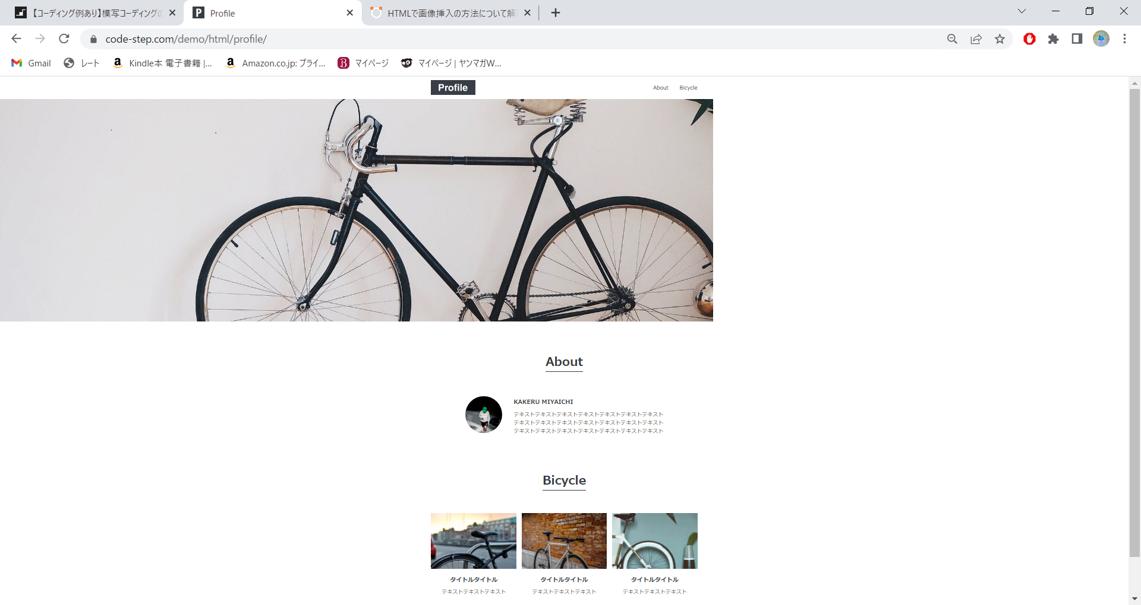

body

header
nav
h1
ul
li
li

main
div

div2
h1

div2-1
img
p

div3
h1

ul
li
li
li

footer

