Diagram
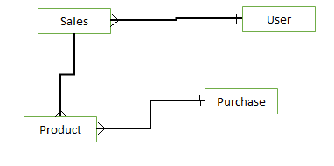

purchases
----------------------------
ID
Sender
Description
Location
Datecreated
DateModified
IsActive
products
----------------------------
ID
Name
Description
Price
Quantity
Datecreated
DateModified
IsActive
purchases_products
----------------------------
ID
Purchase_ID
Product_ID
Price
Quantity
Datecreated
DateModified
IsActive

sales
----------------------------
ID
Name
Description
UserID
Quantity
Datecreated
DateModified
IsActive

sales_products
----------------------------
ID
Sales_ID
Product_ID
Price
Quantity
Datecreated
DateModified
IsActive
users
----------------------------
ID
FirstName
LastName
Datecreated
DateModified
IsActive

