Tabelle1
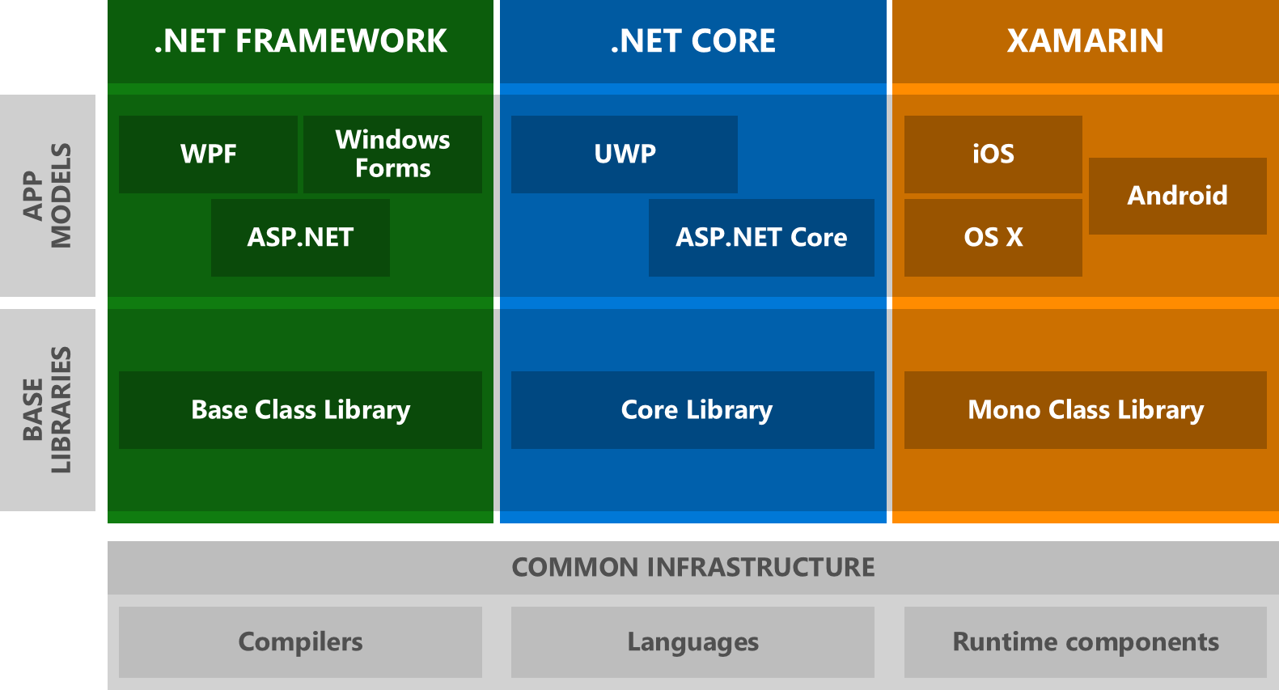
 |  | .NET | VS | OS
 |  | 1.1 | 2003 | XP
 |  | -Winforms | -WebForms
XAMARIN Mono |  | 2.0 | 2005 | XP sp1
 |  | -Generics <T>
 |  | 3.0 - 3.5 sp1 | 2008 | Vista | CE
 |  | -WPF (XAML) | -SL | -Linq
 |  | -WCF (SOAP, REST) |  | -EF
 |  | 4.0 | 2010 | 7 | wp7
 |  | -TPL | - ASP.MVC
 |  | 4.5 | 2012 | 8 | wp8
 |  | -winRT (APP)
 | .NET CORE 2.1 | 4.5.1 | 2013 | 8.1
 |  | -universal APPs
 |  | 4.6 | 2015 | 10 | wm10
 |  | -UWP
 |  |  |  | 1603
 |  |  |  | 1609
 |  |  |  | 1703
 |  | 4.7 | 2017 | 1709
 |  | -Std. Lib |  | 1803
 |  |  |  | 1809
 |  | 4.8 | 2019 | 19H1
 |  |  | Core 3.0 | 19H2

