Desain
tblTipeKegiatan |  | tblKegiatan |  |  |  | tblZona |  |  | tblIzin
TipeKegiatan | Ket_TipeKegiatan | TipeKegiatan | KodeKegiatan | Keterangan |  | KodeZona | Keterangan | TipeZona | KodeIjin | Keterangan
A | PENGHIJAUAN | A | 1 | Taman Lingkungan |  | SC | Cagar Budaya Bersejarah & Pengetahuan | SC | I | Pemanfaatan diizinkan
B | HUNIAN | A | 2 | Taman Kota |  | RTH-1 | Kebun Binatang | RTH | T | Pemanfaatan diisinkan secara terbatas
C | PERDAGANGAN | A | 3 | Taman Makam Pahlawan |  | RTH-2 | Taman Hutan Kota, Lapangan Olah Raga | RTH | B | Pemanfaatan memerlukan izin penggunaan bersyarat
D | PERHOTELAN | ... | ... | ... |  | RTH-3 | Fungsi Tertentu (Makam) | RTH | X | Pemanfaatan yang tidak diizinkan
E | JASA | B | 1 | Rumah sangat kecil |  | ... | ... | ...
F | WISATA DAN REKREASI | B | 2 | Rumah kecil |  | PL | Pariwisata | PL
G | INDUSTRI | ... | ... | ...
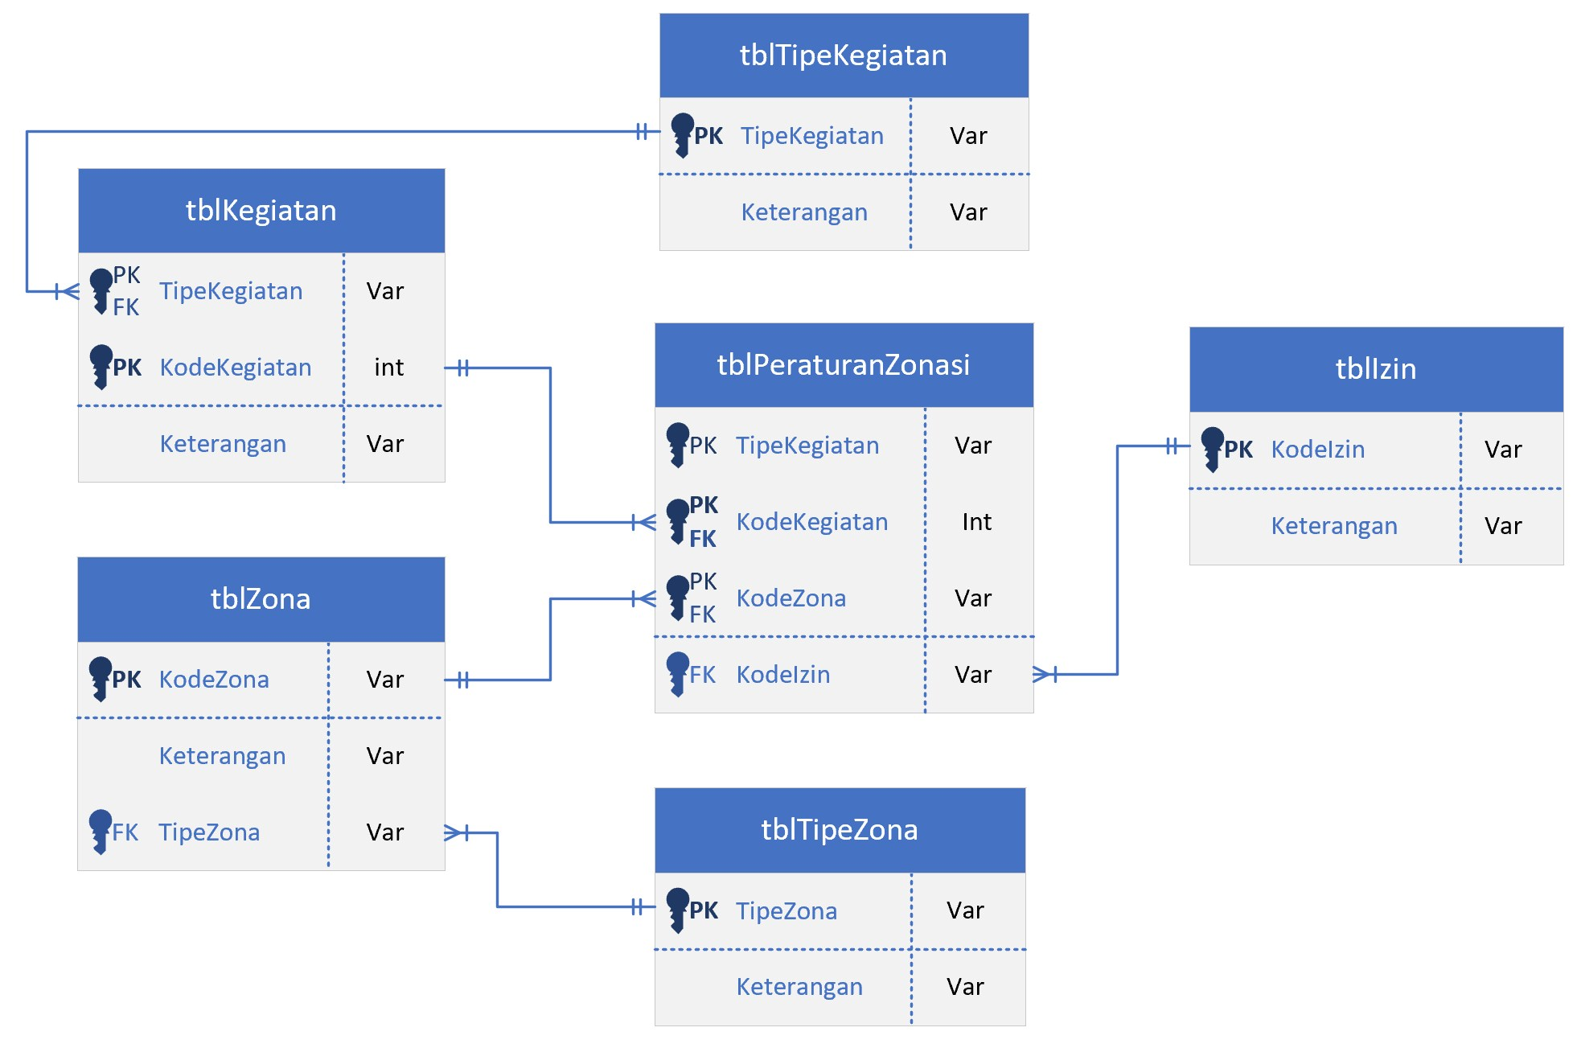
H | PELAYANAN PERKANTORAN | ... | ... | ...
I | PELAYANAN PENDIDIKAN

tblTipeZona |  | tblPeraturanZonasi
TipeZona | Keterangan | TipeKegiatan | KodeKegiatan | KodeZona | KodeIzin
SC | Cagar Budaya | A | 1 | SC | I
RTH | Ruang Terbuka Hijau | A | 1 | RTH-1 | I
PS | Perlindungan Setempat | A | 1 | RTH-2 | I
R | Perumahan | A | 1 | RTH-3 | I
K | Perdagangan dan Jasa | A | 1 | PS | I
KT | Perkantoran | ... | ... | ... | ...
SPU | Sarana Pelayanan Umum | A | 3 | SC | X
I | Industri | A | 3 | RTH-1 | X
PL | Peruntukan Lain | A | 3 | RTH-2 | X
 |  | A | 3 | RTH-3 | I
 |  | ... | ... | ... | ...
 |  | B | 13 | SC | B
 |  | B | 13 | RTH-1 | X
 |  | ... | ... | ... | ...
 |  | ... | ... | ... | ...

