Instructions Occurence
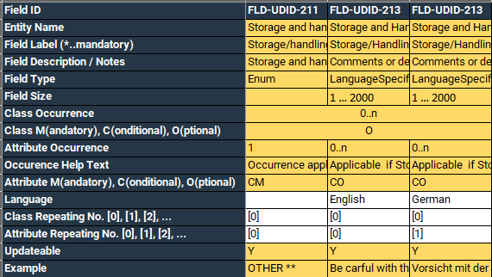

Class Occurence | Attribute Occurence | Interpretation | M / C / O
n/a | 1 | Mandatory single Attribute | M
n/a | 0..1 | Optional single Attribute | O
n/a | 0..n | Optional and repeatable single Attribute | O
0..n | 1 | Optional and repeatable Class AND mandatory attribute inside the Class | CM
0..n | 0..1 | Optional and repeatable Class AND optional attribute inside the Class | CO
0..n | 0..n | Optional and repeatable Class AND optional and repeatable attribute inside the Class | CO
0..1 | 1 | Optional Class AND mandatory attribute inside the Class
0..1 | 0..1 | Optional Class AND optional attribute inside the Class
0..1 | 0..n | Optional Class AND optional and repeatable attribute inside the Class

