Hoja1
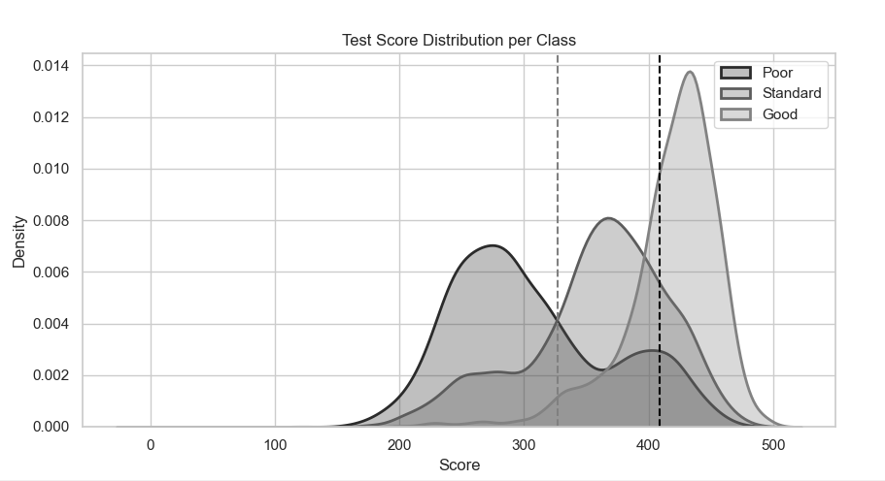
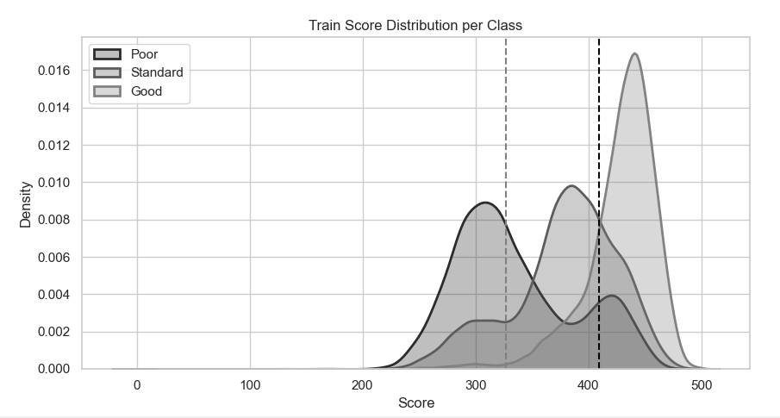
Variable | Type | Description | Range / Values | Variable | Type | Description | Range / Values
Age | Numerical | Age of the account holder | 18 – 100 | Age | Numerical | Age of the account holder | 18 – 100
Occupation | Categorical | Customer’s professional occupation | 16 categories | Occupation | Categorical | Customer’s professional occupation | 16 categories
Annual_Income | Numerical | Declared annual income (USD) | > 0 | Annual_Income | Numerical | Declared annual income (USD) | > 0
Monthly_Inhand_Salary | Numerical | Net monthly take-home salary (USD) | > 0 | Monthly_Inhand_Salary | Numerical | Net monthly take-home salary (USD) | > 0
Num_Bank_Accounts | Numerical | Number of active bank accounts | 0 – 20 | Num_Bank_Accounts | Numerical | Number of active bank accounts | 0 – 20 | Class | Frequency | Proportion | Observation
Num_Credit_Card | Numerical | Number of credit cards | 0 – 50 | Num_Credit_Card | Numerical | Number of credit cards | 0 – 50 | Standard Majority Class | 53174 | 53.17% | Majority class
Interest_Rate | Numerical | Average interest rate on loans (%) | 0 – 100 | Interest_Rate | Numerical | Average interest rate on loans (%) | 0 – 100 | Poor | 28998 | 29.00% | Intermediate minority class
Num_of_Loan | Numerical | Number of active loans | 0 – 50 | Num_of_Loan | Numerical | Number of active loans | 0 – 50 | Good | 17828 | 17.83% | Minority class
Type_of_Loan | Categorical | Types of contracted loans | Multi-label | Type_of_Loan | Categorical | Types of contracted loans | Multi-label | Total | 100000 | 100% | —
Delay_from_due_date | Numerical | Average number of days past due | — | Delay_from_due_date | Numerical | Average number of days past due | —
Num_of_Delayed_Payment | Numerical | Number of recorded delayed payments | ≥ 0 | Num_of_Delayed_Payment | Numerical | Number of recorded delayed payments | ≥ 0
Changed_Credit_Limit | Numerical | Percentage change in credit limit | — | Changed_Credit_Limit | Numerical | Percentage change in credit limit | —
Num_Credit_Inquiries | Numerical | Number of recent credit inquiries | ≥ 0 | Num_Credit_Inquiries | Numerical | Number of recent credit inquiries | ≥ 0
Credit_Mix | Categorical | Quality of the credit mix | Good / Standard / Bad | Credit_Mix | Categorical | Quality of the credit mix | Good / Standard / Bad
Outstanding_Debt | Numerical | Total outstanding debt (USD) | ≥ 0 | Outstanding_Debt | Numerical | Total outstanding debt (USD) | ≥ 0
Credit_Utilization_Ratio | Numerical | Credit utilization ratio (%) | 0 – 100 | Credit_Utilization_Ratio | Numerical | Credit utilization ratio (%) | 0 – 100
Credit_History_Age | Numerical | Length of credit history (years) | > 0 | Credit_History_Age | Numerical | Length of credit history (years) | > 0
Payment_of_Min_Amount | Binary | Indicates whether only the minimum payment is made | Yes / No | Payment_of_Min_Amount | Binary | Indicates whether only the minimum payment is made | Yes / No
Total_EMI_per_month | Numerical | Total monthly installment payments (EMI) (USD) | ≥ 0 | Total_EMI_per_month | Numerical | Total monthly installment payments (EMI) (USD) | ≥ 0
Amount_invested_monthly | Numerical | Amount invested monthly (USD) | ≥ 0 | Amount_invested_monthly | Numerical | Amount invested monthly (USD) | ≥ 0 |  |  |  |  | XGBoost Hyperparameters
Payment_Behaviour | Categorical | Payment behavior pattern | 6 categories | Payment_Behaviour | Categorical | Payment behavior pattern | 6 categories |  |  |  |  | Parameter | Value | Description
Monthly_Balance | Numerical | Available monthly balance (USD) | — | Monthly_Balance | Numerical | Available monthly balance (USD) | — |  |  |  |  | objective | multi:softprob | Defines a multi-class classification objective and outputs class probabilities.
Credit_Score | Categorical (Target) | Customer’s credit score classification | Poor / Standard / Good | Credit_Score | Categorical (Target) | Customer’s credit score classification | Poor / Standard / Good |  |  |  |  | num_class | 3 | Specifies the number of classes in the credit score prediction problem.
 |  |  |  |  |  |  |  |  |  |  |  | n_estimators | 1000 | Number of trees used in the boosting process. A larger number helps stabilize feature importance estimates.
 |  |  |  |  |  |  |  | Variable | Minimum | Maximum | Action | max_depth | 6 | Maximum depth of each tree, controlling model complexity and reducing overfitting.
 |  |  |  |  |  |  |  | Age | 18 | 100 | Out-of-range values → NaN + Age_invalid indicator | learning_rate | 0.05 | Controls how much each tree contributes to the model. A smaller value leads to more gradual learning.
 |  |  |  |  |  |  |  | Num_of_Loan | 0 | 50 | Out-of-range values → NaN + indicator | subsample | 0.6 | Fraction of training observations randomly sampled for each tree to reduce variance.
 |  |  |  |  |  |  |  | Num_Bank_Accounts | 0 | 20 | Out-of-range values → NaN + indicator | colsample_bytree | 0.8 | Fraction of features randomly sampled for each tree to avoid reliance on a small subset of predictors.
 |  |  |  |  |  |  |  | Num_Credit_Card | 0 | 50 | Out-of-range values → NaN + indicator | eval_metric | mlogloss | Evaluation metric used during training for multi-class classification.
 |  |  |  |  |  |  |  | Interest_Rate | 0 | 100 | Out-of-range values → NaN + indicator | random_state | 42 | Ensures reproducibility of the results.
 |  |  |  |  |  |  |  | Credit_History_Age | 0.01 | — | Lower bound only applied

 |  |  |  |  |  |  |  | Variable | Missing Values | % of Total | Strategy Applied
 |  |  |  |  |  |  |  | Monthly_Inhand_Salary | 15002 | 15.00% | Median imputation
 |  |  |  |  |  |  |  | Type_of_Loan | 11408 | 11.41% | "Missing" category
 |  |  |  |  |  |  |  | Credit_Mix | 20195 | 20.20% | "Missing" category (placeholder "_")
 |  |  |  |  |  |  |  | Credit_History_Age | 9030 | 9.03% | Median imputation
 |  |  |  |  |  |  |  | Num_of_Delayed_Payment | 7002 | 7.00% | Median imputation
 |  |  |  |  |  |  |  | Amount_invested_monthly | 4479 | 4.48% | Median imputation
 |  |  |  |  |  |  |  | Num_Credit_Inquiries | 1965 | 1.97% | Median imputation
 |  |  |  |  |  |  |  | Monthly_Balance | 1200 | 1.20% | Median imputation

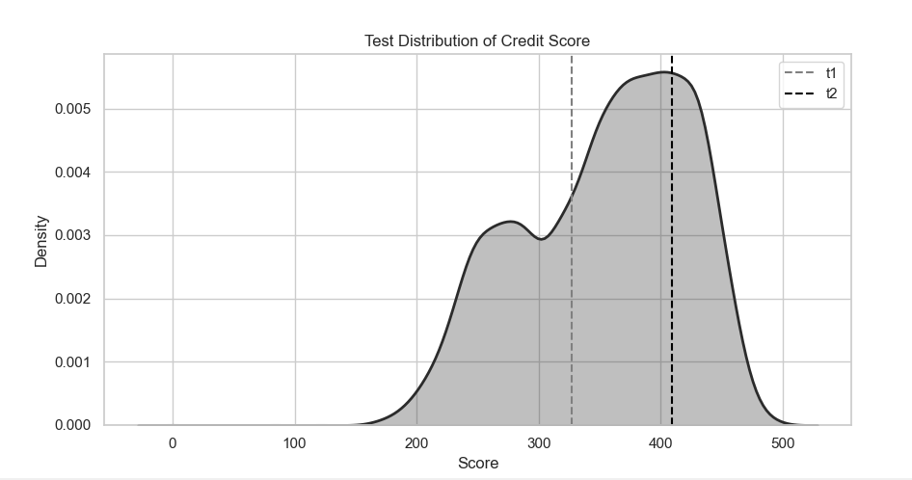

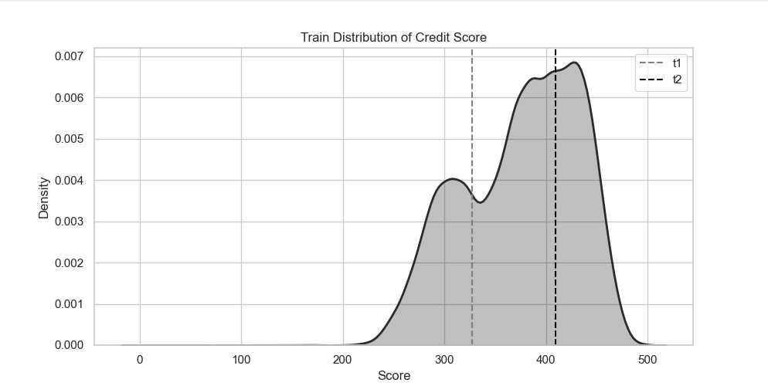

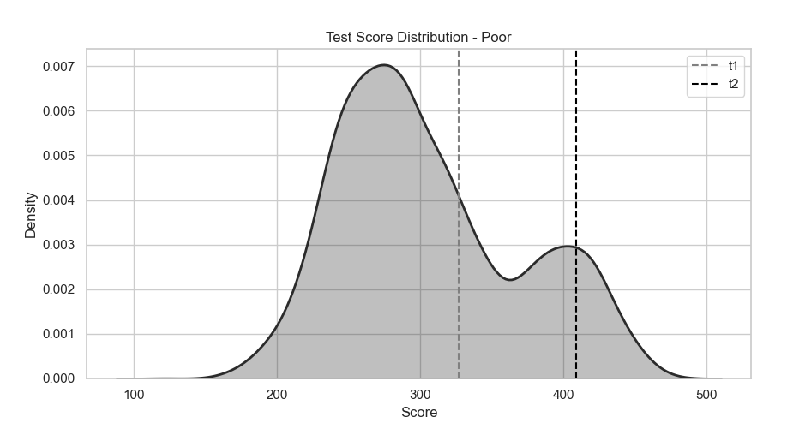
 |  |  |  |  |  |  |  |  |  |  |  |  | XGBoost Hyperparameters
 |  |  |  |  |  |  |  |  |  |  |  |  | Parameter | Value | Description
 |  |  |  |  |  |  |  |  |  |  |  |  | objective | multi:softprob | Defines a multi-class classification objective and outputs class probabilities.
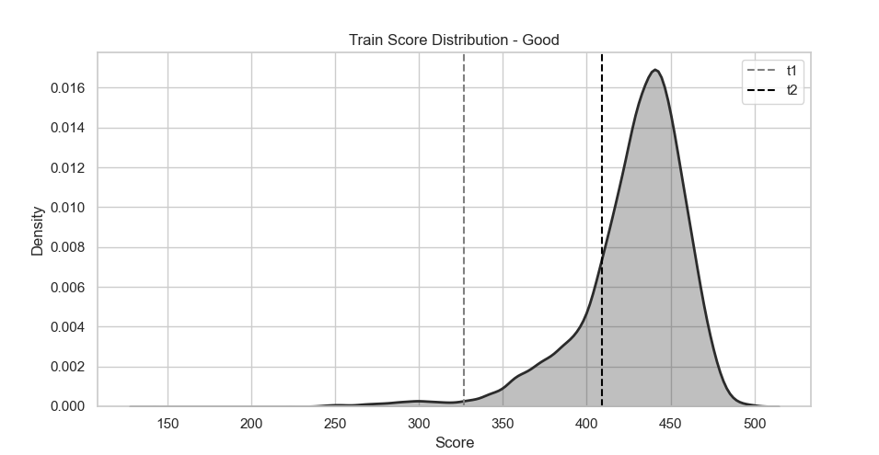
 |  |  |  |  |  |  |  |  |  |  |  |  | num_class | 3 | Specifies the number of classes in the credit score prediction problem.
 |  |  |  |  |  |  |  |  |  |  |  |  | n_estimators | 1000 | Number of trees used in the boosting process. A larger number helps stabilize feature importance estimates.
 |  |  |  |  |  |  |  |  |  |  |  |  | max_depth | 6 | Maximum depth of each tree, controlling model complexity and reducing overfitting.
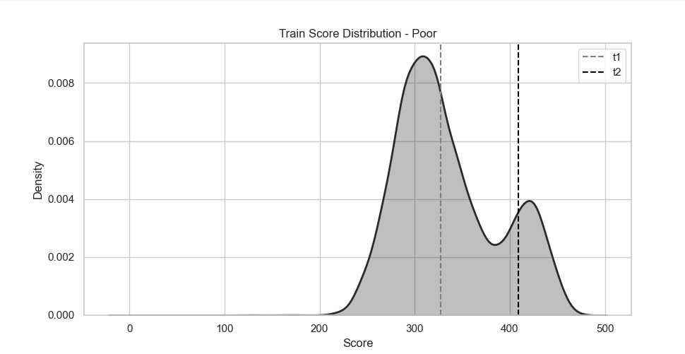
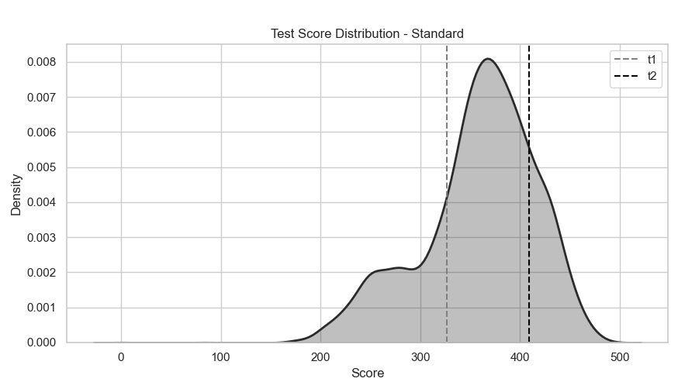
 |  |  |  |  |  |  |  |  |  |  |  |  | learning_rate | 0.05 | Controls how much each tree contributes to the model. A smaller value leads to more gradual learning.
 |  |  |  |  |  |  |  |  |  |  |  |  | subsample | 0.6 | Fraction of training observations randomly sampled for each tree to reduce variance.
 |  |  |  |  |  |  |  |  |  |  |  |  | colsample_bytree | 0.8 | Fraction of features randomly sampled for each tree to avoid reliance on a small subset of predictors.
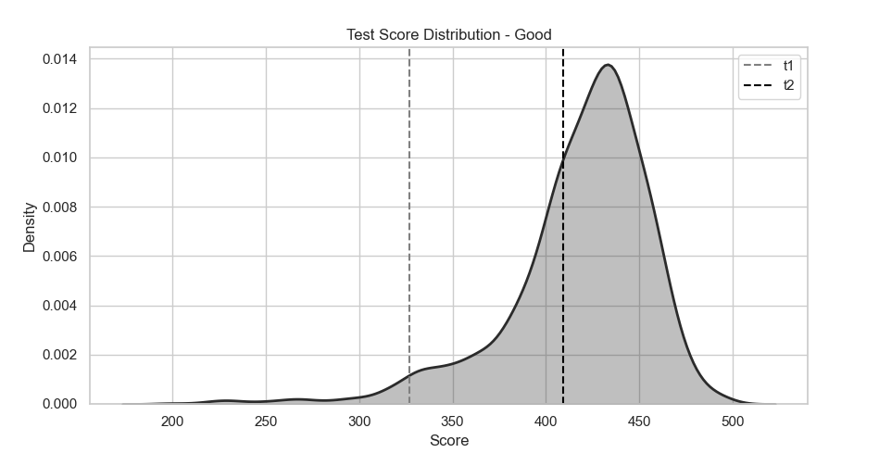
 |  |  |  |  |  |  |  |  |  |  |  |  | eval_metric | mlogloss | Evaluation metric used during training for multi-class classification.
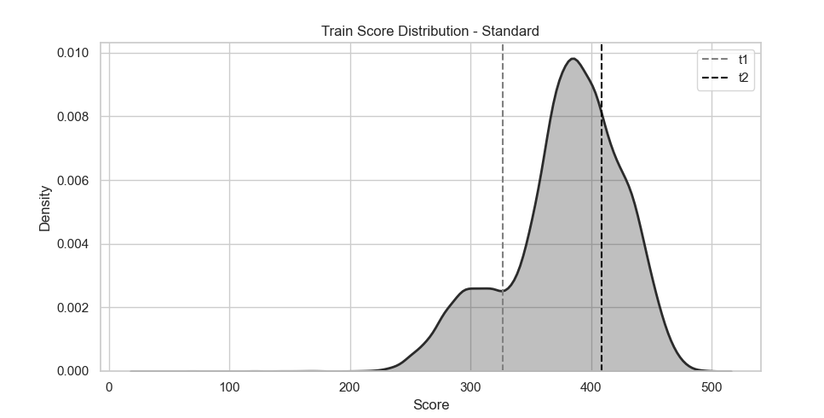
 |  |  |  |  |  |  |  |  |  |  |  |  | random_state | 42 | Ensures reproducibility of the results.

