TRANSFORMER
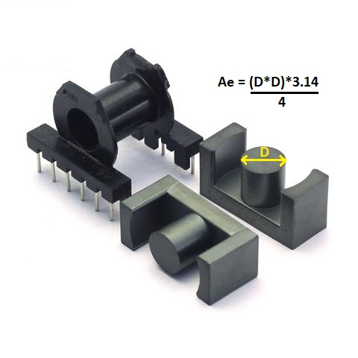
Ferrite Transformer Turns Calculation |  |  |  |  |  |  | Ae= ( D*D*3.14 ) / 4
 |  |  |  |  |  |  | Ae= ( 1*1*3.14) / 4 = 0.785 Cm²
Npri = Vin * 10^8 / ( 4 * F * Bmax * Ae )
Bmax = Vin*10^8 / (4 * F * Npri * Ae )
Vin = | 155.00 | Volt | Bmax CHECKING
F = | 65.00 | Khz | Npri = |  | 40.00 | Turn
Ae = | 0.79 | Cm² | Bmax = |  | 1898.58 | G
Bmax = | 1898.58 | G | Bmax from 1200 to 2000
Npri = | 40.00 | Turn | Volt per 1 turn = |  | 3.88 | Volt
WIRE
Vout = | 24.00 | Volt | Nsec = |  | 6.19 | Turn
Iout = | 5.00 | A | Sec Wire = |  | 0.71 | mm
P = | 120.00 | W | Pri Wire = |  | 0.28 | mm
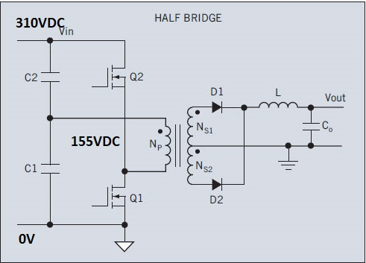
Iin = | 0.77 | A | Current density = |  | 5.00 | A/mm²
RESULT OF TRANSFORMER WINDING

V in = | 155.00 | V | Npri = |  | 40.00 | Turn
I in = | 0.77 | A | Nsec = |  | 6.19 | Turn
V out = | 24.00 | V | P = |  | 120.00 | W
I out = | 5.00 | A | Volt/Turn = |  | 3.88 | V/T
F = | 65.00 | Khz | Diameter Wire Sec = |  | 0.71 | mm
Ae = | 0.79 | Cm² | Diameter Wire Pri = |  | 0.28 | mm
LIZT WIRE FROM WIRE YOU HAVE AT HOME

Second | 0.30 | mm | Lizt wire | 0.3 | mm X | 5
Pri | 0.50 | mm | Lizt wire | 0.5 | mm X | 1

