CPU Execution Model
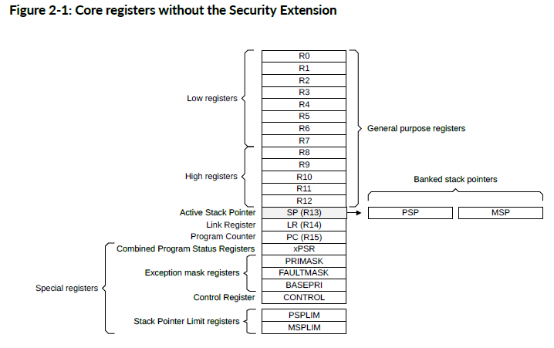
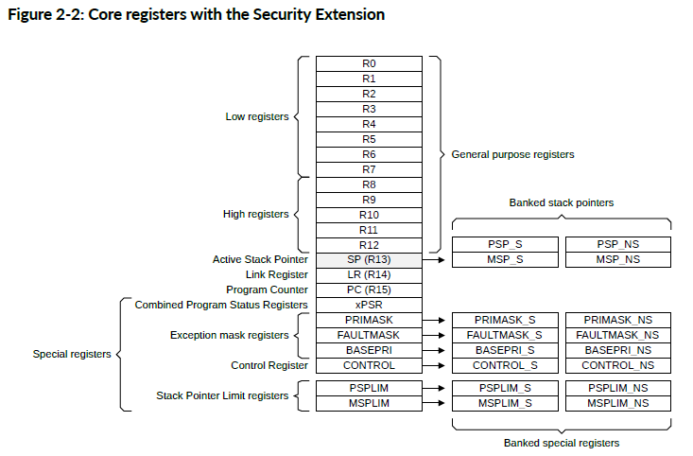
Thread Mode vs Handler Mode
 | Thread mode runs normal program flow (main loop, RTOS tasks).
 | Handler mode runs exceptions/interrupts (ISRs, fault handlers).
 | On exception entry, the core transitions to Handler mode; upon completion it returns to Thread mode.

Privileged vs Unprivileged
 | Privileged software can access system control resources in PPB/SCS (NVIC/SCB/MPU/SAU).
 | Unprivileged software is restricted; attempting privileged access may generate BusFault.

Core/Special Registers Involved
Core context registers:
 | R0–R12, SP (R13: MSP/PSP), LR (R14), PC (R15), xPSR (APSR + IPSR + EPSR)
Control/masking registers (typical bring-up use):
 | CONTROL.SPSEL/nPRIV (Thread privilege + MSP/PSP selection)
 | PRIMASK / BASEPRI / FAULTMASK (interrupt masking/thresholding)
 | MSPLIM/PSPLIM (stack limit registers)

Secure vs Non-secure State
 | The core supports Secure and Non-secure states with banked views and aliasing for Non-secure access from Secure context.
 | Some Secure-only resources may appear RAZ/WI when accessed from Non-secure state.

System Memory Map, PPB, and SCS
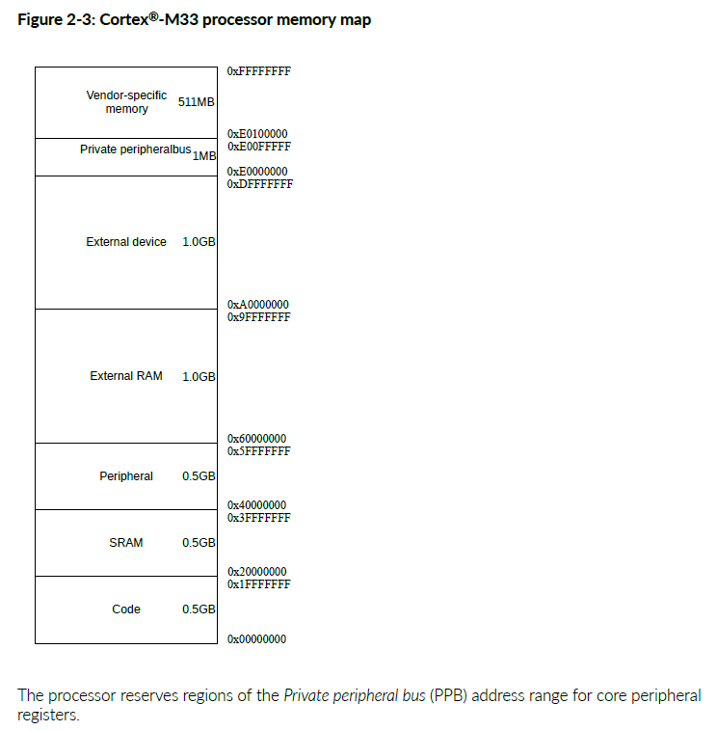
PPB (Private peripheral bus) and why it matters
 | PPB (0xE0000000–0xE00FFFFF) is reserved for system control/debug.
 | PPB is not used for exception vector tables, and attempting to execute from PPB causes MemManage fault.
 | SCS (System Control Space) inside PPB contains system control blocks including NVIC/MPU/SAU and debug/trace components.

Exceptions & Interrupts
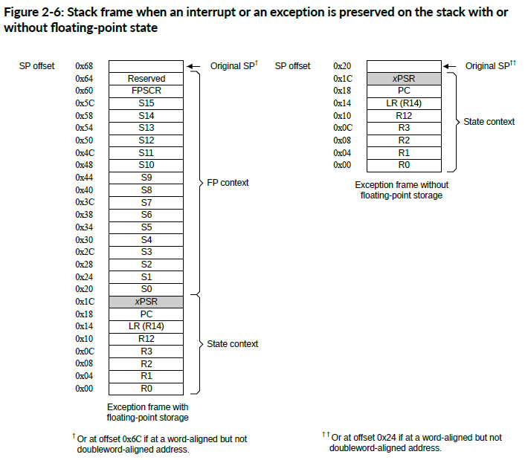
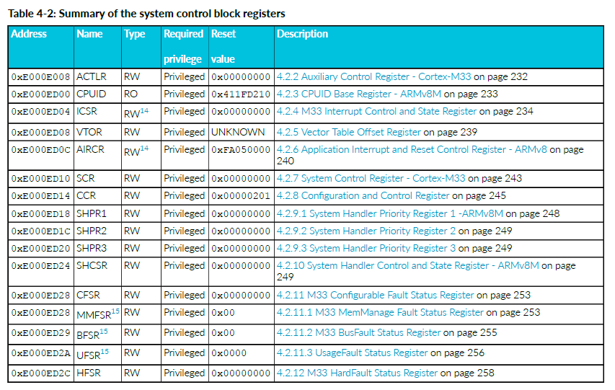
Vector Table and SCB register
Key SCB registers used in exception/interrupt control:
 | ICSR - 0xE000ED04 (interrupt control/state)
 | VTOR - 0xE000ED08 (vector table base relocation)
 | AIRCR - 0xE000ED0C (control + priority grouping)

Exception Entry/Return: Hardware Stacking/Unstacking
 | (Figure 2-6)

Latency Features: Tail-Chaining and Late Arrival
 | Tail-chaining: back-to-back ISR execution with reduced stacking overhead.
 | Late-arriving interrupts: a higher-priority IRQ arriving during state save can be serviced earlier.

NVIC Register Operations
Enable / Pending / Active / Priority / Trigger
Provides a consolidated NVIC register summary and states priority range 0–255 (0 is highest).

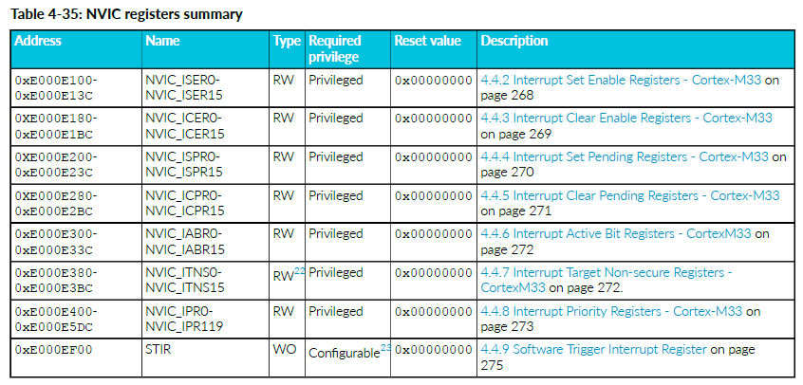
Enable / Disable
 | NVIC_ISER0..15: set-enable bits.
 | NVIC_ICER0..15: clear-enable bits.

Pending Control
 | NVIC_ISPR0..15: set-pending bits.
 | NVIC_ICPR0..15: clear-pending bits.

Active Status
 | NVIC_IABR0..15: active-bit registers.

Priority Programming
 | NVIC_IPR0..119: priority registers.

Software Trigger
 | STIR - 0xE000EF00: software-trigger interrupts.

TrustZone Routing
 | NVIC_ITNS0..15: Interrupt Target Non-secure registers.
 | Some Secure-related views can be RAZ/WI when accessed from Non-secure state.

SAU & MPU
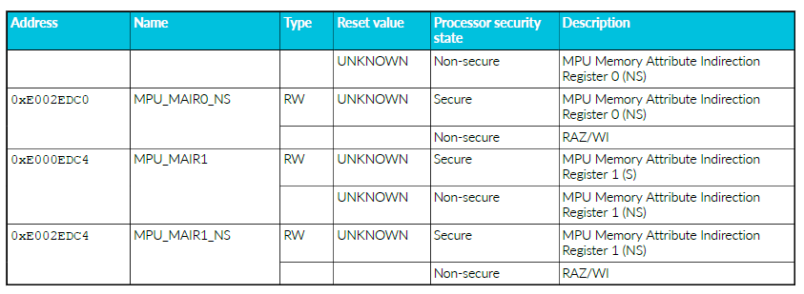
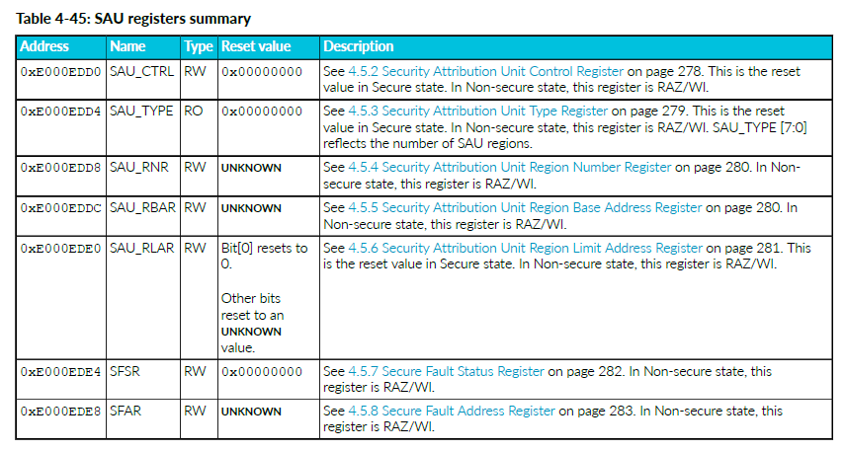
Security Attribution (SAU) and Memory Protection (MPU)
SAU (Security Attribution Unit)
 | SAU_CTRL/TYPE/RNR/RBAR/RLAR, SFSR/SFAR for SecureFault reporting.
 | SAU is privileged-only, and Non-secure accesses may be RAZ/WI (Read-As-Zero/Writes Ignored).
 | also provides SAU_CTRL bit meaning (ENABLE/ALLNS).

Operational flow
 | Select region: SAU_RNR
 | Set base: SAU_RBAR
 | Set limit + attributes: SAU_RLAR
 | Enable SAU: SAU_CTRL.ENABLE

MPU (Memory Protection Unit)
 | MPU enforces privilege rules, separation, and memory attributes; violations can trigger MemManage.
 | Lists MPU registers: MPU_TYPE/CTRL/RNR/RBAR/RLAR/MAIR0/MAIR1.

Operational flow
 | Read MPU_TYPE (capability/region count).
 | Disable MPU (if reconfig): MPU_CTRL.
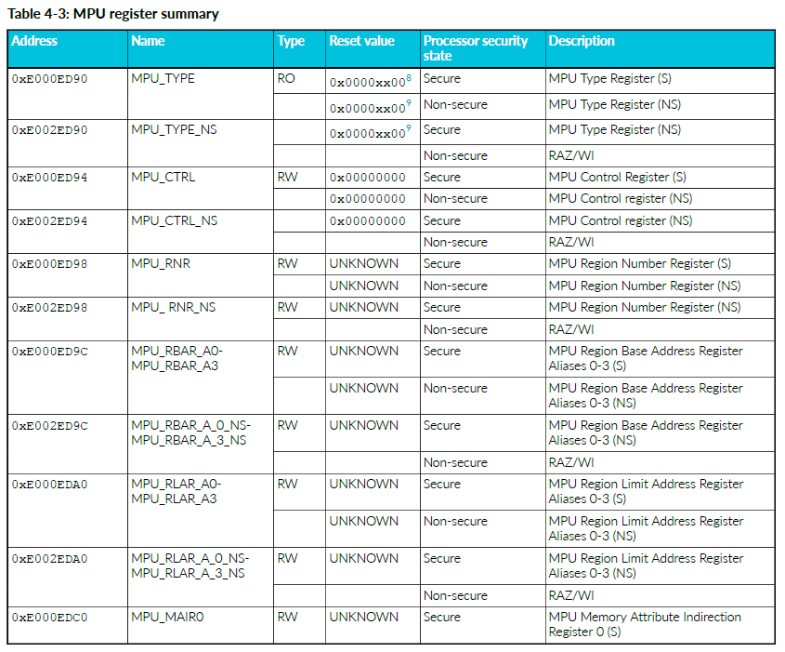
 | Select region: MPU_RNR.
 | Program base + access + XN(eXecute Never): MPU_RBAR.
 | Program limit + AttrIndx + enable: MPU_RLAR.
 | Program attributes: MPU_MAIR0/MAIR1.
 | Enable MPU: MPU_CTRL.

FPU_Sample
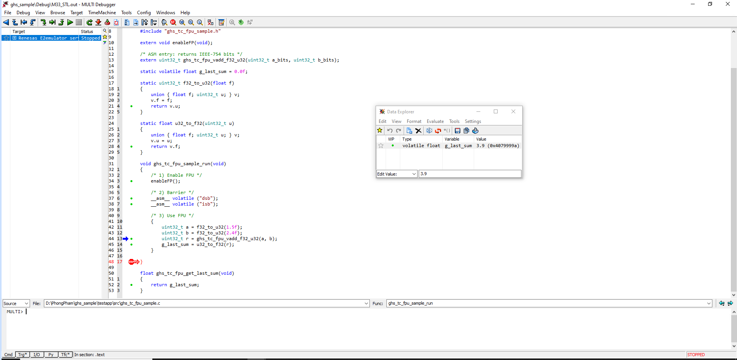
Enable FPU (CPACR)
In C, write SCB->CPACR |= 0x00F00000 to grant full access to CP10 and CP11 bits [20:23]

Barriers
Execute dsb then isb so the CPACR update is committed and visible before any FPU instruction is fetched/executed.

Prepare operands and call ASM
C converts float a, b into uint32_t IEEE754 bit patterns and calls:
ghs_tc_fpu_vadd_f32_u32(a_bits, b_bits).

ASM performs float add
Inside ghs_tc_fpu_vadd_f32_u32 (ASM):
vmov s0, r0
move 32-bit payload from core register r0 into FP register s0 (FPU works on S regs).
vmov s1, r1
move r1 into s1.
vadd.f32 s0, s0, s1
perform single-precision float addition: s0 = s0 + s1.
vmov r0, s0
move result bits from s0 back to r0
bx lr
return to the caller.

C reads result
C converts returned bits to float and stores it (e.g., g_last_sum) for verification.

MPU_Sampe
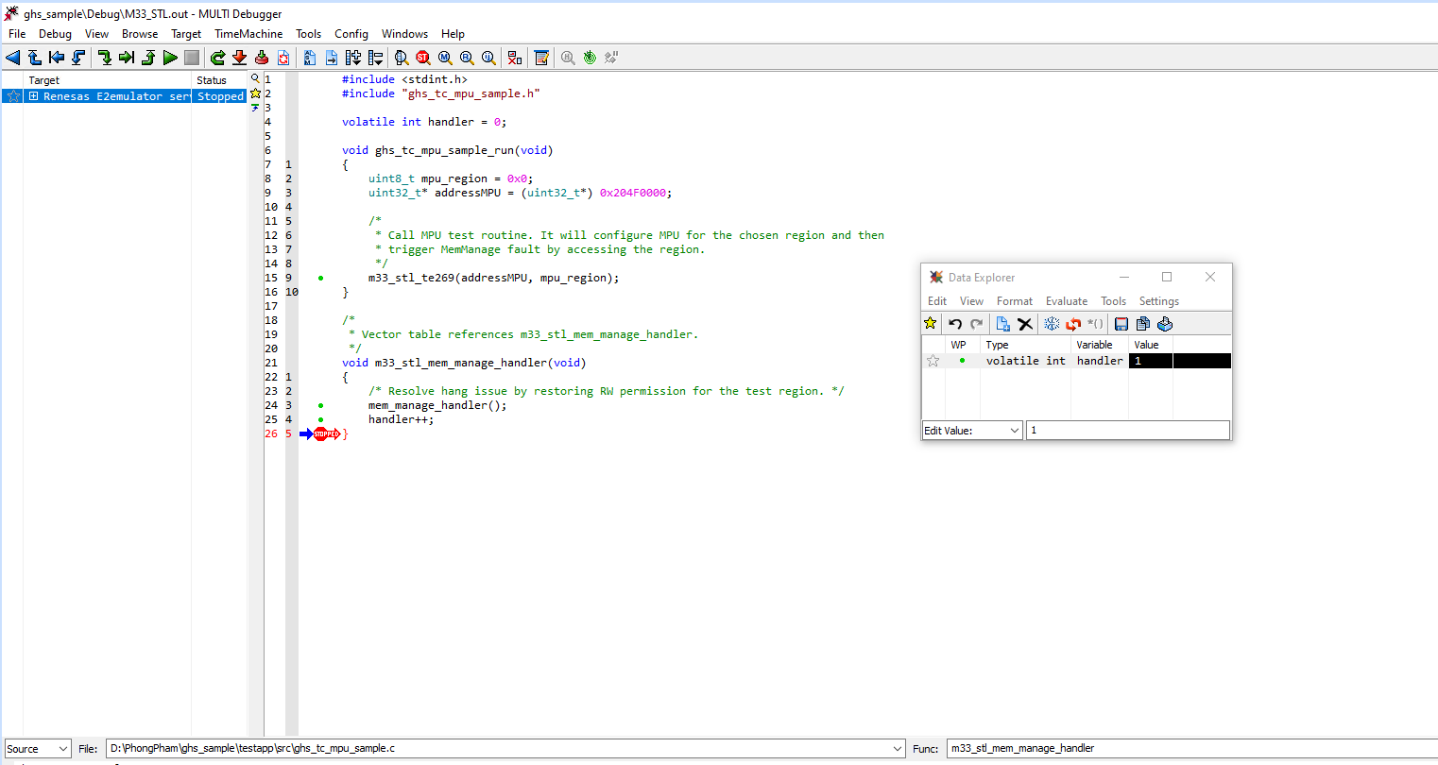
C calls the testcase ASM
In ghs_tc_mpu_sample_run():
addressMPU = 0x204F0000, mpu_region = 0
call m33_stl_te269(addressMPU, mpu_region).

ASM m33_stl_te269: argument setup + temporarily block faults
mov r12, r1
keep mpu_region in r12 because r1 will be reused as the working address.
mov r1, r0
move addressMPU into r1 as the working base address.
mrs r0, faultmask
read current FAULTMASK into r0.
push {r0}
save the previous FAULTMASK value so it can be restored at the end.
cpsid f
set FAULTMASK to disable configurable faults while MPU is being modified (prevents faults from occurring mid-configuration).
and r1, r1, #0xFFFFFFE0
align the base address by clearing the lowest 5 bits (required/expected alignment for the region setup).

ASM saves current MPU/system state (to restore later)
You’ll see repeated patterns like:
ldr rx, =<REG_ADDR>
ldr ry, [rx]
push {ry}
snapshot/save the current configuration (e.g., MAIR0, MPU_RNR/RBAR/RLAR, MPU_CTRL, SHCSR, SHPR1, BASEPRI, PRIMASK, etc.) so the testcase can restore everything exactly as it was.

ASM sets masking/priority (BASEPRI/SHPR1)
Typical key instructions:
msr basepri, r0 (after loading r0 = 0xF0)
raise BASEPRI to block interrupts below a threshold; makes MPU reconfiguration deterministic.
str r0, [SHPR1] (after setting r0 = 0)
set system exception priorities (MemManage/BusFault/UsageFault) to the testcase’s expected values.

ASM disables MPU before rewriting region registers
ldr r5, =MPU_CTRL
load address of MPU_CTRL.
ldr r6, [r5]
read current MPU_CTRL.
and r6, r6, #0xFFFFFFFE
clear bit0 (ENABLE) -> disable MPU.
str r6, [r5]
write back MPU_CTRL (MPU is now disabled).

ASM programs MAIR0
ldr r5, =MAIR0 / ldr r6, [r5]
read MAIR0.
and r6, r6, #0xFFFFFF00
clear attribute byte[0] (Attr0). | R/W/M attribute MAIR0
orr r6, r6, #0xAA
set Attr0 to 0xAA (test pattern attribute).
str r6, [r5]
write updated MAIR0.

ASM selects region and programs RBAR/RLAR
ldr r5, =MPU_RNR ; str r12, [r5]
select MPU region = mpu_region.
ldr r5, =MPU_RBAR
orr r6, r1, #0x16
form RBAR = aligned base address + low-bit fields (0x16) used by the testcase (permissions/attr-index related bits depending on the MPU encoding used here).
str r6, [r5]
write RBAR.
ldr r5, =MPU_RLAR
add r6, r1, #0x80
set limit = base + 0x80.
orr r6, r6, #0x1
set region enable bit in RLAR.
str r6, [r5]
write RLAR.

ASM enables MemManage fault + enables MPU
ldr r5, =SHCSR ; movw r6, #0x00010000 ; str r6, [r5]
enable MemManage exception (MEMFAULTENA).
ldr r5, =MPU_CTRL ; movs r6, #0x5 ; str r6, [r5]
enable MPU (bit0) and PRIVDEFENA (bit2).
dsb / isb
ensure MPU changes are effective before performing the access that should fault.
(if present) cpsie if
re-enable interrupts after configuration is complete.

ASM triggers the fault by writing into the protected region
str r4, [r1]
store a word from r4 to address [r1] (the configured MPU region base).
Result: access violates MPU rules -> MemManage fault is raised.

MemManage handler runs (C)
Vector table routes MemManage to m33_stl_mem_manage_handler():
Calls mem_manage_handler(); and increments handler.
mem_manage_handler() then:
1. disables MPU
2. dsb/isb
3. reads MPU_RBAR, clears low bits (&= 0xFFFFFFF8) to “relax”/normalize the RBAR low-field encoding used by the testcase
4. writes RBAR back and re-enables MPU
5. dsb/isb
the handler repairs/relaxes the configuration so execution can safely continue.

Return to ASM and restore all saved state
ASM pops/restores MPU_CTRL/MAIR0/RNR/RBAR/RLAR/SHCSR/SHPR1/BASEPRI/PRIMASK/FAULTMASK, then returns with bx lr.
testcase exits without polluting the system state.

NVIC_Sample
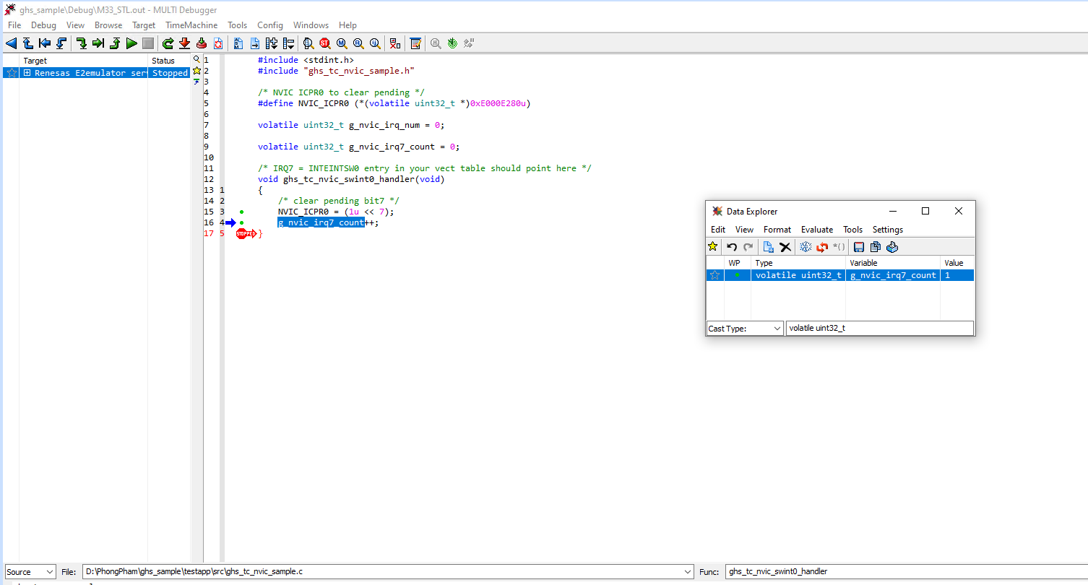
ASM writes debug IRQ number
movs r0, #7
load the testcase IRQ number (7) into r0.
ldr r1, =g_nvic_irq_num ; str r0, [r1]
store the IRQ number for debug/visibility.

ASM enables IRQ7 via NVIC_ISER0
ldr r4, =0xE000E100
r4 points to NVIC_ISER0.
movs r6, #1 ; lsls r6, r6, #7
r6 = 1 << 7 (bit mask for IRQ7).
str r6, [r4]
write mask to ISER0 -> enable IRQ7.

ASM sets IRQ7 pending via NVIC_ISPR0
ldr r4, =0xE000E200
r4 points to NVIC_ISPR0.
str r6, [r4]
set pending bit for IRQ7 -> request NVIC to raise the interrupt.
dsb ; isb
ensure the pending write is observed immediately (ordering + pipeline sync), which helps deterministic interrupt entry.

CPU enters IRQ7 handler
Hardware stacks context and jumps to vector entry for IRQ7:
ghs_tc_nvic_swint0_handler().

ISR clears pending + increments counter (C)
Write NVIC_ICPR0 = (1<<7) (0xE000E280)
clear pending bit so the interrupt does not immediately retrigger.
g_nvic_irq7_count++
confirm ISR executed.

