SRSTeamRating_add_in
The add-in function SRSTeamRatingTrain finds the best team ratings to predict the margin of victory of each row of the training set data. Note that the weighted average team rating is zero. A positive team rating means a team is expected to score more runs than an average team. The default setting is to include a home advantage parameter.
Simple rating system with home advantage
H-A score predict = home team rating + home advantage - away team rating

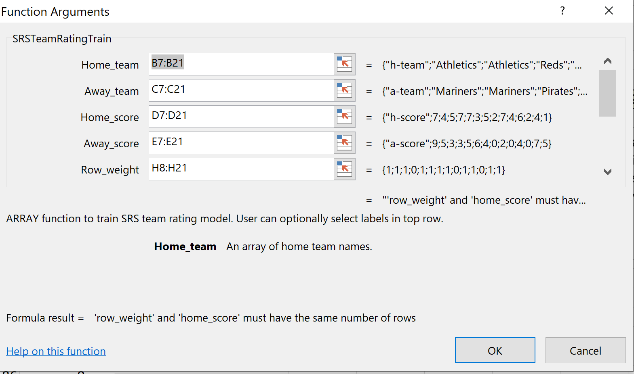
game | h-team | a-team | h-score | a-score | margin of victory (h-a) | Pred h-score-a-score (15,1) | train | SRSTeamRating (9,3) | RMSE | 1.837
1 | Athletics | Mariners | 7 | 9 | -2 | -0.98 | 1 | Average h-score-a-score | 0.000
2 | Athletics | Mariners | 4 | 5 | -1 | -0.98 | 1 | Home advantage | 1.977
3 | Reds | Pirates | 5 | 3 | 2 | -0.86 | 1 | Number valid obs | 11
4 | Mariners | Athletics | 7 | 3 | 4 | 4.93 | 0 | Team | Rating | Num
5 | Mariners | Pirates | 7 | 5 | 2 | 3.39 | 1 | Athletics | -1.185 | 6
6 | Reds | Mariners | 3 | 6 | -3 | -2.27 | 1 | Mariners | 1.770 | 7
7 | Pirates | Mariners | 5 | 4 | 1 | 0.57 | 1 | Pirates | 0.361 | 6
8 | Athletics | Mariners | 2 | 0 | 2 | -0.98 | 1 | Reds | -2.480 | 3
9 | Reds | Pirates | 7 | 2 | 5 | -0.86 | 0
10 | Pirates | Athletics | 4 | 0 | 4 | 3.52 | 1
11 | Athletics | Pirates | 6 | 4 | 2 | 0.43 | 1
12 | Pirates | Reds | 2 | 0 | 2 | 4.82 | 0
13 | Reds | Pirates | 4 | 7 | -3 | -0.86 | 1
14 | Athletics | Mariners | 1 | 5 | -4 | -0.98 | 1
The add-in function SRSTeamRatingPredict uses the model in the range I7:K15 to predict the margin of victory for each row of the data. Note that the predictions are done as an array using the complete set of data to make predictions for every row in the data. SRSTeamRatingPredict cannot be used to predict a single row of the data.

SRSTeamRating_solver
The Solver is used to find the best team ratings to predict the margin of victory for each row of the training set data. Note that the weighted average team rating is zero. A positive team rating means a team is expected to score more runs than an average team. The Solver includes a home advantage parameter.

Simple rating system with home advantage
H-A score predict = home team rating + home advantage - away team rating
 |  |  |  |  |  |  |  |  |  |  | weighted avg rating | 0.00
 |  |  |  |  | home advantage | 1.977 |  | RMSE-train | 1.837
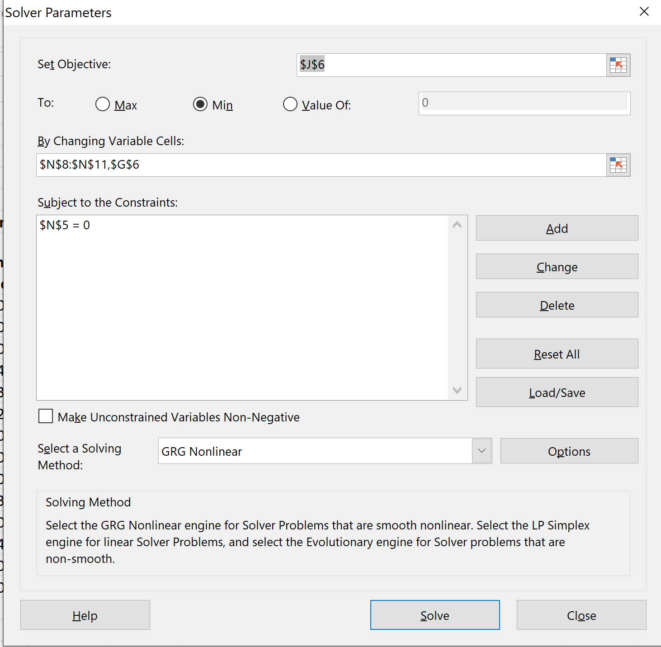
game | h-team | a-team | h-score | a-score | margin of victory (h-a) | h-predict | a-predict | mov-predict | error | train | Team | Rating | Num
1 | Athletics | Mariners | 7 | 9 | -2 | -1.18 | 1.77 | -0.98 | 1.02 | 1 | Athletics | -1.185 | 6
2 | Athletics | Mariners | 4 | 5 | -1 | -1.18 | 1.77 | -0.98 | 0.02 | 1 | Mariners | 1.770 | 7
3 | Reds | Pirates | 5 | 3 | 2 | -2.48 | 0.36 | -0.86 | -2.86 | 1 | Pirates | 0.361 | 6
4 | Mariners | Athletics | 7 | 3 | 4 | 1.77 | -1.18 | 4.93 | 0.93 | 0 | Reds | -2.480 | 3
5 | Mariners | Pirates | 7 | 5 | 2 | 1.77 | 0.36 | 3.39 | 1.39 | 1
6 | Reds | Mariners | 3 | 6 | -3 | -2.48 | 1.77 | -2.27 | 0.73 | 1
7 | Pirates | Mariners | 5 | 4 | 1 | 0.36 | 1.77 | 0.57 | -0.43 | 1
8 | Athletics | Mariners | 2 | 0 | 2 | -1.18 | 1.77 | -0.98 | -2.98 | 1
9 | Reds | Pirates | 7 | 2 | 5 | -2.48 | 0.36 | -0.86 | -5.86 | 0
10 | Pirates | Athletics | 4 | 0 | 4 | 0.36 | -1.18 | 3.52 | -0.48 | 1
11 | Athletics | Pirates | 6 | 4 | 2 | -1.18 | 0.36 | 0.43 | -1.57 | 1
12 | Pirates | Reds | 2 | 0 | 2 | 0.36 | -2.48 | 4.82 | 2.82 | 0
13 | Reds | Pirates | 4 | 7 | -3 | -2.48 | 0.36 | -0.86 | 2.14 | 1
14 | Athletics | Mariners | 1 | 5 | -4 | -1.18 | 1.77 | -0.98 | 3.02 | 1

