Summary
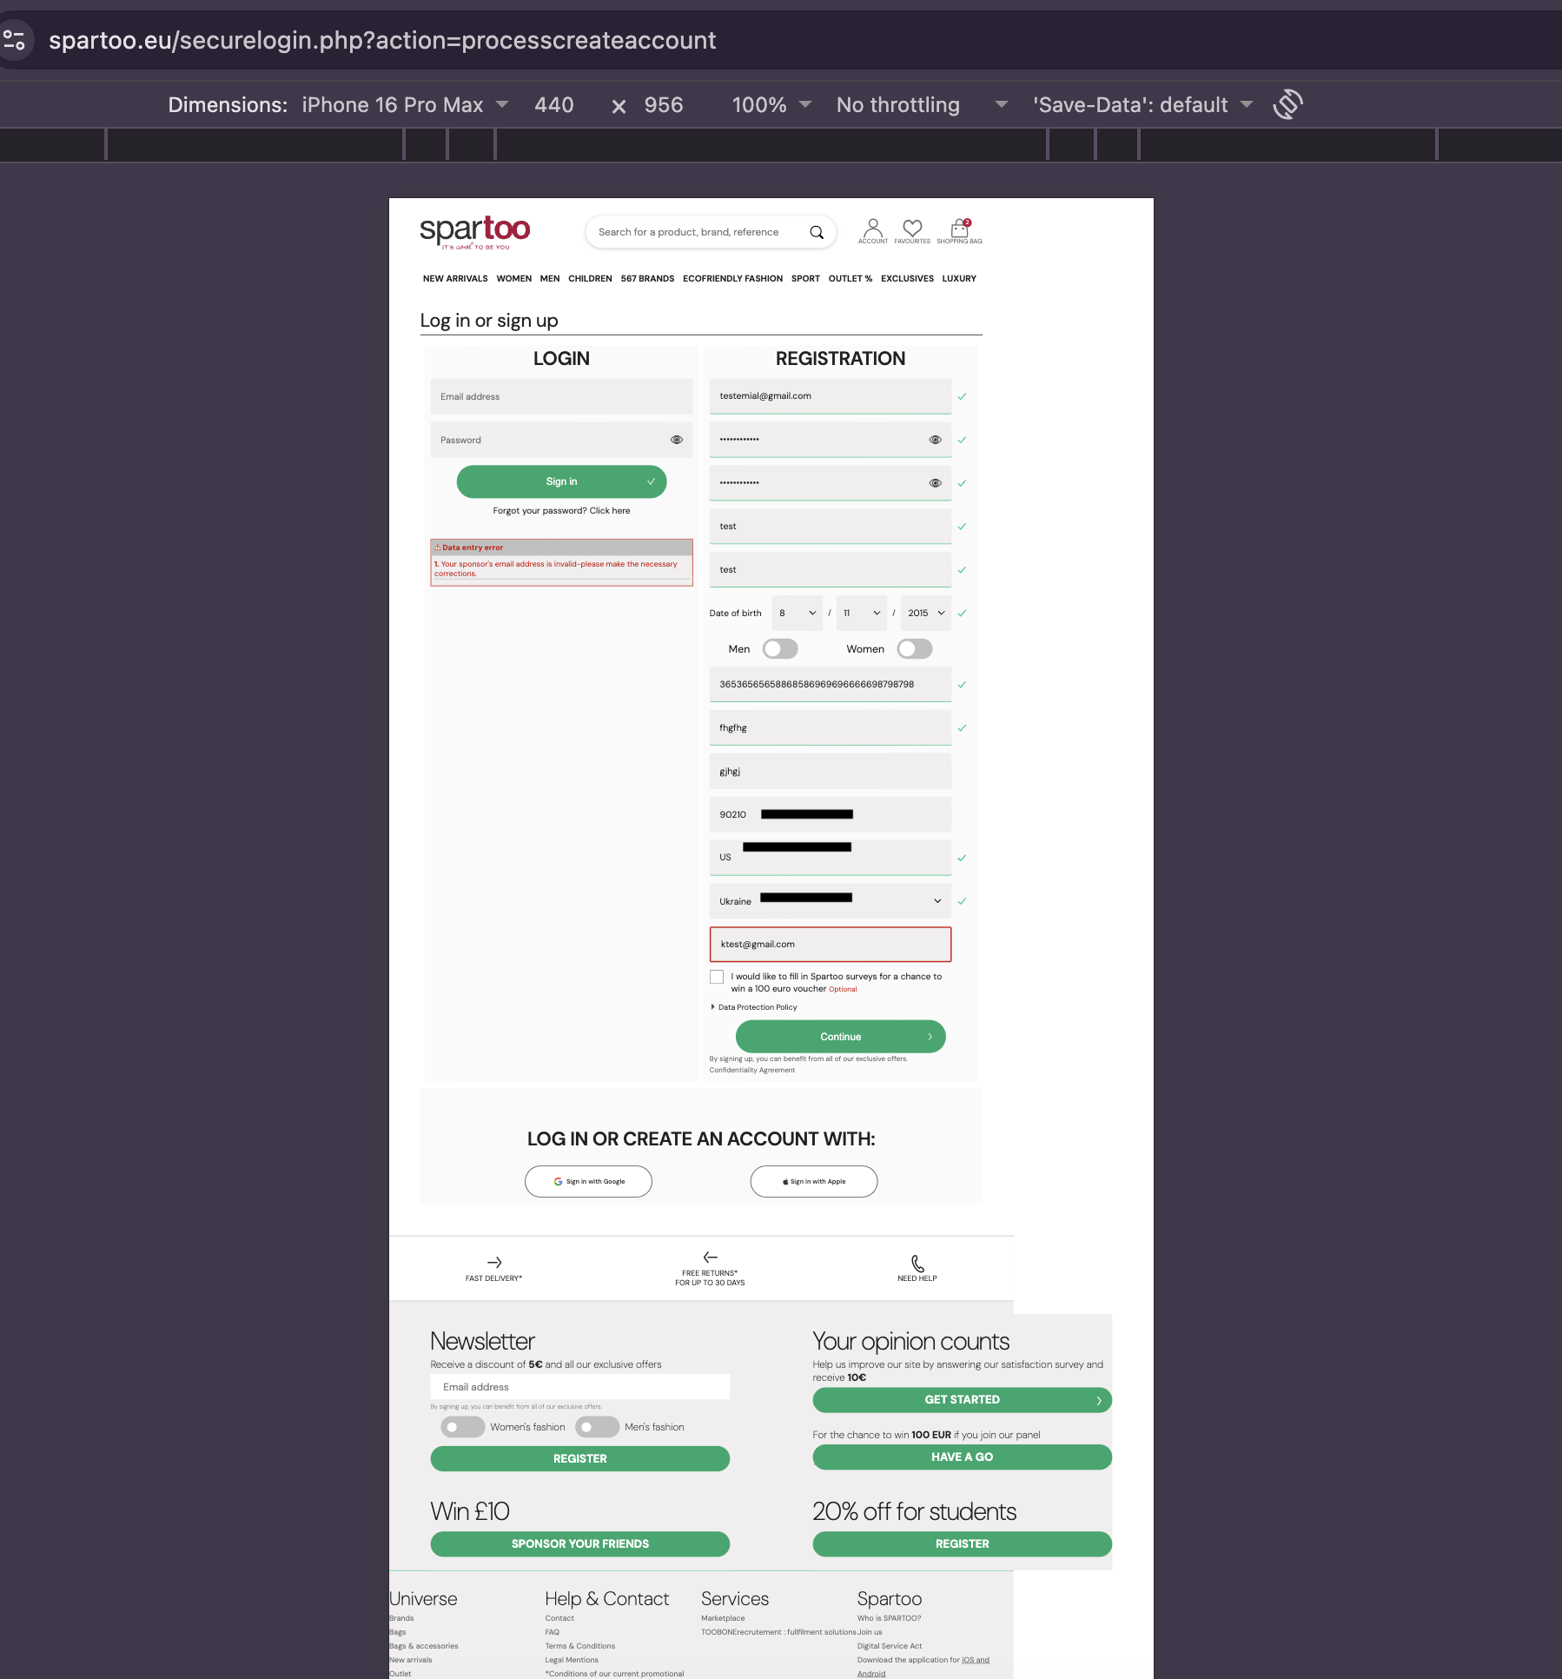
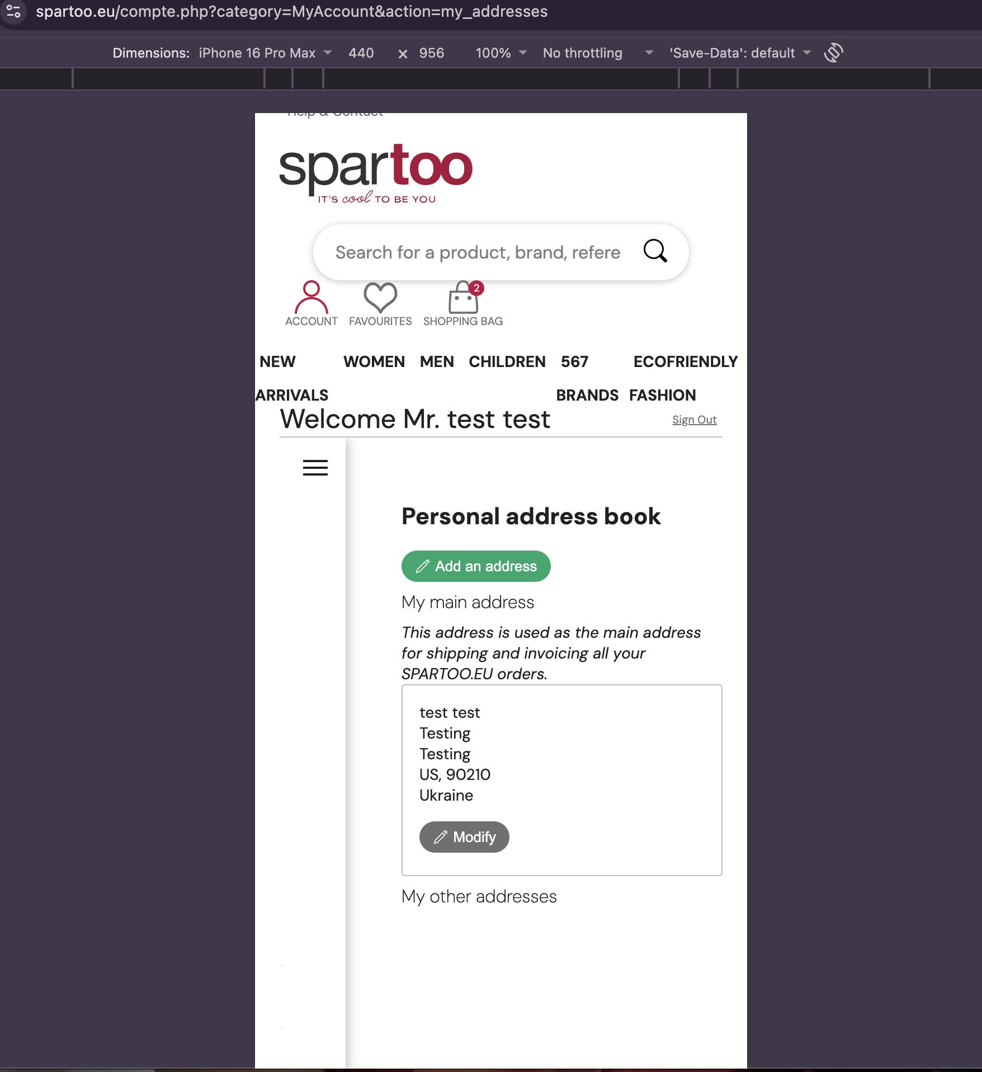
Bug ID | App Name | Device / OS | Priority | Severity | Title | Status
BUG-001 | Spartoo | iPhone 16 Pro Max / iPhone 16 – iOS responsive viewport emulation in Google Chrome | Medium | Medium | Invalid search query displays products instead of no matching results | Reproducible
BUG-002 | Spartoo | iPhone 16 Pro Max – iOS responsive viewport emulation in Google Chrome | Medium | Medium | Telephone field accepts an excessively long numeric value | Reproducible
BUG-003 | Spartoo | iPhone 16 Pro Max – iOS responsive viewport emulation in Google Chrome | Medium | Medium | Address validation accepts an inconsistent country, city and postal-code combination | Reproducible

BUG-001: Random search displays products instead of no results

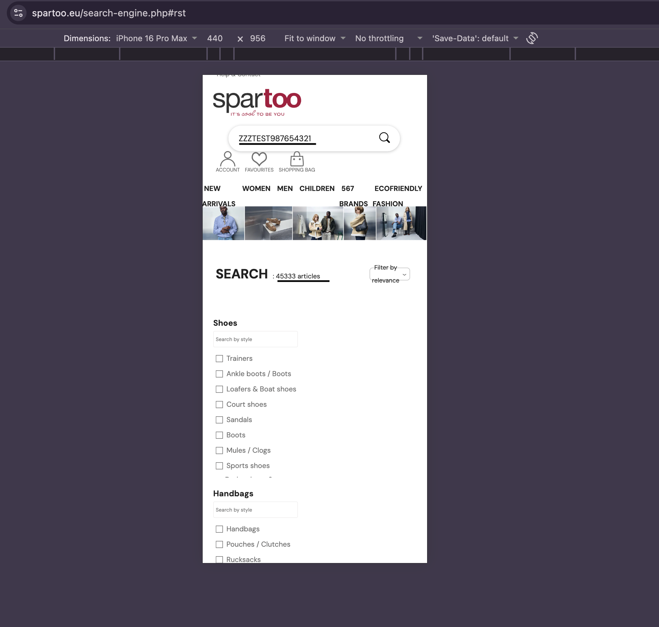
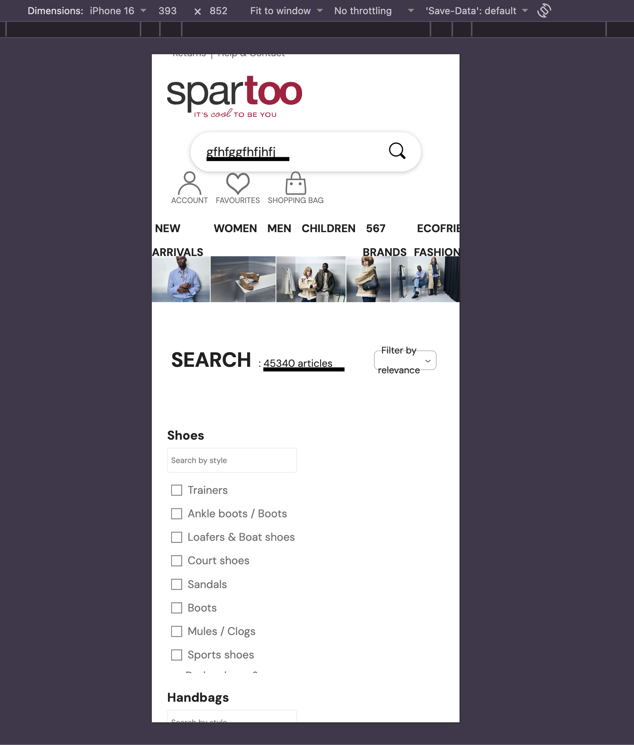

BUG-002: 36536565658868586969696666698798798 accepted as telephone number if the form allowed you to proceed
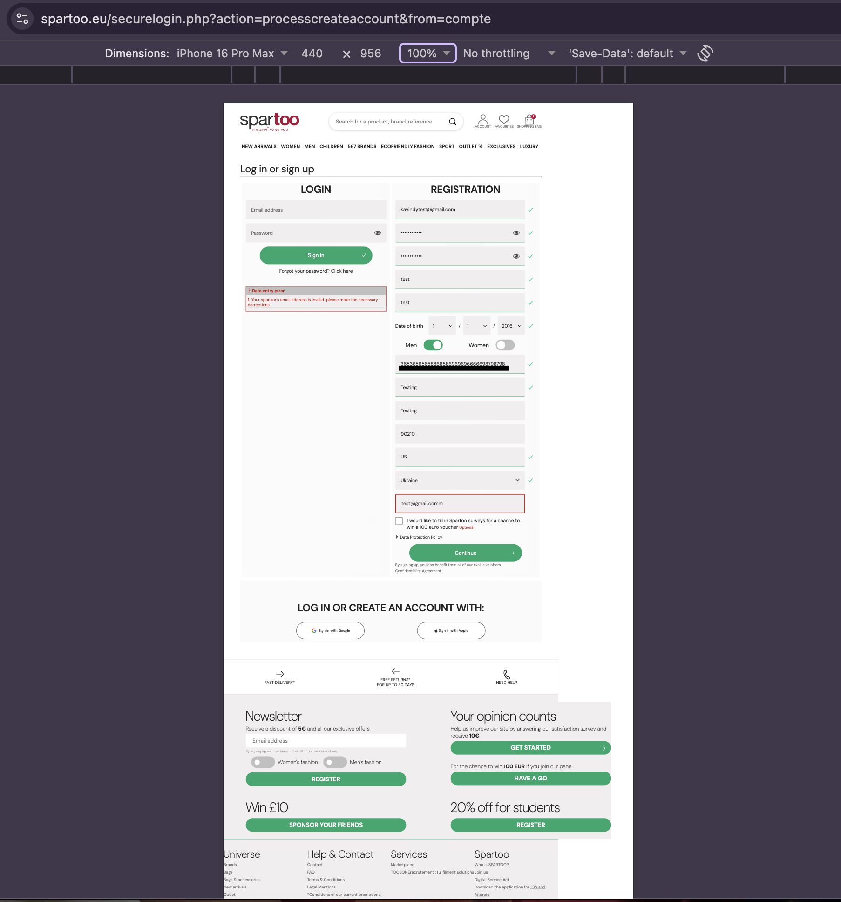

BUG-003: Ukraine + US + 90210 marked valid if you captured the validation result

