Requirements
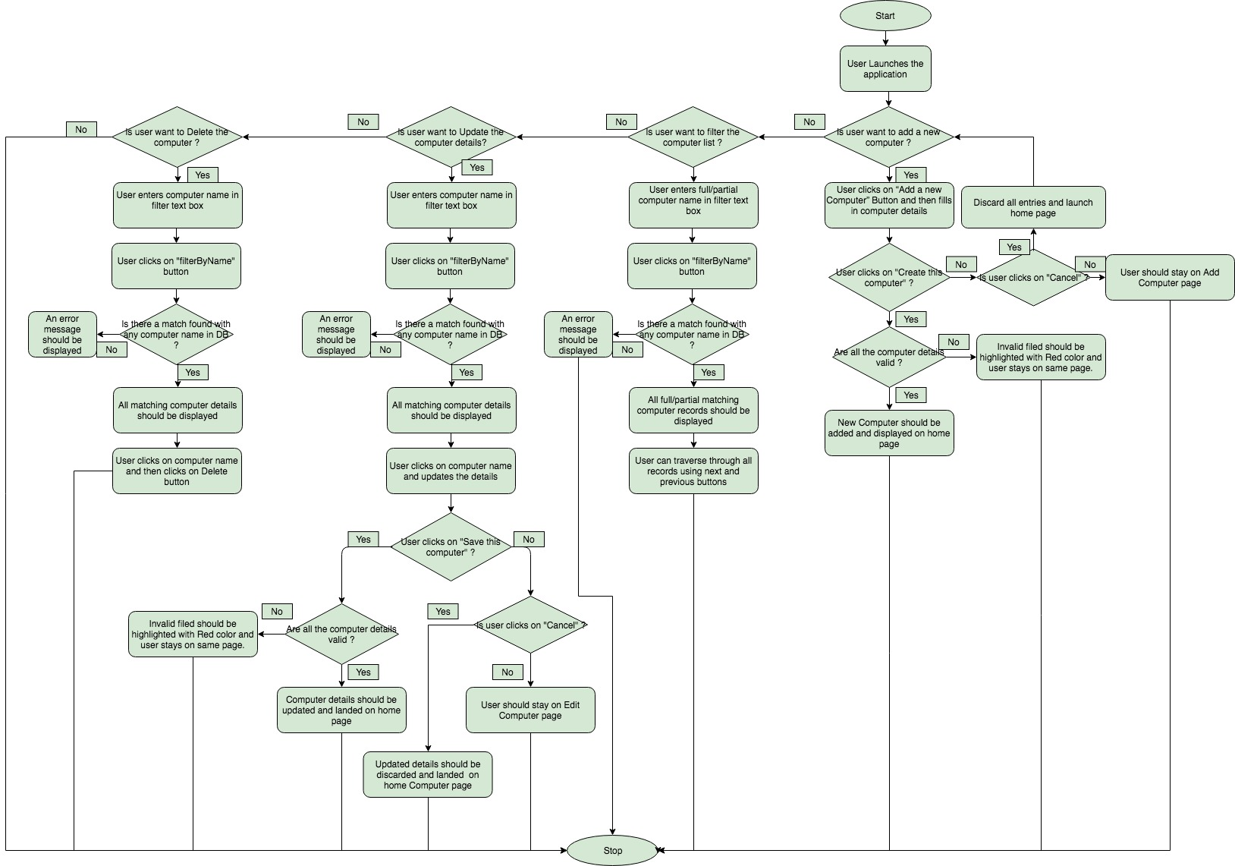
Functional Flow - Computer Database

