Sheet1
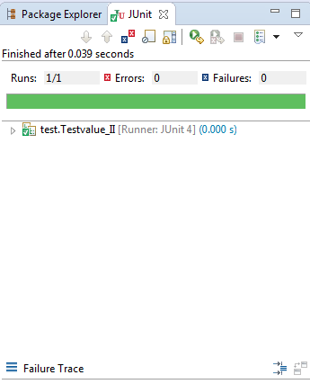
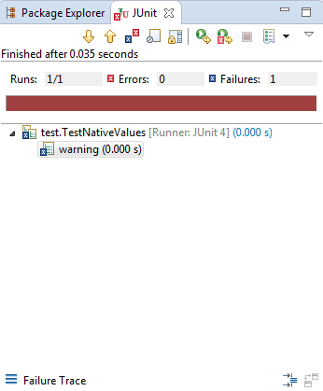
TC_NO | Assessment Name: |  | Validations being tested
 |  |  | Tested with aplhabets | tested for correct Values
 | Unit Test cases | Validation |  |  | Results | Comments
1 | String ValuesCalculator | 1+2+3 |  | X | Pass | output:6
2 | String ValuesCalculator | 2-2+3 |  | X | Pass | output:3
3 | String ValuesCalculator | 2*2 |  | X | Pass | output:4
4 | String ValuesCalculator | Sqrt(4) |  | X | Pass | output:2
5 | String ValuesCalculator | 2+4*sqrt(4)-4 |  | X | Pass | output:6
6 | String ValuesCalculator | 2^2+3*6 |  | X | Pass | output:22
7 | String ValuesCalculator | 1+2+3+2^2 |  | X | Pass | output:10
8 | String ValuesCalculator | Sqrt(4)+3+9 |  | X | Pass | output:14
9 | String ValuesCalculator | 3+5+sqrt(9)+sqrt(25) |  | X | Pass | output:16
10 | String ValuesCalculator | 2^2+3+5+sqrt(9)+sqrt(25) |  | X | Pass | output:20
11 | When alpaphabets and other special characters are entered along with the iput | value = "test+1+2" | X |  | Fail | Invalid Input message will be shown
12 | when the input contain only alphabets | value="test" | X |  | Fail | Invalid Input message will be shown

 | Test case Pass Junit Screenshot | Test case Fail Junit Screenshot

