Navigation
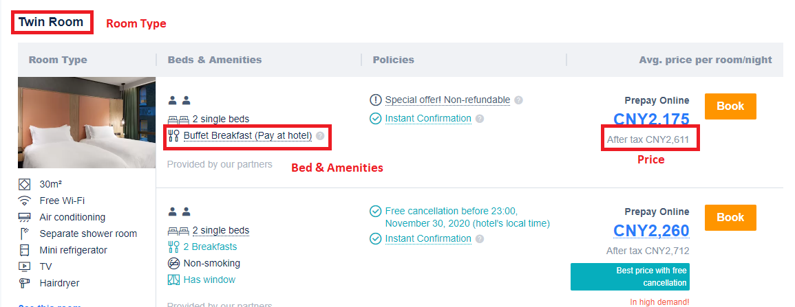
· Candidates are required to setup an automated data harvesting solution for website ‘Trip.com’ using Python. Details for setup of the connector is specified below
o Website: Trip.com
o Destination – Beijing
o Check in date – 18th Nov 2020
o Night – 7
o Rooms: 1
o Adult – 2
o Children - 0
o Data to be captured: Capture data for all hotels listed on Trip.com for destination and the dates specified above. Details to be captured include, Hotel name, Star rating, Room name, Beds & amenities, Average price per room / night
o Report format: Sheet 1
· Application required by candidate: Python 3 latest version, Pycharm community version, Anaconda

Homepage

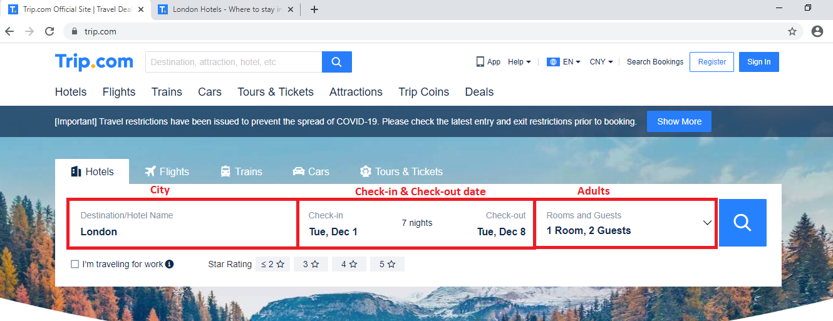

Hotel List Page

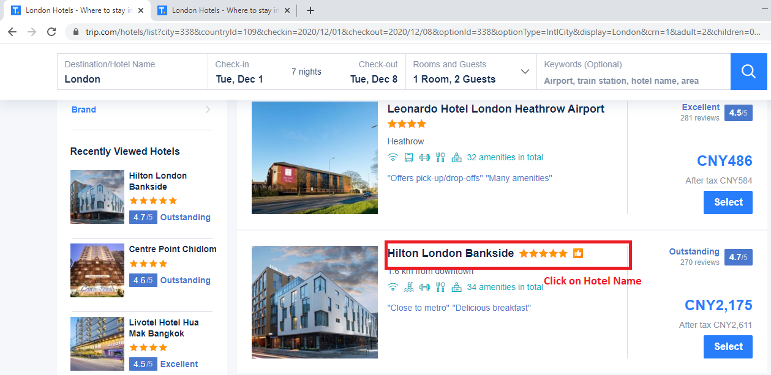

Room List Page

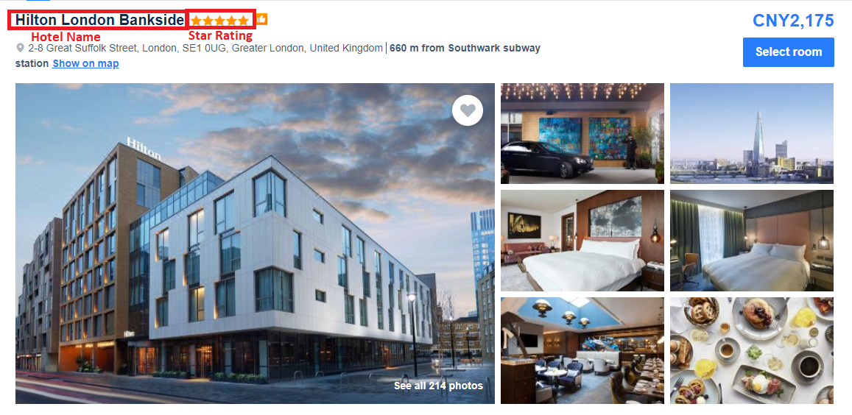

Room List Page

