Sales target
Month of Order Date | Category | Target | MoM % Change
2026-01-19 | Furniture | 11500
2026-02-19 | Furniture | 11600 | 0.87%
2026-03-19 | Furniture | 11800 | 1.72%
2026-04-18 | Furniture | 10400 | -11.86%
2026-05-18 | Furniture | 10500 | 0.96%
2026-06-18 | Furniture | 10600 | 0.95%
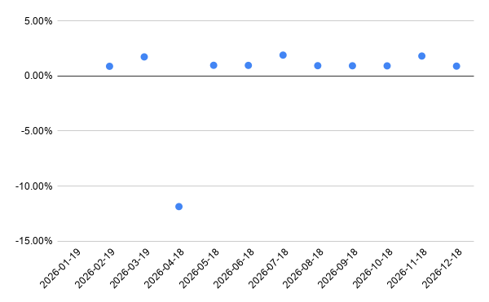
2026-07-18 | Furniture | 10800 | 1.89%
2026-08-18 | Furniture | 10900 | 0.93%
2026-09-18 | Furniture | 11000 | 0.92%
2026-10-18 | Furniture | 11100 | 0.91%
2026-11-18 | Furniture | 11300 | 1.80%
2026-12-18 | Furniture | 11400 | 0.88%

Pivot Table 2
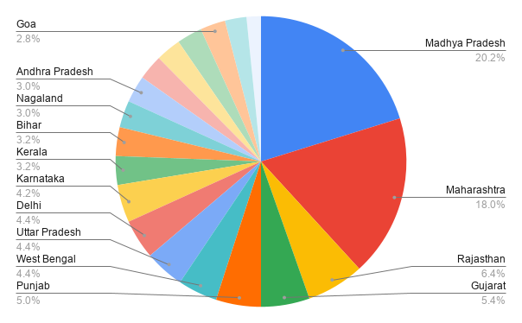
state | Order Count | Total Sales | Total Profit | Average Profit
Madhya Pradesh | 101 | 105140 | 5551 | 54.96
Maharashtra | 90 | 95348 | 6176 | 68.62
Rajasthan | 32 | 21149 | 1257 | 39.28
Gujarat | 27 | 21058 | 465 | 17.22
Punjab | 25 | 16786 | -609 | -24.36
West Bengal | 22 | 14086 | 2500 | 113.64
Uttar Pradesh | 22 | 22359 | 3237 | 147.14
Delhi | 22 | 22531 | 2987 | 135.77
Karnataka | 21 | 15058 | 645 | 30.71
Kerala | 16 | 13459 | 1871 | 116.94
Bihar | 16 | 12943 | -321 | -20.06
Nagaland | 15 | 11903 | 148 | 9.87
Andhra Pradesh | 15 | 13256 | -496 | -33.07
Jammu and Kashmir | 14 | 10829 | 8 | 0.57
Himachal Pradesh | 14 | 8666 | 656 | 46.86
Haryana | 14 | 8863 | 1325 | 94.64
Goa | 14 | 6705 | 370 | 26.43
Sikkim | 12 | 5276 | 401 | 33.42
Tamil Nadu | 8 | 6087 | -2216 | -277.00
Grand Total | 500 | 431502 | 23955 | 47.91

