Elasticsearch
 | Elasticsearch | engine/technology tool that powers application have COMPLEX SEARCH; -- Store, Search and Analyze huge volumn of data quickly and near real-time; |  | Realtime applications : -- Search Product catalog -- search transaction logs --
 |  |  | 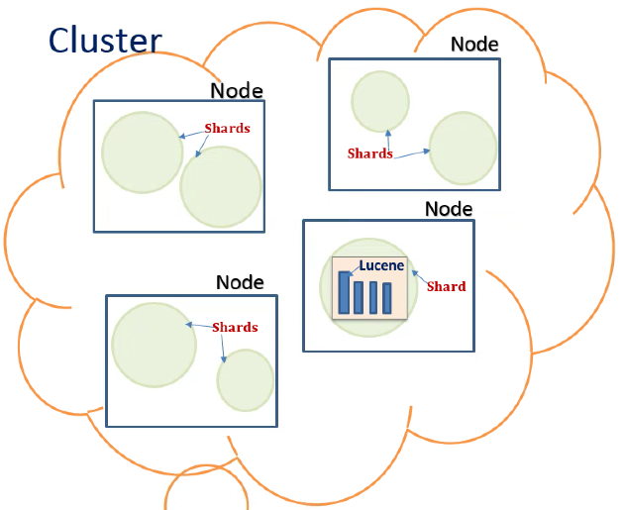 | 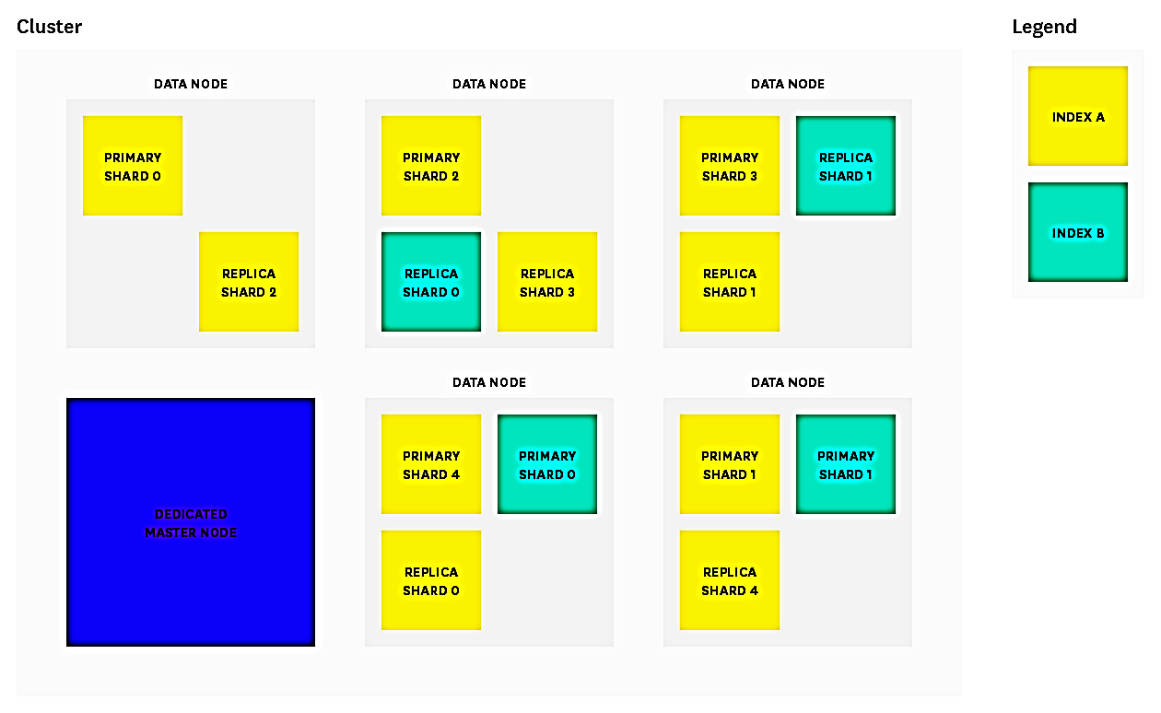
 | Elasticsearch | Search engine (full text) schema free JSON document. Apache issued Open source. -- Scalable -- Real-time search -- |  | Internally uses following Data Structure -- Edit Distance -- Trie
 | Elasticsearch | Elasticsearch built on Lucene
 | shard | ES indexes on two shards are equal with individual shard; -- Partisioning with Date is more recommended because it can be searched only in particular index;
 | ES-Components | -- routing -- query -- filter -- synonym -- analyzer -- mapping -- setting
 | routing | search picks shard randomly (Round robin) and make it co-ordinator with other shards. -- Routing is to hit relevant shard shard and execute query | POST /twitter/tweet?routing=kimchy { "user" : "kimchy", "postDate" : "2009-11-15T14:12:12", "message" : "trying out Elasticsearch" }
 | setting |  | PUT /<index> { "settings": { "index.number_of_shards": 1, "index.number_of_replicas": 0 } }
 | mapping | to specify certain fields to consider as mentioned in mapping properties | -- DELETE index if already exists -- create index PUT /profile -- PUT /profile/_mapping/pers ( properties json) -- POST /profile/pers/_bulk | PUT /profile/_mapping/pers { "properties": { "age": { "type": "long" }, "dob": { "type": "date" }, "city": {…} | POST /profile/pers/gs {"index":{"_id":"1"}} {"fname":"pradhap","lname":"ganesan","city":"tampa","state":"FL","country":"USA","age":34,"dob":"1985-10-10T00:00"} {"index": {"_id":"2"}} {"fname":"vidhaarth","lname":"pradhap","city":"tampa","state":"FL","country":"USA","age":4,"dob":"2014-04-04T17:55"}
 | analyzer | _analyze | 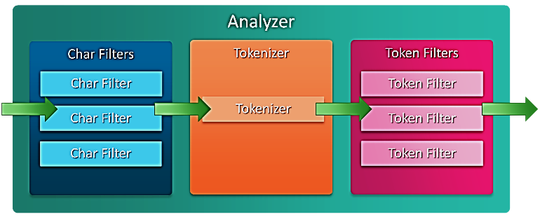
 | Query |  | 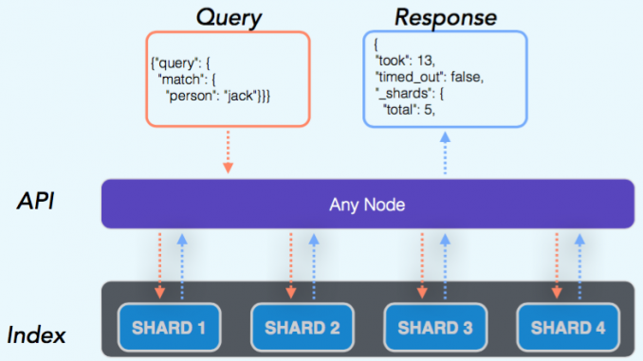

 | Lucene vs ES | -- ES uses type and Lucene does not have one -- ES uses to map JSON doc into flat doc that Lucene expects to receive.
 | Lucene | Full Text Search library -- Lucene contains segments ie mini indices; -- each segment is combinations of DSs (Trie, Stored field, Document value ). -- Internally Lucene has two parts 1) sorted terms 2) each term's document | 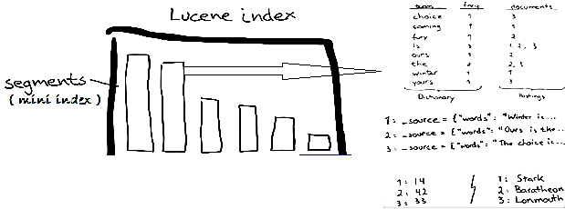 |  | 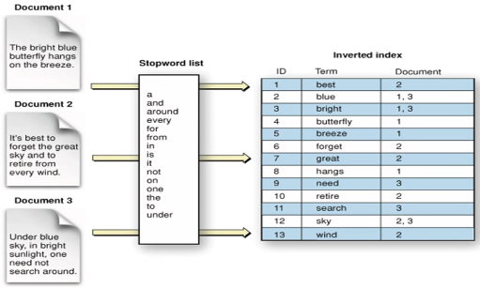
 | Lucene search | when lucene searches it searches all segments and combines into one result | 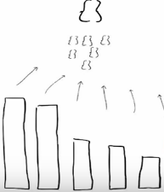
 | Lucene Segments | -- each segment is combinations of DSs (Trie, Stored field, Document value ). -- Lucene segments are immutable; so that it can be cached; multi thread accessible; --
 | Lucene - DS | -- Tries (Dictionary ) -- Stored Fields --------DS is to load/render data blob based on search term; contains key: value pair. -- Document Values (Field cache) -----DS is to read millions of data and apply aggregate sort, avg, sum kind of operations; this loads all index into memory; | 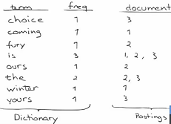 | 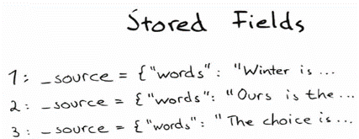 Stored Fields :
 | Lucene - Write | -- New documents are added by create a new segment and merge into existing segment | 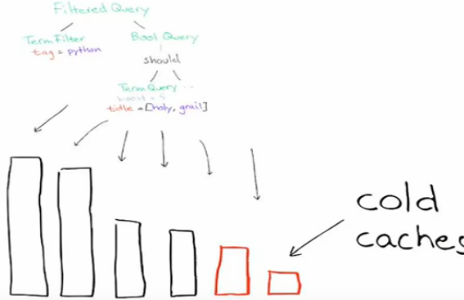

 | Logstash | data-collection and log-parsing engine. -- stream or repo data pulled and pass to Elasticsearch --
 | Kibana | Analytics and visualisation platform.
 | Loader | -- ElasticsearchOperations -- ElasticsearchRepository
 | ElasticConfiguration | Bootstrap ElasticSearch using ElasticsearchTemplate
 | Nodebuilder

 | Features | --
 | Interact - understanding lang | JSON In and Out;
 | Build up on | Java
 | Idea | Clustering architecture ( Parallel / Concurrent ) + Lucene + Shard ( Concept of Divide and Conquer ) + RESTful Architecture ( over HTTP uses JSON )
 | Clustering architecture | Demands / Requires -- routing -- manage Node --
 | update | same as PUT, _update goes with POST

Query | delete index
Query | insert new rec | PUT, POST to insert new record under a index / type
Query | insert PUT |  | PUT /profile/pers/a { "fname": "pradhap", "lname": "ganesan", "city": "tampa", "country": "usa", "zip": "33610" } | { "_index": "profile", "_type": "pers", "_id": "a", "_version": 2, "result": "updated", "_shards": { "total": 2, "successful": 1, "failed": 0 }, "_seq_no": 1, "_primary_term": 1 }
Query | match | match match_phrase -- boost will weight results score | GET /myindex/mytype/_search { "query": { "match":{ "fname": "A" } } } | GET /myindex/mytype/_search { "query": { "match_phrase":{ "fname": { "query": "A", "boost": 3 } } } }
Query | bool | bool will go with must, should, must_not, filter | ..{ "query": { "bool": { "must": [ {"match": …}{..} ] }….
Query | query_string | search across fields. | { "query": { "query_string": { "query": "david" } } } | { "query": { "query_string": { "query": "david", "fields": ["lname"] } } }
Query | range | "gte" - greater than | GET /profile/pers/_search { "query": { "range": { "age": { "gte": 20, "lte": 50 } } } }
Query | filter
Query | highlight | highlight some of elements in search result | …{ "highlight": { "fields": { "fname":{} } } }
Query | fuzziness

sort | sort | get result sorted | … "query":…{ "sort": [ { "fname": "desc" } ,{ "_geo_distance": { "my_location": { "lat": 37.5852155 "lon": -145.245558 } } ] }
aggreg | aggregations | get results with aggregations along with query result | …{ "query": { "match": { "age": 50 } } , "aggregations": { "agelimit": { "range": { "field": "age", "ranges": [ { "key": "0-30", "from": "0", "to": 30 } ,{ "key": "31-50", "from": "31", "to": 50 } ] } } }

In-built | _index | index to which a document belongs.
 | _type | represents a class of similar documents and it has a name such as “customer” or “item.” -- its stored in a metadata field of a document called _type. -- uses a filter on the _type field to restrict the search. -- Lucene does not have type spec in it.
 | _id
 | _version
 | _shards
 | _primary_term
 | _bulk | Insert more documents under an index | POST /myindex/mytype/_bulk | POST /profile/pers/_bulk {"index":{"_id":"1"}} {"fname":"pradhap","lname":"ganesan","city":"tampa","state":"FL","country":"USA","age":34,"dob":"1985-10-10T00:00"} {"index": {"_id":"2"}} {"fname":"vidhaarth","lname":"pradhap","city":"tampa","state":"FL","country":"USA","age":4,"dob":"2014-04-04T17:55"} {"index": {"_id":"3"}} {"fname":"ganesan","lname":"lakshman","city":"gudiyatham","state":"TN","country":"IND","age":64,"dob":"1952-12-10T00:00"}
 | _search | search or query | GET /myindex/mytype/_search
 | _score | ES gives score for query results
 | _mapping | instruct ES to treat some of fields/elements specified in mapping | GET /profile/_mapping/pers
 | _analyze | analyzer : simple; standard; | GET /profile/_analyze | GET /profile/_analyze { "tokenizer": "standard", "filter": ["unique"], "text": "rule is a rule" } ==> { "tokens": [ { "token": "rule", "start_offset": 0, "end_offset": 4, "type": "<ALPHANUM>", "position": 0 }, { "token": "is", "start_offset": 5, "end_offset": 7, "type": "<ALPHANUM>", "position": 1 }, { "token": "a", "start_offset": 8, "end_offset": 9, "type": "<ALPHANUM>", "position": 2 } ] }
 | _update | update existing document, add a new field or modify existing value; | POST /profile/pers/2/_update | POST /profile/pers/2/_update { "doc": { "isMinor":true } } ====> { "_index": "profile", "_type": "pers", "_id": "2", "_version": 2, "result": "updated", "_shards": { "total": 2, "successful": 1, "failed": 0 }, "_seq_no": 1, "_primary_term": 1 }

Es-Imgs
Shards/Relicas | 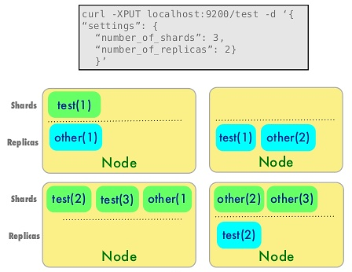 | 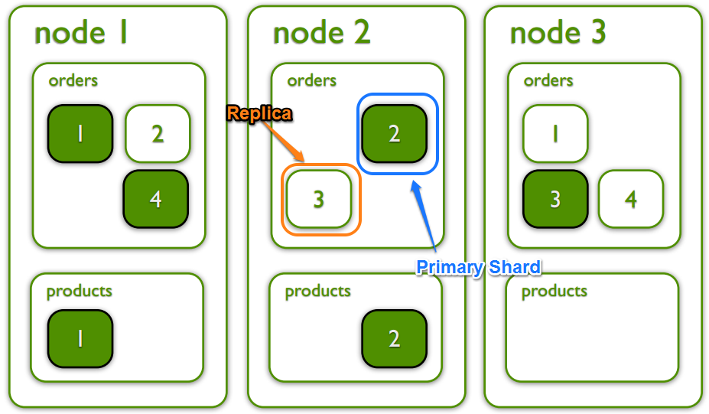

Cluster / Node | 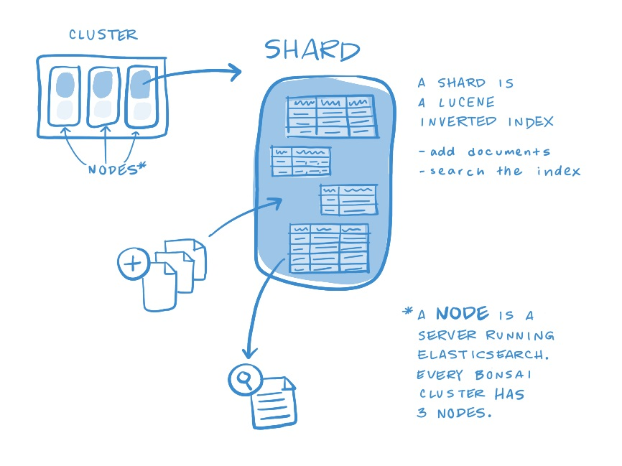 | 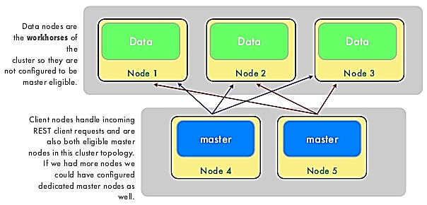

Lucene |  | 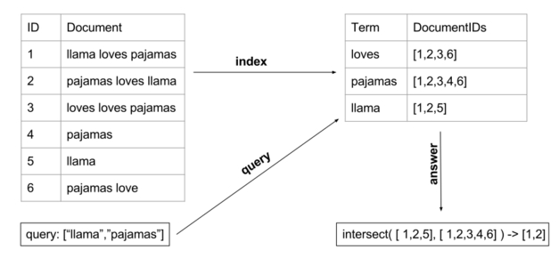

Analyzer | 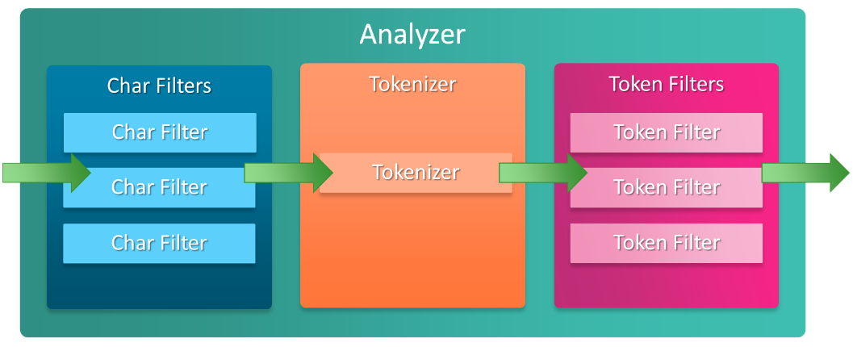
Tokenizer

Flow

Architecture | 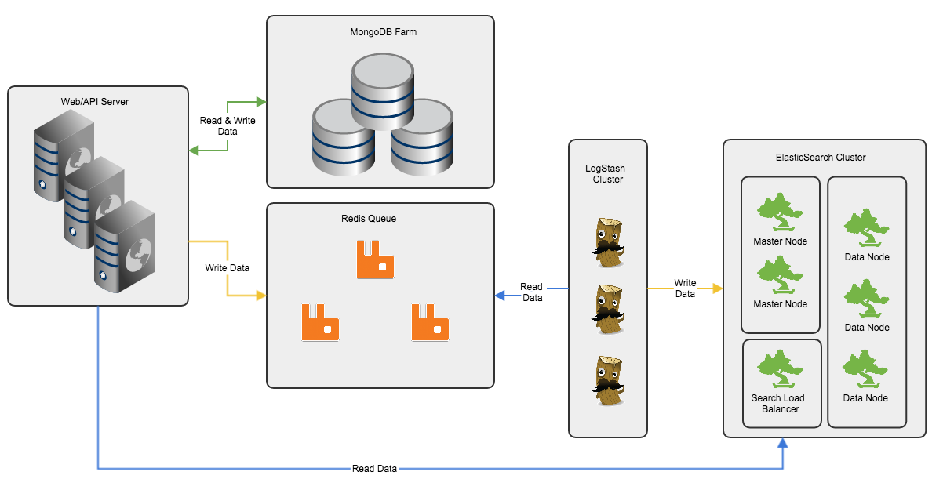 |  | 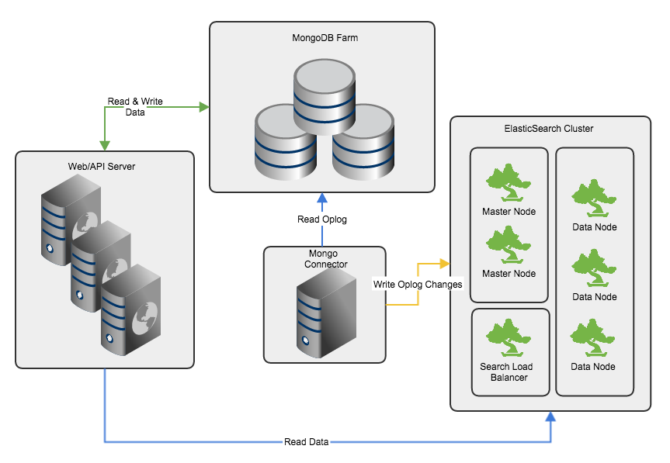

Logstash
Logstash | feeds data to Elasticsearch -- streaming ETL engine for Esearch -- monitor and manage pipeline data in Kabana.
sources |  | 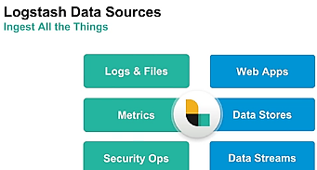 Data sources: -- Files / Logs -- Web apps -- Data Stores -- Data Stream -- Metrics -- Security Ops | 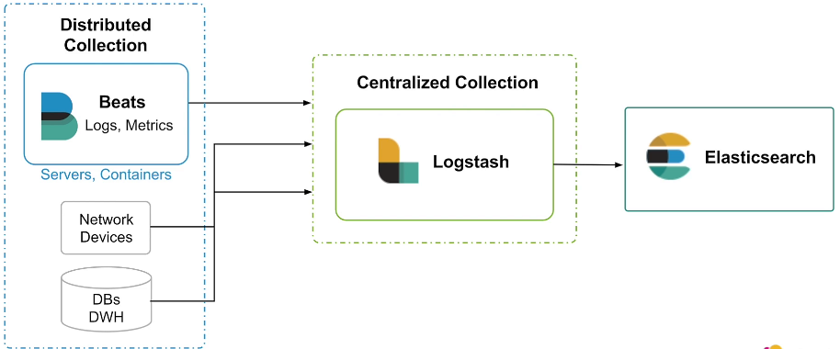 | 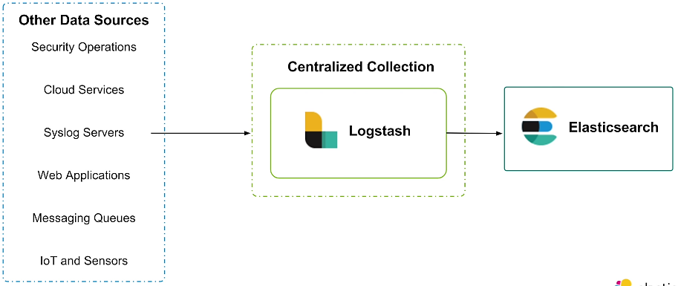
Flow |  | 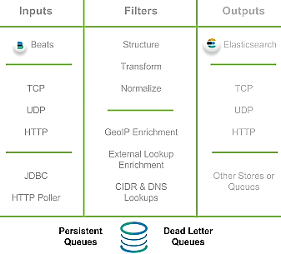 |  | # parts of your configuration. input { … } filter { … } output { … }
Flow | -- Inputs : unit of data goes in as EVENTs -- QUEUEs are between Input and Filter, which requries for resilient (store it to withstand exception situation) ----- InMemory ( Not Resilient) ----- Persistent Queue | 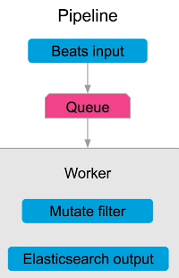 | 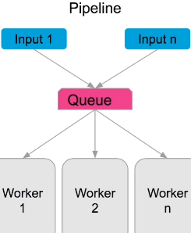
Feature | > At Least Once Delivery : Contract ensure the msg delivered atleast once. > Dead Letter Queue : stores msg ie undeliverable/unprocessed; some situation input, filter and output never happen for a pipeline to yields other processes, Dead Letter Queue keep such Pipeline in its storage
LS-file |  |  |  | input { file { path => "/var/log/messages" type => "syslog" } file { path => "/var/log/apache/access.log" type => "apache" } }
LS-Uri |  |  |  | path => [ "/var/log/messages", "/var/log/*.log" ] uris => [ "http://elastic.co", "http://example.net" ]
sytax | auto reload config | ...bin/logstash –f apache.config --config.reload.automatic |  | > logstash -f xyz.conf --config.test_and_exit // validate config > logstash -f xyz.conf //to run conf
Input | takes almost any statick or stream of inputs. Input is Extract step in ETL. | json, file, xml, csv jdbc, http, websocket, kafka
Filter | Filter is Transform in ETL. It capable of following task: Parse, Transform, Filter | grok (RegEx on steroid) RegEx, Date, mutate, split, multiline, ruby, checksum
Output | Output is Load step in ETL. Capable of transform any data into outputter. | Elasticsearch Email, Http, Websocket stdout
Filter | grok | pull structured fields from logs. Uses RegExp to extract matching data. | %{ PATTERN : fieldName : fieldType } Ex: %{NUMBER: statusCode : long}
Filter | Mutate
Filter | Date : parsing dates from fields, then use the date logstash timestamp for the event. When pattern matches then it will be converted to Date Type. | date { match => ["Date", "dd/MM/yy"] target => "Date" } | date { match => ["timestamp", "dd/MM/YYYY:HH:mm:ss Z" } | date { timezone => "America/Los_Angeles" } -- input log if it needs to be considered with timezone. | date { local => "en" } -- to convert and use destination locale.
Filter | geoip | ip based geo identification
Filter | useragent | plugin to provide details on browser version and other details on requster. | filter { useragent { source => Mozilla… field input… result prefix.. } | useragent { source => "agent" target => "useragent" }
Plugin |  |  | ..bin>logstash-plugin install --no-verify --local --version 5.3.0 'logstash-output-jdbc'
Plugin |  |  | ..bin>logstash-plugin install --no-verify --local file:///C:/Users/pg38446/Downloads/logstash-output-jdbc.zip
Output |  |  | output { jdbc { connection_string => "jdbc:oracle:thin:USER/PASS@HOST:PORT:SID" statement => [ "INSERT INTO log (host, timestamp, message) VALUES(?, CAST (? AS timestamp), ?)", "host", "@timestamp", "message" ] } }
Input | JDBC |  | input { jdbc { jdbc_driver_library => "mysql-connector-java-5.1.36-bin.jar" jdbc_driver_class => "com.mysql.jdbc.Driver" jdbc_connection_string => "jdbc:mysql://localhost:3306/mydb" jdbc_user => "mysql" parameters => { "favorite_artist" => "Beethoven" } schedule => "* * * * *" statement => "SELECT * from songs where artist = :favorite_artist" } }

exmp |  |  | 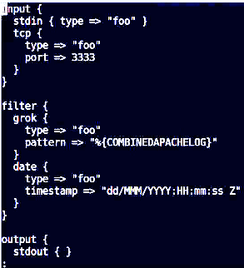
 |  |  | 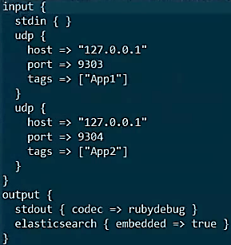 | 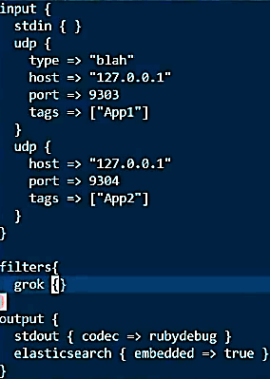 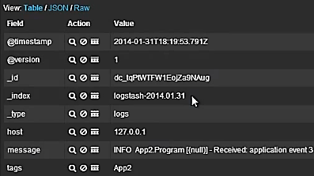

grok | WORD | %{WORD:ClientFundCode} | in: xzy abc out: xyz
grok | GREEDYDATA | %{GREEDYDATA:asItIs} | in: any text # | : as it is out: any text # | : as it is
grok | DATESTAMP
grok | JAVACLASS | %{JAVACLASS:className} | in: com.pg.java.pkg.MyClass out: com.pg.java.pkg.MyClass | WORD outputs: com
grok | NOTSPACE | %{NOTSPACE:wordWithSpls} | in: my-Id is 1211 out: my-Id
 | IPORHOST
 | URIPATH
 | NUMBER
 | SYSLOGTIMESTAMP

