Terms
Producer | --Sender issues Data (Message (array of bytes)); -- Producer is not directly sends data to consumer, instead send to Kafka Server | 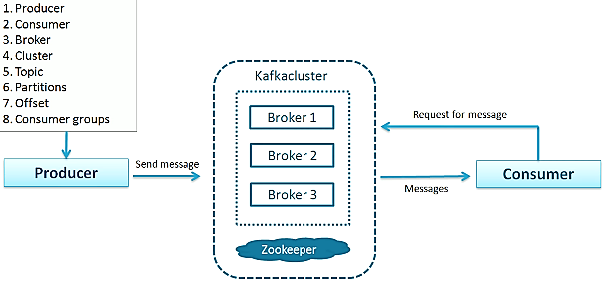
Consumer | -- Receiver consumes Data which was initiated by Producer via Kafka server.
Broker | -- Kafka Server act as a Agent between Producer and Consumer
Topic | a unique identification of a data stream; Many producer may produce to one Topic; Many consumer may be interested in a Topic. | 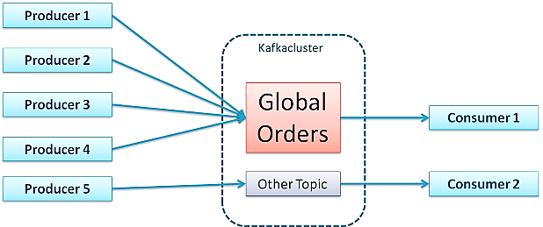
Message | Data (File, Result set etc ) bottom line it’s a array of bytes
Cluster | a unit of a server;
Partitions | -- Divide huge data (Topic) into chunks of data, distribute it into many servers ( Partitions ); -- Split data and store it in partitions and process it all taken care by the product
Offset | a sequential index of a Topic in a Partition; No global Offset across Partitions; To Fetch a unique record : Topic Name -> Partition Num# -> Offset Num#
Consumer Groups | Consumers are Grouped to share the received data among themselves. | 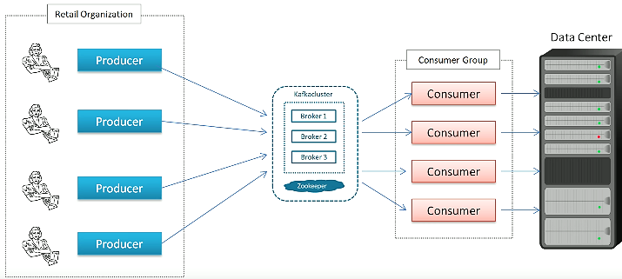
Connectors

