Terms
Producer | --Sender issues Data (Message (array of bytes)); -- Producer is not directly sends data to consumer, instead send to Kafka Server | 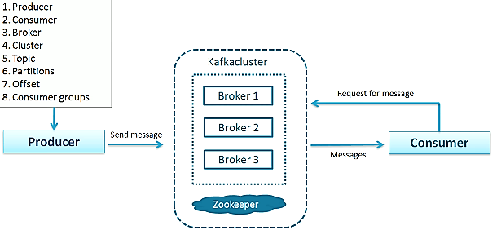
Consumer | -- Receiver consumes Data which was initiated by Producer via Kafka server.
Broker | -- Kafka Server act as a Agent between Producer and Consumer; -- Each Broker runs on own system. --
Topic | a unique identification of a data stream; Many producer may produce to one Topic; Many consumer may be interested in a Topic. | 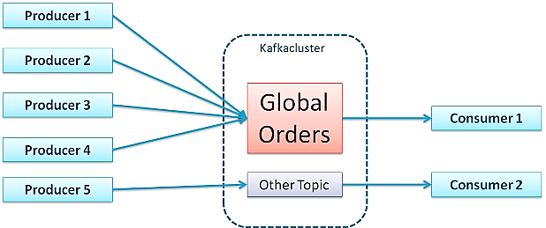
Message | Data (File, Result set etc ) bottom line it’s a array of bytes; -- Message can be key-value pair; key is optional; Hash the key to identify Partition;
Cluster | a unit of a server;
Partitions | -- Divide huge data (Topic) into chunks of data, distribute it into many servers ( Partitions ); -- Split data and store it in partitions and process it all taken care by the product
Offset | a sequential index of a Topic in a Partition; No global Offset across Partitions; To Fetch a unique record : Topic Name -> Partition Num# -> Offset Num#
Consumer Groups | Consumers are Grouped to share the received data among themselves. | 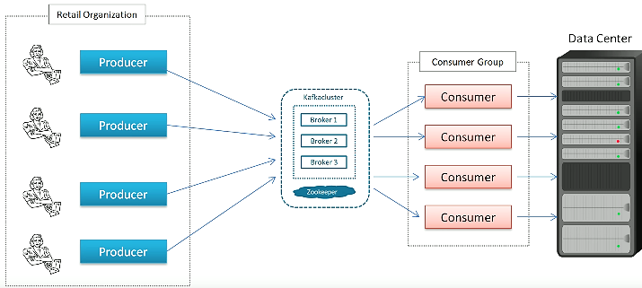
Connectors

Leader | Leader take care all req/res to a Partition. when Kafka is partitioned, Producer/ Consumer point of contact with Leader.
Follower | Copy Data from Leader
Partition Factor | if Partition-Factor is 3 ; (3 Brokers ) -- 1 Leader (Active) -- 2 Followers (Replica copies from Leader ) (Passive) -- 3 Nodes in a Cluster (Ideally One Broker per Computer)

Kafka
Kafka | -- Distributed system -- Scalable and Fault Tolerable Messaging Tool -- Async communication among system/applications | Designed / Aimed For: -- high throughput -- fast performance -- scalability -- high availability. | Usage: -- like ESB Bus, to integrate various systems -- PIPE; series of validation, transformations -- analytics; store records later consume -- various transactions and handle by diff sys.
 | -- PRODUCER : msg published to a TOPIC -- CONSUMER : subscribed to a TOPIC -- MESSAGE : array of bytes (json, strings etc) -- TOPIC : collection of MESSAGES -- KAFKA : CLUSTER of servers called BROKER | 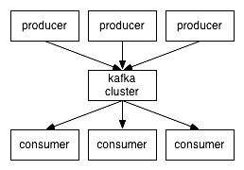 | 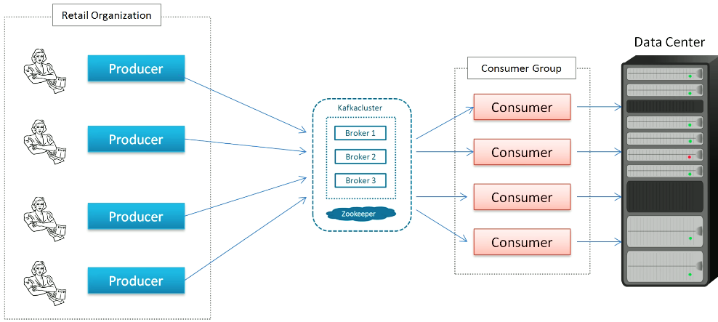
 | Partition is an ordered, Immutable seq of msgs continually appended; Each Partition has one server as a leader, and follower for others; -- Consumer sents offset which is to identify Partition to read from. | 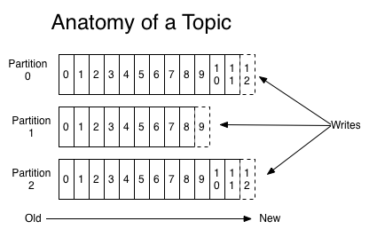
Components | -- Messaging system -- Connectors -- Stream Processing | 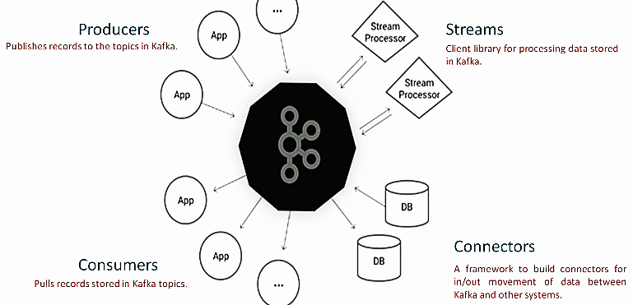
 |  | Messaging system: -- Producer, Message, Topic, Consumer | Connectors: -- Import/Export bulk data to/from DB -- in/out movement of data between kafka and other system. | Stream Processing: -- Flow of data goes in and out of Messaging system. -- client processing data stored in kafka

Zookeeper | -- Apache's Open source server -- enables distributed coordinations -- centralized service for maintain config; distributed synchronization, group services and naming | -- Provides coordination service for distibuted system. Since Kafka is distributed system with multiple brokers - Zookeeper coordination among multiple brokers. | ZooKeeper providing services: -- to create a new topic -- Add a new node or delete old one -- rebalance replicas

Producer | write producer code to send to Kafka. -- Properties are set to config Producer while instantiate ------ BootStrap Server (Broker ip port) ------ In Serializer; Out Serializer | using serializer the message is converted to bytes; msg key hashed and sends the msg to specific Partition # otherwise in round-robin sends to any partitions | 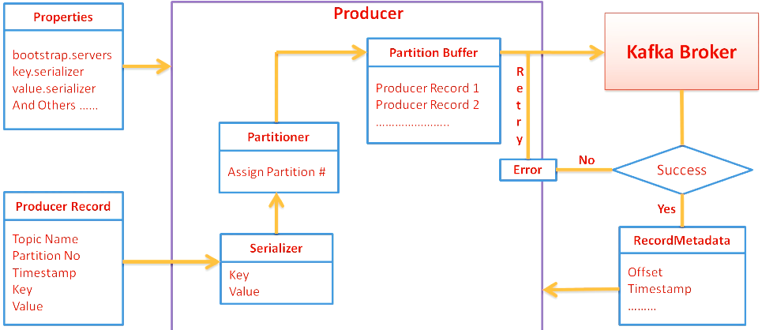 | String topicName = "SimpleProducerTopic"; String key = "Key1"; String value = "Value-1"; Properties props = new Properties(); props.put("bootstrap.servers", "localhost:9092,localhost:9093"); props.put("key.serializer", "org.apache.kafka.common.serialization.StringSerializer"); props.put("value.serializer", "org.apache.kafka.common.serialization.StringSerializer"); Producer<String, String> producer = new KafkaProducer <>(props); ProducerRecord<String, String> record = new ProducerRecord<>(topicName,key,value); producer.send(record);
Producer Record | -- Topic -- Partition No -- key -- Value -- Timestamp
Communication mode | -- Fire and Forget (Msg could be lost) -- Synchronous (wait for resp ) -- Asynchronos ( callBack() )

