PY-String
String | format |  | 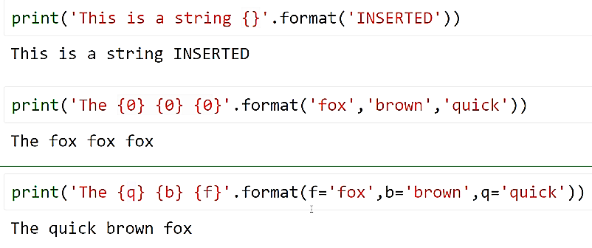
String | format | float number with precision
String | format
String | enumerate | transform a String to tuple ( Index and char ) | for i,c in enumerate('ab'): print(i,c) 0 a 1 b

