Storm
Apache - STORM | -- Distributed / Fault Tolerance / Reliable -- Real Time -- Streaming -- Computation/Processing System |  | 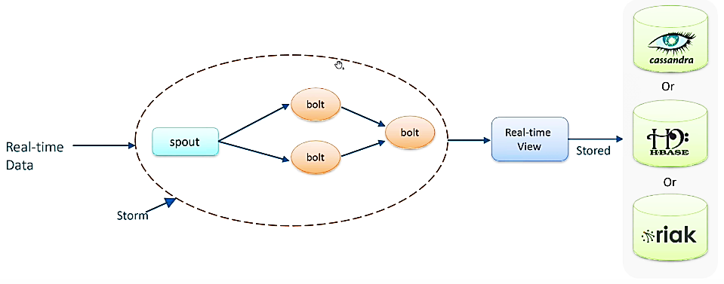
Usage | -- Stream of data processing -- Continuous Computation -- Parallelize Computation |  | Realtime Application: (.)Pricing (.)Order Routing (.)Offers (.)Personalized Content (.)Compliance Violation (.) Security Breaches

COMPONENTS
Nimbus | Job Taker Distributor Monitor |  |  | 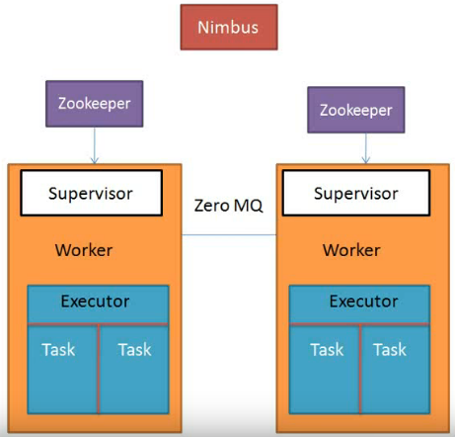
Zookeeper | Co-ordinator -- Consists Meta data of Clustor -- Mediator between Nimbus and Supervisor
Supervisor | Task Distributor Sends Hearbeat to Nimbus
Zero MQ | Messaging queue to communicate between supervisors running on different machines
Topology | Combined network of Spout, Bolt, Tuple and Stream
Worker
Executor | -- An Interface accepts Task to execute
Task
Spout | -- Source of data -- Emit Tuple -- connects to external system, and collect data (Tuple) to pass on to Bolt |  |  | 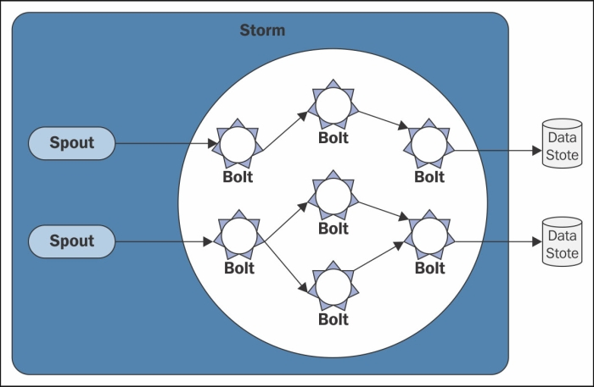 | 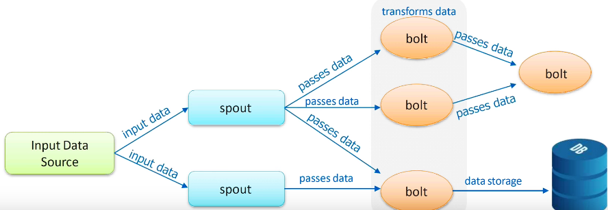 | 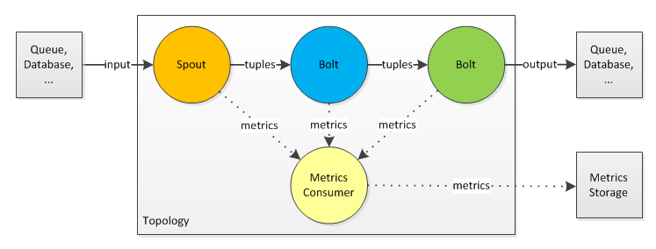
Bolt | -- Unit of Computation/business logic -- Optionally Emit Tuple -- Aggregate -- Filter -- Join -- Connect to Storage
Tuple | -- Container of msg/data sent between component/spout/bolt -- Ordered List of Elements
Stream | -- Unbounded sequence of Tuple

Running Mode |  | -- Local Mode for Development -- Remote Mode for distributed across nodes in cluster

Storm-Arch
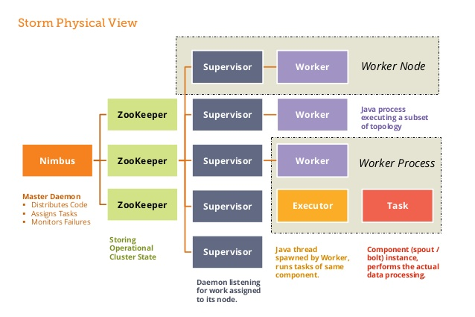 | 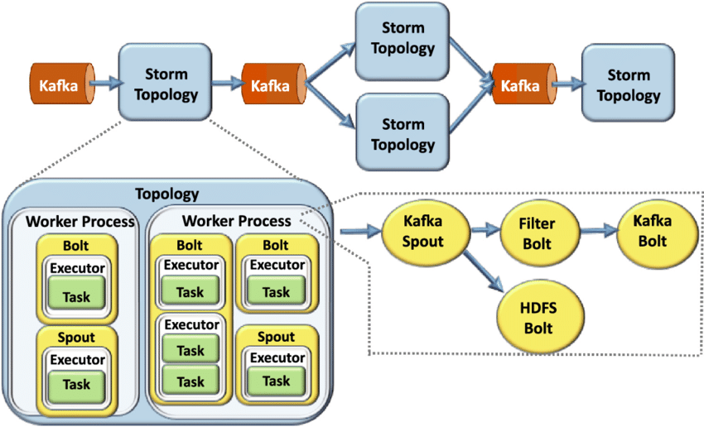 | 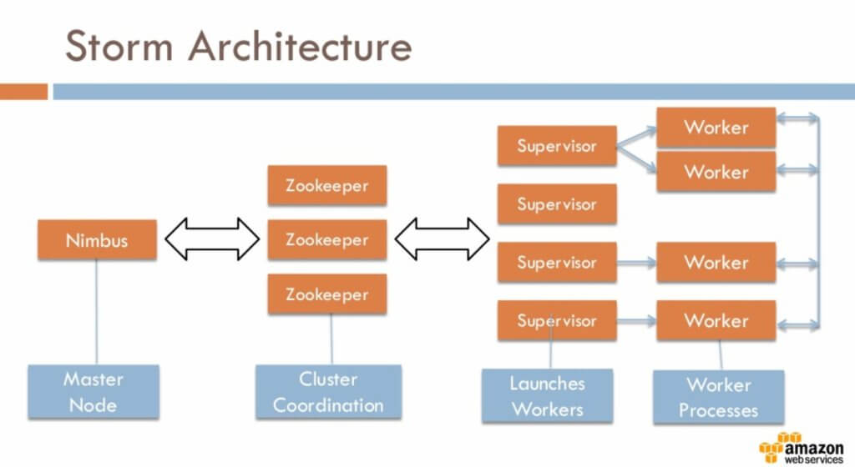
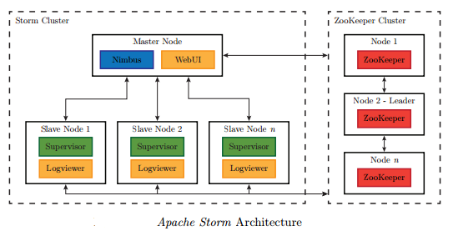 | 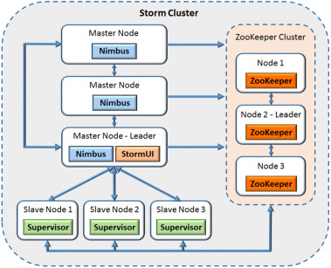

Storm vs Kafka
Storm vs Kafka | Storm | Kafka
 | Distributed Computation / Processing Data | Distributed Messaging -- Reliable Transfer data Producers to Consumers
 | Stream and real-time data computation system. NOT a Batch Process (Hadoop); NOT a Micro Batch Process (Spark)
 |  | Message Broker

 | 