Design Pattern
Name of the Pattern | Pattern type | Description | Problem | Advantage | Disadvantage | Example | Remark | Example2 | Compare | Reference
Behavioral Pattern | Behavioral Pattern | coordinates functional interaction between objects How object interact and distribute functionality. Distribution of responsibility between classes. | ·Chain of responsibility Command objects are handled or passed on to other objects by logic-containing processing objects ·Command Command objects encapsulate an action and its parameters ·Interpreter Implement a specialized computer language to rapidly solve a specific set of problems ·Iterator Iterators are used to access the elements of an aggregate object sequentially without exposing its underlying representation ·Mediator Provides a unified interface to a set of interfaces in a subsystem | ·Memento Provides the ability to restore an object to its previous state (rollback) ·Observer aka Publish/Subscribe or Event Listener. Objects register to observe an event that may be raised by another object -Reactor ·State A clean way for an object to partially change its type at runtime ·Strategy Algorithms can be selected on the fly ·Template method Describes the program skeleton of a program ·Visitor A way to separate an algorithm from an object
Creational Pattern | Creational Pattern | Provides more robust ways to create Objects. | ·Abstract factory provides an interface for creating related or dependent objects without specifying the objects' concrete classes. ·Builder separates the construction of a complex object from its representation so that the same construction process can create different representation. ·Factory method allows a class to defer instantiation to subclasses | ·Prototype specifies the kind of object to create using a prototypical instance, and creates new objects by cloning this prototype ·Singleton which ensures that a class only has one instance, and provides a global point of access to it. ·Object pool offer a mechanism to reuse objects that are expensive to create
Structural Pattern | Structural Pattern | Describe how objects are wired together. Manage static, structual relationships between objects | ·Adapter 'adapts' one interface for a class into one that a client expects ·Bridge decouple an abstraction from its implementation so that the two can vary independently ·Composite a tree structure of objects where every object has the same interface ·Decorator add additional functionality to a class at runtime where subclassing would result in an exponential rise of new classes | ·Facade create a simplified interface of an existing interface to ease usage for common tasks ·Flyweight high quantity of objects share a common properties object to save space ·Proxy a class functioning as an interface to another thing
System Pattern | System Pattern | Manage system level interactions. System Pattern embrace your application at its most abstract, architectural level. It can apply major processes within an application or b/w applications. | MVC: to divide a component into three logical parts model, view and controller. Session: To provide a way for servers in distributed systems to distinguish amoung clients, allowing applications to associate state with the client-server communication. Worker Thread: To improve throughput and minimize average latency. Callback: To allow a client to register with a server for extended operations. This enables the server to notify the client when the operation has been completed. | Successive Update: To provide a way for clients to receive updates from a server on an ongoing basis. The update generally reflect a change in server data, a new or updated resource, or a change in the state of the business model. Router: To decouple multiple sources of information from the targets of that information. Transaction: to group a collection of methods so that they either all succeed or they all fail collectively.
J2EE Patterns | Core J2EE Patterns |  | Presentation Tier Intercepting Filter Context Object Front Controller Application Controller View Helper Composite View Dispatcher View Service To Worker | Business Tier Business Delegate Service Locator Session Facade Application Service Business Object | Composite Entity Transfer/Value Object T O Assembler Value List Handler Integration Tier Data Access Object Service Activator Domain Store Web Service Broker | VIEW J2EE PATTERN CATALOG
Application Architecture Patterns |  | To layer an enterprise application.
Integration Pattern
Web Service Pattern
DataBase Design Pattern
UI Patterns
REFACTORING
ANTI Pattern
Chain Of Responsibility | Behavioral Pattern | The vending machine coin slot: rather than having a slot for each type of coin, the machine has only one slot for all of them. The dropped coin is routed to the appropriate storage place that is determined by the receiver of the command. Similarly the request is sent from one object to another making them parts of a chain and each object in this chain can handle the command, pass it on or do both. the Client in need of a request to be handled sends it to the chain of handlers, which are classes that extend the Handler class. Each of the handlers in the chain takes its turn at trying to handle the request it receives from the client. If ConcreteHandler_i can handle it, then the request is handled, if not it is sent to the handler ConcreteHandler_i+1, the next one in the chain | it often happens that the event generated by one object needs to be handled by another one. And, to make our work even harder, we also happen to be denied access to the object which needs to handle the event. In this case there are two possibilities: there is the beginner/lazy approach of making everything public, creating reference to every object and continuing from there and then there is the expert approach of using the Chain of Responsibility. | It avoids attaching the sender of a request to its receiver, giving this way other objects the possibility of handling the request too. The objects become parts of a chain and the request is sent from one object to another across the chain until one of the objects will handle it |  | package dp.behavioralP; public class ChainOfResponsibility { public static void main(String[] args) { // Setup Chain of Responsibility Handler h1 = new ConcreteHandlerOne(); Handler h2 = new ConcreteHandlerTwo(); Handler h3 = new ConcreteHandlerThree(); h1.setSuccessor(h2); h2.setSuccessor(h3); // Send requests to the chain h1.handleRequest(new Request("Negative Value ", -1)); h1.handleRequest(new Request("Negative Value ", 0)); h1.handleRequest(new Request("Negative Value ", 1)); h1.handleRequest(new Request("Negative Value ", 2)); h1.handleRequest(new Request("Negative Value ", -5)); } } class Request { private int m_value; private String m_description; public Request(String description, int value) { m_description = description; m_value = value; } public int getValue() { return m_value; } public String getDescription() { return m_description; } } abstract class Handler { protected Handler m_successor; public void setSuccessor(Handler successor) { m_successor = successor; } protected abstract boolean handleRequestImpl(Request request); public final void handleRequest(Request request) { boolean handledByThisNode = this.handleRequestImpl(request); if (m_successor != null && !handledByThisNode) { m_successor.handleRequest(request); } } } class ConcreteHandlerOne extends Handler { public boolean handleRequestImpl(Request request) { if (request.getValue() < 0) { // if request is eligible handle it System.out .println("Negative values are handled by ConcreteHandlerOne:"); System.out.println("\tConcreteHandlerOne.HandleRequest : " + request.getDescription() + request.getValue()); return true; } else { return false; } } } class ConcreteHandlerThree extends Handler { public boolean handleRequestImpl(Request request) { if (request.getValue() >= 0) { // if request is eligible handle it System.o |  | Object Ref Link'!C2
Reactor | Behavioral Pattern | -Publishers and subscribers type of pattern. -Multiple Publishers with Multiple subscribers. -Many to Many relationship between subject and listeners |  | One object (publisher) changes its state, all its dependents (subscribers) are notified and updated correspondingly. |  |  | The Reactor pattern is related to the Observer pattern [5], where all dependents are informed when a single subject changes. In the Reactor pattern, a single handler is informed when an event of interest to the handler occurs on a source of events. The Reactor pattern is generally used to demultiplex events from multiple sources to their associated event handlers, whereas an Observer is often associated with only a single source of events. | The Reactor pattern is related to the Chain of Responsibility (CoR) pattern [5], where a request is delegated to the responsible service provider. The Reactor pattern differs from the CoR pattern since the Reactor associates a specific Event Handler with a particular source of events, whereas the CoR pattern searches the chain to locate the first matching Event Handler. | The Reactor pattern can be considered a synchronous variant of the asynchronous Proactor pattern [18]. The Proactor supports the demultiplexing and dispatching of multiple event handlers that are triggered by the completion of asynchronous events. In contrast, the Reactor pattern is responsible for demultiplexing and dispatching of multiple event handlers that are triggered when it is possible to initiate an operation synchronously without blocking. | The Active Object pattern [17] decouples method execution frommethod invocation to simplify synchronized access to a shared resource by methods invoked in different threads of control. The Reactor pattern is often used in place of the Active Object pattern when threads are not available or when the overhead and complexity of threading is undesirable. An implementation of the Reactor pattern provides a Facade [5] for event demultiplexing. A Facade is an interface that shields applications from complex object relationships within a subsystem.
Command | Behavioral Pattern | Encapsulate a request as an object, thereby letting you parameterize clients with different requests, queue or log requests and support undoable operations The client should be simple despite the complexity of having a large number of different actions that are requested. The client does not need to know the mechanics of handling a specific request. This keeps the client less brittle. heme of separating execution of a command from its invoker. Different variations were mentioned, like being able to undo the execution of commands, and executing commands in batch | The command pattern can be useful when the class making a request should be separated from how that request is executed. This separation is often desirable when there are many different actions that the client class can request. | Reduces complexity of decision logic. Provides easy extensibility. Can readily provide undo operations. Can place multiple commands on a queue for asynchronous processing. Can execute commands in separate threads or on remote computers. | design pattern in which the invoker is aware of the concrete commands classes. This is wrong making the implementation more tightly coupled. Might create significant overhead in object creation, destruction, and use. Makes the structure of an application more complex -- too complex for simple applications with a stable set of request types | Some systems might require the ability: Keep a history of actions performed, and to undo and redo previously executed actions. Execute commands asynchronously, remotely, or in a different thread | 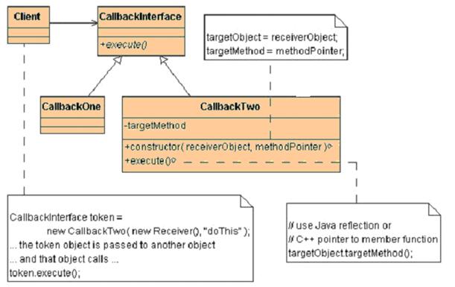 | Object Ref Link'!C3
Interpreter | Behavioral Pattern | specifies how to evaluate sentences in a language. The basic idea is to have a class for each symbol in a specialized computer language. The syntax tree of a sentence in the language is an instance of the composite pattern and is used to evaluate (interpret) the sentence. |  | Specialized database query languages such as SQL. Specialized computer languages which are often used to describe communication protocols. Most general-purpose computer languages actually incorporate several specialized languages |  |  | Example illustrates the interpreter pattern. The grammar expression ::= plus | minus | variable | number plus ::= expression expression '+' minus ::= expression expression '-' variable ::= 'a' | 'b' | 'c' | ... | 'z' digit = '0' | '1' | ... '9' number ::= digit | digit number defines a language which contains reverse Polish expressions like: a b + a b c + - a b + c a - - | package dp.behavioralP; import java.util.HashMap; import java.util.Map; import java.util.Stack; public class Interpreter { public static void main(String[] args) { String expression = "w x z - +"; Evaluator sentence = new Evaluator(expression); Map<String, Expression> variables = new HashMap<String, Expression>(); variables.put("w", new Number(5)); variables.put("x", new Number(10)); variables.put("z", new Number(42)); int result = sentence.interpret(variables); System.out.println(result); } } class Evaluator implements Expression { private Expression syntaxTree; public Evaluator(String expression) { Stack<Expression> expressionStack = new Stack<Expression>(); for (String token : expression.split(" ")) { if (token.equals("+")) { Expression subExpression = new Plus(expressionStack.pop(), expressionStack.pop()); expressionStack.push(subExpression); } else if (token.equals("-")) { // it's necessary remove first the right operand from the stack Expression right = expressionStack.pop(); // ..and after the left one Expression left = expressionStack.pop(); Expression subExpression = new Minus(left, right); expressionStack.push(subExpression); } else expressionStack.push(new Variable(token)); } syntaxTree = expressionStack.pop(); } public int interpret(Map<String, Expression> context) { return syntaxTree.interpret(context); } } interface Expression { public int interpret(Map<String, Expression> variables); } class Number implements Expression { private int number; public Number(int number) { this.number = number; } public int interpret(Map<String, Expression> variables) { return number; } } class Plus implements Expression { Expression leftOperand; Expression rightOperand; public Plus(Expression left, Expression right) { leftOperand = left; rightOperand = right; } public int interpret(Map<S
Iterator | Behavioral Pattern | Provide a way to access the elements of an aggregate object sequentially without exposing its underlying representation Accessing data elements should be easy without a time-consuming lookup. You might not want to use an integer to iterate as you index through a collection. Multiple traversals should be supported. For uniformity, different collections should support the same model for traversal. | Callers become needlessly complex and tightly coupled to a collection if they must use custom traversal logic to access that collection | Simplifies the collection interface by removing access-related methods. Supports uniform access models across different collections. Supports different access algorithms across the same collection. Supports multiple accesses simultaneously | Introduces additional objects at runtime. In a threaded environment, you must design iterators carefully to prevent interleaving from other iterators during a loop | 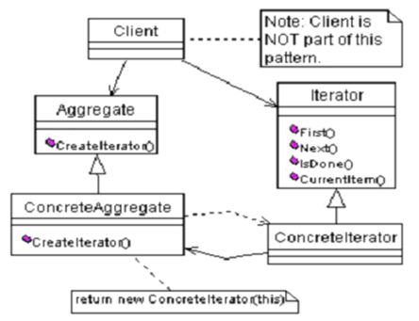 | Looks like some collections has iteretor to traverse in collections. To prevent overhead at client to traverse themselves.
Mediator | Behavioral Pattern | For example when a button is pressed it must know if the data is valid in other controls. As you have seen if you created different applications using forms you don't have to modify each control class each time you add a new control to the form. All the operations between controls are managed by the form class itself. This class is called mediator. Mediator enables decoupling of objects by introducing a layer in between so that the interaction between objects happen via the layer. This mediator object is like a router in networks, which is routes / controls or coordinates communication between systems. | In an enterprise application where we have large number of classes the complexity also increases proportionately. Business logic might be spread across those multiple classes. There will be interaction between classes. If we draw line between classes where we have interaction, then it will end up like Idiyappam. we need a mechanism to facilitate the interaction between objects in a manner in that objects are not aware of the existence of other objects |  | The Java Message Service (JMS) API is a Java Message Oriented Middleware (MOM) API for sending messages between two or more clients. The JMS API supports 2 models. One of them is the publish-subscribe model. It is an implementation of the mediator pattern. The messages can be publisehd based on a particular topic. The publisher has to create a subscription to which different subscribers may subscribe. Zero or more subscribers may subscribe to receive messages on a particular message topic. The publisher and the subscriber doesn't know one about eachother, the subscriber can be even inactive. In this case the subscriber receives the messages when it will become active. | java.util.Timer |  | package dp.behavioralP; public class Mediator { public static void main(String args[]) { IATCMediator atcMediator = new ATCMediator(); Flight sparrow101 = new Flight(atcMediator); Runway mainRunway = new Runway(atcMediator); atcMediator.registerFlight(sparrow101); atcMediator.registerRunway(mainRunway); sparrow101.getReady(); mainRunway.land(); sparrow101.land(); } } interface CommandI { void land(); } class Runway implements CommandI { private IATCMediator atcMediator; public Runway(IATCMediator atcMediator) { this.atcMediator = atcMediator; atcMediator.setLandingStatus(true); } @Override public void land() { System.out.println("Landing permission granted..."); atcMediator.setLandingStatus(true); } } class Flight implements CommandI { private IATCMediator atcMediator; public Flight(IATCMediator atcMediator) { this.atcMediator = atcMediator; } public void land() { if (atcMediator.isLandingOk()) { System.out.println("Landing done...."); atcMediator.setLandingStatus(true); } else System.out.println("Will wait to land...."); } public void getReady() { System.out.println("Getting ready..."); } } interface IATCMediator { public void registerRunway(Runway runway); public void registerFlight(Flight flight); public boolean isLandingOk(); public void setLandingStatus(boolean status); } class ATCMediator implements IATCMediator { private Flight flight; private Runway runway; public boolean land; public void registerRunway(Runway runway) { this.runway = runway; } public void registerFlight(Flight flight) { this.flight = flight; } public boolean isLandingOk() { return land; } @Override public void setLandingStatus(boolean status) { land = status; } }
Memento | Behavioral Pattern | The memento pattern is used when a snapshot of an object's state must be captured so that it can be restored to that state later and in situations . This mechanism of rolling back uses the memento design pattern. Consider an object representing a database table, a transaction manager object which is responsible of performing transactions must perform operations on the table object while having the ability to undo the operation if it fails, or if any operation on any other table object fails. To be able to rollback, the transaction manager object would ask the table object for a memento before performing an operation and thus in case of failure, the memento object would be used to restore the table to its previous state. | It is sometimes necessary to capture the internal state of an object at some point and have the ability to restore the object to that state later in time. Such a case is useful in case of error or failure
Observer | Behavioral Pattern | Define a one-to-many dependency between objects so that when one object changes state, all its dependents are notified and updated automatically Publishers and subscribers type of pattern. Single publisher with multiple subscribers. Like event is sent to all registered listeners, create Observable interface which provides the update and implement it. Provide observer interface for all those modules who want to receive updates. All the observers have an observable instance. They call register/deregister on observable to register/deregister themselves for updates. Observable adds all of the observables in some array/hashtable/list and calls notify as and when the updates are available. Again note that observable and observers can continue doing/behaving as they want and at the same time behave as observable and/or ovserver. | Multiple objects queries of a single object can lead to synchronization problems. The observer objects must be aware of the observable object; for notification, the observable object must be aware of its observers. The observable object should not be coupled to the types of observer objects | You can vary and independently reuse classes for the Subject and Observer objects. The abstract classes (or interfaces) are coupled together. Therefore, the coupling is looser than if the concrete classes were coupled. You can easily add Observer objects without a single change to the Subject object. | An observer system can become flooded with updates if the granularity of the update is too fine or its frequency too high. This is a critical problem in distributed systems. The observer system often calls the subject when it receives a notification. This can create a bottleneck, preventing the timely update of the other observer systems. | 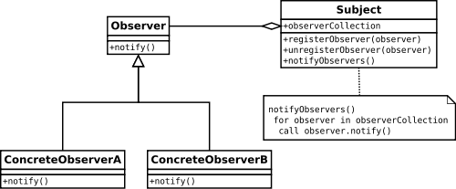
State | Behavioral Pattern
Strategy Pattern | Behavioral Pattern | Define a family of algorithms, encapsulate each one, and make them interchangeable. Strategy lets the algorithm vary independently from clients that use it | Classes often need to choose from multiple algorithms Details of algorithm used should be hidden from client classes. Algorithms implemented in large series of conditional statements are difficult to maintain | Allows multiple implementations of algorithms without sub-classing. Allows multiple implementations of algorithms without placing them in conditional statements. Allows easy additions of new algorithms or changes to the existing algorithms | Clients must be aware of the strategies in order to select a strategy There can be slightly increased overhead from extra objects and method invocations. | 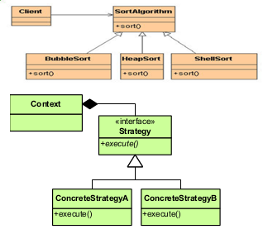 | For instance, a class that performs validation on incoming data may use a strategy pattern to select a validation algorithm based on the type of data, the source of the data, user choice, and/or other discriminating factors. These factors are not known for each case until run-time, and may require radically different validation to be performed. |  | Source code <link>
Template Method | Behavioral Pattern | lets subclasses redefine certain steps of an algorithm without letting them to change the algorithm's structure. A template method defines an algorithm in a base class using abstract operations that subclasses override to provide concrete behavior |  | The template method (that is non-abstract) remains unchanged in this pattern, ensuring that the subordinate non-abstract methods and abstract methods are called in the originally intended sequence. |  | /** * An abstract class that is common to several games in * which players play against the others, but only one is * playing at a given time. */ abstract class Game { protected int playersCount; abstract void initializeGame(); abstract void makePlay(int player); abstract boolean endOfGame(); abstract void printWinner(); /* A template method : */ public final void playOneGame(int playersCount) { this.playersCount = playersCount; initializeGame(); int j = 0; while (!endOfGame()) { makePlay(j); j = (j + 1) % playersCount; } printWinner(); } } //Now we can extend this class in order //to implement actual games: class Monopoly extends Game { /* Implementation of necessary concrete methods */ void initializeGame() { // Initialize players // Initialize money } void makePlay(int player) { // Process one turn of player } boolean endOfGame() { // Return true if game is over // according to Monopoly rules } void printWinner() { // Display who won } /* Specific declarations for the Monopoly game. */ // ... } class Chess extends Game { /* Implementation of necessary concrete methods */ void initializeGame() { // Initialize players // Put the pieces on the board } void makePlay(int player) { // Process a turn for the player } boolean endOfGame() { // Return true if in Checkmate or // Stalemate has been reached } void printWinner() { // Display the winning player } /* Specific declarations for the chess game. */ // ... }
Visitor | Behavioral Pattern
Business Delegate | Behavioral Pattern
MVC | System Pattern | By breaking the components into model, view and controller each part can be treated independently. Define elements in terms of interface.
Front Controller | Behavioral Pattern | frontcontroller manages delegation, it recieves a request and then decides which module should handle that request.
Factory Method | Creational Pattern | A factory method is a method that creates and returns new objects of its family. the use of inheritance to decide the object to be instantiated | need to decouple the behavior of an object from its creation. can't anticipate the kind of objects we must create, but we can anticipate their behavior. | In real time JAVA, the Factory Method pattern to decouple the behavior of executing SQL queries from the type of database used |  | Connection connection = DriverManager.getConnection(dbaseName, username, password); Statement statement = connection.createStatement(); statement.executeQuery(String query); |  | java.util.Calendar#getInstance() java.util.ResourceBundle#getBundle() java.text.NumberFormat#getInstance() java.nio.charset.Charset#forName() java.net.URLStreamHandlerFactory#createURLStreamHandler(String)
Abstract Factory | Creational Pattern | Creates objects without exposing the instantiation logic to the client and Refers to the newly created object through a common interface. Provide an interface for creating families or related or dependent objects without specifying their concrete classes the Abstract Factory is a super-factory which creates other factories (Factory of factories). focus on the delegation of the instantiation to another object | Factory pattern should be used when: - A framework delegate the creation of objects derived from a common superclass to the factory - we need flexibility in adding new types of objects that must be created by the class The client does not need to know how to instantiate products. A client needs to use a family or related objects. You might not want a client to mix objects from different families. Client maintainability is sacrificed when you expose details of the related objects to a client. Address and Phone number data creation and maintain for different countries are difficult. | Simplifies the exchange of one product family for another. Hides concrete family classes from the client view. Imposes a consistent naming convention for family members. it isolates the creation of objects from the client that needs them, giving the client only the possibility of accessing them through an interface, which makes the manipulation easier. The exchanging of product families is easier, as the class of a concrete factory appears in the code only where it is instantiated. Also if the products of a family are meant to work together, the Abstract Factory makes it easy to use the objects from only one family at a time | Developing new families correctly can be time consuming. Adding family members to an existing scheme can be difficult. adding new products to the existing factories is difficult, because the Abstract Factory interface uses a fixed set of products that can be created. That is why adding a new product would mean extending the factory interface, which involves changes in the AbstractFactory class and all its subclasses | javax.xml.parsers.DocumentBuilderFactory#newInstance() javax.xml.transform.TransformerFactory#newInstance() javax.xml.xpath.XPathFactory#newInstance() // obtain parser factory: DocumentBuilderFactory factory = DocumentBuilderFactory.newInstance(); //obtain parser: DocumentBuilder builder = factory.newDocumentBuilder(); // parse an xml document into a DOM tree: Document doc = builder.parse(new File(xmlFile)); |  | 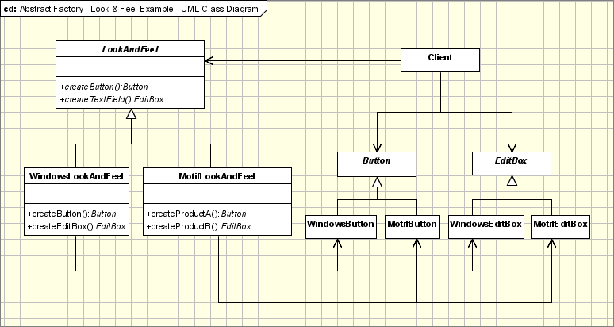 | Helloworld helloworld = HellowordFactory.getInstance(HelloworldFromIndia.class.getName()); Public class HellowordFactory { public static Helloworld getInstance(String className){ try { return (Helloworld) ClassLoader.getSystemClassLoader().loadClass(className).newInstance(); } catch (InstantiationException e) { e.printStackTrace(); } catch (IllegalAccessException e) { e.printStackTrace(); } catch (ClassNotFoundException e) { e.printStackTrace(); } return null;} public interface Helloworld { public String sayHi(); } public class HelloworldFromIndia implements Helloworld{ @Override public String sayHi() { return "Hi from India";} public class HelloworldFromUSA implements Helloworld { @Override public String sayHi() { return "Hi from USA";}
Builder Pattern | Creational Pattern | Builder enforce staged construction of a complex object. Builder pattern is used to construct a complex object step by step and the final step will return the object. The process of constructing an object should be generic so that it can be used to create different representations of the same object. Separate the construction of a complex object from its representation so that the same construction process can create different representations To Simplify complex object creation by defining a class whose purpose is to build instances of another class. The Builder produces one main product, such that there might be more than one class in the product, but there is always one main class | The more complex an application is the complexity of classes and objects used increases. Complex objects are made of parts produced by other objects that need special care when being built. An application might need a mechanism for building complex objects that is independent from the ones that make up the object Instead of using numerous constructors, the builder pattern uses another object, a builder, that receives each initialization parameter step by step and then returns the resulting constructed object at once. | This pattern allows a client object to construct a complex object by specifying only its type and content, being shielded from the details related to the objects representation. This way the construction process can be used to create different representations. The logic of this process is isolated form the actual steps used in creating the complex object, so the process can be used again to create a different object form the same set of simple objects as the first one. | There is tight coupling among the Builder, its Product and any other creational delegates used during object construction. Changes that occur for the product created by the Builder often result in modifications for the builder and its delegates | DocumentBuilderFactory, StringBuffer, StringBuilder | //Abstract Builder class abstract class TextConverter{ abstract void convertCharacter(char c); abstract void convertParagraph(); } // Product class ASCIIText{ public void append(char c){ //Implement the code here } } //Concrete Builder class ASCIIConverter extends TextConverter{ ASCIIText asciiTextObj;//resulting product /*converts a character to target representation and appends to the resulting*/ object void convertCharacter(char c){ char asciiChar = new Character(c).charValue(); //gets the ascii character asciiTextObj.append(asciiChar); } void convertParagraph(){} ASCIIText getResult(){ return asciiTextObj; } } //This class abstracts the document object class Document{ static int value; char token; public char getNextToken(){ //Get the next token return token; } } //Director class RTFReader{ private static final char EOF='0'; //Delimitor for End of File final char CHAR='c'; final char PARA='p'; char t; TextConverter builder; RTFReader(TextConverter obj){ builder=obj; } void parseRTF(Document doc){ while ((t=doc.getNextToken())!= EOF){ switch (t){ case CHAR: builder.convertCharacter(t); case PARA: builder.convertParagraph(); } } } } //Client public class Client{ void createASCIIText(Document doc){ ASCIIConverter asciiBuilder = new ASCIIConverter(); RTFReader rtfReader = new RTFReader(asciiBuilder); rtfReader.parseRTF(doc); ASCIIText asciiText = asciiBuilder.getResult(); } public static void main(String args[]){ Client client=new Client(); Document doc=new Document(); client.createASCIIText(doc); system.out.println("This is an example of Builder Pattern"); } } | Director: holder over all object, calls Builder's methods in a series. | vs Abstract Abstract: Also construct object and return but It will not build the object step by step. Builder: It construct the object step by step and follows a sequence. | Object Ref Link'!A1
Prototype | Creational Pattern | When creating an object is time consuming and a costly affair and you already have a most similar object instance in hand, then you go for prototype pattern. Instead of going through a time consuming process to create a complex object, just copy the existing similar object and modify it according to your needs clone the existing instance in hand and then make the required update to the cloned instance so that you will get the object you need. Other way is, tweak the cloning method itself to suit your new object creation need. Therefore whenever you clone that object you will directly get the new object of desire without modifying the created object explicitly. | the cost of creating a new object is large and creation is resource intensive | helps in improving the performance by cloning the objects |  | public class Registry { public static void main(String[] args) { ItemRegistry registry = new ItemRegistry(); Book myBook = (Book) registry.createBasicItem("Book"); myBook.setTitle("Custom Title"); } } class ItemRegistry { private Hashtable<String,Item> map = new Hashtable<>(); public ItemRegistry() { loadCache(); } public Item createBasicItem(String type) { return map.get(type).clone(); } private void loadCache() { Book book = new Book(); createBasicBook(book); CD cd = new CD(); createBasicCD(cd); } private void createBasicBook(Book book) { book.setTitle("Design Patterns"); book.setPrice(20.00); map.put("Book", book); } private void createBasicCD(CD cd) { cd.setTitle("Various"); cd.setPrice(10.00); map.put("CD", cd); } } //// Prototype abstract class Item { private String title; private double price; public Item clone() { Item clonedItem = null; try { // use default object clone. clonedItem = (Item) super.clone(); // specialised clone clonedItem.setPrice(price); clonedItem.setTitle(title); } catch (CloneNotSupportedException e) { e.printStackTrace(); } return clonedItem; } } // Concrete Prototypes class Book extends Item { // extra book stuff } class CD extends Item { // extra cd stuff } | package com.javapapers.sample.designpattern.prototype; class Bike implements Cloneable { private int gears; private String bikeType; private String model; public Bike() { bikeType = "Standard"; model = "Leopard"; gears = 4; } public Bike clone() { return new Bike(); } public void makeAdvanced() { bikeType = "Advanced"; model = "Jaguar"; gears = 6; } public String getModel() { return model; } } public class Workshop { public Bike makeJaguar(Bike basicBike) { basicBike.makeAdvanced(); return basicBike; } public static void main(String args[]) { Bike bike = new Bike(); Bike basicBike = bike.clone(); Workshop workShop = new Workshop(); Bike advancedBike = workShop.makeJaguar(basicBike); System.out.println("Prototype Design Pattern:" + advancedBike.getModel()); } }
Singleton | Creational Pattern | To have only one instance of the class in the system, while allowing other classes to get access to this instance. The implementation involves a static member in the "Singleton" class, a private constructor and a static public method that returns a reference to the static member. | in a system there should be only one window manager or only a file system or only a print spooler. |  |  | 1). Logger Classes 2). Configuration Classes 3). Factories implemented as Singletons Combining Abstract Factory or Factory Method and Singleton design patterns is a common practice
Object Pool | Creational Pattern | the Object Pool pattern offer a mechanism to reuse objects that are expensive to create. reuse and share objects that are expensive to create | the database connections. It's obviosly that opening too many connections might affect the performance for several reasons: Creating a connection is an expensive operation. When there are too many connections opened it takes longer to create a new one and the database server will become overloaded. | use an object pool whenever there are several clients who needs the same stateless resource which is expensive to create. | When the Object Pool pattern is used the objects should be marked as available(released) by the client after they are used, so the pool will be aware about this. This is the main drawback because the client should do this and it's a common situation when database connection are not released afer they are used. To overcome this a mechanism can be implemented to release resources if they are not used for a period of time | DriverManager.getConnection() public abstract class ObjectPool { private long expirationTime; private Hashtable locked, unlocked; abstract Object create(); abstract boolean validate(Object o); abstract void expire(Object o); synchronized void checkIn(Object o) { locked.remove(o); unlocked.put(o, new Long(System.currentTimeMillis())); } synchronized Object checkOut() { long now = System.currentTimeMillis(); Object o; if (unlocked.size() > 0) { Enumeration e = unlocked.keys(); while (e.hasMoreElements()) { o = e.nextElement(); if ((now - ((Long) unlocked.get(o)).longValue()) > expirationTime) { // object has expired unlocked.remove(o); expire(o); o = null; } else { if (validate(o)) { unlocked.remove(o); locked.put(o, new Long(now)); return (o); } else { // object failed validation unlocked.remove(o); expire(o); o = null; } } } } // no objects available, create a new one o = create(); locked.put(o, new Long(now)); return (o); } ObjectPool() { expirationTime = 30000; // 30 seconds locked = new Hashtable(); unlocked = new Hashtable(); } } public class JDBCConnectionPool extends ObjectPool { private String dsn, usr, pwd; public JDBCConnectionPool(String driver, String dsn, String usr, String pwd) { try { Class.forName(driver).newInstance(); } catch (Exception e) { e.printStackTrace(); } this.dsn = dsn; this.usr = usr; this.pwd = pwd; } Object create() { try { return (DriverManager.getConnection(dsn, usr, pwd)); } catch (SQLException e) { e.printStackTrace(); return (null); } } void expire(Object o) { try { ((Connection) o).close(); } catch (SQLException e) { e.printStackTrace(); } } boolean validate(Object o) { try { return (!((Connection) o).isClosed()); } catch (SQLException e) {
Adapter | Structural Pattern | Convert the interface of a class into another interface clients expect. Adapter lets classes work together, that could not otherwise because of incompatible interfaces
Bridge | Structural Pattern
Composite | Structural Pattern | a tree structure and ask each node in the tree structure to perform a task. to represent part-whole hierarchies. Composite lets client treat individual objects and compositions of objects uniformly" |  | Composite should be used when clients ignore the difference between compositions of objects and individual objects.[1] If programmers find that they are using multiple objects in the same way, and often have nearly identical code to handle each of them, then composite is a good choice; | > Once tree structure is defined,comosite design makes tree overly general. > Leaf class have to create some methods which has to empty. |  | Component:interface for objects in composition. deafault behaviour for interface common to all classes as appropriate. declares an interface for accessing and managing its child components. Leaf has no children. Composite defines behaviour for children. Client manipulates objects in the composition through the component interface. |  |  | /** Component */ interface Graphic { public void print(); } /** "Composite" */ class GraphicComposite implements Graphic { private List<Graphic> childGraphics = new ArrayList<Graphic>(); @Override public void print() { for (Graphic graphic : childGraphics) { graphic.print(); } } public void add(Graphic grapic) { childGraphics.add(grapic); } public void remove(Graphic grapic) { childGraphics.remove(grapic); }} /** Leaf */ class GraphicLeaf implements Graphic { @Override public void print() { System.out.println(" GraphicLeaf "); }} | package com.pg.dp.structure.composite; import java.util.ArrayList; import java.util.List; public class CompositeStructDP { public static void main(String[] args) { GraphicClient.invokeGraphicClient(); } } class GraphicClient { // Initialize four ellipses public static void invokeGraphicClient() { GraphicLeaf GraphicLeaf1 = new GraphicLeaf(); GraphicLeaf GraphicLeaf2 = new GraphicLeaf(); GraphicLeaf GraphicLeaf3 = new GraphicLeaf(); GraphicLeaf GraphicLeaf4 = new GraphicLeaf(); // Initialize three composite graphics GraphicComposite graphic = new GraphicComposite(); GraphicComposite graphic1 = new GraphicComposite(); GraphicComposite graphic2 = new GraphicComposite(); // Composes the graphics graphic1.add(GraphicLeaf1); graphic1.add(GraphicLeaf2); graphic1.add(GraphicLeaf3); graphic2.add(GraphicLeaf4); graphic.add(graphic1); graphic.add(graphic2); // Prints the complete graphic (four times the string "GraphicLeaf"). graphic.print(); } }
Decorator | Structural Pattern | Attaches responsibilities to objects at runtime. Attach additional logic to an existing object.Use Delegation.Place an object in front of it that delegates calls to the original object and then makes needed changes before returning the value.This is a form of linked list | You want to add behavior or state to individual objects at runtime. Inheritance is not feasible because it is static and applies to an entire class | You can apply changes (enhance or restrict) to each individual object you want to change. |  | File file = new File("c:/temp"); FileInputStream fis = new FileInputStream(file); BufferedInputStream bis = new BufferedInputStream(fis);
Façade | Structural Pattern | provides a single interface that makes the subsystem easier to use. internally it interacts with sub components and gets the job done for you. It can be taken as one level of abstraction over an existing layer. | a component that solves a complex business problem. That component may expose lot of interfaces to interact with it. To complete a process flow we may have to interact with multiple interfaces. - Facade newly introduced layer simplifies and take care of sub components interactions. | Simplicity is the aim of facade pattern.. Facade design pattern is used for promoting subsystem independence and portability. Subsystem may be dependent with one another. In such case, facade can act as a coordinator and decouple the dependencies between the subsystems. |  | javax.faces.context.ExternalContext behaves as a facade for performing cookie, session scope and similar operations. Underlying classes it uses are HttpSession, ServletContext, javax.servlet.http.HttpServletRequest and javax.servlet.http.HttpServletResponse. | Facade Vs Mediator Design Pattern Mediator abstracts the functionality of the subsystems in this way it is similar to the facade pattern. In the implementation of mediator pattern, subsystem or peers components are aware of the mediator and that interact with it. In the case of facade pattern, subsystems are not aware of the existence of facade. Only facade talks to the subsystems.
Session Facade | Structural Pattern | session facade is a specific type of facade, where you are going to maintain a session - that is a series of operations that you wish to apply over a period of time that relate to the same base object (typically a user). E.g. If you had a banking website the session would represent the connection of the user to their bank account. The facade portion is again a simplified interface to all the things you might do to a bank account - which might involve calling to complex 3rd party libraries that communicate with other banks (e.g. when doing a wire transfer). | Performance problem experienced due to multiple network calls to the EJB tier from the web tier.
Flyweight | Structural Pattern |  | performance issue such as memory allocation, garbage collection. | object reuse
Proxy | Structural Pattern | A proxy may hide information about the real object to the client. A proxy may perform optimization like on demand loading. Provide a placeholder for another object to control access to it. | if we need to use only a few methods of some costly objects and initialize those objects when we need them entirely. Until that point we can use some light objects exposing the same interface as the heavy objects. These light objects are called proxies | A proxy may hide information about the real object to the client. A proxy may perform optimization like on demand loading. A proxy may do additional house-keeping job like audit tasks. Proxy design pattern is also known as surrogate design pattern |  | RMI is an example of proxy implmenetation for this type in java. java.rmi.* – RMI package is based on proxy design pattern | Adapter vs Proxy Adapter design pattern provides a different interface from the real object and enables the client to use it to interact with the real object. But, proxy design pattern provides the same interface as in the real object. | package dp.structuralP; public class Proxy { public static void main(String[] args) { // assuming that the user selects a folder that has 3 images // create the 3 images Image highResolutionImage1 = new ImageProxy( "sample/veryHighResPhoto1.jpeg"); Image highResolutionImage2 = new ImageProxy( "sample/veryHighResPhoto2.jpeg"); Image highResolutionImage3 = new ImageProxy( "sample/veryHighResPhoto3.jpeg"); // assume that the user clicks on Image one item in a list // this would cause the program to call showImage() for that image only // note that in this case only image one was loaded into memory highResolutionImage1.showImage(); // consider using the high resolution image object directly Image highResolutionImageNoProxy1 = new HighResolutionImage( "sample/veryHighResPhoto1.jpeg"); Image highResolutionImageNoProxy2 = new HighResolutionImage( "sample/veryHighResPhoto2.jpeg"); Image highResolutionImageBoProxy3 = new HighResolutionImage( "sample/veryHighResPhoto3.jpeg"); // assume that the user selects image two item from images list highResolutionImageNoProxy2.showImage(); // note that in this case all images have been loaded into memory // and not all have been actually displayed // this is a waste of memory resources } } /** * Subject Interface */ interface Image { public void showImage(); } class ImageProxy implements Image { /** * Private Proxy data */ private String imageFilePath; /** * Reference to RealSubject */ private Image proxifiedImage; public ImageProxy(String imageFilePath) { this.imageFilePath = imageFilePath; } @Override public void showImage() { // create the Image Object only when the image is required to be shown proxifiedImage = new HighResolutionImage(imageFilePath); // now call showImage on realSubject proxifiedImage.showImage(); } } class HighResolutionImage implements Imag
Session | System Pattern | To provide a way for servers in distributed systems to distinguish amoung clients, allowing applications to associate state with the client-server communication. Client identity, Operation continuity, Data persistence. Managing session Identity: >Security-based identity: login provides sessionID >Implicit Identity: long term, till client-server series communication completes. >Arbitrary Identity: server assigns sessionID used only to track client single use of server. Managing session state: >Client side: high security issue; less burden on server. >Server side: High burden on server but better performance by reducing reduntant call to client; High security. | Clients would need to routinely update contact information on the server and the updates might occur over several stages. The client is allowed to submit the changes over mutiple interactions with the server. How do you track a user changes that relate to a specific contact? multiple clients will be making updates at the same time. Solution: sessionID. server starts a session and issuing a sessionID. Client sends sessionID to server on every request. this way server differentiate among clients and keep track of particular clients progress in workflow. Server stores the information on the client. | Identifying service requesters and maintain state based resources The session can manage accountability and prioritization when accessing server-side resources. | workload on the server and increased complexity required of server software. Beyond normal requirement, session based server must establish client identity, store retrive and validate on number of occasions. | HttpSession
Worker Thread | System Pattern | To improve throughput to minimize average latency. Want to introduce concurrency. In a typical application, certain jobs have to be done. It's not always important that they happen now, just that they do happen. | Creating Thread instance is very expensive in terms of performance, and can get one task out of it. Solution: create longer-lived worker thread that performs many tasks one after another. Instead of creating new thread for every new task, Use existing worker thread to handle tasks one after another. | The task doesn't get performed any sooner, but at least your application is NOT waiting to hand off the task. Putting a task on the queue is less expensive than creating a new thread. | The drawback of this design can occur when tasks are dependent on each other. Because the queue can be sequential, the system can get into a deadlock. |  | Client: creat Task instances and put on the Queue Task: Its class implements Runnable, it contains actual task. Queue: it’s a Interface declares methods client to hand off task and workerThread to retrieve tasks. ConcreteQueue: Store and retrieve task. also it determines the order in which tasks are provided to worker thread. WorkerThread: takes tasks from Queue and executes them. it waits if no tasks on the queue. WorkerThread class tightly coupled with concreteQueue. | List<Task> tasks = new ArrayList<>(); tasks.add(new PotatoPeelingTask(3)); tasks.add(new PotatoPeelingTask(6)); tasks.add(new CoffeeMakingTask(2)); tasks.add(new CoffeeMakingTask(6)); ExecutorService executor = Executors.newFixedThreadPool(3); for (int i=0; i<tasks.size(); i++) { Runnable worker = new Worker(tasks.get(i)); executor.execute(worker);} executor.shutdown(); while (!executor.isTerminated()) {} public class Worker implements Runnable { private final Task task; public Worker(final Task task) { this.task = task;} @Override public void run() { try { Thread.sleep(task.getTimeMs()); } catch (InterruptedException e) { } } public abstract class Task { private static int nextId = 1; private final int id; private final int timeMs; public Task(final int timeMs) { this.id = nextId++; this.timeMs = timeMs;} public class CoffeeMakingTask extends Task { private static final int TIME_PER_CUP = 300; public CoffeeMakingTask(int numCups) { super(numCups * TIME_PER_CUP); } public class PotatoPeelingTask extends Task { private static final int TIME_PER_POTATO = 500; public PotatoPeelingTask(int numPotatoes) { super(numPotatoes * TIME_PER_POTATO);} | Queue.java public interface Queue{ void put(RunnableTask r); RunnableTask take(); } RunnableTask.java <- Task public interface RunnableTask{ public void execute(); } import java.rmi.Naming; import java.rmi.RemoteException; public class ContactRetriever implements RunnableTask{ private Contact contact; private long contactID; private String url; public ContactRetriever(long newContactID, String newUrl){ contactID = newContactID; url = newUrl; } public void execute(){ try{ ServerDataStore dataStore = (ServerDataStore)Naming.lookup(url); contact = dataStore.retrieveContact(contactID); } catch (Exception exc){ } } public Contact getContact(){ return contact; } public boolean isContactAvailable(){ return (contact == null) ? false : true; } } | import java.util.Vector; public class ConcreteQueue implements Queue{ private Vector tasks = new Vector(); private boolean waiting; private boolean shutdown; public void setShutdown(boolean isShutdown){ shutdown = isShutdown; } public ConcreteQueue(){ tasks = new Vector(); waiting = false; new Thread(new Worker()).start(); } public void put(RunnableTask r){ tasks.add(r); if (waiting){ synchronized (this){ notifyAll(); } } } public RunnableTask take(){ if (tasks.isEmpty()){ synchronized (this){ waiting = true; try{ wait(); } catch (InterruptedException ie){ waiting = false; } } } return (RunnableTask)tasks.remove(0); } private class Worker implements Runnable{ public void run(){ while (!shutdown){ RunnableTask r = take(); r.execute(); } } } }
CallBack | System Pattern | To allow a client to register with a server for extended operations. This enables the server to notify the client when the operation has been completed. >Client registration: The client sends a request for a project to the server, providing its callback information along with the request. >Server processing:The client then disconnects from the server and allows the server to spend time on retrieving the project. >Server callback: When the server completes the task, it contacts the client and sends the requested project information. This solution also gives the server freedom to perform tasks like request queuing and using task priority, to more effectively manage its workload and available resources. | If a client wants to retrieve potentially hundreds or thousands of individual tasks with corresponding budgets, timelines. it might take a lot of time to retrieve that information. having an open connection for each client severely limits the number of client requests server can process concurrently. since a server must perform longer-term processing to satisfy client requests, synchronous communication is probably not the best option Rather than requiring that the client and server remain connected, it would be better to enable the server to contact the client when it finishes the client's request. | Server-side processing – The server does not have to maintain communication threads to service waiting clients, so it can channel those resources into processing client requests or servicing other callers. Furthermore the processing can be performed when the server sees fit. It doesn’t have to process the request immediately. Server communication – The server does not have to maintain an open connection while the client waits for its results. This means that a server can support a greater number of callers with its limited communication resources, such as sockets. | > it requires a client to listen for the callback from the server. This often makes client code more complex, and increases the load on client systems. > it difficult to cancel or modify a request once it has been sent to the server. |  | Two approaches server-side processing: >Direct processing – With this approach, the server creates a worker thread to fulfill each client’s request. but is sometimes difficult to scale to large numbers of service requesters. >Request queue – The server maintains a queue of client requests and a pool of worker threads. options are available for client notification: Active callback – A client uses server-like process to listen for incoming communications. Client polling/Pull – a client to periodically check on the status of its request. Explicit acknowledgment – A server may retransmit a message until it receives client confirmation.
DAO | J2EE Pattern | Data Access Object (DAO) to abstract and encapsulate all access to the data source. The DAO manages the connection with the data source to obtain and store data. The business component that relies on the DAO uses the simpler interface exposed by the DAO for its clients. The DAO completely hides the data source implementation details from its clients. The DAO acts as an adapter between the component and the data source | Access mechanisms, supported APIs, and features vary between different types of persistent stores. There is greater variation with different types of persistent storage Access mechanism: BMP, CMP, JDBC etc Persistent Storage: flat file mainframe sys, Lightweight Directory Access Protocol (LDAP) repositories, RDBMS, OODBMS, B2B When a client access to backend various persisten storage using various access mechanism that causes tightly coupled. Such code dependencies in components make it difficult and tedious to migrate the application from one type of data source to another. When the data source changes, the components need to be changed to handle the new type of data source | > Enables Transparency > Enables Easier Migration > Reduces Code Complexity in Business Objects > Centralizes All Data Access into a Separate Layer > Adds Extra Layer > Needs Class Hierarchy Design | Not Useful for Container-Managed Persistence |  | DAO pattern uses below given patterns. Transfer Object A DAO uses Transfer Objects to transport data to and from its clients. Factory Method /Abstract Factory DAO uses the Factory Method pattern to products DAOs. Broker: The DAO pattern is related to the Broker pattern, which describes approaches for decoupling clients and servers in distributed systems. | 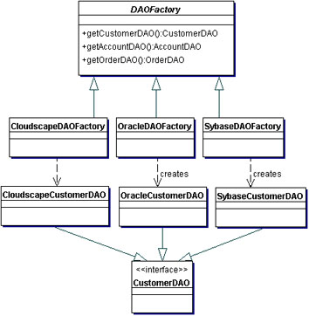 | SampleCode: ----------------------------------------------- ##Client code: ----------------------------------------------- // create the required DAO Factory DAOFactory cloudscapeFactory = DAOFactory.getDAOFactory(DAOFactory.DAOCLOUDSCAPE); // Create a DAO CustomerDAO custDAO = cloudscapeFactory.getCustomerDAO(); // create a new customer int newCustNo = custDAO.insertCustomer(...); ----------------------------------------------- ##Customer Transfer Object ----------------------------------------------- public class Customer implements java.io.Serializable { // member variables int CustomerNumber; String name; String streetAddress; String city; ----------------------------------------------- ##DAOFactory ----------------------------------------------- // Abstract class DAO Factory public abstract class DAOFactory { // List of DAO types supported by the factory public static final int CLOUDSCAPE = 1; public static final int ORACLE = 2; public static final int SYBASE = 3; ... // There will be a method for each DAO that can be // created. The concrete factories will have to // implement these methods. public abstract CustomerDAO getCustomerDAO(); public abstract AccountDAO getAccountDAO(); public abstract OrderDAO getOrderDAO(); ... public static DAOFactory getDAOFactory( int whichFactory) { switch (whichFactory) { case CLOUDSCAPE: return new CloudscapeDAOFactory(); case ORACLE : return new OracleDAOFactory(); case SYBASE : return new SybaseDAOFactory(); ... default : return null; } } } ----------------------------------------------- ##Concrete DAOFactory Implementation for Cloudscape ----------------------------------------------- // Cloudscape concrete DAO Factory implementation import java.sql.*; public class CloudscapeDAOFactory extends D | Link to source of the content http://www.oracle.com/technetwork/java/dataaccessobject-138824.html
Transfer Object Value object | J2EE Pattern | The Transfer Object / Value Obects is an arbitrary serializable Java object. It has all the business values required by the client. |  |  |  | public class OneValueObject implements Serializable { private int attribute1; private String attribute2; private String attribute3; public int getAttribute1(); public String getAttribute2(); public String getAttribute3(); }
Service Locator | J2EE Pattern | JEE clients interact with service components, such as Enterprise JavaBeans (EJB) and Java Message Service (JMS) components, which provide business services and persistence capabilities. To interact with these components, clients must either locate the service component (referred to as a lookup operation) or create a new component. pattern provides a mechanism to abstract all dependencies and network details into the Service Locator. | EJB clients need to use the JNDI API to look up EJBHome objects by using the enterprise bean's registered JNDI name. JMS clients need to use JNDI API to look up JMS components by using the JNDI names registered for JMS components, such as connection factories, queues, and topics. The context factory to use for the initial JNDI context creation is provided by the service provider vendor and is therefore vendor- dependent. The context factory is also dependent on the type of object being looked up. The context for JMS is different from the context for EJB, with different providers. Lookup and creation of service components could be complex and may be used repeatedly in multiple clients in the application. Initial context creation and service object lookups, if frequently required, can be resource-intensive and may impact application performance. This is especially true if the clients and the services are located in different tiers. EJB clients may need to reestablish connection to a previously accessed enterprise bean instance, having only its Handle object. | Use a Service Locator object to abstract all JNDI usage and to hide the complexities of initial context creation, EJB home object lookup, and EJB object re-creation. Multiple clients can reuse the Service Locator object to reduce code complexity, provide a single point of control, and improve performance by providing a caching facility. pattern provides a mechanism to abstract all dependencies and network details into the Service Locator. |  |  |  |  | 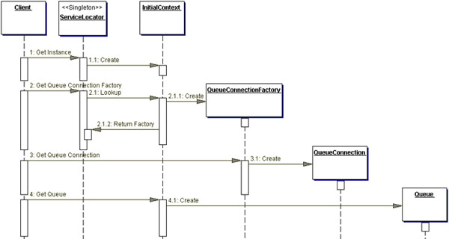
 | Cascade Method / Train |  |  |  |  | public class Cascade { public static void main(String[] args) { //Cascade patter is like builder patter. but mutable. Mailer_Cascade mailerCascade = new Mailer_Cascade() .toMailer("to@to.com") .fromMailer("f@f.com") .subMailer("sub") .msgMailer("msg") .sendMailer(); }} class Mailer_Cascade{ private Mailer_Cascade mailer = new Mailer_Cascade(); public Mailer_Cascade toMailer(String to){ System.out.println("set to Mailer "); return mailer; } public Mailer_Cascade fromMailer(String from){ System.out.println("set from Mailer "); return mailer; } public Mailer_Cascade subMailer(String sub){ System.out.println("set sub Mailer "); return mailer; } public Mailer_Cascade msgMailer(String msg){ System.out.println("set msg Mailer "); return mailer; } public Mailer_Cascade sendMailer(){ System.out.println("send Mailer "); return mailer; }}
 | Execute Around | A singleton ResoureManager class, receives the block of code (java8) and executes it. Life cycle of the resource object will be managed by singleton class | During DB connection management life cycle, we initialize an object/connection, then in FINALIZE method connection immediately GC will not release; rather huge transaction, GC fails to clean up… that leads big issue… close connection in finally block. | programmer no need to explicity handle the life cycle, instead an Around singleton class will take care of it. |  | new SimpleFileWriter("testfile.txt", new FileWriterAction() { @Override public void writeFile(FileWriter writer) throws IOException { writer.write("Hello"); writer.append(" "); writer.append("there!"); } }); public class SimpleFileWriter { public SimpleFileWriter(String filename, FileWriterAction action) throws IOException { FileWriter writer = new FileWriter(filename); try { action.writeFile(writer); } finally { writer.close(); } } } public interface FileWriterAction { void writeFile(FileWriter writer) throws IOException;}

DP Advance
 |  | enum - over come reflection instantiation | Lazy Initialization - Best Inner Class | Simple Lazy initialization | Double check locking | Volatile Keyword | final keyword | Eager Initialization
Singleton | Static member : contains instance of singleton Private constructor : restricts instantiate Singleton Static public method : returns instance to the client. | public enum SingletonEnum { INSTANCE; public void doStuff(){...} } | class Something { private Something() {} private static class LazyHolder { static final Something INSTANCE = new Something();} public static Something getInstance() { return LazyHolder.INSTANCE; } | private static SingletonExample singletonInstance; private SingletonExample() { } public static SingletonExample getSingletonInstance() { if (null == singletonInstance) { singletonInstance = new SingletonExample(); } return singletonInstance; } | if (null == singletonInstance) { synchronized (SingletonExample.class){ if(null == singletonInstance) { singletonInstance = new SingleExm();} } } return singletonInstance; | private volatile static SingltnExm singletonInstance; private SingltnExm() { } public static SingltnExm getSingletonInstance(){ if (null == singletonInstance) { singletonInstance = new SingltnExm(); } return singletonInstance; } | private static final SingltnExm singletonInstance; private SingltnExm() { } public static SingltnExm getSingletonInstance(){ if (null == singletonInstance) { singletonInstance = new SingltnExm(); } return singletonInstance; } | private EagerSingleton() { } public static EagerSingleton getSingletonInstance() { return eagerSingletonIns;} private static final EagerSingleton eagerSingletonIns = new EagerSingleton(); (OR) static{ // Static block eagerSingletonIns = new EagerSingleton(); }
 | Usage |  |  | > Hardware interface access like Printer > Logger > Configuration file > Cache
 | Why Need?
 | API |  |  | Runtime.getRuntime()

 |  | Reflection | Serializable | Cloneable
Singleton | Break Rule: -- Reflection -- Serializable -- Cloneable | EagerSingleton instanceOne = EagerSingleton.getInstance(); EagerSingleton instanceTwo = null; Constructor[] consts = EagerSingleton.class.getDeclaredConstructors(); for (Constructor con : consts) { con.setAccessible(true); instanceTwo = (EagerSingleton) con.newInstance(); break; } | SerializedSingleton instanceOne = SerializedSingleton.getInstance(); ObjectOutput out = new ObjectOutputStream(new FileOutputStream( "filename.ser")); out.writeObject(instanceOne); out.close(); ObjectInput in = new ObjectInputStream(new FileInputStream( "filename.ser")); SerializedSingleton instanceTwo = (SerializedSingleton) in.readObject(); in.close();
 | SOLUTION | Enum Singleton | protected Object readResolve() { return getInstance(); }

Factory |  | Static Factory method |  | Factory method | Abstract Factory
 |  | String.valueOf(…) |  | BeanFactory bf = new BeanFactory(…); bf.getBean(param) | DAO an abtract factory to basic operations a concrete factory should do. createObject(…) or persistObject(…) updateObject(…) or saveObject(…) deleteObject(…) or removeObject(…) readObject(…) or findObject(…)
 | Usage | -- Database connection pool, Complex Objects are costly to handover to create by consumers.
 | Why Need? | -- Control over instanciation (like limit #of insts, modify way of creation) -- Loose coupling ( if logger switch database, file etc) -- Encapsulation (hide complexity/various dependent objects) -- Disambiguation (give meaingful name for different constructors)

Prototype | prototype pattern involves copying something that already exists. Create objects based on a template of an exsiting object through cloning.
 | Usage | --Clone -- Chess -
 | Why Need? | --Efficiently Copy an Obj which is creating more expensive object. --Immediately needing basic object, cloned and update as req.

Obj Pool | Factory keeps pool of objs ready, instead of instantiate and destroy when work done. Client finish work then release the object to pool. |  | public abstract class ObjectPool<T> { private HashSet<T> available = new HashSet<>(); private HashSet<T> inUse = new HashSet<>(); public synchronized T checkOut() { if (available.size() <= 0) { available.add(create()); } T instance = available.iterator().next(); available.remove(instance); inUse.add(instance); return instance; } public synchronized void checkIn(T instance) { inUse.remove(instance); available.add(instance); }
 | Usage | Connection Pool
 | Why Need? | -- Significantly improve performance; -- Large nums of expensive obj req for short time

Observer | Define a one-to-many dependency between objects so that when one object changes state, all its dependents are notified and updated automatically. | 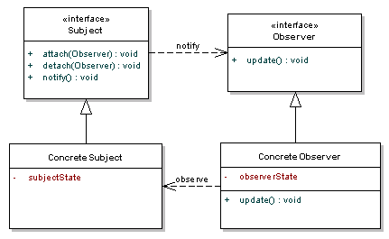 |  | 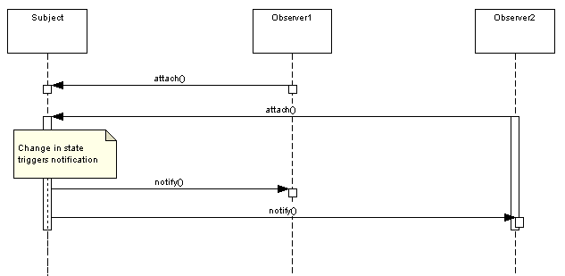
 | Usage | RSS feed; Notify e-commerce when subject is available;
 | Why need? | --To reduce coupling
 | API | java.awt.event.ActionListener | Observer: java.awt.event.ActionListener public class AL extends Frame implements ActionListener { b = new Button("Click me"); b.addActionListener(this); //register public void actionPerformed(ActionEvent e) { //Notified numClicks++; text.setText("Button Clicked " + numClicks + " times"); | Observable (Subject) : java.awt.Button when Button clicked call actionPerformed..

Mediator | -- Where Multiple objects are interacting with each other. Define an object that encapsulates how a set of objects interact. Mediator promotes loose coupling by keeping objects from referring to each other explicitly, and it lets you vary their interaction independently
 | Usage | -- Group Chat -- Airt Traffic controller - mediate between flights --
 | Why need? | --Decoupling objects --coordinates communications between systems
 | API | JMS java.util.Timer -- Spring MVC Dispatcher Servlet in conjunction other controllers.

Object Ref Link
Builder Pattern | 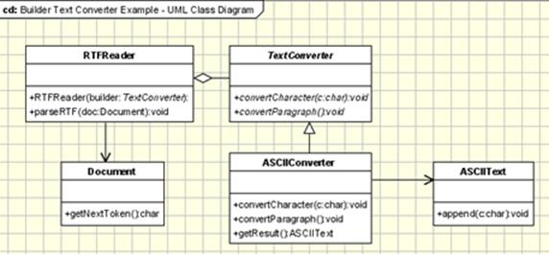
Chain of Responsibility |  | Back
Command Pattern |  |  | Client | Command | Receiver | Invoker
Command Pattern |  | BACK | package com.command; import java.util.ArrayList; import java.util.Iterator; import java.util.List; public class ClientEngineerCommand { public static void main(String[] args) { // Initializing Receivers Receiver engineerReceiver = new DomesticEngineer(); Receiver programmerReceiver = new Programmer(); // end of Initializing Receivers // Initializing Commands Command engineer = new DomesticEngineerCommand(engineerReceiver); Command programmer = new ProgrammerCommand(programmerReceiver); // End of Initializing Commands // Initializing Invoker Invoker invoker = new Invoker(); // Adding Commands invoker.produceRequests(engineer); invoker.produceRequests(programmer); // End of Adding Commands invoker.workOffRequests(); } } | interface Command { void execute(); } class DomesticEngineerCommand implements Command { Receiver receiver = null; DomesticEngineerCommand(Receiver receiver) { this.receiver = receiver; } public void execute() { this.receiver.perform(); } } class ProgrammerCommand implements Command { Receiver receiver = null; ProgrammerCommand(Receiver receiver) { this.receiver = receiver; } public void execute() { this.receiver.perform(); } } | interface Receiver { public void perform(); } class DomesticEngineer implements Receiver { public void perform() { System.out.println("Domestic Engineer:"); } } class Programmer implements Receiver { public void perform() { System.out .println("Programmer:"); } } | class Invoker { private List<Command> queue = new ArrayList<Command>(); public void produceRequests(Command command) { queue.add(command); } public void workOffRequests() { for (Iterator<Command> it = queue.iterator(); it.hasNext();) (it.next()).execute(); } }
Strategy Pattern |  |  | Client | Context | Strategy
Strategy Pattern |  |  | public class ClientStrategy { public static void main(String[] args) { Context context; context = new Context(new Add()); int resultA = context.executeStrategy(3, 4); context = new Context(new Subtract()); int resultB = context.executeStrategy(3, 4); context = new Context(new Multiply()); int resultC = context.executeStrategy(3, 4); System.out.println("Result A : " + resultA); System.out.println("Result B : " + resultB); System.out.println("Result C : " + resultC); } } | class Context { private Strategy strategy; public Context(Strategy strategy) { this.strategy = strategy; } public int executeStrategy(int a, int b) { return this.strategy.execute(a, b); } } | interface Strategy { int execute(int a, int b); } class Add implements Strategy { public int execute(int a, int b) { System.out.println("Called Add's execute()"); return a + b; } } class Subtract implements Strategy { public int execute(int a, int b) { System.out.println("Called Subtract's execute()"); return a - b; } } class Multiply implements Strategy { public int execute(int a, int b) { System.out.println("Called Multiply's execute()"); return a * b; } }
Optimistic Offline Lock | 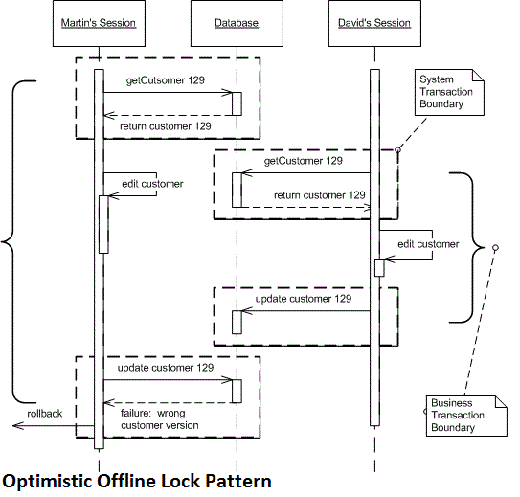

Source Ref Link
Strategy Pattern | Back | J2EE PATTERN CATALOG | 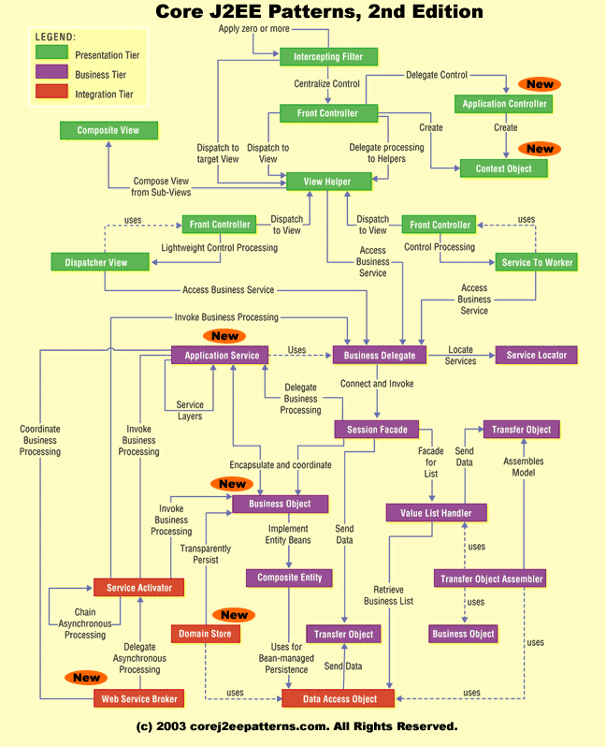 | BACK

