Terms
 | Syntax
 | Symantix

 | Coupling
 | Composed
 | Compose Method Pattern | > code after few months or years. Looks agly. > Long methods are causes big issues.
 | Comments | stale comments.

 | Principles | > Single Responsibility Principle > Open/Closed Principle > Interface se

 | Single Responsible Principle: | > Yagni >
 | Open/Closed Principles | Software module should be open for extension but closed for modification. --if you need to enhance - Do not modify code but extend code (rewrite or add new) --Abstraction and Polymorphism are keys to implement open/closed principle --

 | Abstraction
 | Polymorphism

 | Enhancement | 1> Modify existing code -----Adds more complexity 2> Add a small new module of code -----
 | Public IP | DNS is linked with public IP ( LoadBalancer - server's IP)
 | Private IP | Backend server has IP address, not exposed. LoadBalancer distribute/balance incoming request to linked many different servers using its private IP.
 | DNS | Domain Name Server. Like LNDI - Index server contains domain name and IP address map.

 | Cohesive | One method, One class or one flow must do only one specific task, not mix-up more functionalities into one.

abr | ISP | Internet Service Providers
abr | CDN | Content Delivery Network

internet | Internet Backbone: | The collection of cables and data canters that make up the core of the internet. This is operated not by a single operator but by many independent companies spread across the globe. | 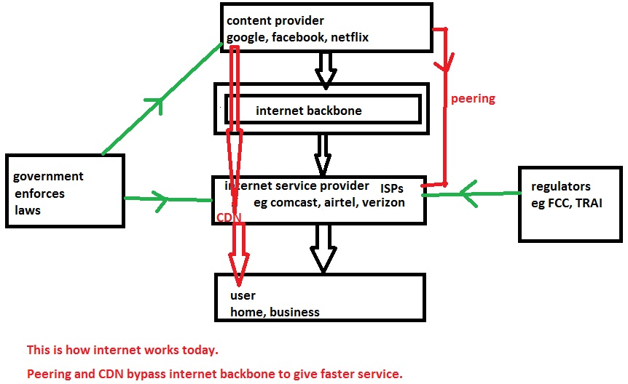
internet | Internet Service Provider (ISP): | A company, such as Comcast or Verizon or Airtel or Tata docomo, that plugs into the backbone and then provides internet connections to homes and businesses. ISP is also known as TSP (telecom service provider) or Telco or broadband carriers or network operators or internet access providers or platform operator. An ISP provides internet services to users via cable or wireless connections. Access ISP = last mile ISP = eyeball ISP = ISP that provides internet access to user.
internet | Content Provider: | Companies such as Google, Facebook, and Netflix that provide the webpages, videos, and other content that moves across the internet. My website www.drrajivdesaimd.com is also a content provider. A content provider is anyone who has a website that delivers content to internet users. Content and service providers (CSPs) offer a wide range of applications and content to the mass of potential consumers.
internet | Peering: | Where one internet operation connects directly to another so that they can trade traffic. This could be a connection between an ISP such as Comcast and an internet backbone provider such as Level 3. But it could also be a direct connection between an ISP and a content provider such as Google.
internet | Content Delivery Network (CDN): | A network of computer servers set up inside an ISP that delivers popular photos, videos, and other content. These servers can deliver this content faster to home users because they’re closer to home users. Companies such as Akamai and Cloudflare run CDNs that anyone can use. But content providers such as Google and Netflix now run their own, private CDNs as well.
internet | Regulator: | FCC (federal communication commission of U.S.) and TRAI (telecom regulatory authority of India) are some examples of regulators that regulate ISPs.

Req/Res | Observable | Stream of data flows. many oberservers may or may-not observe it, But data flows. Ex: Radio
Req/Res | Iterator | Interactive - Check if more data available, and get it. hasNext() next()
Req/Res | Promise | Requested Data will be responded later sometime. Don't wait.

 | Stream | Lazy
 | Parallel Stream
 | Observable | 3 channels --Data --Complete --Error

Programming | OOP
Programming | Functional | Not Object oriented; Means
Programming | Imperative | Instruct step by step what/how to do..
Programming | Declarative | hands off task by calling an API
Programming | Procedural

Prop-Sols
Req | Solution#1 : Tight Coupling - Bad | Solution#2: Tight Coupling | Solution#3: Loose Coupling
when filter module selects option to filter based on date, most viewed etc | * One object knows other object. * mostly all developer does. * One module directly create/get instance of other modue and call its public methods | * Events handling * button.onclick(), input.onfocus() etc.. * instead button, changed to link or img etc again it breaks. creates tight coupling * OBSERVER PATTERN | TimelineFilter and Timeline has dependencies, does NOT interact directly, But through Mediator. * MEDIATOR PATTERN | 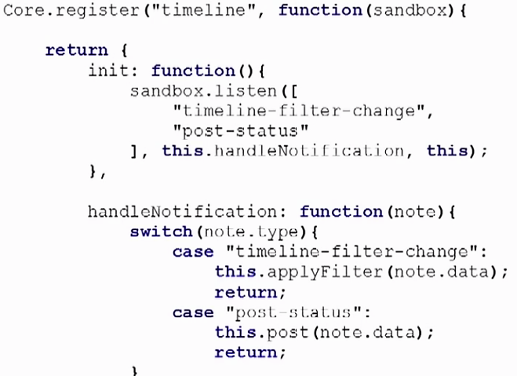
 | 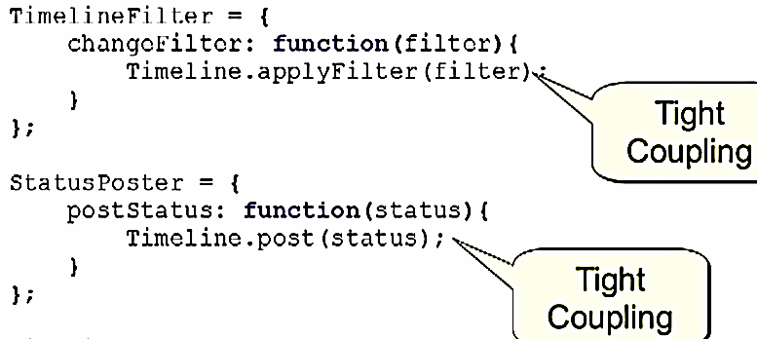

Big Applications
All consumers hit Single point Gateway like Router. Which redirects to 1000s of Services. | 