Memory Model
Memory Model (MM)
MM | --what values can be observed upon reading from specified field. --Formally specified by diaggregating a java program into actions and applying several orderings to these actions. If one can derive a so called "happens-before" ordering between write action and read action of one field. Java memory model guarantees that read returns a particular value. --Answering what value can read and write, especially in concurrency situation. --MM communicating with JVM in terms of Ordering and what value can be observed for the field.
MM | talk to MM through --volatile (field) --final (field) --synchronized (method) --java.uril.concurrent.* (method)
Processor Cache | --Processor always comes with processor cache. --every instructions are executed by processor and move the cached value to main memory -- Due to this, the values of a variables sometime differs in multi-threaded env. Adv: Knowing this behavior, will help optimize usage sequnce of variables in code. | 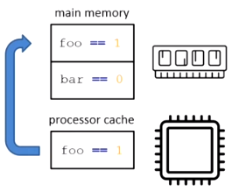
 | Sequential consistency
 | Eventual consistency : Event of one thread modifies a flag, and another thread never observe it. Volatile key word solves eventual consistency issue.
Atomicity | expect all values in Java to be atomic. 64bit data might have different results in 32bit machine
Ordering | Ordering guaranteed when use volatile, final, synchronization kesy are used. --synchronization order --program order --happens before order --dereference order |  | 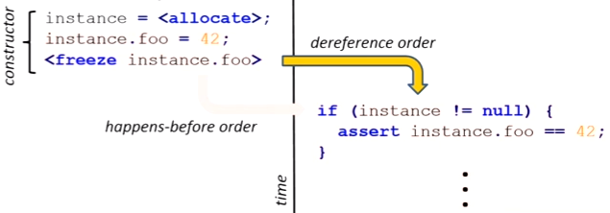
final | Create a instance using new operator, involves two steps; (1) allocate memory (2) initialize instance by calling constructor. --In multi-threaded env, there are possiblity one thread in race to get instance before it completely initialized. --final key rescue situation with FREEZE action. JVM not allowed to publish instance before complete set "final" to the instance. --so any variable declared as final, that instance will not be shared until it completely initialized. | 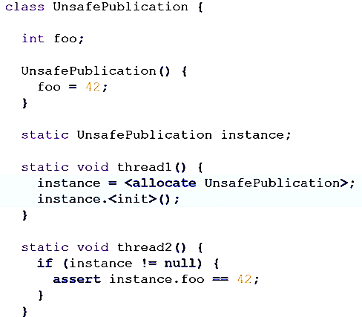
volatile | --all threads must align their volatile value with main memory -- when one thread writes to a volatile variable, all of its previous writes are flushed to main memory. --when one thread reads volatile variable, ensure all prior variables also read from main memory. | --NOT many fields need to be marked as volatile. instead one volatile is enough. ie when volatile field is read by program order, JVM make sure, all fields above volatile field written complete and visible after volatile field read complete. --NOT: declaring array as volatile, does not make array of elements volatile. instead use java..atomic.AtomicIntegerArray
synchronization | -- synchronization ordering (works same like volatile) --one thread exists from synchronize block , flushes out all values written into main memory. --another thread entring into synchonize block, reads all from main memory.
Thread-life cycle | --similar to volatile/synchronization, some cases thread life cycle guarandee read/write on main memory 1#: when A thread starts B thread, A thread flushes all values into memory, so that B reads right value from memory. 2#: when B thread joins A thread (means A -> B), A thread flushes all into memory, joining B thread will read right from memory. | 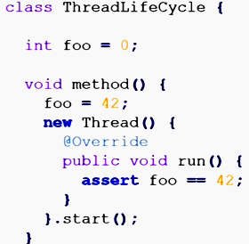

JVM | JVM : has lot of logic to improvise performance. Volatile/synchrnoized key word skips lot of JVM's hand dealing with memory; improper use of those keys, drastically disturb performance.
JVM | analyze the program, re-arrange (ORDERING) instructions to run much more efficiently

