Terms
 | Syntax
 | Symantix

 | Coupling
 | Composed
 | Compose Method Pattern | > code after few months or years. Looks agly. > Long methods are causes big issues.
 | Comments | stale comments.

 | Principles | > Single Responsibility Principle > Open/Closed Principle > Interface se

 | Single Responsible Principle: | > Yagni >
 | Open/Closed Principles | Software module should be open for extension but closed for modification. --if you need to enhance - Do not modify code but extend code (rewrite or add new) --Abstraction and Polymorphism are keys to implement open/closed principle --
 | Open Shift env | Sampe app docker image; Env config packaged together app;

 | Abstraction
 | Polymorphism

 | Enhancement | 1> Modify existing code -----Adds more complexity 2> Add a small new module of code -----
 | Public IP | DNS is linked with public IP ( LoadBalancer - server's IP)
 | Private IP | Backend server has IP address, not exposed. LoadBalancer distribute/balance incoming request to linked many different servers using its private IP.
 | DNS | Domain Name Server. Like LNDI - Index server contains domain name and IP address map.
 | Streaming Process | Processes data live immediately as it arrives; incremental processing; scalability fault tolerance. | -- Fraud; pattern matching; Monitoring -- Analytics -- Event-Driven

 | Cohesive | One method, One class or one flow must do only one specific task, not mix-up more functionalities into one.

abr | ISP | Internet Service Providers
abr | CDN | Content Delivery Network

Req/Res | Observable | Stream of data flows. many oberservers may or may-not observe it, But data flows. Ex: Radio
Req/Res | Iterator | Interactive - Check if more data available, and get it. hasNext() next()
Req/Res | Promise | Requested Data will be responded later sometime. Don't wait.

 | Stream | Lazy
 | Parallel Stream
 | Observable | 3 channels --Data --Complete --Error

Prog | OOP
Prog | Functional | Not Object oriented; Means
Prog | Imperative | Instruct step by step what/how to do..
Prog | Declarative | hands off task by calling an API
Prog | Procedural
Prog | Reactive | enables to respond to events, often in form of streams. subscribe to event and let event have it’s effect in it’s domain. loosely coupled code can easily be extended with more functionality.
 | Sharding | set of storage (Buckets), each one identified with unique key/name; And each one consists of another set of small storages identified on unique name;
 | ACID | Atomicity Consistency Isolation Durability | Usually Financial domain requires ACID compliance
 | ESB | Enterprise Service Bus -- Software Architecture model :- ----- communication between applications; ----- Loosely coupled -- functionalities :- ----- Monitoring ----- Routing ----- Complext message exchange ----- Integrate any different application ----- Integrate with any PROTOCOLs

internet | Internet Backbone: | The collection of cables and data canters that make up the core of the internet. This is operated not by a single operator but by many independent companies spread across the globe. | 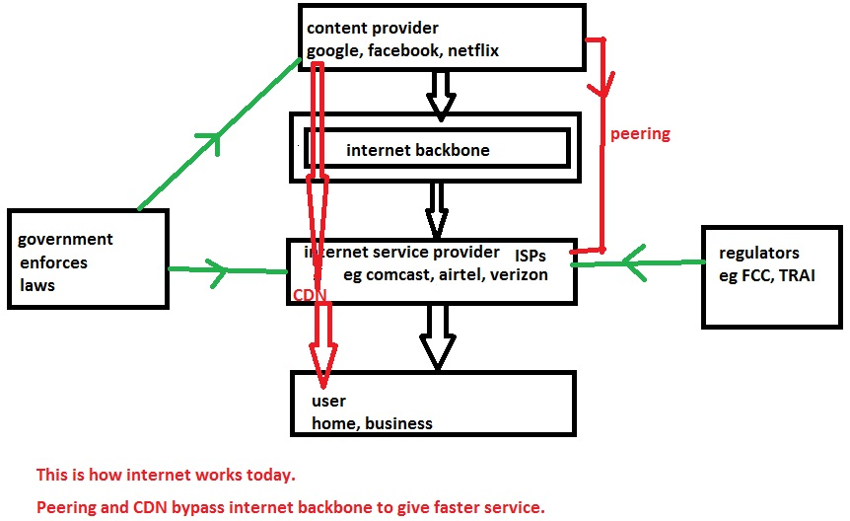
internet | Internet Service Provider (ISP): | A company, such as Comcast or Verizon or Airtel or Tata docomo, that plugs into the backbone and then provides internet connections to homes and businesses. ISP is also known as TSP (telecom service provider) or Telco or broadband carriers or network operators or internet access providers or platform operator. An ISP provides internet services to users via cable or wireless connections. Access ISP = last mile ISP = eyeball ISP = ISP that provides internet access to user.
internet | Content Provider: | Companies such as Google, Facebook, and Netflix that provide the webpages, videos, and other content that moves across the internet. My website www.drrajivdesaimd.com is also a content provider. A content provider is anyone who has a website that delivers content to internet users. Content and service providers (CSPs) offer a wide range of applications and content to the mass of potential consumers.
internet | Peering: | Where one internet operation connects directly to another so that they can trade traffic. This could be a connection between an ISP such as Comcast and an internet backbone provider such as Level 3. But it could also be a direct connection between an ISP and a content provider such as Google.
internet | Content Delivery Network (CDN): | A network of computer servers set up inside an ISP that delivers popular photos, videos, and other content. These servers can deliver this content faster to home users because they’re closer to home users. Companies such as Akamai and Cloudflare run CDNs that anyone can use. But content providers such as Google and Netflix now run their own, private CDNs as well.
internet | Regulator: | FCC (federal communication commission of U.S.) and TRAI (telecom regulatory authority of India) are some examples of regulators that regulate ISPs.

Architecture
 | Steps
 | REQUIREMENT | design requirement usually given in a line or two.
 | USE CASEs | part of requirement clarifications, come up with use cases expected behaviors or sub-requirements

 | Java is an object-oriented language, will need to perform an object-oriented design.
 | object-oriented design process consists tasks: > Divide problem domain into types of OBJECTS, > model relationships between TYPES > model ATTRIBUTES and BEHAVIORS of each type. |  | Objects can have three kinds of relationships > has-a relationship ( ) > is-a relationship (Inheritance) > uses-a relationship ( )
 | >. first step in an object- oriented design: identifying objects in the problem domain, and grouping them by type.
 | >. Identify the types of objects be most important in the solution, that have the greatest interaction.
Defining Attributes | >. Define the internal nature of each type: model attributes and behaviors. |  | > The value of each attribute you decide upon, whether it fluctuates or remains constant during an object's lifetime. > If value of attribute doesn't affect object's behavior in any way, then there is no sense modeling attribute as part of type. > |  | Examp: Instead of making color an attribute of the "coffee cup" type, you could have created one type for each color: "yellow coffee cup," "blue coffee cup," and "red coffee cup." These types wouldn't have a color attribute.
Defining Behavior | > Behavior is rooted in ways, it interacts with other objects.

Architectural Pattern | High level -- Monolithic -- Service-based -- Event-Driven | Monolithic --- Layered Arch Pattern/N-tier Pattern | Plug-in -- MicroKernel Arch pattern | Event-Driven -- Distributed architecture | Servicebase: -- Microservice -- | Service oriented | Space-based --
 |  |  | -- Editor tools, OS | -- Messaging |  |  | -- Elastic scalable architectural -- Distributed caching (In-memory data grid) --
 |  |  | 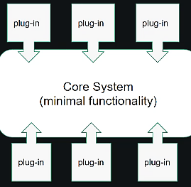 |  | 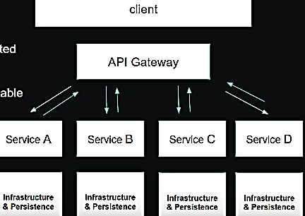 | 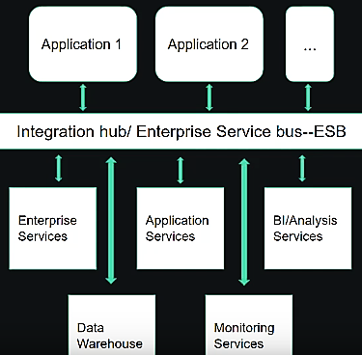 | 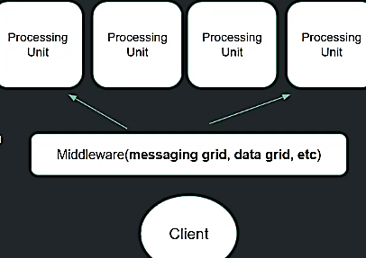

Load Balancer | Minimize response time, and maximize througput by spreading requests among two or more resource. --Single resource exposed through a Address. --Route a request to sub resources based on Scheduling Rule.
 | Scheduling Rule | Algorithm determine which server must service the request. | Algorithms: -- Random : choose random servers and assign the request. -- Round Robin : request distributed all servers one after another. -- Load Based : check each server's load, less load server gets new request --

Lambda Architecture | In coming stream of data goes to two path; -- Batch Layer ( delayed only append no update) -- Speed Layer ( Realtime ) |  | 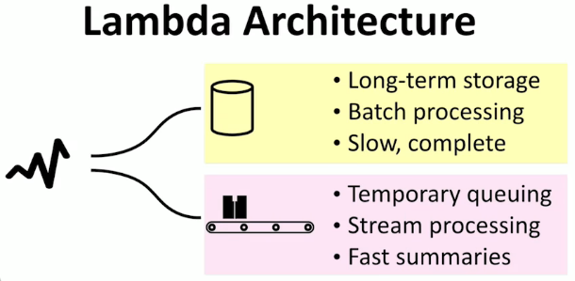 | 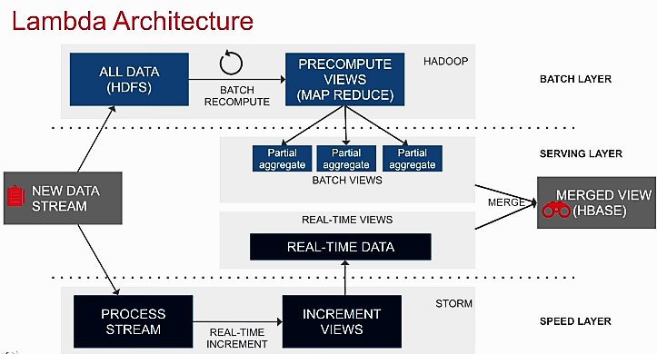
 | Batch Layer : Stores raw data as its arrives; Batch Process : Computes data, which consume Batch View. Batch View : Enriched batch processed data; more complex rules applied; Speed Layer : Computes data for Real-time view Realtime view : Enriched realtime data; access to the latest possible data; Query : retrieve data from both views (realtime and batch) |  |  | 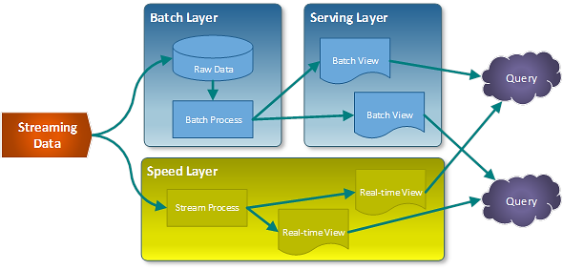
Lambda application | -- Good for Log monitoring -- Good for Data synchronization
Adv | -- capable of replay / rerun on same data produce based on rules / queries
Dis-Adv | -- Maintain two layers are difficult. Any changes need to be done both layers -- Double processing required --

Kappa Architecture | -- Only Streaming/Realtime data processing -- Not a replacement of Lamda Architecture;
Kappa application | --
Pros | -- Only one processing required; -- Multiple type of analysis possible
Cons

Semantic layer architecture.
Elastic Search and Spark implementation.
Apache Spark

System Design
System Design | process of defining architecture, layers, modules, components, interfaces and data model to satisfy specific requirement.
System Design | Factors Required for SD -- Features -- Abstract (Define API) -- Tolerance Performance -- Availability -- Scalability -- Durability (Data lost/compro) -- Security / Privacy -- Cost Effective
 | Scalability
 | Vertical Scaling - add hardware Horizontal Scale - distributed | CAP - can achieve 2 of 3 -- Consistency (data across sources) -- Availability (downtime) -- Partision Tolerance (

Design Principles
 | Cohesion
 | Coupling
 | Complexity
 | Abstraction
 | Encapsulation

Design Principles
 | Creation, Structure, Behavioral
 | Layer Pattern |  | Domain / Active Record / Table Module

Construction Pattern

 | Inheritance Design
 | Component Design
 | Layered Design
 | Tier Design
 | Delivery Methodology

Distributed System | -- Distributed Storage -- Distributed Computation -- Distributed Messaging

Distributed Storage | -- NoSql
Consistent Hashing | -- Casandra -- few independent computer identifed by unique id; -- key (alpha num) pass through hash function and get hashed value; -- hashed value takes a storage between couple of nodes.

Distributed Computation
Hadoop | -- MapReduce -- HDFS (Distributed File System) |  | Cons : very complicated; programming model complex;
Spark | -- Scatter/Gather (like Map Reduce ) -- Transfrom/Action |  | Pros: wins over hadoop, because programatic way gives an object to act on.
Kafka | -- its not only messaging; through Streaming capability Kafka also on Computation

Distributed Messaging
Kafka | -- multiple system communicate via distributed messaging (kafka); Streaming |  | 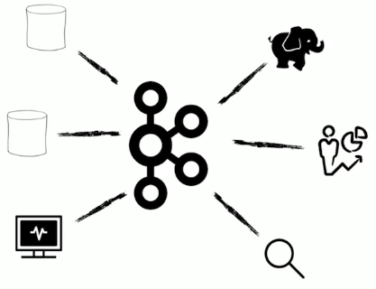

Cassandra
Cassandra | built-for-scale; capable of petabytes of information and thousands of concurrent users/operations per second. -- automatic data distribution across all nodes -- linear scalability : increase capablity by # of nodes addition. -- Tunable Consistency : adjust consistency required specific for a application
 | Node : a single machine that runs Cassandra. Data Center : logical group of nodes into data centers, to serve faster different geographical area. Cluster : collection of nodes / Data Center | 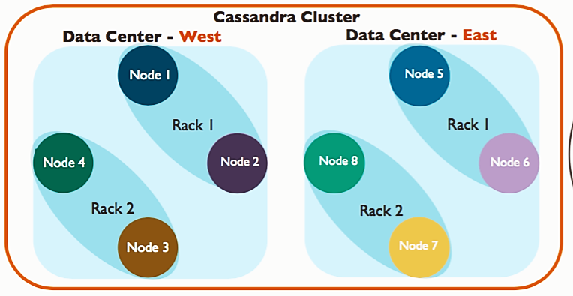
Node | -- Consists own data and replication of data from other node. -- Authorized user connects to Node under any data center, to access interested data
Cluster | -- No cross Cluster replication possible.

CQL / cqlsh | -- Similar to SQL, instructions to Casandra server issue in CQL -- Create keyspaces and tables, insert and query tables
Keyspaces | -- Name (Key) with Parameters, stored @ Cluster level -- stores attributes such as replication factor -- it can contain multiple "Column Families"; a column family can contain any columns or dynamic columns -- | 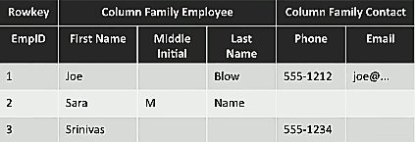 CREATE KEYSPACE products WITH replication = {'class': 'NetworkTopologyStrategy', 'MyDC': '2'};
replication factor | -- replication factor is determine Consistency; reading and writing impacts replication factor.

Big Applications
All consumers hit Single point Gateway like Router. Which redirects to 1000s of Services. | 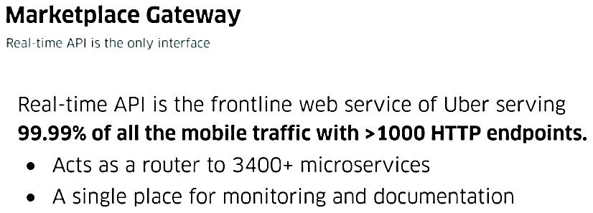
 | 