ts-notes
TypeScript | Super set of Javascript; TypeScript compiles into Javascript; -- TypeScritp = Javascript + Static Type (vars) + Tools -- any JS frameworks(ng, backb..) can work with Typescript |  | 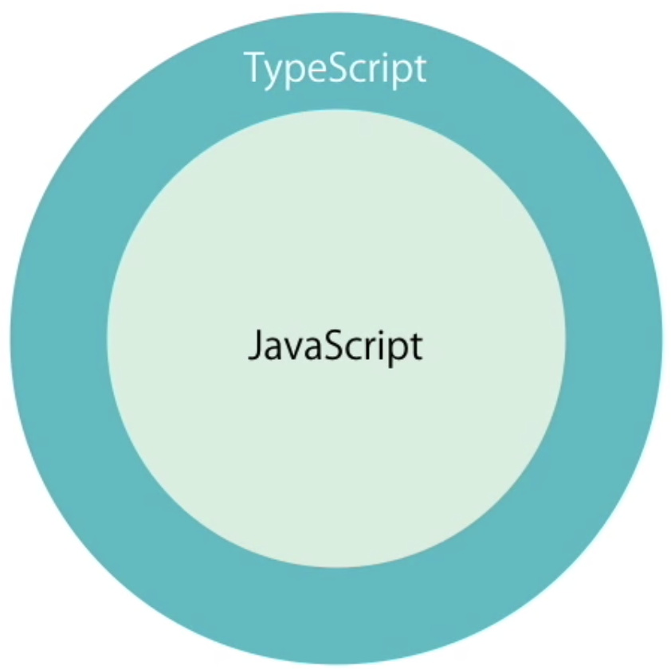 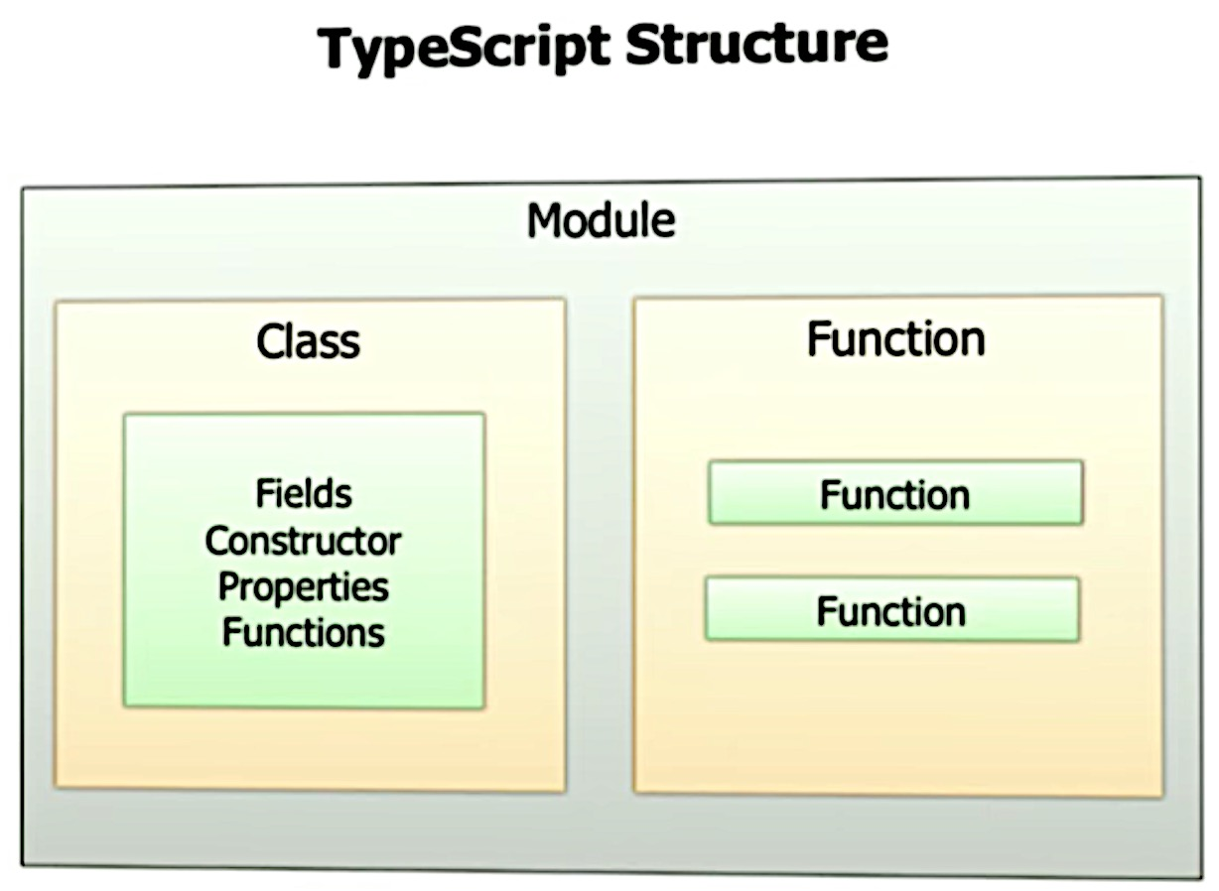
Why Typescript? | -- Typed Javascript -- Modular -- Scalable Structured -- Tools - Comiler, API reference, Refactor, backward compatible etc
Offers | -- Type -- Arrow Function -- Access Specifier -- Properties -- Modules | Key words introduced / carried from Java : -- class -- abstract -- interface -- enum -- private, public -- constructor -- => (arrow func = Lamda in java)
Tools | -- Tools/Utility ------- IDE F12 will take to definition; ------- compiles and give error on save. ------- Refactor is effortless
Features | -- Backward and Future compatible (Old can be upgrade to newer vers) -- OOP Features --------- class, interface, Generics -- Type inference, Union Type ( | or ), Tuple Types --------- | 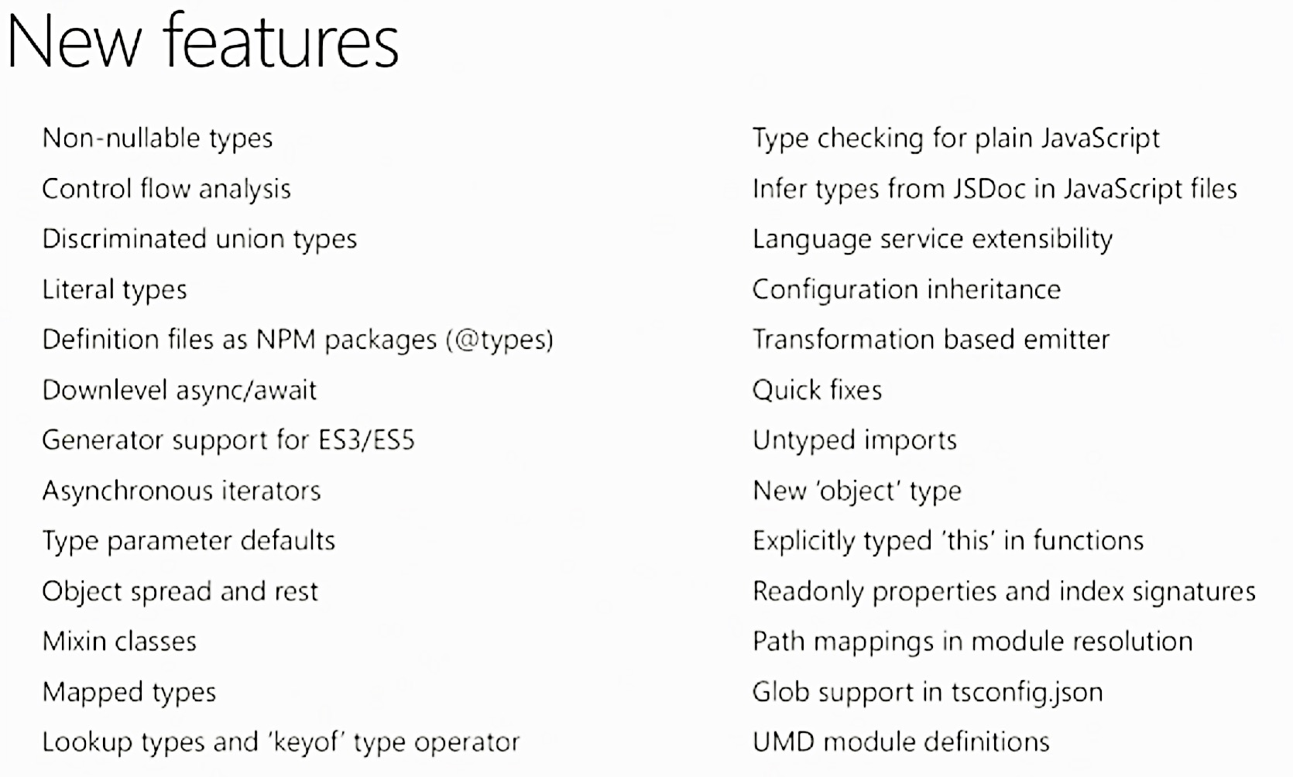

Decorator | Decorator is capable and available from ES7. Type script capable to writing it with latest capability and pollyfill with older version. | can be declared on top of -- class -- function -- variable -- parameter
Decorator | Decorator declarative with @ sympol and definition is with simple function | class Car { color = "red"; whatColor(){ return this.color
Decorator-method

ng4-notes
 | What Angular4 still comprises? | -- Two way binding -- Component -- Directive -- Service -- Routing -- Dependency Injection -- Forms -- Observable -- Pipes -- Http

 | install | Angular CLI | angular Command Line Interface | $ npm install -g @angular/cli | npm uninstall -g angular-cli npm cache clean npm install -g angular-cli@latest
 | create | Create a project |  | $ ng new <my-app> <proj>$ ng serve
 | create | Create a component |  | $ ng generate component my-account
 | install | bootstrap into ng |  | $ npm install --save bootstrap

 | config | .angular-cli.json | config and contains all info about the project which was created using @angular/cli
 | config | package.json | mention the version and dependencies; npm install will install all ng dependencies into node_modules

 | api | NgModule | Container of all other modules. -- its container of bootstrap app | 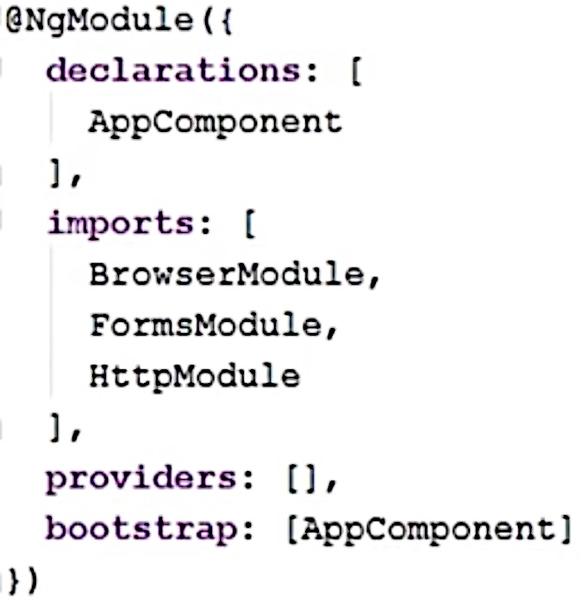
 | api | Component | Each component comprises of below items -- html (templateUrl) -- css (styleUrls) -- selector | 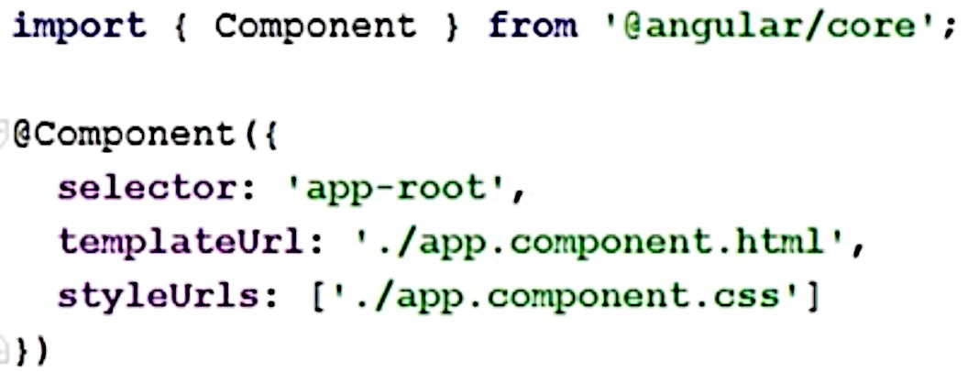
 | Component | Inter-component communication -- @Input -- @Output -- EventEmitter
 | Router | -- multiple router outlets -- Guard route -- lazy load of module | Guard - Pre-condition to run before open up route
 | Router | multiple router | can have multiple router-outlet in same template
 | DI |  | @Injectable
 | Forms | -- template-driven form -- Reactive form --
 | @Injectable | Services are annotated with injectable
 | Event | {….}
 | DataBinding | [….]
 | @Input
 | @Output

 | npm script | ng build -prod

UI | selector |  | -- in ng 1.5 its called directive. -- it can be a tag or attribute in html tag
 | selector as tag |  | selector : ' xyz ' - syntax for tag directive
 | selector as attr |  | selector : '[ xyz ]' - syntax for attribute directive
 | selector as class |  | selector : ' . xyz ' - for class directive
 | Data Binding | Oneway: <Business Logic> ---output---> HTML HTML ---input----> <Business Logic> Twoway : <BusinessLogic> <---twoway---> HTML -- {{ }} - String Interpolation -- [ ] - Property Binding -- ( ) - Event Binding -- [( )] - Two-way Binding |  | 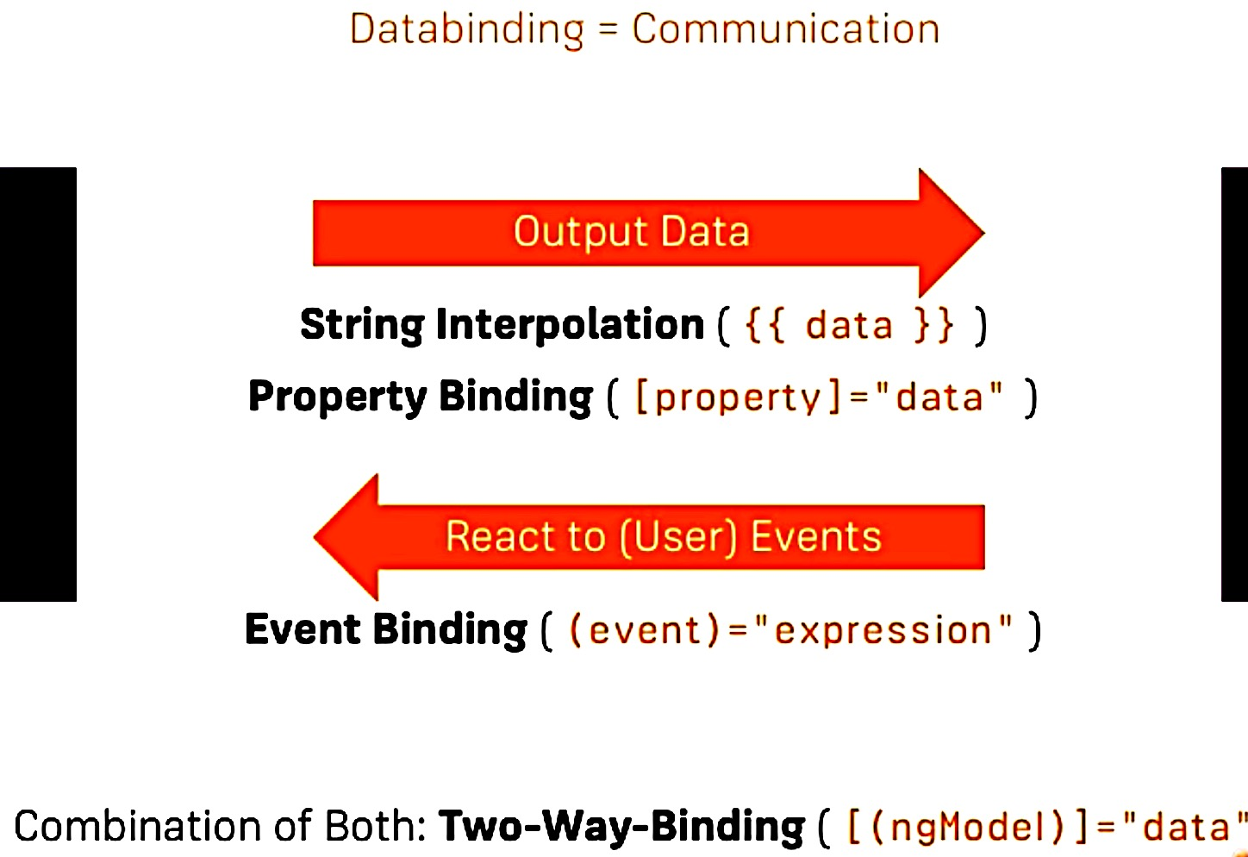
 | Data Binding | Property Binding | [ ] - HTML properties (attr) to bind with ng component. --Ex: disabled is html property
 | Data Binding | Event Binding | ( ) - User/Html events to bind with ng component --Ex: OnInput Event bind with ng component.
 | Data Binding | Two-way Binding | [( )] - twoway bind DOM with ng -- Ex: ngModel - the model value renders throug user inputs or components

 | Directives |  | *ngIf
 | Directives | ng-template | #tmplateName - is like ID refer in other Directive
 | Directives | * (start) | -- it helps to differencitate regular attribute and structural directive. -- * before attribute selector indicates - it’s a structural directive. -- a convenience notation into a marked-up <ng-template>
 | Directives | input/output | Directives deals with input and outputs; Inputs to Directive through Property Binding [ ] Output from Directive through Event Binding ( )
 | Directives | @Directive
 | Pipe | @Pipe |  | 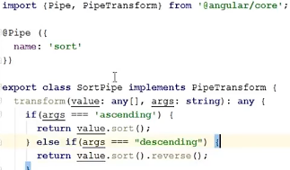 | 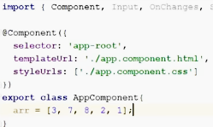 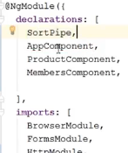
 | api | EventEmitter

Design Decision
MVC |  | keep all model/service under services; views under view folder controller under controllers. | when application going with many flows… like many new urls… many new services.. Folder structure going to be very vague

ng > 2 | Best Practice | one project atleast should have -- core, shared, feature modules Avoid allowing modules in sibling and parent folders to directly import a module in a lazy loaded feature. | 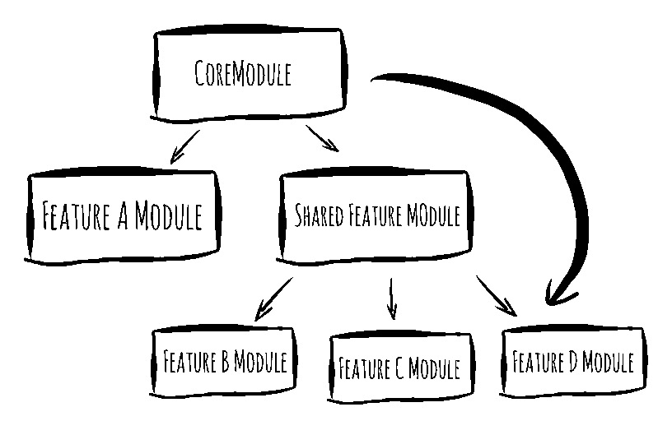
 | Best Practice | Core Module: -- should only be included in AppModule -- services mostly used accorss features, should be added into Core module -- | Shared Module: -- dump like pipes, reusable components (button etc); not to make any service calls because shared modules are imported by all of other modules, multiple time -- | Feature Module: -- separate independent components into features -- services received from Core, components received from Shared -- if multiple features interact closely many times then group it together --

